Sheet1
Abstract # | PMID/Reference | Study Acronym/Trial ID | Lead Author | Journal | Year | Country (PI) | Study Design | Study Funding | Patient Population | TGA Data | TGA (1) | TF Concentration (1) | PPP vs PRP | Thrombomodulin | Corn Trypsin Inhibitor (CTI) | TGA (2) | TF Concentration (2) | TGA Parameters Reported | Lag Time (LT)? | Time to Peak (TTP)? | Peak Thrombin Generation (Peak)? | Endogenous Thrombin Potential (ETP)? | Mean Volecity Rate Index (mVRI)? | DOAC Data | DOAC In Vitro/In Vivo | DOAC (1) | DOAC (1) Number of Participants | DOAC Dosing (1) | DOAC (1) Concentration Range (ng/mL) | LT Impact (1)? | TTP Impact (1)? | Peak Impact (1)? | ETP Impact (1)? | mVRI Impact (1)? | LT Correlation (1) | TTP Correlation (1) | Peak Correlation (1) | ETP Correlation (1) | mVRI Correlation (1) | TGA Curve (1) | DOAC (2) | DOAC (2) Number of Participants | DOAC Dosing (2) | DOAC (2) Concentration Range (ng/mL) | LT Impact (2)? | TTP Impact (2)? | Peak Impact (2)? | ETP Impact (2)? | mVRI Impact (2)? | LT Correlation (2) | TTP Correlation (2) | Peak Correlation (2) | ETP Correlation (2) | mVRI Correlation (2) | TGA Curve (2) | DOAC (3) | DOAC (3) Number of Participants | DOAC Dosing (3) | DOAC (3) Concentration Range | LT Impact (3)? | TTP Impact (3)? | Peak Impact (3)? | ETP Impact (3)? | mVRI Impact (3)? | LT Correlation (3) | TTP Correlation (3) | Peak Correlation (3) | ETP Correlation (3) | mVRI Correlation (3) | TGA Curve (3) | DOAC (4) | DOAC (4) Number of Participants | DOAC Dosing (4) | DOAC (4) Concentration Range (ng/mL) | LT Impact (4)? | TTP Impact (4)? | Peak Impact (4)? | ETP Impact (4)? | mVRI Impact (4)? | LT Correlation (4) | TTP Correlation (4) | Peak Correlation (4) | ETP Correlation (4) | mVRI Correlation (4) | TGA Curve (4) | DOAC (5) | DOAC (5) Number of Participants | DOAC Dosing (5) | DOAC (5) Concentration Range (ng/mL) | LT Impact (5)? | TTP Impact (5)? | Peak Impact (5)? | ETP Impact (5)? | mVRI Impact (5)? | LT Correlation (5) | TTP Correlation (5) | Peak Correlation (5) | ETP Correlation (5) | mVRI Correlation (5) | TGA Cruve (5) | DOAC (6) | DOAC (6) Number of Participants | DOAC Dosing (6) | DOAC (6) Concentration Range (ng/mL) | LT Impact (6)? | TTP Impact (6)? | Peak Impact (6)? | ETP Impact (6)? | mVRI Impact (6)? | LT Correlation (6) | TTP Correlation (6) | Peak Correlation (6) | ETP Correlation (6) | mVRI Correlation (6) | TGA Curve (6) | Additional Comments | Hemostatic Therapy | Hemostatic Therapy Tested? | Hemostatic Agent In Vitro/In Vivo | Hemostatic Agent (1) | 3FPCC/4FPCC | Hemostatic Agent Dosing (1) | Hemostatic Agent Concentration Range (1) | Corresponding Concentration for In Vitro Spiking (1) | LT Impact (1) | TTP Impact (1) | Peak Impact (1) | ETP Impact (1) | LT Normalization (1) | TTP Normalization (1) | Peak Normalization (1) | ETP Normalization (1) | ETP Overshoot (1) | Hemostatic Agent Response Graph (1) | Hemostatic Agent (2) | Hemostatic Agent Dosing (2) | Hemostatic Agent Concentration Range (2) | Corresponding Concentration for In Vitro Spiking (2) | LT Impact (2) | TTP Impact (2) | Peak Impact (2) | ETP Impact (2) | LT Normalization (2) | TTP Normalization (2) | Peak Normalization (2) | ETP Normalization (2) | ETP Overshoot (2) | Hemostatic Agent Response Graph (2) | Hemostatic Agent (3) | Hemostatic Agent Dosing (3) | Hemostatic Agent Concentration Range (3) | Corresponding Concentration for In Vitro Spiking (3) | LT Impact (3) | TTP Impact (3) | Peak Impact (3) | ETP Impact (3) | LT Normalization (3) | TTP Normalization (3) | Peak Normalization (3) | ETP Normalization (3) | ETP Overshoot (3) | Hemostatic Agent (4) | Hemostatic Agent Dosing (4) | Hemostatic Agent Concentration Range (4) | Corresponding Concentration for In Vitro Spiking (4) | LT Impact (4) | TTP Impact (4) | Peak Impact (4) | ETP Impact (4) | LT Normalization (4) | TTP Normalization (4) | Peak Normalization (4) | ETP Normalization (4) | ETP Overshoot (4) | Hemostatic Agent (5) | Hemostatic Agent Dosing (5) | Hemostatic Agent Concentration Range (5) | Corresponding Concentration for In Vitro Spiking (5) | LT Impact (5) | TTP Impact (5) | Peak Impact (5) | ETP Impact (5) | LT Normalization (5) | TTP Normalization (5) | Peak Normalization (5) | ETP Normalization (5) | ETP Overshoot (5) | Clinical Outcomes | Clinical Outcomes Recorded? | VTE/ATE? | Thrombotic Outcomes Measured | Thrombotic Outcome Result | Correlation with TGA Parameters? | Hemostasis? | Hemostatic Outcomes Measured | Hemostatic Outcome Resullt | Correlation with TGA Parameters? | Outcome Follow-Up
HEALTHY VOLUNTEERS - IN VITRO STUDIES
#155 | PMID: 3445 4531 Giesen PLA, Gulpen AJW, van Oerle R et al. Calibrated automated thrombogram II: removing barriers for thrombin generation measurements. Thromb J 2021; 19: 60. DOI: 10.1186/s12959-021-00312-8 |  | Giesen | Thromb J | 2021 | Netherlands | In Vitro Spiked Plasma | NONE REPORTED | Healthy Volunteers |  | CAT/Thrombinoscope | STG-ThromboScreen (intermediate pM) | PPP | No | No | ST-Genesia | STG-ThromboScreen (intermediate pM) | Yes | Yes | Yes | Yes | Yes | No |  | In Vitro | Apixaban | N/A | N/A | 0-500 | Yes, statistical significance not reported | Yes, statistical significance not reported | Yes, statistical significance not reported | Yes, statistical significance not reported | Not reported |  |  |  |  |  |  | Rivaroxaban | N/A | N/A | 0-500 | Yes, statistical significance not reported | Yes, statistical significance not reported | Yes, statistical significance not reported | Yes, statistical significance not reported | Not reported |  |  |  |  |  |  | Dabigatran | N?A | N/A | 0-500 | Yes, statistical significance not reported | Yes, statistical significance not reported | Yes, statistical significance not reported (paradoxical increase) | Yes, statistical significance not reported (paradoxical increase) | Not reported |  |  |  |  |  |  |  |  |  |  |  |  |  |  |  |  |  |  |  |  |  |  |  |  |  |  |  |  |  |  |  |  |  |  |  |  |  |  |  |  |  |  |  |  |  |  |  |  |  |  |  | Main goal of study was to compare "CAT-I" and "CAT-II" methods and then to compare to the ST-Genesia. Paper does a good job of explaning the calibration process for standard CAT ("CAT-I") and comparing to "CAT-II" which uses the same calibration process as ST-Genesia. They naratively summarize the impact of DOACs on TGA parameters but do not report statistical significance (only report p-values for comparisons of CAT-I and CAT-II). They do show that rivaroxaban and apixaban impact all TGA parameters, but that dabigatran results in increased peak and ETP when using CAT-I but not CAT-II, as would be expected. They did not test reversal agents in the presence of DOAC, only addition to non-anticoagulated plasma to see differences between CAT-I and CAT-II |  | No |  |  |  |  |  |  |  |  |  |  |  |  |  |  |  |  |  |  |  |  |  |  |  |  |  |  |  |  |  |  |  |  |  |  |  |  |  |  |  |  |  |  |  |  |  |  |  |  |  |  |  |  |  |  |  |  |  |  |  |  |  |  |  |  |  |  |  |  |  |  | No
#167 | PMID: 3336 9212 Foulon-Pinto G, Jourdi G, Perrin J et al. Study of thrombin generation with St Genesia to evaluate xaban pharmacodynamics: Analytical performances over 18 months. Int J Lab Hematol 2021; 43: 821-830. DOI: 10.1111/ijlh.13443 | DRIVING | Foulon-Pinto | Int J Lab Hematol | 2021 | France | In Vitro Spiked Plasma | Stago, Conny Maeva Charitable Foundation | Healthy Volunteers |  | ST-Genesia | STG-ThromboScreen and STG-DrugScreen | PPP | Yes | No |  |  | Yes | Yes | Yes | Yes | Yes | No |  | In Vitro | Apixaban | N/A | N/A | 0-450 | Yes, statistically significant | Yes, statistically significant | Yes, statistically significant | Yes, statistically significant | Not reported |  |  |  |  |  |  | Rivaroxaban | N/A | N/A | 0-450 | Yes, statistically significant | Yes, statistically significant | Yes, statistically significant | Yes, statistically significant | Not reported |  |  |  |  |  |  |  |  |  |  |  |  |  |  |  |  |  |  |  |  |  |  |  |  |  |  |  |  |  |  |  |  |  |  |  |  |  |  |  |  |  |  |  |  |  |  |  |  |  |  |  |  |  |  |  |  |  |  |  |  |  |  |  |  |  |  | Rivaroxaban noted to have a greater impact on kinetic parameters when assessed at same concentration ranges as apixaban. Peak height and ETP were comparable between rivaroxaban and apixaban. |  | No |  |  |  |  |  |  |  |  |  |  |  |  |  |  |  |  |  |  |  |  |  |  |  |  |  |  |  |  |  |  |  |  |  |  |  |  |  |  |  |  |  |  |  |  |  |  |  |  |  |  |  |  |  |  |  |  |  |  |  |  |  |  |  |  |  |  |  |  |  |  | No
#173 | PMID: 3303 7773 Evrard J, Hardy M, Dogné JM et al. Are the DOAC plasma level thresholds appropriate for clinical decision-making? A reappraisal using thrombin generation testing. Int J Lab Hematol 2021; 43: e48-e51. DOI: 10.1111/ijlh.13356 |  | Evrard | Int J Lab Hematol | 2021 | Belgium | In Vitro Spiked Plasma | NONE REPORTED | Healthy Volunteers |  | CAT/Thrombinoscope | PPP Reagent (5 pM) | PPP | No | No |  |  | Yes | Yes | Yes | Yes | Yes | Yes |  | In Vitro | Apixaban | N/A | N/A | 0-100 | Yes, statistically significant | Yes, statistically significant | Yes, statistically significant | Yes, statistically significant | Yes, statistically significant |  |  |  |  |  | 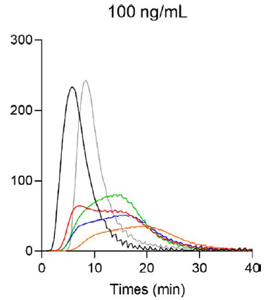 | Rivaroxaban | N/A | N/A | 0-100 | Yes, statistically significant | Yes, statistically significant | Yes, statistically significant | Yes, statistically significant | Yes, statistically significant |  |  |  |  |  |  | Dabigatran | N/A | N/A | 0-100 | Yes, statistically significant | Yes, statistically significant | Yes, statistically significant (paradoxical increase) | Yes, statistically significant (paradoxical increase) | Yes, statistically significant |  |  |  |  |  |  | Edoxaban | N/A | N/A | 0-100 | Yes, statistically significant | Yes, statistically significant | Yes, statistically significant | Yes, statistically significant | Yes, statistically significant |  |  |  |  |  |  | Betrixaban | N/A | N/A | 0-100 | Yes, statistically significant | Yes, statistically significant | Yes, statistically significant | Yes, statistically significant | Yes, statistically significant |  |  |  |  |  |  |  |  |  |  |  |  |  |  |  |  |  |  |  |  |  | All DOACs demonstrated a concentration dependent prolongation of the LT and TTP. Direct Xa inhibitors demonstrated a concentration-dependent reduction in peak, ETP and mVRI, whereas dabigatran had little/no impact on these parameters. Direct Xa inhibitors had the greatest impact on mVRI and peak, whereas dabigatran had the most impact on the LT and TTP. Dabigatran behaved differently from all other direct Xa inhibitors, and among direct Xa inhibitors, betrixaban was the most potent inhibitor of TG, followed by rivaroxaban, whereas apixaban and edoxaban were similar. |  | No |  |  |  |  |  |  |  |  |  |  |  |  |  |  |  |  |  |  |  |  |  |  |  |  |  |  |  |  |  |  |  |  |  |  |  |  |  |  |  |  |  |  |  |  |  |  |  |  |  |  |  |  |  |  |  |  |  |  |  |  |  |  |  |  |  |  |  |  |  |  | No
#533 | PMID: 3240 2997 Evrard J, Morimont L, Benyahia Z et al. Evaluation of the analytical performances of FibWave, a new sensitive tool assessing the fibrin clot formation, to measure the effects of anticoagulants. Thromb Res 2020; 191: 78-81. DOI: 10.1016/j.thromres.2020.04.029 |  | Evrard | Thromb Res | 2020 | Belgium | In Vitro Spiked Plasma | NONE REPORTED | Healthy Volunteers |  | CAT/Thrombinoscope | NOT REPORTED | PPP | No | No |  |  | Yes | Yes | Yes | Yes | Yes | Yes |  | In Vitro | Apixaban | N/A | N/A | 0-500 | Yes, statistical significance not reported | Yes, statistical significance not reported | Yes, statistical significance not reported | Yes, statistical significance not reported | Yes, statistical significance not reported |  |  |  |  |  |  | Rivaroxaban | N/A | N/A | 0-500 | Yes, statistical significance not reported | Yes, statistical significance not reported | Yes, statistical significance not reported | Yes, statistical significance not reported | Yes, statistical significance not reported |  |  |  |  |  |  | Dabigatran | N/A | N/A | 0-500 | Yes, statistical significance not reported | Yes, statistical significance not reported | No | No | Yes, statistical significance not reported |  |  |  |  |  |  | Edoxaban | N/A | N/A | 0-500 | Yes, statistical significance not reported | Yes, statistical significance not reported | Yes, statistical significance not reported | Yes, statistical significance not reported | Yes, statistical significance not reported |  |  |  |  |  |  | Betrixaban | N/A | N/A | 0-500 | Yes, statistical significance not reported | Yes, statistical significance not reported | Yes, statistical significance not reported | Yes, statistical significance not reported | Yes, statistical significance not reported |  |  |  |  |  |  |  |  |  |  |  |  |  |  |  |  |  |  |  |  |  | Direct Xa inhibitors had the greatest impact on mVRI (IC50 = 10-21 ng/mL) and peak (IC50 = 27-32 ng/mL). For dabigatran, the most influenced parameter was LT (2xLT = 69 ng/mL). Article did not report statistical significance values but did report IC50, doubling values, LOD and LOQ values for each DOAC. |  | No |  |  |  |  |  |  |  |  |  |  |  |  |  |  |  |  |  |  |  |  |  |  |  |  |  |  |  |  |  |  |  |  |  |  |  |  |  |  |  |  |  |  |  |  |  |  |  |  |  |  |  |  |  |  |  |  |  |  |  |  |  |  |  |  |  |  |  |  |  |  | No
#709 | PMID: 3100 5667 Sinegre T, Zlobecki M, Doré E et al. In vitro assessment of edoxaban anticoagulant effect in pediatric plasma. Thromb Res 2019; 178: 112-118. DOI: 10.1016/j.thromres.2019.04.014 |  | Sinegre | Thromb Res | 2019 | France | In Vitro Spiked Plasma | Octapharma | Healthy Volunteers |  | CAT/Thrombinoscope | PPP Reagent (5 pM) | PPP | No | No |  |  | Yes | Yes | Yes | Yes | Yes | No |  | In Vitro |  |  |  |  |  |  |  |  |  |  |  |  |  |  |  |  |  |  |  |  |  |  |  |  |  |  |  |  |  |  |  |  |  |  |  |  |  |  |  |  |  |  |  |  |  | Edoxaban | N/A | N/A | 0-300 | Yes, statistical significance not reported | Yes, statistical significance not reported | Yes, statistical significance not reported | Yes, statistical significance not reported | Not reported |  |  |  |  |  | 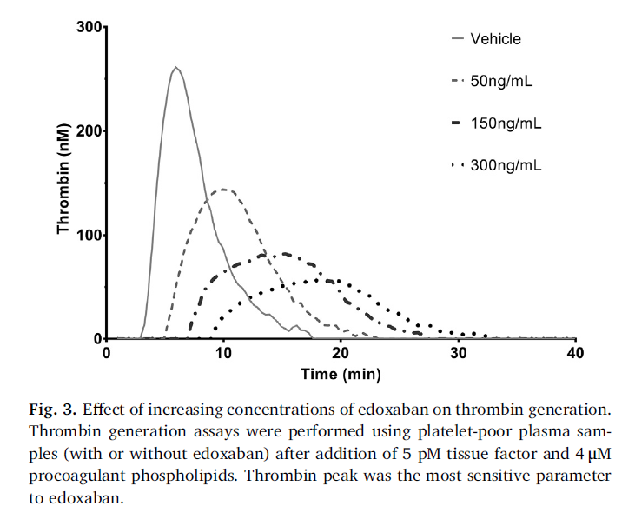 |  |  |  |  |  |  |  |  |  |  |  |  |  |  |  |  |  |  |  |  |  |  |  |  |  |  |  |  |  |  | N/A, edoxaban only. "The lag time, which corresponds to the time required to generate the first thrombin traces, gradually increased with edoxaban concentration. Lag time was sensitive to edoxaban anticoagulant effect, as indicated by the 3-fold increase for 300 ng/mL edoxaban compared with baseline. Similarly, time to peak significantly increased in a dosedependent manner. ETP (maximum decrease of 40% at 300 ng/mL) and particularly thrombin peak (reduction by 80% at 300 ng/m) also were affected by edoxaban in a dose-dependent manner. The thrombin generation curve was altered by in vitro addition of edoxaban with a delay in the initiation phase, and a flattening of the curve leading to a plateau, especially from 150 ng/mL of edoxaban, due to the significant decrease in thrombin peak. ETP was significantly and linearly affected by edoxaban concentration, whereas the thrombin peak decreased sharply at 50 ng/mL (approximately by 50%) and then less markedly." |  | No |  |  |  |  |  |  |  |  |  |  |  |  |  |  |  |  |  |  |  |  |  |  |  |  |  |  |  |  |  |  |  |  |  |  |  |  |  |  |  |  |  |  |  |  |  |  |  |  |  |  |  |  |  |  |  |  |  |  |  |  |  |  |  |  |  |  |  |  |  |  | No
#719 | PMID: 3108 8146 Siddiqui F, Hoppensteadt D, Jeske W et al. Factor Xa Inhibitory Profile of Apixaban, Betrixaban, Edoxaban, and Rivaroxaban Does Not Fully Reflect Their Biologic Spectrum. Clin Appl Thromb Hemost 2019; 25: 1076029619847524. DOI: 10.1177/1076029619847524 |  | Siddiqui | Clin Appl Thromb Haemost | 2019 | USA | In Vitro Spiked Plasma | Loyola University | Healthy Volunteers |  | CAT/Thrombinoscope | PPP Reagent High (20 pM) | PPP | No | No |  |  | Yes | Yes | No | Yes | Yes | No |  | In Vitro | Apixaban | N/A | N/A | 0-1000 | Yes, statistical significance not reported | Not reported | Yes, statistical significance not reported | Yes, statistical significance not reported | Not reported |  |  |  |  |  | 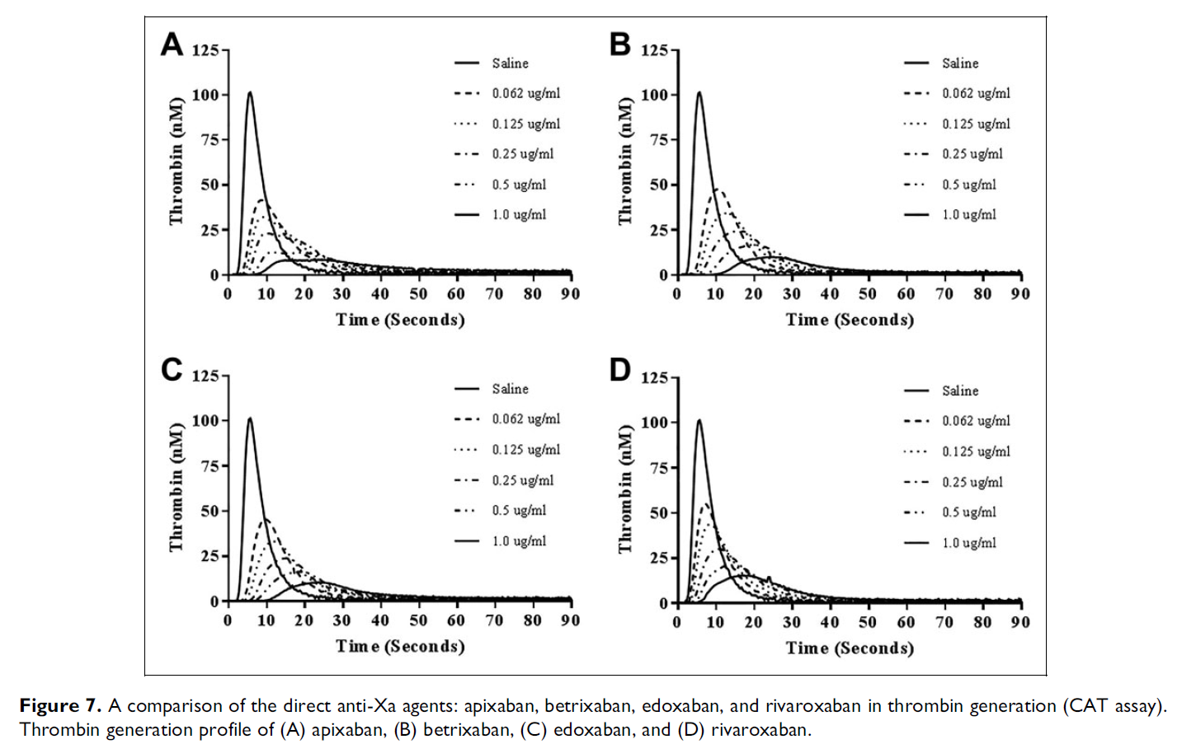 | Rivaroxaban | N/A | N/A | 0-1000 | Yes, statistical significance not reported | Not reported | Yes, statistical significance not reported | Yes, statistical significance not reported | Not reported |  |  |  |  |  |  |  |  |  |  |  |  |  |  |  |  |  |  |  |  |  | Edoxaban | N/A | N/A | 0-1000 | Yes, statistical significance not reported | Not reported | Yes, statistical significance not reported | Yes, statistical significance not reported | Not reported |  |  |  |  |  |  | Betrixaban | N/A | N/A | 0-1000 | Yes, statistical significance not reported | Not reported | Yes, statistical significance not reported | Yes, statistical significance not reported | Not reported |  |  |  |  |  |  |  |  |  |  |  |  |  |  |  |  |  |  |  |  |  | "All of the factor Xa inhibitors produced a concentration-dependent inhibition of thrombin generation. Apixaban, betrixaban, and edoxaban exhibited comparable inhibitory effects; however, rivaroxaban produced relatively weaker effects. Figure 8 and Table 3 shows the composite of the individual thrombin generation parameters for the four anti-Xa agents as measured by peak thrombin, AUC, and lag time. As shown in Figure 8A, the peak thrombin values show comparable inhibitory patterns with apixaban, betrixaban, and edoxaban, whereas rivaroxaban produced weaker effects. Figure 8B shows endogenous thrombin potential in terms of AUC. Apixaban showed relatively stronger inhibition in this parameter, followed by betrixaban and edoxaban that were comparable. Rivaroxaban produced weaker values at all concentrations in comparison to the other agents. Figure 8C shows the effects of these agents on lag time values. Edoxaban and betrixaban showed delayed lag time in a comparable manner, which was different when compared to apixaban and rivaroxaban. Rivaroxaban produced the most pronounced effects on the lag time followed by apixaban." |  | No |  |  |  |  |  |  |  |  |  |  |  |  |  |  |  |  |  |  |  |  |  |  |  |  |  |  |  |  |  |  |  |  |  |  |  |  |  |  |  |  |  |  |  |  |  |  |  |  |  |  |  |  |  |  |  |  |  |  |  |  |  |  |  |  |  |  |  |  |  |  | No
#822 | PMID: 3173 1710 Makhoul S, Panova-Noeva M, Regnault V et al. Rivaroxaban Effects Illustrate the Underestimated Importance of Activated Platelets in Thrombin Generation Assessed by Calibrated Automated Thrombography. J Clin Med 2019; 8. DOI: 10.3390/jcm8111990 |  | Makhoul | J Clin Med | 2019 | Germany | In Vitro Spiked Plasma | NONE REPORTED | Healthy Volunteers |  | CAT/Thrombinoscope | PPP Reagent Low (1 pM) | PPP | No | No |  |  | Yes | Yes | Yes | Yes | Yes | Yes |  | In Vitro |  |  |  |  |  |  |  |  |  |  |  |  |  |  |  | Rivaroxaban | N/A | N/A | 0-200 | Yes, statistically significant | Yes, statistically significant | Yes, statistically significant | Yes, statistically significant | Yes, statistically significant |  |  |  |  |  |  |  |  |  |  |  |  |  |  |  |  |  |  |  |  |  |  |  |  |  |  |  |  |  |  |  |  |  |  |  |  |  |  |  |  |  |  |  |  |  |  |  |  |  |  |  |  |  |  |  |  |  |  |  |  |  |  |  |  |  |  | The main goal of the study was to tease out the role of various components of the coagulation cascade in leading to thrombin generation and the TGA curve shape. They tested the reason why "camelback cruves" are seen in the presence of direct Xa inhibition. They also evaluated the role of phopsholipids in TGA testing. Main TGA results corresponding to usual assay testing is Table 2, 4uM PV. Statistically significant prolongation only seen at rivaroxaban concentrations of 200 ng/mL. |  | No |  |  |  |  |  |  |  |  |  |  |  |  |  |  |  |  |  |  |  |  |  |  |  |  |  |  |  |  |  |  |  |  |  |  |  |  |  |  |  |  |  |  |  |  |  |  |  |  |  |  |  |  |  |  |  |  |  |  |  |  |  |  |  |  |  |  |  |  |  |  | No
#1129 | PMID: 2989 0519 Siriez R, Evrard J, Dogné JM et al. Betrixaban: Impact on Routine and Specific Coagulation Assays-A Practical Laboratory Guide. Thromb Haemost 2018; 118: 1203-1214. DOI: 10.1055/s-0038-1657772 |  | Siriez | Thromb Haemost | 2018 | Belgium | In Vitro Spiked Plasma | NONE REPORTED | Healthy Volunteers |  | CAT/Thrombinoscope | PPP Reagent Low (1 pM), PPP Reagent (5 pM), PPP Reagent High (20 pM) | PPP | No | No |  |  | Yes | Yes | Yes | Yes | Yes | Yes |  | In Vitro |  |  |  |  |  |  |  |  |  |  |  |  |  |  |  |  |  |  |  |  |  |  |  |  |  |  |  |  |  |  |  |  |  |  |  |  |  |  |  |  |  |  |  |  |  |  |  |  |  |  |  |  |  |  |  |  |  |  |  |  | Betrixaban | N/A | N/A | 0-250 | Yes, statistical significance not reported | Yes, statistical significance not reported | Yes, statistical significance not reported | Yes, statistical significance not reported | Yes, statistical significance not reported |  |  |  |  |  | 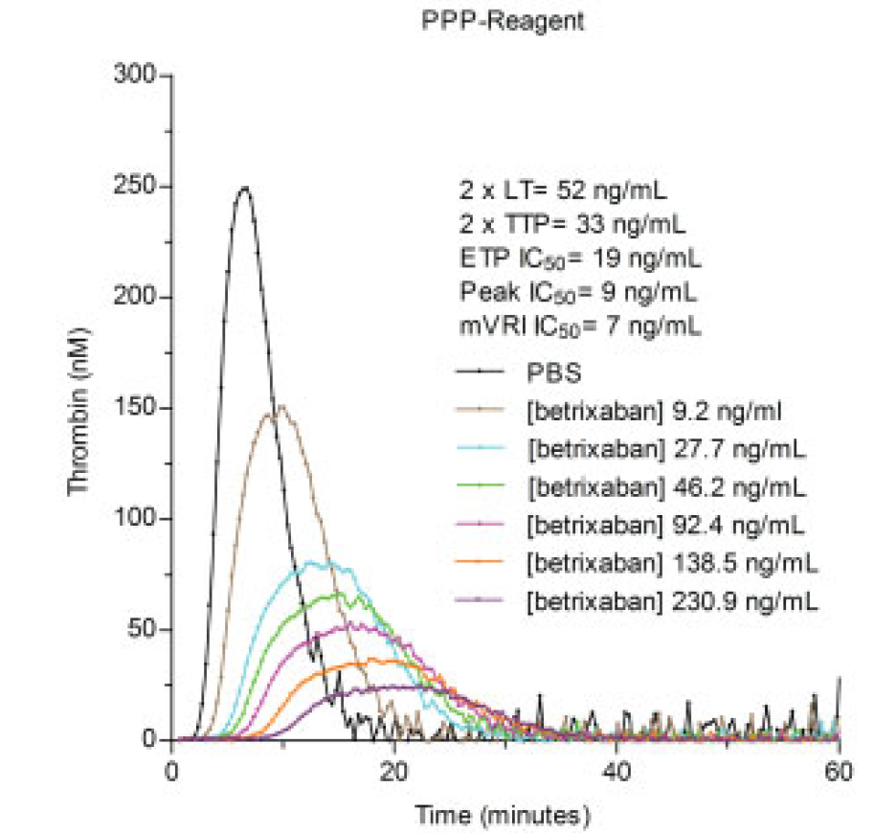 |  |  |  |  |  |  |  |  |  |  |  |  |  |  |  | Authors only tested betrixaban in this study, tested using range of TF concentrations. Authors note that the TGA response to drug levels is not linear. Also important to note that the IC50 for MVRI was as little as 7 ng/mL using PPP-Reagent. "The most influenced parameters were the peak (Cmax IC50: 8– 28ng/mL) andthemVRI (mVRI IC50:7–10ng/mL),while the lag time, the time to peak and the endogenous thrombin potential were less affected, as reported in ►Fig. 5. The prolongation/inhibition of all parameters decreased inversely to the amount of tissue factor (TF) in the reagent. The CVof the triplicatewas always below 10%. The LOD and LOQ for the peak ranged from 37 to 58 ng/mL and from 122 to 193 ng/mL, respectively. For the mVRI, the LOD and LOQ ranged from 18 to 27 ng/mL and from 66 to 88 ng/mL, respectively." |  | No |  |  |  |  |  |  |  |  |  |  |  |  |  |  |  |  |  |  |  |  |  |  |  |  |  |  |  |  |  |  |  |  |  |  |  |  |  |  |  |  |  |  |  |  |  |  |  |  |  |  |  |  |  |  |  |  |  |  |  |  |  |  |  |  |  |  |  |  |  |  | No
#1156 | PMID: 3034 9889 Salta S, Papageorgiou L, Larsen AK et al. Comparison of antithrombin-dependent and direct inhibitors of factor Xa or thrombin on the kinetics and qualitative characteristics of blood clots. Res Pract Thromb Haemost 2018; 2: 696-707. DOI: 10.1002/rth2.12120 |  | Salta | Res Pract Thromb Haemost | 2018 | France | In Vitro Spiked Plasma | NONE REPORTED | Healthy Volunteers |  | CAT/Thrombinoscope | PPP Reagent (5 pM) | PPP + PRP | No | No |  |  | Yes | Yes | Yes | Yes | Yes | Yes |  | In Vitro |  |  |  |  |  |  |  |  |  |  |  |  |  |  |  | Rivaroxaban | N/A | N/A | 0-700 | Yes, statistical significance not reported | Yes, statistical significance not reported | Yes, statistical significance not reported | Yes, statistical significance not reported | Yes, statistical significance not reported |  |  |  |  |  | 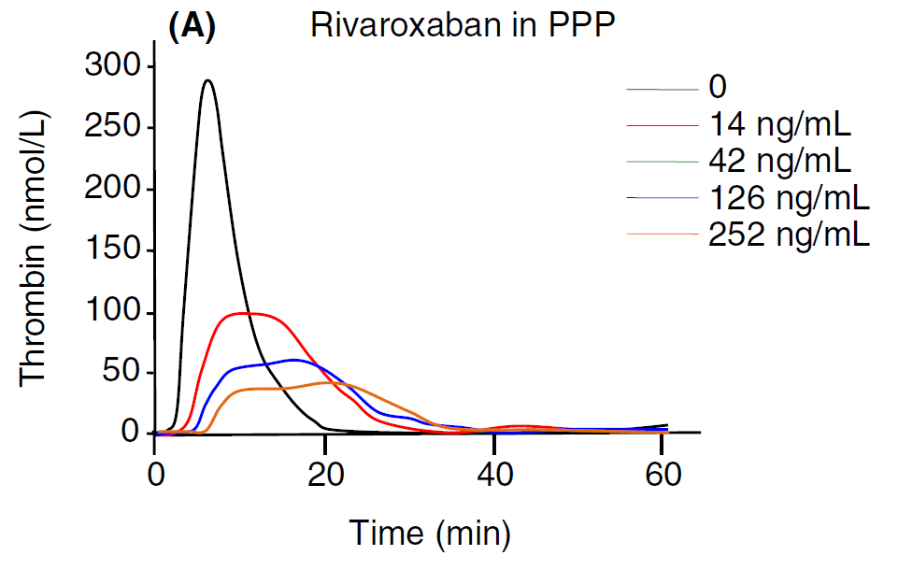 | Dabigatran | N/A | N/A | 0-700 | Yes, statistical significance not reported | Yes, statistical significance not reported | Yes, statistical significance not reported | Yes, statistical significance not reported | Yes, statistical significance not reported |  |  |  |  |  | 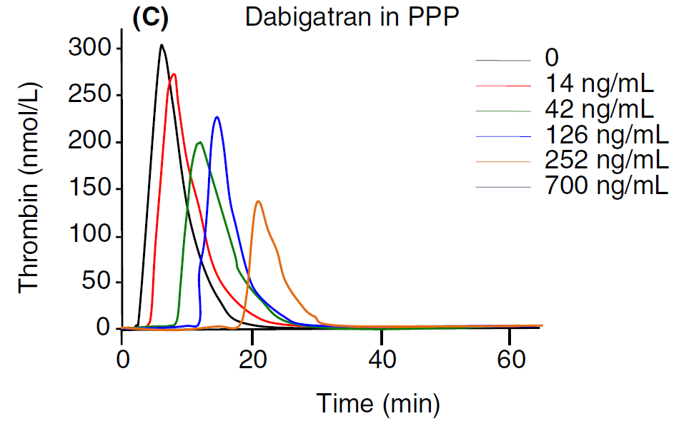 |  |  |  |  |  |  |  |  |  |  |  |  |  |  |  |  |  |  |  |  |  |  |  |  |  |  |  |  |  |  |  |  |  |  |  |  |  |  |  |  |  |  |  |  |  | Authors compared direct Xa/direct thrombin inhibitors to indirect Xa/thrombin inhibitors using CAT/PPP-Reagent. They did not report statistical significance but more so generally described TGA curves and trends. "Rivaroxaban completely suppressed thrombin generation at the highest studied concentration (700 ng/mL). At lower concentrations, rivaroxaban had a more potent effect on the ttPeak compared to LT. Rivaroxaban dramatically decreased the MRI and Peak in a concentration-dependent manner. Among the different thrombogram parameters, the ETP was the least affected. At a concentration of 252 ng/mL the Peak of thrombin was 42 ng/mL corresponding to about 14% of the Peak of thrombin for the control experiment. In the presence of 252 ng/mL rivaroxaban, the time required for the generation of 10% of thrombin was about 9 minutes" "Dabigatran completely abolished thrombin formation at the highest studied concentration (700 ng/mL). At concentrations below 700 ng/mL, dabigatran prolonged the LT and ttPeak in a concentration-dependent manner. At a concentration of 252 ng/mL, the Peak of thrombin was 137 ng/mL corresponding to about 45% of the Peak of thrombin for the control experiment. In the presence of 252 ng/mL dabigatran, the time required for the generation of 10% of thrombin was about 19 minutes." |  | No |  |  |  |  |  |  |  |  |  |  |  |  |  |  |  |  |  |  |  |  |  |  |  |  |  |  |  |  |  |  |  |  |  |  |  |  |  |  |  |  |  |  |  |  |  |  |  |  |  |  |  |  |  |  |  |  |  |  |  |  |  |  |  |  |  |  |  |  |  |  | No
#1163 | PMID: 2917 6379 Rigano J, Ng C, Nandurkar H et al. Thrombin generation estimates the anticoagulation effect of direct oral anticoagulants with significant interindividual variability observed. Blood Coagul Fibrinolysis 2018; 29: 148-154. DOI: 10.1097/MBC.0000000000000678 |  | Rigano | Blood Coagul Fibrinolysis | 2018 | Australia | In Vitro Spiked Plasma | Austin Medical Research Foundation | Healthy Volunteers |  | CAT/Thrombinoscope | PPP Reagent (5 pM) | PPP | No | No |  |  | Yes | No | No | Yes | Yes | No |  | In Vitro | Apixaban | N/A | N/A | 100-1250 | Not reported | Not reported | Yes, statistical significance not reported | Yes, statistical significance not reported | Not reported |  |  |  |  |  | 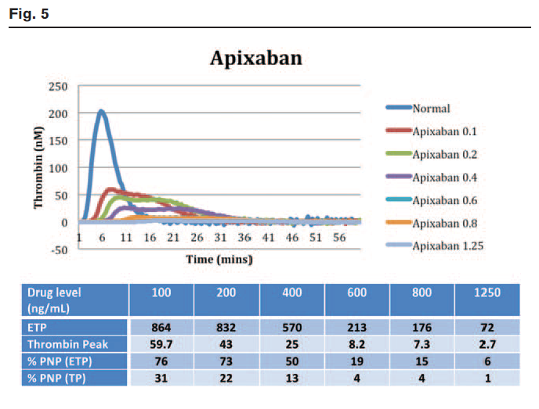 | Rivaroxaban | N/A | N/A | 100-1000 | Not reported | Not reported | Yes, statistical significance not reported | Yes, statistical significance not reported | Not reported |  |  |  |  |  |  | Dabigatran | N/A | N/A | 100-800 | Not reported | Not reported | Yes, statistical significance not reported | Yes, statistical significance not reported | Not reported |  |  |  |  |  | 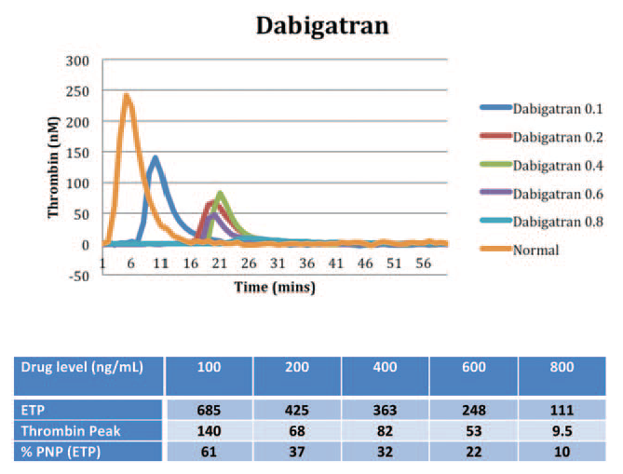 |  |  |  |  |  |  |  |  |  |  |  |  |  |  |  |  |  |  |  |  |  |  |  |  |  |  |  |  |  |  |  |  |  |  |  |  |  |  |  |  |  |  |  |  |  | Authors compare impact of dabigatran, apixaban and rivaroxaban on TGA parameters. They used PNP for the calibrator wells and so did not compare to the same sample with dabigatran in it. Authors did not wide variability on the impact of TGA parameters. "Increasing concentrations of rivaroxaban and apixaban plasma produced protracted thrombin generation with reduced thrombin peak, velocity index and increased lag time. The impact of increasing rivaroxaban and apixaban concentration on ETP is less pronounced, and there is a prolonged decay phase. At high concentrations of rivaroxaban and apixaban, thrombin generation does not cease at 60 min, which traditionally marks the end-point of the test, and hence ETP could not be measured in some cases. For these reasons, thrombin peak has been suggested as a better estimation of anticoagulant effect [19] (Figs. 4 and 5)." "Dabigatran plasma produced marked prolongation of the lag time at low concentrations with a reduction in both thrombin peak and ETP (Fig. 6). As PPP high reagent was used, ETP was higher for neat plasma compared with normal controls. Thrombin generation could not be measured at dabigatran concentrations above 800 ng/ml, as the supratherapeutic level completely inhibits all thrombin activity in vitro." |  | No |  |  |  |  |  |  |  |  |  |  |  |  |  |  |  |  |  |  |  |  |  |  |  |  |  |  |  |  |  |  |  |  |  |  |  |  |  |  |  |  |  |  |  |  |  |  |  |  |  |  |  |  |  |  |  |  |  |  |  |  |  |  |  |  |  |  |  |  |  |  | No
#1249 | PMID: 3014 9286 Kopatz WF, Brinkman HJM, Meijers JCM. Use of DOAC Stop for elimination of anticoagulants in the thrombin generation assay. Thromb Res 2018; 170: 97-101. DOI: 10.1016/j.thromres.2018.08.014 |  | Kopatz | Thromb Res | 2018 | Netherlands | In Vitro Spiked Plasma | NONE REPORTED | Healthy Volunteers |  | CAT/Thrombinoscope | PPP Reagent (5 pM) | PPP | No | No |  |  | Yes | Yes | Yes | Yes | Yes | Yes |  | In Vitro | Apixaban | N/A | N/A | 80 | Yes, statistical significance not reported | Yes, statistical significance not reported | Yes, statistical significance not reported | Yes, statistical significance not reported | Yes, statistical significance not reported |  |  |  |  |  | 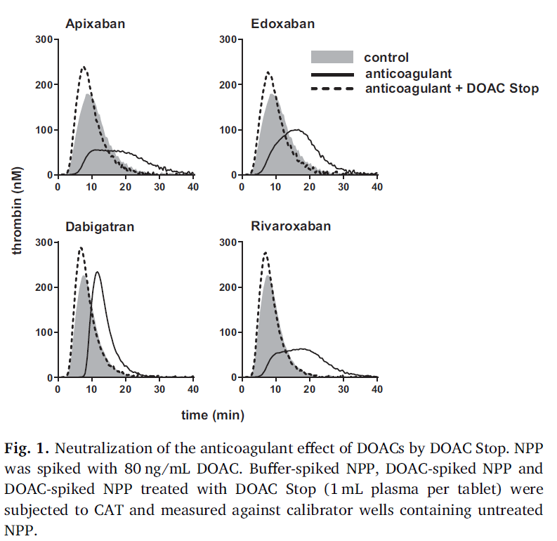 | Rivaroxaban | N/A | N/A | 80 | Yes, statistical significance not reported | Yes, statistical significance not reported | Yes, statistical significance not reported | Yes, statistical significance not reported | Yes, statistical significance not reported |  |  |  |  |  |  | Dabigatran | N/A | N/A | 80 | Yes, statistical significance not reported | Yes, statistical significance not reported | Yes, statistical significance not reported | Yes, statistical significance not reported | Yes, statistical significance not reported |  |  |  |  |  |  | Edoxaban | N/A | N/A | 80 | Yes, statistical significance not reported | Yes, statistical significance not reported | Yes, statistical significance not reported | Yes, statistical significance not reported | Yes, statistical significance not reported |  |  |  |  |  |  |  |  |  |  |  |  |  |  |  |  |  |  |  |  |  |  |  |  |  |  |  |  |  |  |  |  |  |  |  |  | Authors evaluated the role of DOAC Stop at neutralizing DOAC effect on TGA testing. They only evaluated a single concentration (80 ng/mL) and described general trends on TGA parameters but did not provide statistical significance. They were able to demonstrate DOAC Stop could be used to neutralize dabigatran's effect on the calibrator. "Spiking normal plasma with 80 ng/mL of the factor Xa inhibitors apixaban, edoxaban or rivaroxaban resulted in a clear lag time and time to peak elongation, peak broadening and reduction in peak thrombin, ETP and velocity index. On the other hand, normal plasma spiked with 80 ng/mL dabigatran had an increased lag time and time to peak, but almost normal peak thrombin, ETP and velocity index." |  | No |  |  |  |  |  |  |  |  |  |  |  |  |  |  |  |  |  |  |  |  |  |  |  |  |  |  |  |  |  |  |  |  |  |  |  |  |  |  |  |  |  |  |  |  |  |  |  |  |  |  |  |  |  |  |  |  |  |  |  |  |  |  |  |  |  |  |  |  |  |  | No
#1259 | PMID: 3124 9442 Kim PY, Yeh CH, Dale BJ et al. Mechanistic Basis for the Differential Effects of Rivaroxaban and Apixaban on Global Tests of Coagulation. TH Open 2018; 2: e190-e201. DOI: 10.1055/s-0038-1649507 |  | Kim | TH Open | 2018 | Canada | In Vitro Spiked Plasma | CIHR Australasian Society of Thrombosis and Haemostasis Hamilton Health Sciences Heart and Stroke Foundation | Healthy Volunteers |  | Technothrombin | 3 pM TF (HemosIL HS PLUS) | PPP | No | No |  |  | Yes | Yes | No | Yes | Yes | No |  | In Vitro | Apixaban | N/A | N/A | NOT REPORTED (REPORTED IN NANOMOLAR) | Yes, statistical significance not reported | Not reported | Yes, statistical significance not reported | Yes, statistical significance not reported | Not reported |  |  |  |  |  | 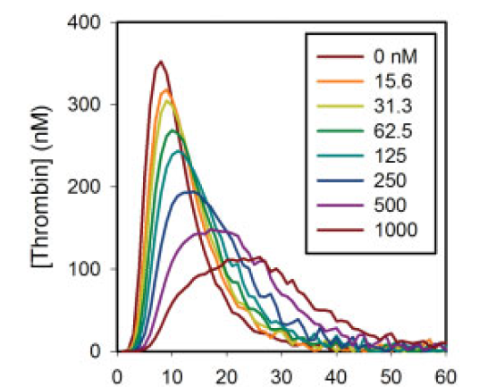 | Rivaroxaban | N/A | N/A | NOT REPORTED (REPORTED IN NANOMOLAR) | Yes, statistical significance not reported | Not reported | Yes, statistical significance not reported | Yes, statistical significance not reported | Not reported |  |  |  |  |  | 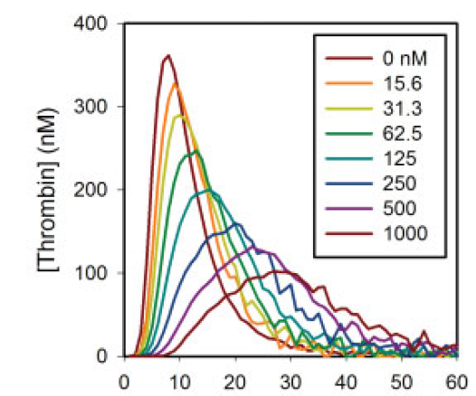 |  |  |  |  |  |  |  |  |  |  |  |  |  |  |  |  |  |  |  |  |  |  |  |  |  |  |  |  |  |  |  |  |  |  |  |  |  |  |  |  |  |  |  |  |  |  |  |  |  |  |  |  |  |  |  |  |  |  |  |  | Authors aimed to compare the impact of rivaroxaban and apixaban on coagulation and assess the reason why rivaroxaban exhibits a greater impact on PT/TGA testing. No statistical significance, just trends. They did not report DOAC concentrations in ng/mL, reported in nM. "The inhibitory effects of rivaroxaban and apixaban on thrombin generation induced by 3 pM tissue factor in plasma were compared using a calibrated thrombin generation assay. Both agents prolonged the lag time, reduced peak thrombin concentration, and decreased endogenous thrombin potential (ETP) in a concentration-dependent manner (►Fig. 2). Rivaroxaban significantly prolonged the lag time and decreased ETP compared with apixaban, consistent with previous reports.19,20 The agents had similar effects on other parameters of thrombin generation." "Likewise, in thrombin generation assays in plasma, rivaroxaban prolonged the lag time and suppressed endogenous thrombin potential to a greater extent than apixaban." "The association rates for the binding of rivaroxaban to either free factor Xa or factor Xa incorporated into the prothrombinase complex were 10- and 1,193-fold faster than those for apixaban, respectively,whereas dissociation rateswere about 3-fold faster. Collectively, these findings suggest that rivaroxaban and apixaban differ in their capacity to inhibit factor Xa and provide a plausible explanation for the observation that rivaroxaban has a greater effect on global tests of coagulation than apixaban." |  | No |  |  |  |  |  |  |  |  |  |  |  |  |  |  |  |  |  |  |  |  |  |  |  |  |  |  |  |  |  |  |  |  |  |  |  |  |  |  |  |  |  |  |  |  |  |  |  |  |  |  |  |  |  |  |  |  |  |  |  |  |  |  |  |  |  |  |  |  |  |  | No
#1581 | PMID: 2819 2448 Pujadas-Mestres L, Lopez-Vilchez I, Arellano-Rodrigo E et al. Differential inhibitory action of apixaban on platelet and fibrin components of forming thrombi: Studies with circulating blood and in a platelet-based model of thrombin generation. PLoS One 2017; 12: e0171486. DOI: 10.1371/journal.pone.0171486 |  | Pujadas-Mestres | PloS One | 2017 | Spain | In Vitro Spiked Plasma | Heart Institute Carlos III Cardiovascular Research Net European Regional Development Funds Integrated Excellence Project in Health Institutes | Healthy Volunteers |  | Technothrombin (modified, cell-based model) | 1.1 pM TF (Thromborel S) | Platelet suspension | No | No |  |  | Yes | Yes | Yes | Yes | Yes | No |  | In Vitro | Apixaban | N/A | N/A | 0-160 | Yes, statistically significant | Yes, statistically significant | Yes, statistically significant | Yes, statistically significant | Not reported |  |  |  |  |  |  |  |  |  |  |  |  |  |  |  |  |  |  |  |  |  |  |  |  |  |  |  |  |  |  |  |  |  |  |  |  |  |  |  |  |  |  |  |  |  |  |  |  |  |  |  |  |  |  |  |  |  |  |  |  |  |  |  |  |  |  |  |  |  |  |  |  |  |  |  |  |  |  |  |  |  | Authors aimed to evaluate impact of apixaban on thrombin generation using a cell-based model of thrombin generation (modified Technothrombin assay). They reported p-values for all parameters. They also reported a clear dose-response relationship. Even 10 ng/mL results in statistically significant changes to all TGA parameters. "Apixaban showed a clear dose effect relationship in the kinetics of thrombin generation, with progressive delays in both the time to start thrombin generation (lag time), which was doubled and maintained with all the apixaban concentrations tested (lag times ranging from 13 min to 13.4 min), and the time to reach the maximum peak of thrombin, which was prolonged in a dose-dependent manner (37.1 ± 1.9 min, 57.8 ± 8.8 min and 72.5 ± 6.2 min, respectively with apixaban 10, 40 and 160 ng/mL). These reductions reached statistical significance with all the apixaban concentrations investigated vs. control experiments (p<0.01). Moreover, the maximum peak of thrombin generated was reduced proportionally to the dose of apixaban (60.9 ± 1.0 nM, 55.7 ± 3.5 nM and 36.7 ± 3.1nM, respectively with apixaban 10, 40 and 160 ng/mL), reaching statistically significant inhibitions with all the concentrations of apixaban when compared to control studies performed in the absence of this anticoagulant (p<0.01). Thrombin peak and area under the curve (A.U.C.) reached with 160 ng/mL of apixaban were significantly reduced with the respective results observed for concentrations of 10 or 40 ng/mL (p<0.01). For more detailed results, including those in experiments with vehicle, refer to Table 3 and S1 Table, respectively." |  | No |  |  |  |  |  |  |  |  |  |  |  |  |  |  |  |  |  |  |  |  |  |  |  |  |  |  |  |  |  |  |  |  |  |  |  |  |  |  |  |  |  |  |  |  |  |  |  |  |  |  |  |  |  |  |  |  |  |  |  |  |  |  |  |  |  |  |  |  |  |  | No
#1940 | PMID: 2675 7012 Wan H, Yang Y, Zhu J et al. An in-vitro evaluation of direct thrombin inhibitor and factor Xa inhibitor on tissue factor-induced thrombin generation and platelet aggregation: a comparison of dabigatran and rivaroxaban. Blood Coagul Fibrinolysis 2016; 27: 882-885. DOI: 10.1097/MBC.0000000000000509 |  | Wan | Blood Coagul Fibrinolysis | 2016 | China | In Vitro Spiked Plasma | NONE REPORTED | Healthy Volunteers |  | CAT/Thrombinoscope | PPP Reagent (5 pM) | PPP | No | No |  |  | Yes | Yes | Yes | Yes | Yes | No |  | In Vitro |  |  |  |  |  |  |  |  |  |  |  |  |  |  |  | Rivaroxaban | N/A | N/A | Reported in nanomolar (0-800 nmol/L) | Yes, statistically significant | Yes, statistically significant | Yes, statistically significant | Yes, statistically significant | Not reported |  |  |  |  |  |  | Dabigatran | N/A | N/A | Reported in nanomolar (0-800 nmol/L) | Yes, statistically significant | Yes, statistically significant | Yes, statistically significant | Yes, statistically significant | Not reported |  |  |  |  |  |  |  |  |  |  |  |  |  |  |  |  |  |  |  |  |  |  |  |  |  |  |  |  |  |  |  |  |  |  |  |  |  |  |  |  |  |  |  |  |  |  |  |  |  |  |  | Authors assessed impact of rivaroxaban and dabigtran on TGA. They report using PPP-Reagent High but report final TF concentration at 5pM. They reported statistical significance and reported a dose-dependent relationship. They also compared rivaroxaban to dabigatran. At the same concentration in nmol/L, rivaroxaban led to more prolonged kinetic parameters and more suppressed quantitative parameters. Dabigatran ETP IC50 was 678.1 ± 1.4 and rivaroxaban IC50 was 460.1 ± 1.4. They did not account for dabigatran inhibition of the calibrator. "Compared with the control, dabigatran at 25–800 nmol/l concentration-dependently prolonged the Lagtime and Ttpeak of thrombin generation, but did not decrease ETP and Peak until above 100 nmol/l. In contrast, rivaroxaban not only prolonged Lagtime and Ttpeak, but also reduced ETP and Peak of thrombin generation in a concentration-dependent manner. Compared with dabigatran, rivaroxaban at the same concentration had longer Lagtime and Ttpeak, lower ETP, and significantly reduced Peak of thrombin generation. In addition, as presented in Table 2, rivaroxaban exhibited an inhibition of the TF-induced thrombin generation thrombin generation (based on ETP) about 1.5 times as strong as dabigatran did." |  | No |  |  |  |  |  |  |  |  |  |  |  |  |  |  |  |  |  |  |  |  |  |  |  |  |  |  |  |  |  |  |  |  |  |  |  |  |  |  |  |  |  |  |  |  |  |  |  |  |  |  |  |  |  |  |  |  |  |  |  |  |  |  |  |  |  |  |  |  |  |  | No
#2163 | PMID: 2697 4491 Kamisato C, Furugohri T, Morishima Y. A direct thrombin inhibitor suppresses protein C activation and factor Va degradation in human plasma: Possible mechanisms of paradoxical enhancement of thrombin generation. Thromb Res 2016; 141: 77-83. DOI: 10.1016/j.thromres.2016.03.005 |  | Kamisato | Thromb Res | 2016 | Japan | In Vitro Spiked Plasma | Daiichi Sankyo | Healthy Volunteers |  | CAT/Thrombinoscope | PPP Reagent (5 pM) - Authors report final concentration was 15 pM | PPP | Yes | No |  |  | Yes | No | Yes | Yes | No | No |  | In Vitro |  |  |  |  |  |  |  |  |  |  |  |  |  |  |  |  |  |  |  |  |  |  |  |  |  |  |  |  |  |  | Dabigatran | N/A | N/A | Reported in nanomolar (0-1200 nmol/L) | Not reported | Yes, statistical significance not reported | Yes, statistically significant (paradoxical increase) | Not reported | Not reported |  |  |  |  |  |  | Edoxaban | N/A | N/A | Reported in nanomolar (0-1200 nmol/L) | Not reported | Yes, statistical significance not reported | Yes, statistically significant | Not reported | Not reported |  |  |  |  |  |  |  |  |  |  |  |  |  |  |  |  |  |  |  |  |  | Melagatran | N/A | N/A | Reported in nanomolar (0-1200 nmol/L) | Not reported | Yes, statistical significance not reported | Yes, statistically significant (paradoxical increase) | Not reported | Not reported |  |  |  |  |  |  | Paper sought to evaluate the cause for paradoxical TGA enhancement in the presence of direct/indirect thrombin inhibitors and thrombomodulin specifically. They did not assess the impact of DTIs on the calibrator, rather focused on inhibition of aPC and resulting increase in TG. They evaluated dabigatran, melagatran, edoxaban. They only reported TTP and peak values. Only reported statistical significance for peak values in Figure 2. All DTIs resulted in a paradoxical and statistically significant increase in peak thrombin generation. Statistical significance of change in TTP not reported. |  | No |  |  |  |  |  |  |  |  |  |  |  |  |  |  |  |  |  |  |  |  |  |  |  |  |  |  |  |  |  |  |  |  |  |  |  |  |  |  |  |  |  |  |  |  |  |  |  |  |  |  |  |  |  |  |  |  |  |  |  |  |  |  |  |  |  |  |  |  |  |  | No
#2264 | PMID: 2651 0969 Douxfils J, Chatelain B, Chatelain C et al. Edoxaban: Impact on routine and specific coagulation assays. A practical laboratory guide. Thromb Haemost 2016; 115: 368-381. DOI: 10.1160/TH15-05-0415 |  | Douxfils | Thromb Haemost | 2016 | Belgium | In Vitro Spiked Plasma | NONE REPORTED | Healthy Volunteers |  | CAT/Thrombinoscope | PPP Reagent Low (1 pM), PPP Reagent (5 pM), PPP Reagent High (20 pM) | PPP | No | No |  |  | Yes | Yes | Yes | Yes | Yes | Yes |  | In Vitro |  |  |  |  |  |  |  |  |  |  |  |  |  |  |  |  |  |  |  |  |  |  |  |  |  |  |  |  |  |  |  |  |  |  |  |  |  |  |  |  |  |  |  |  |  | Edoxaban | N/A | N/A | 0-1000 | Yes, statistical significance not reported | Yes, statistical significance not reported | Yes, statistical significance not reported | Yes, statistical significance not reported | Yes, statistical significance not reported |  |  |  |  |  | 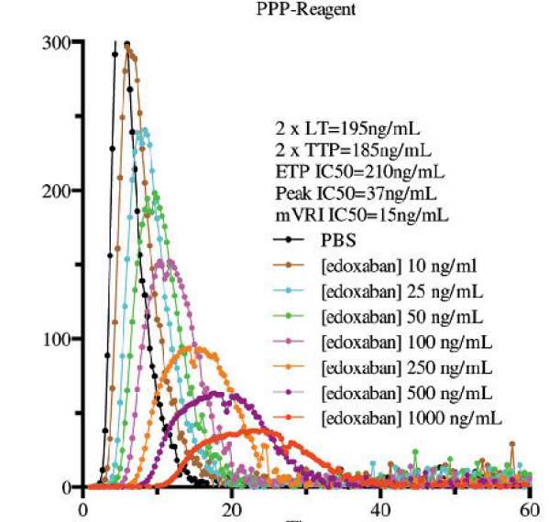 |  |  |  |  |  |  |  |  |  |  |  |  |  |  |  |  |  |  |  |  |  |  |  |  |  |  |  |  |  |  | Authors comprehensively evaluated laboratory parameters for edoxaban only. They did not report statistical signifiance, just general trends, doubling and IC50 values. They used CAT with PPP low, high and usual PPP reagent. Similar paper to abstract #1129, which was for betrixaban and #4806 for apixaban. "The most influenced parameters were the peak (Cmax IC50: 32 to 91 ng/ml) and the mVRI (mVRI IC50: 15 to 46 ng/ml), while the lag time (2xLT: 195 to 384 ng/ml), the time to peak (2xTTP: 166 to 241 ng/ml) and the ETP (ETP IC50: 79 to 210 ng/ml) were less affected, as reported in  Figure 5. The prolongation/inhibition of all parameters decreased inversely to the amount of tissue factor (TF) in the reagent. The CV of the triplicate was always below 5 %. The LOD and LOQ for the peak ranged from 10 to 14 ng/ml and from 33 to 48 ng/ml, respectively. For the mVRI, the LOD and LOQ ranged from 8 to 16 ng/ml and from 28 to 55 ng/ml, respectively." |  | No |  |  |  |  |  |  |  |  |  |  |  |  |  |  |  |  |  |  |  |  |  |  |  |  |  |  |  |  |  |  |  |  |  |  |  |  |  |  |  |  |  |  |  |  |  |  |  |  |  |  |  |  |  |  |  |  |  |  |  |  |  |  |  |  |  |  |  |  |  |  | No
#2435 | PMID: 2589 5845 Tripodi A, Padovan L, Veena C et al. How the direct oral anticoagulant apixaban affects thrombin generation parameters. Thromb Res 2015; 135: 1186-1190. DOI: 10.1016/j.thromres.2015.03.032 |  | Tripodi | Thromb Res | 2015 | Italy | In Vitro Spiked Plasma | NONE REPORTED | Healthy Volunteers |  | CAT/Thrombinoscope | 1 pM (Recombiplastin) | PPP | Yes | No |  |  | Yes | Yes | No | Yes | Yes | Yes |  | In Vitro | Apixaban | N/A | N/A | 0-1000 | Yes, statistical significance not reported | Not reported | Yes, statistical significance not reported | Yes, statistical significance not reported | Yes, statistical significance not reported |  |  |  |  |  | 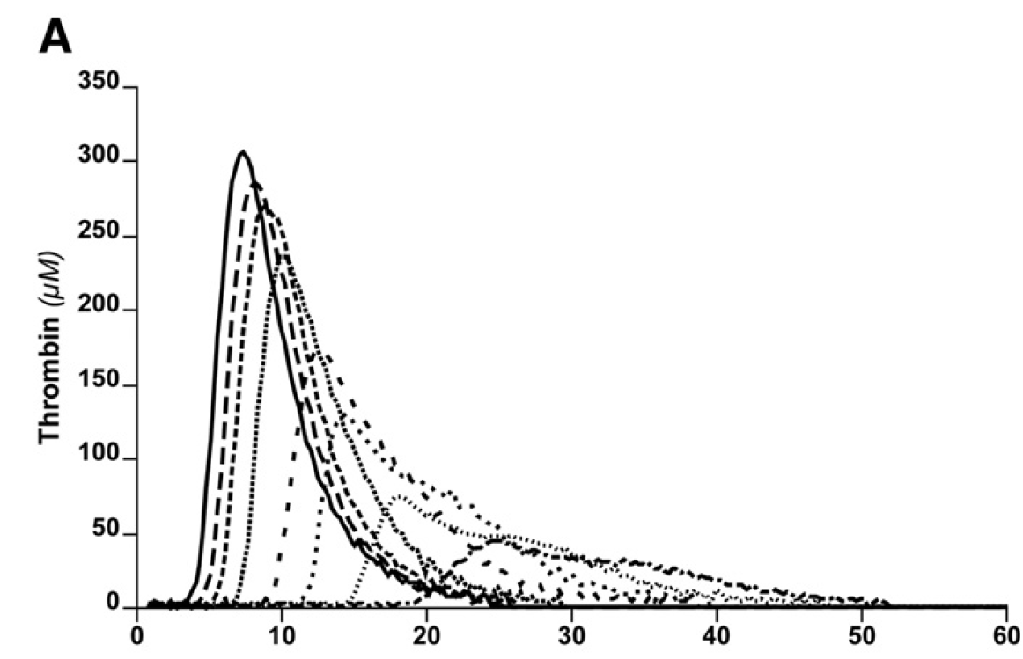 |  |  |  |  |  |  |  |  |  |  |  |  |  |  |  |  |  |  |  |  |  |  |  |  |  |  |  |  |  |  |  |  |  |  |  |  |  |  |  |  |  |  |  |  |  |  |  |  |  |  |  |  |  |  |  |  |  |  |  |  |  |  |  |  |  |  |  |  |  |  |  |  |  |  |  | Authors evaluated apixaban only. Reported general trends in TGA parameters, no statistical significance. Did not report TTP. They reported general concentration-dependent changes in lag time, ETP, peak and mVRI. They reported that peak, ETP, mVRI decreased sharply up to 200 ng/mL and then slowly afterwards. They ran the assay with and without TM. Changes to TGA from apixaban were more pronounced in the presence of thrombomodulin. |  | No |  |  |  |  |  |  |  |  |  |  |  |  |  |  |  |  |  |  |  |  |  |  |  |  |  |  |  |  |  |  |  |  |  |  |  |  |  |  |  |  |  |  |  |  |  |  |  |  |  |  |  |  |  |  |  |  |  |  |  |  |  |  |  |  |  |  |  |  |  |  | No
#2555 | PMID: 2559 6250 Morishima Y, Kamisato C. Laboratory measurements of the oral direct factor Xa inhibitor edoxaban: comparison of prothrombin time, activated partial thromboplastin time, and thrombin generation assay. Am J Clin Pathol 2015; 143: 241-247. DOI: 10.1309/AJCPQ2NJD3PXFTUG |  | Morishima | Am J Clin Pathol | 2015 | Japan | In Vitro Spiked Plasma | Daiichi Sankyo | Healthy Volunteers |  | CAT/Thrombinoscope | PPP Reagent (5 pM) | PPP + PRP | No | No |  |  | Yes | Yes | Yes | Yes | Yes | Yes |  | In Vitro |  |  |  |  |  |  |  |  |  |  |  |  |  |  |  |  |  |  |  |  |  |  |  |  |  |  |  |  |  |  |  |  |  |  |  |  |  |  |  |  |  |  |  |  |  | Edoxaban | N/A | N/A | 0-1650 | Yes, statistically significant | Yes, statistically significant | Yes, statistically significant | Yes, statistically significant | Yes, statistically significant |  |  |  |  |  |  |  |  |  |  |  |  |  |  |  |  |  |  |  |  |  |  |  |  |  |  |  |  |  |  |  |  |  |  |  |  | Authors only tested edoxaban. Authors reported edoxaban inhibited thrombin generation in a concentration-dependent manner, and they mentioned it both prolonged the initiation phase of thrombin generation and "suppressed the propagation phase of thrombin generation. The reported the most sensitive paramter was "mRate", with the lowest IC50 value reported as 0.047 umol/L. Reported TGA had greater senstivity to edoxaban than the PT/aPTT. "In PPP, the most sensitive parameter to detect the effect of edoxaban was mRate, with an IC50 of 0.047 μmol/L (Table 4). Threefold higher concentrations of edoxaban (0.139-0.188 μmol/L) were required to either double lag time or ttPeak or inhibit peak 50%. In this regard, the IC50 values for ETP were 30 times greater than that for mRate. In comparison with PT and aPTT, TGA was more sensitive to edoxaban.. The minimum concentration of edoxaban needed to induce statistically significant inhibition or prolongation of thrombin generation parameters was 16.4 ng/mL (Figure 4), which was three times lower than that for PT or aPTT." |  | No |  |  |  |  |  |  |  |  |  |  |  |  |  |  |  |  |  |  |  |  |  |  |  |  |  |  |  |  |  |  |  |  |  |  |  |  |  |  |  |  |  |  |  |  |  |  |  |  |  |  |  |  |  |  |  |  |  |  |  |  |  |  |  |  |  |  |  |  |  |  | No
#2631 | PMID: 2576 1505 Jourdi G, Siguret V, Martin AC et al. Association rate constants rationalise the pharmacodynamics of apixaban and rivaroxaban. Thromb Haemost 2015; 114: 78-86. DOI: 10.1160/TH14-10-0877 |  | Jourdi | Thromb Haemost | 2015 | France | In Vitro Spiked Plasma/In Silico Modelling | Conny-Maeve charitable foundation | Healthy Volunteers |  | CAT/Thrombinoscope | PPP Reagent High (20 pM) | PPP | No | No |  |  | Yes | Yes | Yes | Yes | Yes | No |  | In Vitro | Apixaban | N/A | N/A | 50-100 | Yes, statistically significant | Yes, statistically significant | Yes, statistically significant | Yes, statistically significant | Not reported |  |  |  |  |  |  | Rivaroxaban | N/A | N/A | 50-100 | Yes, statistically significant | Yes, statistically significant | Yes, statistically significant | Yes, statistically significant | Not reported |  |  |  |  |  |  |  |  |  |  |  |  |  |  |  |  |  |  |  |  |  |  |  |  |  |  |  |  |  |  |  |  |  |  |  |  |  |  |  |  |  |  |  |  |  |  |  |  |  |  |  |  |  |  |  |  |  |  |  |  |  |  |  |  |  |  | Authors aimed to compare in silico models to in vitro TGA results. They compared apixaban and rivaroxaban with the goal of explaining differences in impact on conventional coagulation tests such as the PT. Reported statistically significant impact of both apixaban and rivaroxaban at 50 and 100 ng/mL on TGA parameters. They also compared rivaroxaban ti apixaban, with rivaroxaban showing statistically significant greater impact on lag time, TTP and peak height. They ultimately attributed lower sensitivity of PT towards apixaban to its high Kon value "Besides, still at both concentrations, rivaroxaban was significantly more potent than apixaban: the lag time increased (p  0.008) as well as TTP (< 0.0001), whereas peak height decreased (< 0.0001). Thus in spite of a much higher sensitivity than PT, TGA too was more affected by rivaroxaban than apixaban." Authors also reported TGA parameter ratios compared to no DOAC for apixaban/rivaroxaban at 50 and 100 ng/mL concentrations. |  | No |  |  |  |  |  |  |  |  |  |  |  |  |  |  |  |  |  |  |  |  |  |  |  |  |  |  |  |  |  |  |  |  |  |  |  |  |  |  |  |  |  |  |  |  |  |  |  |  |  |  |  |  |  |  |  |  |  |  |  |  |  |  |  |  |  |  |  |  |  |  | No
#2689 | PMID: 2618 8924 Furugohri T, Morishima Y. Paradoxical enhancement of the intrinsic pathway-induced thrombin generation in human plasma by melagatran, a direct thrombin inhibitor, but not edoxaban, a direct factor Xa inhibitor, or heparin. Thromb Res 2015; 136: 658-662. DOI: 10.1016/j.thromres.2015.06.034 |  | Furugohri | Thromb Res | 2015 | Japan | In Vitro Spiked Plasma | Daiichi Sankyo | Healthy Volunteers |  | CAT/Thrombinoscope | NONE - Kaolin activation | PPP | Yes | No |  |  | Yes | Yes | No | Yes | Yes | No |  | In Vitro |  |  |  |  |  |  |  |  |  |  |  |  |  |  |  |  |  |  |  |  |  |  |  |  |  |  |  |  |  |  |  |  |  |  |  |  |  |  |  |  |  |  |  |  |  | Edoxaban | N/A | N/A | Reported in nanomolar (9.38-900 nmol/L) | Yes, statistically significant | Not reported | Yes, statistically significant | Yes, statistically significant | Not reported |  |  |  |  |  | 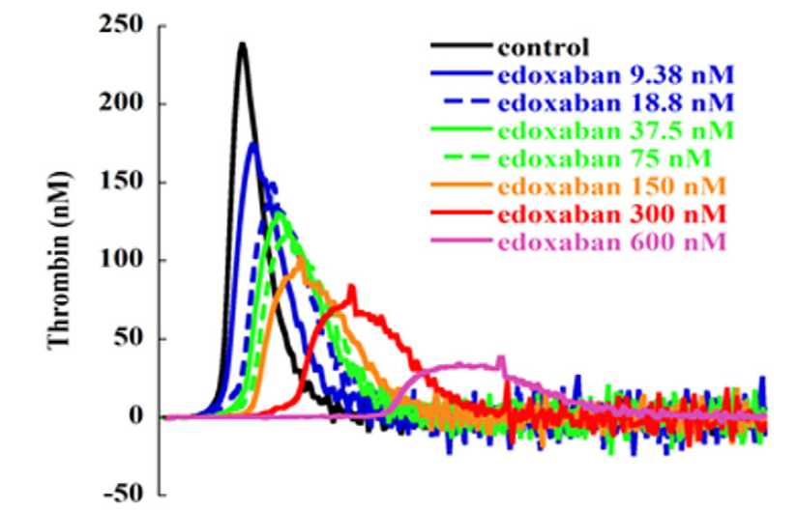 |  |  |  |  |  |  |  |  |  |  |  |  |  |  |  | Melagatran | N/A | N/A | Reported in nanomolar (9.38-1500 nmol/L) | Yes, statistically significant | Not reported | Yes, statistically significant (paradoxical increase) | Yes, statistically significant (paradoxical increase) | Not reported |  |  |  |  |  | 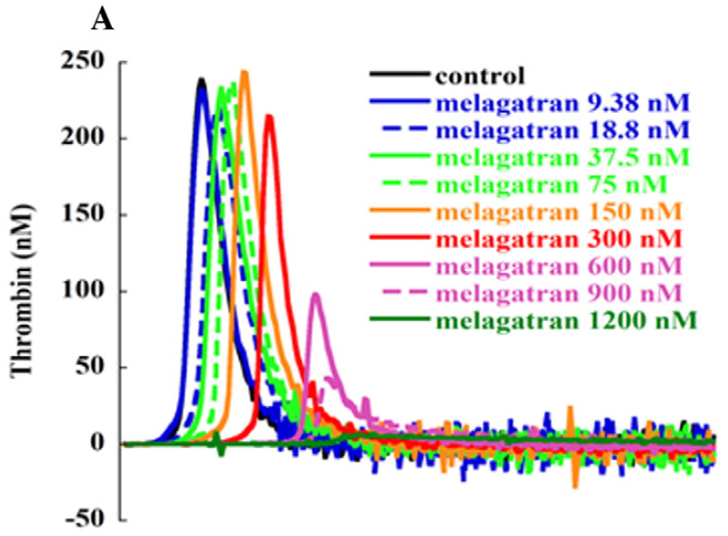 | Authors aimed to evaluate the cause for paradoxically enhanced thrombin generation in the presence of direct thrombin inhibitors. They studied the contact pathway due to theoretical important contribution to thrombogenesis. They aimed to demonstrated that melagatran (DTI) enhances TG but only in the presence of TM. They showed that use of either normal human plasma without TM or PC-deficient plasma in the presence of TM prevented this paradoxical increase. They also made the argument that AT-dependent inhibitors (e.g. UFH) would not enhance TG since they do not directly impair thrombin and thrombomodulin. |  | No |  |  |  |  |  |  |  |  |  |  |  |  |  |  |  |  |  |  |  |  |  |  |  |  |  |  |  |  |  |  |  |  |  |  |  |  |  |  |  |  |  |  |  |  |  |  |  |  |  |  |  |  |  |  |  |  |  |  |  |  |  |  |  |  |  |  |  |  |  |  | No
#2913 | PMID: 2476 6850 Perzborn E, Heitmeier S, Buetehorn U et al. Direct thrombin inhibitors, but not the direct factor Xa inhibitor rivaroxaban, increase tissue factor-induced hypercoagulability in vitro and in vivo. J Thromb Haemost 2014; 12: 1054-1065. |  | Perzborn | J Thromb Haemost | 2014 | Germany | In Vitro Spiked Plasma | Bayer HealthCare | Healthy Volunteers |  | CAT/Thrombinoscope | PPP Reagent (5 pM) | PPP | Yes | No |  |  | Yes | No | Yes | Yes | No | No |  | In Vitro |  |  |  |  |  |  |  |  |  |  |  |  |  |  |  | Rivaroxaban | N/A | N/A | Reported in nanomolar (0-1090 nmol/L) | Not reported | Not reported | Yes, statistically significant | Yes, statistically significant | Not reported |  |  |  |  |  | 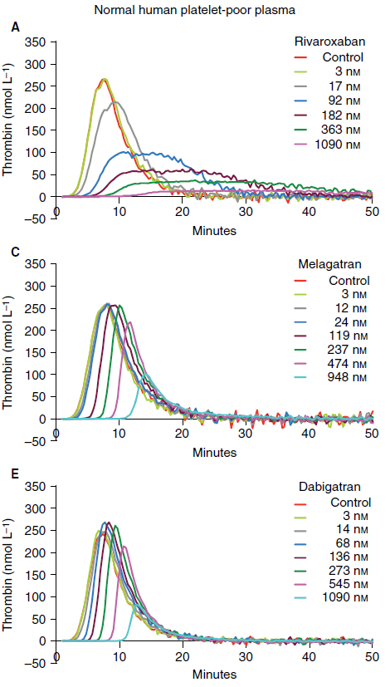 | Dabigatran | N/A | N/A | Reported in nanomolar (0-1090 nmol/L) | Not reported | Not reported | Yes, statistically significant (paradoxical increase) | Yes, statistically significant (paradoxical increase) | Not reported |  |  |  |  |  |  |  |  |  |  |  |  |  |  |  |  |  |  |  |  |  |  |  |  |  |  |  |  |  |  |  |  |  |  |  |  | Melagatran | N/A | N/A | Reported in nanomolar (0-1090 nmol/L) | Not reported | Not reported | Yes, statistically significant (paradoxical increase) | Yes, statistically significant (paradoxical increase) | Not reported |  |  |  |  |  |  | Authors aimed to compare direct Xa inhibitors to DTIs in terms of their impact on TGAs and the paradoxical increase in TG in the case of DTIs. Only reported peak and ETP. They measured TGA in presence and absence of thrombomodulin and also performed testing in protein C deficient plasma. DOAC concentrations reported in nmol/L. Reported rivaroxaban significantly inhibited TG in a concentration dependent manner. Reported a paradoxical increase in values with DTIs but either only at low concentrations or only in the presence of TM and effect was abolished in protein C deficient plasma. Authors were able to confirm findings with F1+2 fragment measurements. |  | No |  |  |  |  |  |  |  |  |  |  |  |  |  |  |  |  |  |  |  |  |  |  |  |  |  |  |  |  |  |  |  |  |  |  |  |  |  |  |  |  |  |  |  |  |  |  |  |  |  |  |  |  |  |  |  |  |  |  |  |  |  |  |  |  |  |  |  |  |  |  | No
#3013 | PMID: 2449 7951 Hosokawa K, Ohnishi T, Sameshima H et al. Comparative evaluation of direct thrombin and factor Xa inhibitors with antiplatelet agents under flow and static conditions: an in vitro flow chamber model. PLoS One 2014; 9: e86491. DOI: 10.1371/journal.pone.0086491 |  | Hosokawa | PloS One | 2014 | USA | In Vitro Spiked Plasma | NONE REPORTED | Healthy Volunteers |  | CAT/Thrombinoscope | PPP Reagent (5 pM) | PPP + PRP | No | Yes |  |  | Yes | Yes | Yes | Yes | Yes | No |  | In Vitro |  |  |  |  |  |  |  |  |  |  |  |  |  |  |  | Rivaroxaban | N/A | N/A | Reported in nanomolar (0-1000 nmol/L) | Yes, statistically significant | Yes, statistically significant | Yes, statistically significant | Yes, statistically significant | Not reported |  |  |  |  |  | 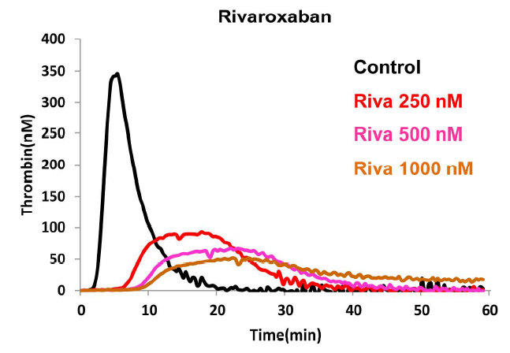 | Dabigatran | N/A | N/A | Reported in nanomolar (0-1000 nmol/L) | Yes, statistically significant | Yes, statistically significant | Yes, statistically significant | Yes, statistically significant | Not reported |  |  |  |  |  | 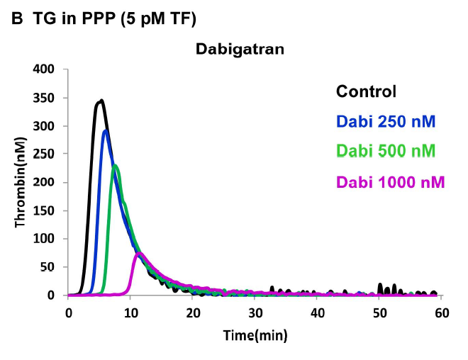 |  |  |  |  |  |  |  |  |  |  |  |  |  |  |  |  |  |  |  |  |  |  |  |  |  |  |  |  |  |  |  |  |  |  |  |  |  |  |  |  |  |  |  |  |  | Study goal was to assess the impact of DOACs on thrombin generation and under flow conditions. They did measure TGA using PPP w/ 5 pM TF. They reported statistical signifiance. Concentrations reported in nM. Also evaluated the impact of antiplatelet agents. Both DOACs impact all TGA parameters and were statistically significant. They did compare both rivaroxaban and dabigatran: "Taken together,these results demonstrate that rivaroxaban exerts extensive PH reduction at lower concentrations. This inhibition follows the saturable Michaelis-Menten kinetics, while dabigatran demonstrates more linear reduction in PH at both thromboplastin levels (Fig. 3A, 3B). LT and TTP were prolonged in a concentrationdependent manner, and this effect did not depend on thromboplastin level for rivaroxaban." Did not seem to observe paradoxical increase and did not comment on it. |  | No |  |  |  |  |  |  |  |  |  |  |  |  |  |  |  |  |  |  |  |  |  |  |  |  |  |  |  |  |  |  |  |  |  |  |  |  |  |  |  |  |  |  |  |  |  |  |  |  |  |  |  |  |  |  |  |  |  |  |  |  |  |  |  |  |  |  |  |  |  |  | No
#3142 | PMID: 2441 8940 Attard C, Monagle P, Kubitza D et al. The in-vitro anticoagulant effect of rivaroxaban in neonates. Blood Coagul Fibrinolysis 2014; 25: 237-240. DOI: 10.1097/MBC.0000000000000033 |  | Attard | Blood Coagul Fibrinolysis | 2014 | Australia | In Vitro Spiked Plasma | NONE REPORTED | Healthy Volunteers |  | Non-calibrated method | Thromborel S | PPP | No | No |  |  | Yes | Yes | No | No | No | No |  | In Vitro |  |  |  |  |  |  |  |  |  |  |  |  |  |  |  | Rivaroxaban | N/A | N/A | 0-500 | Yes, statistical significance not reported | Not reported | Not reported | Not reported | Not reported |  |  |  |  |  |  |  |  |  |  |  |  |  |  |  |  |  |  |  |  |  |  |  |  |  |  |  |  |  |  |  |  |  |  |  |  |  |  |  |  |  |  |  |  |  |  |  |  |  |  |  |  |  |  |  |  |  |  |  |  |  |  |  |  |  |  | Main goal of the study was to compare the impact of rivaroxaban on coagulation assays across adults vs neonates. Although they measured all TGA parameters they only reported the lag time, and only reported statistical signifiance when comparing adults vs neonates. They did demonstrate there was prolongation of the LT with increasing rivaroxaban concentrations but did not report statistical significance. "Measured parameters of thrombin generation included ETP, lag time, time to peak and peak-free thrombin. Lag time was the only parameter affected by rivaroxaban in an age-dependent manner. Neonates demonstrated a significantly prolonged lag time with increasing concentration of rivaroxaban when compared with adults (Fig. 2) [22]." |  | No |  |  |  |  |  |  |  |  |  |  |  |  |  |  |  |  |  |  |  |  |  |  |  |  |  |  |  |  |  |  |  |  |  |  |  |  |  |  |  |  |  |  |  |  |  |  |  |  |  |  |  |  |  |  |  |  |  |  |  |  |  |  |  |  |  |  |  |  |  |  | No
#3164 | PMID: 2334 8428 Xu Y, Wu W, Wang L et al. Differential profiles of thrombin inhibitors (heparin, hirudin, bivalirudin, and dabigatran) in the thrombin generation assay and thromboelastography in vitro. Blood Coagul Fibrinolysis 2013; 24: 332-338. DOI: 10.1097/MBC.0b013e32835e4219 |  | Xu | Blood Coagul Fibrinolysis | 2013 | USA | In Vitro Spiked Plasma | Merck | Healthy Volunteers |  | CAT/Thrombinoscope | NOT REPORTED | PPP | No | No |  |  | Yes | Yes | Yes | Yes | Yes | Yes |  | In Vitro |  |  |  |  |  |  |  |  |  |  |  |  |  |  |  |  |  |  |  |  |  |  |  |  |  |  |  |  |  |  | Dabigatran | N/A | N/A | Reported in umol/L (0.096-6.1) | Yes, statistical significance not reported | Yes, statistical significance not reported | Yes, statistical significance not reported (paradoxical increase) | Yes, statistical significance not reported (paradoxical increase) | Yes, statistical significance not reported |  |  |  |  |  | 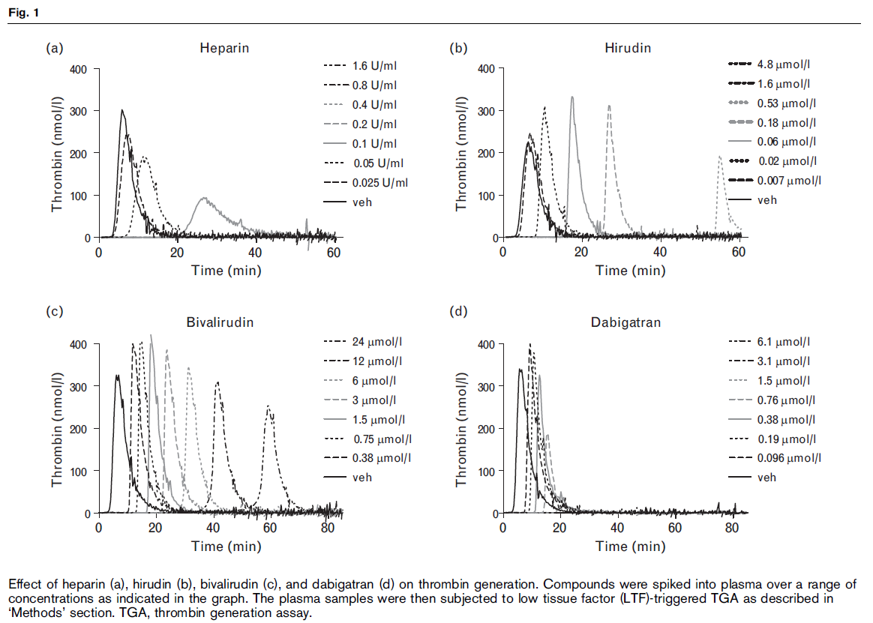 |  |  |  |  |  |  |  |  |  |  |  |  |  |  |  |  |  |  |  |  |  |  |  |  |  |  |  |  |  |  |  |  |  |  |  |  |  |  |  |  |  |  |  |  |  | Authors aimed to compare TGA profiles for 4 thrombin inhibitors (heparin, hirudin, bivalirudin, dabigatran). They did not report statistical significance but reported results narratively and presented TGA curves. They did demonstrate paradoxical increase in TG peak with DTI (hirudin, bivalirudin, dabigatran) but not heparin. Bivalirudin did not suppress quantitative parameters even at very high concentrations, whereas hirudin and dabigatran suppressed both kinetic and quantitative at higher concentrations. "For the three DTI, there was an apparent increase of thrombin at low compound concentrations with concomitant prolongation of lag time. Both hirudin and bivalirudin delayed the thrombin generation by up to 60 min without significantly changing other parameters of TGA. At high concentrations (>1mmol/l), both hirudin and dabigatran showed complete inhibition of TGA. However, bivalirudin, even at 24mmol/l, still allowed thrombin formation after a long delay (about 15-fold increase in lag time). Heparin displayed a steep ETP response (Fig. 2d) compared with the other three inhibitors." |  | No |  |  |  |  |  |  |  |  |  |  |  |  |  |  |  |  |  |  |  |  |  |  |  |  |  |  |  |  |  |  |  |  |  |  |  |  |  |  |  |  |  |  |  |  |  |  |  |  |  |  |  |  |  |  |  |  |  |  |  |  |  |  |  |  |  |  |  |  |  |  | No
#3462 | PMID: 2310 0275 Bloemen S, Hemker HC, Al Dieri R. Large inter-individual variation of the pharmacodynamic effect of anticoagulant drugs on thrombin generation. Haematologica 2013; 98: 549-554. DOI: 10.3324/haematol.2012.073601 |  | Bloemen | Haematologica | 2013 | Netherlands | In Vitro Spiked Plasma | Synapse BV | Healthy Volunteers |  | CAT/Thrombinoscope | Innovin (5 pM) | PPP | No | No |  |  | Yes | Yes | No | Yes | Yes | No |  | In Vitro |  |  |  |  |  |  |  |  |  |  |  |  |  |  |  |  |  |  |  |  |  |  |  |  |  |  |  |  |  |  |  |  |  |  |  |  |  |  |  |  |  |  |  |  |  |  |  |  |  |  |  |  |  |  |  |  |  |  |  |  |  |  |  |  |  |  |  |  |  |  |  |  |  |  |  | Melagatran | N/A | N/A | Reported in nanomolar (400 nmol/L) | Yes, statistical significance not reported | Not reported | Yes, statistical significance not reported | Yes, statistical significance not reported | Not reported |  |  |  |  |  | 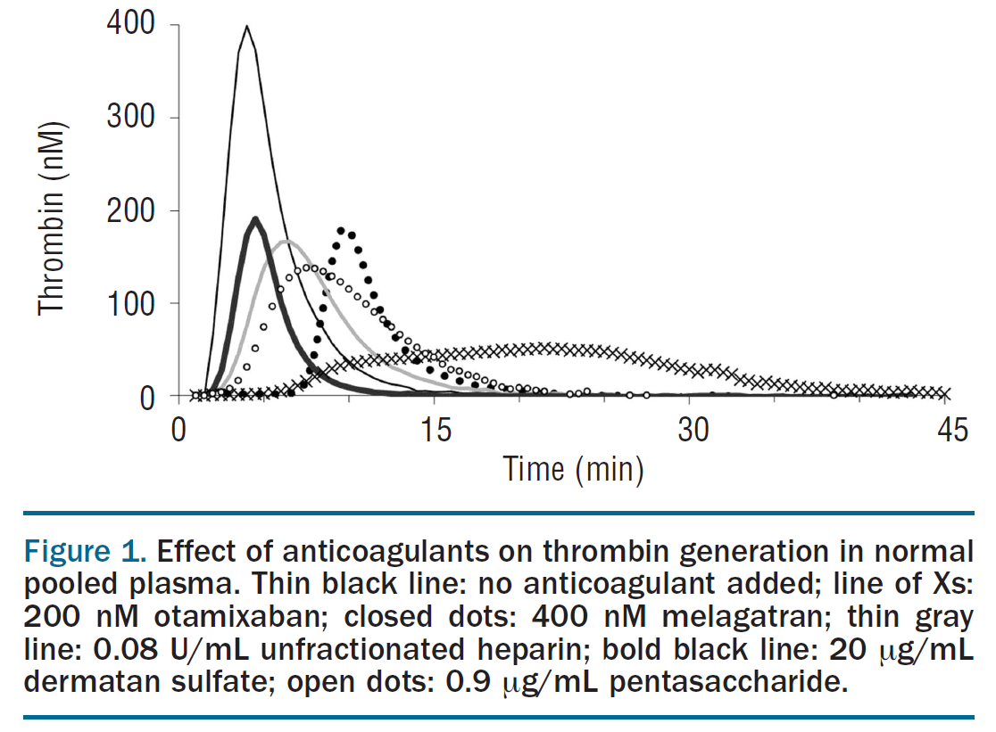 | Authors aimed to compare impact of various direct thrombin, direct Xa and indirect thrombin inhibitors. They reported generated values following addition of a single concentration of each inhibitor. Did not report statistical significance for differences. Compared generally: "Important qualitative differences in the type of inhibitionwere observed (Figure 1). The direct inhibitors (otamixaban,melagatran) had a stronger effect on the lag time than the heparin(-like) inhibitors. Inhibition of factor Xa (otamixaban, pentasaccharide) primarily affected the peak and tended to protract thrombin generation so that the ETP was much less affected than the peak. In order to find concentrations that caused around 50% inhibition, we constructed dose-response curves in NPP (Figure 2). Inhibition of factorXa systematically inhibited the peak more than the ETP, inhibition of thrombin affected both to a similar extent, UFH produced an intermediate position." |  | No |  |  |  |  |  |  |  |  |  |  |  |  |  |  |  |  |  |  |  |  |  |  |  |  |  |  |  |  |  |  |  |  |  |  |  |  |  |  |  |  |  |  |  |  |  |  |  |  |  |  |  |  |  |  |  |  |  |  |  |  |  |  |  |  |  |  |  |  |  |  | No
#3549 | PMID: 2185 1967 Samama MM, Mendell J, Guinet C et al. In vitro study of the anticoagulant effects of edoxaban and its effect on thrombin generation in comparison to fondaparinux. Thromb Res 2012; 129: e77-82. DOI: 10.1016/j.thromres.2011.07.026 |  | Samama | Thromb Res | 2012 | Japan | In Vitro Spiked Plasma | Daiichi Sankyo | Healthy Volunteers |  | CAT/Thrombinoscope | PPP Reagent (5 pM) | PPP | No | No |  |  | Yes | Yes | Yes | Yes | Yes | Yes |  | In Vitro |  |  |  |  |  |  |  |  |  |  |  |  |  |  |  |  |  |  |  |  |  |  |  |  |  |  |  |  |  |  |  |  |  |  |  |  |  |  |  |  |  |  |  |  |  | Edoxaban | N/A | N/A | Reported in micromolar (0.02-3.65 uM) | Yes, statistical significance not reported | Yes, statistical significance not reported | Yes, statistical significance not reported | Yes, statistical significance not reported | Yes, statistical significance not reported |  |  |  |  |  | 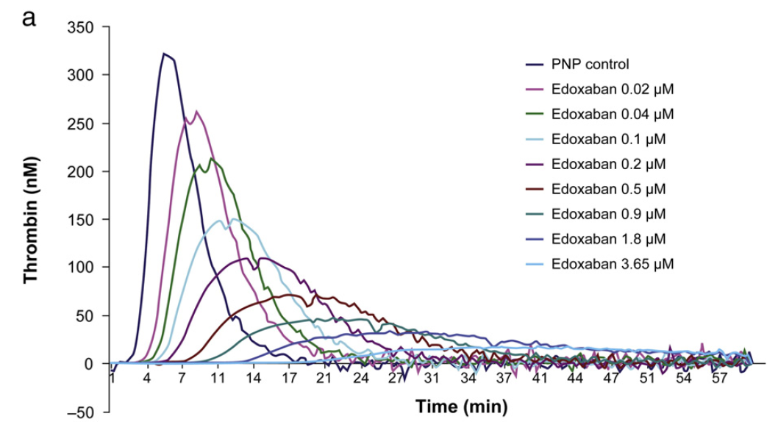 |  |  |  |  |  |  |  |  |  |  |  |  |  |  |  |  |  |  |  |  |  |  |  |  |  |  |  |  |  |  | Authors aimed to assess the impact of edoxaban on TGA and compare to an indirect Xa inhibitor (fondaparinux). They compared across various concentrations in uM and noted a general concentration-dependent inhibition of TG. They noted on a molar basis that edoxaban was more active than fondaparinux. They reported that peak and mVRI appeared to be the most sensitive parameters to edoxaban. "Both edoxaban and fondaparinux exhibited concentration-dependent inhibition of TG as assessed by the CAT method. On a molar basis, edoxabanwasmore active than fondaparinux on all TG parameters with the exception of ETP. Peak thrombin and mVRI appeared to be the parametersmost sensitive to edoxaban. Additionally, similar concentrations of edoxaban were required to either double LT and TTP or halve the EC50 of peak thrombin and mVRI values. In this regard, the edoxaban EC50 values for ETP were nearly 5 times greater compared with the other TG parameters. Edoxaban was about 3-fold more active than fondaparinux across TG parameters (based on molar concentration comparisons), with the exception of ETP. Statistical analysis indicated that the peak thrombin value differed according to the concentrations of edoxaban and fondaparinux (Kruskal-Wallis test: p=0.0004 and pb0.0001, respectively). Accordingly, the values of distributions of peak thrombin over time were significantly different between edoxaban and fondaparinux at the tested molar concentration (0.9 μM) (Wilcoxon test: pb0.0001)." |  | No |  |  |  |  |  |  |  |  |  |  |  |  |  |  |  |  |  |  |  |  |  |  |  |  |  |  |  |  |  |  |  |  |  |  |  |  |  |  |  |  |  |  |  |  |  |  |  |  |  |  |  |  |  |  |  |  |  |  |  |  |  |  |  |  |  |  |  |  |  |  | No
#3572 | PMID: 2308 9710 Molenaar PJ, Dinkelaar J, Leyte A. Measuring Rivaroxaban in a clinical laboratory setting, using common coagulation assays, Xa inhibition and thrombin generation. Clin Chem Lab Med 2012; 50: 1799-1807. DOI: 10.1515/cclm-2012-0055 |  | Molenaar | Clinc Chem Lab Med | 2012 | Netherlands | In Vitro Spiked Plasma | Bayer HealthCare | Healthy Volunteers |  | Innovance ETP (Siemens) | ETP-B (300 pM using Dade Innovin) and ETP-C (0.36 pM) | PPP | No | No |  |  | Yes | Yes - tlag (s) | Yes - t-max (s) | Yes - Cmax (mA/min) | Yes - AUC, mA | No |  | In Vitro |  |  |  |  |  |  |  |  |  |  |  |  |  |  |  | Rivaroxaban | N/A | N/A | 0-1000 | Yes, statistical significance not reported | Yes, statistical significance not reported | Yes, statistical significance not reported | Yes, statistical significance not reported | Not reported | R2 = 0.998 | R2 = 0.947 | R2 = 0.919 | R2 = 0.934 | Not reported | 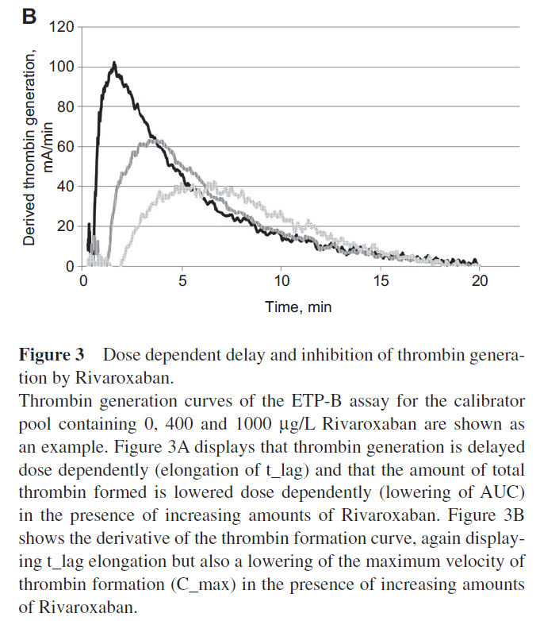 |  |  |  |  |  |  |  |  |  |  |  |  |  |  |  |  |  |  |  |  |  |  |  |  |  |  |  |  |  |  |  |  |  |  |  |  |  |  |  |  |  |  |  |  |  |  |  |  |  |  |  |  |  |  |  |  |  |  |  |  | Authors focused on rivaroxaban. Used Siemens Innovance ETP assay. Unclear why TF concentrations used were so high (300 pM). They provided doubling and IC50 values but not statistical significance. Did provided correlation R2 values for calibrator pools. Tlag showed best linear correlation. They also reported that the lag time showed the best responses to increasing rivaroxaban concentrations. "In the ETP-B assay, comparing the four read-out parameters, the best linear correlation to Rivaroxaban levels was found for t_lag (R 2 = 0.996) (Figure 1 and Table 1). The coeffi cients of determination for the individual plasmas, calibrated against the calibrator pool, ranged from R 2 = 0.967 to 0.995 with a mean R 2 of 0.987 (Table 2). Mean recovery showed a bias of 7.4 % with an imprecision of 31.2 % . Responsiveness of ETP-B t_lag was higher than that of PT and APTT as can be inferred from the CT 2 value of 316 μ g/L (Table 1). The responsiveness of ETP-B t_lag was much higher than that of the AUC, meaning that levels of generated thrombin were only mildly affected by the presence of Rivaroxaban while the start of thrombin generation was delayed to a large extent. This can also be inferred from the responsiveness of C_max which lies in between that of t_lag and AUC, indicating a delay rather than complete inhibition of thrombin formation (Table 1 and Figure 3)." |  | No |  |  |  |  |  |  |  |  |  |  |  |  |  |  |  |  |  |  |  |  |  |  |  |  |  |  |  |  |  |  |  |  |  |  |  |  |  |  |  |  |  |  |  |  |  |  |  |  |  |  |  |  |  |  |  |  |  |  |  |  |  |  |  |  |  |  |  |  |  |  | No
#3677 | PMID: 2243 8031 Douxfils J, Mullier F, Robert S et al. Impact of dabigatran on a large panel of routine or specific coagulation assays. Laboratory recommendations for monitoring of dabigatran etexilate. Thromb Haemost 2012; 107: 985-997. DOI: 10.1160/TH11-11-0804 |  | Douxfils | Thromb Haemost | 2012 | Belgium | In Vitro Spiked Plasma | NONE REPORTED | Healthy Volunteers |  | CAT/Thrombinoscope | PPP Reagent (5 pM) | PPP | No | No |  |  | Yes | Yes | Yes | Yes | Yes | No |  | In Vitro |  |  |  |  |  |  |  |  |  |  |  |  |  |  |  |  |  |  |  |  |  |  |  |  |  |  |  |  |  |  | Dabigatran | N/A | N/A | 0-707 | Yes, statistical significance not reported | Yes, statistical significance not reported | Yes, statistical significance not reported (paradoxical increase) | Yes, statistical significance not reported (paradoxical increase) | Not reported |  |  |  |  |  | 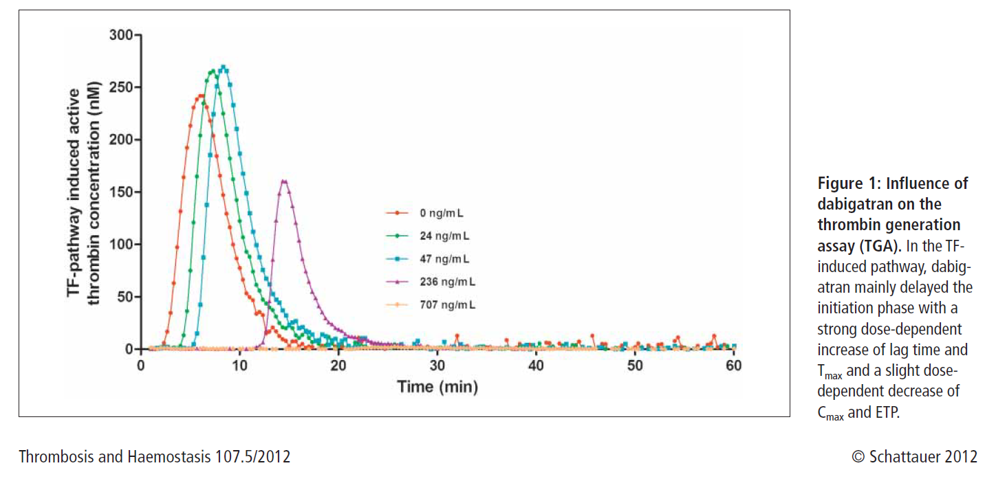 |  |  |  |  |  |  |  |  |  |  |  |  |  |  |  |  |  |  |  |  |  |  |  |  |  |  |  |  |  |  |  |  |  |  |  |  |  |  |  |  |  |  |  |  |  | Authors focused on dabigatran only and evaluated its impact on conventional coagulation tests and TGA (similar to other Douxfils articles). Limited data presented on TGA. Only text in Results section : "Dabigatran showed a concentration-dependent prolongation of the lag time of the TF induced pathway (Fig. 1)." They did report that lag time seemed to be the most sensitive parameter: "The drug strongly increased the lag time and Tmax whereas it slightly decreased the Cmax and ETP. The lag time was the most informative parameter of the calibrated automated thrombogram (CAT) thanks to a high sensitivity and a low variability (CV ≤6%). These results are in agreement with those published by Wienen et al. (2 x lag time ≈100 nM, ≈47 ng/ml) (21) and by Samama et al. (37). For lower concentrations of dabigatran (from 25 and 50 ng/ml in the TF pathway and most concentration for the two other induced pathways), we noticed an increase in the ETP and Cmax. These observations were already reported by Wagenvoord et al. (38) who claimed that it represents in fine a pure artefact. This artefact was explained by the fact that CAT may overestimate the action of thrombin by confounding a peak produced by the α2-macroglobulin-thrombin complex in presence of DTIs. This peak normally does not appear in the presence of other anticoagulants and the initial algorithm of CAT is not able to interpret correctly this issue." "Figure 1: Influence of dabigatran on the thrombin generation assay (TGA). In the TFinduced pathway, dabigatran mainly delayed the initiation phase with a strong dose-dependent increase of lag time and Tmax and a slight dosedependent decrease of Cmax and ETP." |  | No |  |  |  |  |  |  |  |  |  |  |  |  |  |  |  |  |  |  |  |  |  |  |  |  |  |  |  |  |  |  |  |  |  |  |  |  |  |  |  |  |  |  |  |  |  |  |  |  |  |  |  |  |  |  |  |  |  |  |  |  |  |  |  |  |  |  |  |  |  |  | No
#3678 | PMID: 2300 6523 Douxfils J, Mullier F, Loosen C et al. Assessment of the impact of rivaroxaban on coagulation assays: laboratory recommendations for the monitoring of rivaroxaban and review of the literature. Thromb Res 2012; 130: 956-966. DOI: 10.1016/j.thromres.2012.09.004 |  | Douxfils | Thromb Res | 2012 | Belgium | In Vitro Spiked Plasma | NONE REPORTED | Healthy Volunteers |  | CAT/Thrombinoscope | PPP Reagent Low (1 pM), PPP Reagent (5 pM), PPP Reagent High (20 pM) | PPP | No | No |  |  | Yes | Yes | Yes | Yes | Yes | Yes |  | In Vitro |  |  |  |  |  |  |  |  |  |  |  |  |  |  |  | Rivaroxaban | N/A | N/A | 11-1090 | Yes, statistical significance not reported | Yes, statistical significance not reported | Yes, statistical significance not reported | Yes, statistical significance not reported | Yes, statistical significance not reported |  |  |  |  |  | 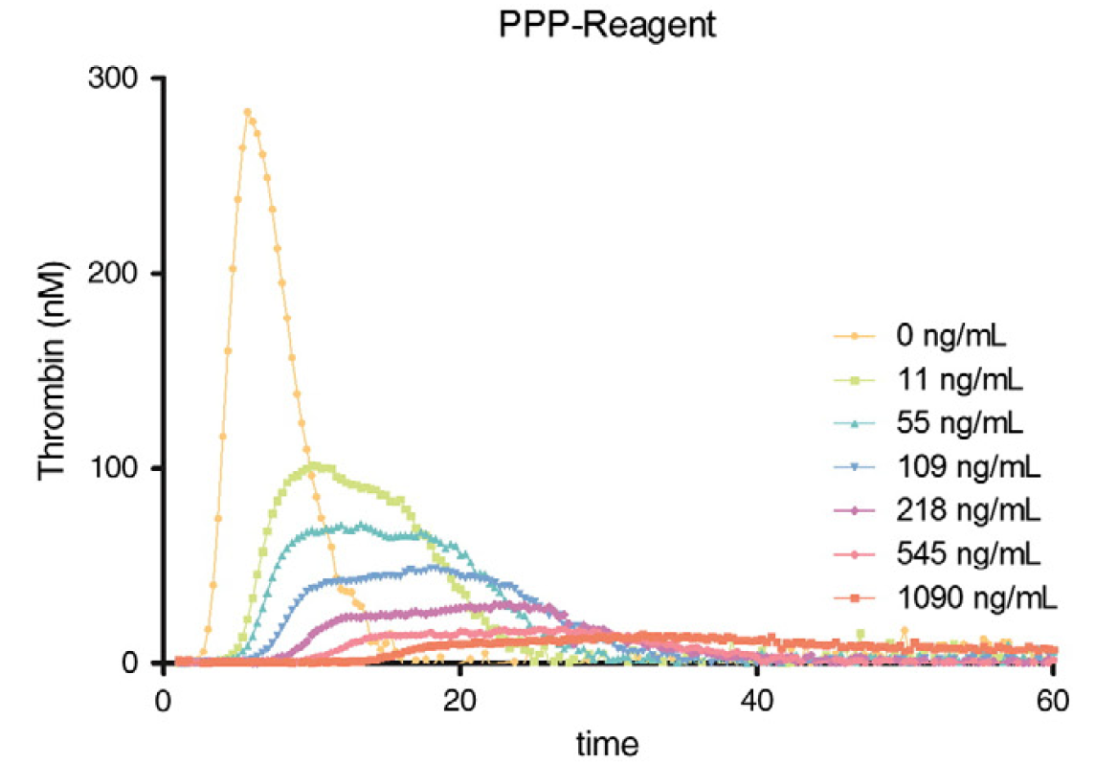 |  |  |  |  |  |  |  |  |  |  |  |  |  |  |  |  |  |  |  |  |  |  |  |  |  |  |  |  |  |  |  |  |  |  |  |  |  |  |  |  |  |  |  |  |  |  |  |  |  |  |  |  |  |  |  |  |  |  |  |  | Authors specifically evaluated rivaroxaban, comparing conventional coagulation tests and TG assays. Did not report statistical significance but did comment on relative sensitivity of each parameter. Reported concentrations required to double/halve parameters. Reported concentrations for PPP reagent for doubling/IC50 were: LT = 80 ng/mL; TTP = 60 ng/mL; ETP = 141 ng/mL; Peak = 4 ng/mL; mVRI = 2 ng/mL "The Peak and mVRI were the most sensitive CAT parameters with a high sensitivity (Peak IC50 was 3 ng/mL with PPP-Reagent Low and PPP-Reagent and was 14 ng/mL with PPP-Reagent High; mVRI IC50 was 1 ng/mL with PPP-Reagent Low and PPP-Reagent and 3 ng/mL with PPP-Reagent High) and a low variability (CVb1.0%)." |  | No |  |  |  |  |  |  |  |  |  |  |  |  |  |  |  |  |  |  |  |  |  |  |  |  |  |  |  |  |  |  |  |  |  |  |  |  |  |  |  |  |  |  |  |  |  |  |  |  |  |  |  |  |  |  |  |  |  |  |  |  |  |  |  |  |  |  |  |  |  |  | No
#3711 | PMID: 2288 4545 Attard C, Monagle P, Kubitza D et al. The in vitro anticoagulant effect of rivaroxaban in children. Thromb Res 2012; 130: 804-807. DOI: 10.1016/j.thromres.2012.07.009 |  | Attard | Thromb Res | 2012 | Germany | In Vitro Spiked Plasma | Bayer HealthCare | Healthy Volunteers |  | Non-automated microplate method | Thromborel S | PPP | No | No |  |  | Yes | No | No | No | No | No |  | In Vitro |  |  |  |  |  |  |  |  |  |  |  |  |  |  |  | Rivaroxaban | N/A | N/A | 0-500 | Not reported | Not reported | Not reported | Not reported | Not reported |  |  |  |  |  |  |  |  |  |  |  |  |  |  |  |  |  |  |  |  |  |  |  |  |  |  |  |  |  |  |  |  |  |  |  |  |  |  |  |  |  |  |  |  |  |  |  |  |  |  |  |  |  |  |  |  |  |  |  |  |  |  |  |  |  |  | Authors aimed to compare TGA impact of rivaroxaban across age groups. Concentration range 0-500. Use manual TGA methodology. Did not actually report TGA data although did report they measured it. Only stated no difference across age groups. |  | No |  |  |  |  |  |  |  |  |  |  |  |  |  |  |  |  |  |  |  |  |  |  |  |  |  |  |  |  |  |  |  |  |  |  |  |  |  |  |  |  |  |  |  |  |  |  |  |  |  |  |  |  |  |  |  |  |  |  |  |  |  |  |  |  |  |  |  |  |  |  | No
#3763 | PMID: 2179 9400 Novak M, Schlagenhauf A, Bernhard H et al. Effect of rivaroxaban, in contrast to heparin, is similar in neonatal and adult plasma. Blood Coagul Fibrinolysis 2011; 22: 588-592. DOI: 10.1097/MBC.0b013e328349f190 |  | Novak | Blood Coagul Fibrinolysis | 2011 | Austria | In Vitro Spiked Plasma | NONE REPORTED | Healthy Volunteers |  | CAT/Thrombinoscope | PPP Reagent (5 pM) | PPP | No | No |  |  | Yes | Yes | Yes | Yes | Yes | No |  | In Vitro |  |  |  |  |  |  |  |  |  |  |  |  |  |  |  | Rivaroxaban | N/A | N/A | Reported in nanomolar (0-8000 nM) | Yes, statistical significance not reported | Yes, statistical significance not reported | Yes, statistical significance not reported | Yes, statistical significance not reported | Not reported |  |  |  |  |  | 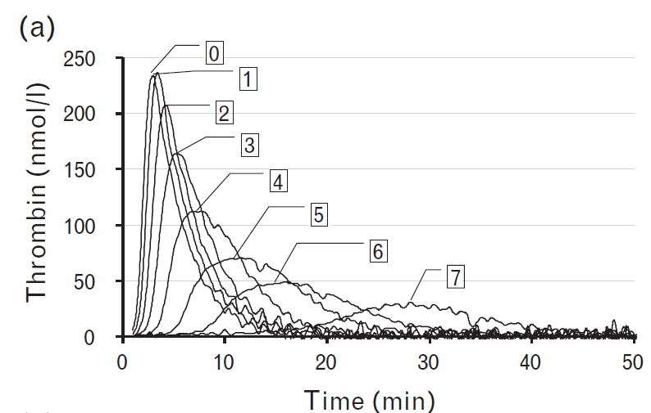 |  |  |  |  |  |  |  |  |  |  |  |  |  |  |  |  |  |  |  |  |  |  |  |  |  |  |  |  |  |  |  |  |  |  |  |  |  |  |  |  |  |  |  |  |  |  |  |  |  |  |  |  |  |  |  |  |  |  |  |  | Authors compared impact of rivaroxaban vs UFH among neonates vs adults. They did report general trends for impact of rivaroxaban on LT, TTP, ETP and peak but not statistical significance. "Rivaroxaban generally showed a greater effect on lag time, TTP, and peak height than on ETP (Fig. 2a–d)." |  | No |  |  |  |  |  |  |  |  |  |  |  |  |  |  |  |  |  |  |  |  |  |  |  |  |  |  |  |  |  |  |  |  |  |  |  |  |  |  |  |  |  |  |  |  |  |  |  |  |  |  |  |  |  |  |  |  |  |  |  |  |  |  |  |  |  |  |  |  |  |  | No
#4096 | PMID: 1759 8008 Wienen W, Stassen JM, Priepke H et al. In-vitro profile and ex-vivo anticoagulant activity of the direct thrombin inhibitor dabigatran and its orally active prodrug, dabigatran etexilate. Thromb Haemost 2007; 98: 155-162. |  | Wienen | Thromb Haemost | 2007 | Belgium | In Vitro Spiked Plasma | Boehringer Ingelheim | Healthy Volunteers |  | CAT/Thrombinoscope | PPP Reagent (5 pM) | PPP | No | No |  |  | Yes | Yes | Yes | Yes | Yes | No |  | In Vitro |  |  |  |  |  |  |  |  |  |  |  |  |  |  |  |  |  |  |  |  |  |  |  |  |  |  |  |  |  |  | Dabigatran | N/A | N/A | Reported in micromolar (0.078-1.25 uM) | Yes, statistical significance not reported | Yes, statistical significance not reported | Yes, statistical significance not reported | Yes, statistical significance not reported |  |  |  |  |  |  | 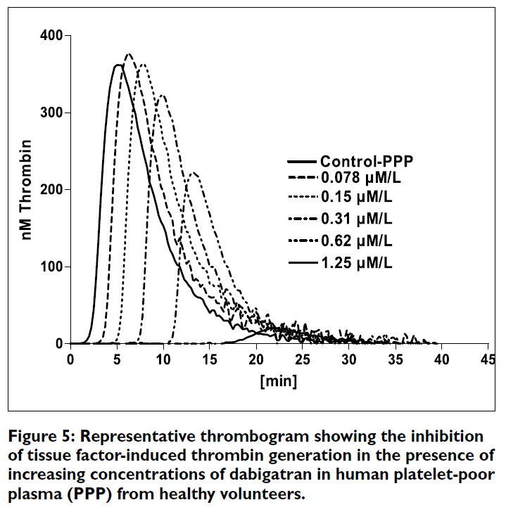 |  |  |  |  |  |  |  |  |  |  |  |  |  |  |  |  |  |  |  |  |  |  |  |  |  |  |  |  |  |  | Melagatran | N/A | N/A | Reported in micromolar (0.078-1.25 umol/L) | Not reported | Not reported | Not reported | Not reported | Not reported |  |  |  |  |  |  | Reported impact of dabigatran on TGA in PPP and compared to melagatran. Reported concentration in nM/uM. Did not report statistical signifiance but did report general trends and IC50/doubling values. Did not report impact of melagatran other than providing IC50 and doubling concentrations. They reported a general concentration-dependent inhibition. "Dabigatran inhibited thrombin generation in a concentration-dependent fashion (Fig. 5). The comparative inhibitory effects of dabigatran and melagatran on the ETP and peak thrombin concentration, and the prolongation of the lag time and the TTP are summarized in Table 3." "Dabigatran inhibited tissue factor-induced thrombin generation in human PPP in a concentration-dependent manner and decreased the ETP with an IC50 in the submicromolar range. Melagatran inhibited thrombin generation with similar potency. The IC50 for inhibition of the ETP by melagatran in our study (0.47 μM) is in good agreement with the IC50 (0.44 μM) reported by another group (20). The present results demonstrate that dabigatran, in addition to its direct inhibition of thrombin activity, is also able to inhibit thrombin generation. Moreover, if standardized, CAT may serve as a useful surrogate marker for monitoring the clinical efficacy of novel anticoagulants (21)." |  | No |  |  |  |  |  |  |  |  |  |  |  |  |  |  |  |  |  |  |  |  |  |  |  |  |  |  |  |  |  |  |  |  |  |  |  |  |  |  |  |  |  |  |  |  |  |  |  |  |  |  |  |  |  |  |  |  |  |  |  |  |  |  |  |  |  |  |  |  |  |  | No
#4806 | PMID: 2376 5180 Douxfils J, Chatelain C, Chatelain B et al. Impact of apixaban on routine and specific coagulation assays: a practical laboratory guide. Thromb Haemost 2013; 110: 283-294. DOI: 10.1160/TH12-12-0898 |  | Douxfils | Thromb Haemost | 2013 | Belgium | In Vitro Spiked Plasma | NONE REPORTED | Healthy Volunteers |  | CAT/Thrombinoscope | PPP Reagent Low (1 pM), PPP Reagent (5 pM), PPP Reagent High (20 pM) | PPP | No | No |  |  | Yes | Yes | Yes | Yes | Yes | Yes |  | In Vitro | Apixaban | N/A | N/A | 0-500 | Yes, statistical significance not reported | Yes, statistical significance not reported | Yes, statistical significance not reported | Yes, statistical significance not reported | Yes, statistical significance not reported |  |  |  |  |  | 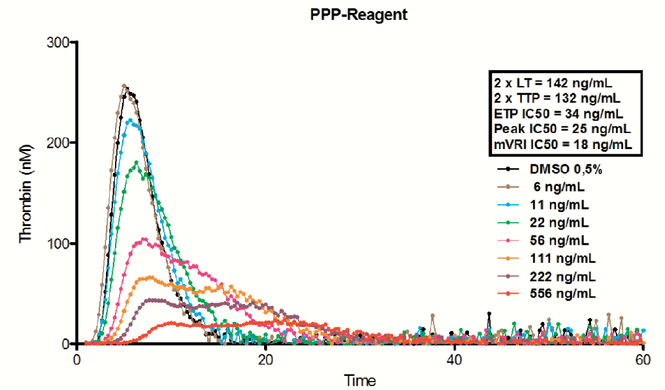 |  |  |  |  |  |  |  |  |  |  |  |  |  |  |  |  |  |  |  |  |  |  |  |  |  |  |  |  |  |  |  |  |  |  |  |  |  |  |  |  |  |  |  |  |  |  |  |  |  |  |  |  |  |  |  |  |  |  |  |  |  |  |  |  |  |  |  |  |  |  |  |  |  |  |  | Authors specifically evaluated impact of apixaban on various coagulation assays, similar to other Douxfils articles. They showed general trends in terms of impact of apixaban on TGA, without providing statistical signifiance. Tested across various tissue factor concentrations. Did not provide statistical signifiance but did provide IC50 and doubling values. "The most influenced parameters are the peak and the mVRI, while the lag time, the time to peak and the ETP are less affected as shown in  Figure 4. The sensitivity towards the lag time and the time to peak depend on the reagent. The sensitivity towards the time to peak increases with the amount of tissue factor (TF) in the reagent." |  | No |  |  |  |  |  |  |  |  |  |  |  |  |  |  |  |  |  |  |  |  |  |  |  |  |  |  |  |  |  |  |  |  |  |  |  |  |  |  |  |  |  |  |  |  |  |  |  |  |  |  |  |  |  |  |  |  |  |  |  |  |  |  |  |  |  |  |  |  |  |  | No
#3360 | PMID: 2284 3196 He S, Wallèn H, Bark N et al. In vitro studies using a global hemostasis assay to examine the anticoagulation effects in plasma by the direct thrombin inhibitors: dabigatran and argatroban. J Thromb Thrombolysis 2013; 35: 131-139. DOI: 10.1007/s11239-012-0791-x |  | He | J Thromb Thrombolysis | 2013 | Sweden | In Vitro Spiked Plasma | Boehringer Ingelheim | CAD Healthy Volunteers |  | CAT/Thrombinoscope | Not reported | PRP | No | No |  |  | Yes | No | No | No | Yes | No |  | In Vitro |  |  |  |  |  |  |  |  |  |  |  |  |  |  |  |  |  |  |  |  |  |  |  |  |  |  |  |  |  |  | Dabigatran | N/A | N/A | "Therapeutic": range = 0.07-0.52 uM "Subtherapeutic" rage < 0.07 uM "Supratherapeutic" rangee > 8.4 uM (up to 33.33 uM) | Not reported | Not reported | Not reported | Yes, statistical significance not reported | Not reported |  |  |  |  |  |  |  |  |  |  |  |  |  |  |  |  |  |  |  |  |  |  |  |  |  |  |  |  |  |  |  |  |  |  |  |  |  |  |  |  |  |  |  |  |  |  |  |  |  |  |  | Authors spiked normal pooled plasma with varying concentrations of dabigatran. The paper also mentions using patient plasma from 5 patients with coronary heart disease, but it doesn't seem TGA was measured in these samples. Authors only report ETP using PRP. Only provide graph showing change according to concentration, do not report statistical significance. |  | No |  |  |  |  |  |  |  |  |  |  |  |  |  |  |  |  |  |  |  |  |  |  |  |  |  |  |  |  |  |  |  |  |  |  |  |  |  |  |  |  |  |  |  |  |  |  |  |  |  |  |  |  |  |  |  |  |  |  |  |  |  |  |  |  |  |  |  |  |  |  | No
HEALTHY VOLUNTEERS - IN VIVO STUDIES
#711 | PMID: 3121 5111 Siguret V, Abdoul J, Delavenne X et al. Rivaroxaban pharmacodynamics in healthy volunteers evaluated with thrombin generation and the active protein C system: Modeling and assessing interindividual variability. J Thromb Haemost 2019; 17: 1670-1682. DOI: 10.1111/jth.14541 | DRIVING | Siguret | J Thromb Haemost | 2019 | France | In Vivo Healthy Volunteer Single Dose PK/PD Study | Stago, Assistance Publique des Hopitaux de Paris | Healthy Volunteers |  | ST-Genesia | STG-DrugScreen (high pM), STG-ThromboScreen (intermediate pM) | PPP | Yes | No |  |  | Yes | Yes | Yes | Yes | Yes | No |  | In Vivo |  |  |  |  |  |  |  |  |  |  |  |  |  |  |  | Rivaroxaban | 60 | 40 mg po single dose | 9.5-389 | Yes, statistical significance not reported | Yes, statistical significance not reported | Yes, statistical significance not reported | Yes, statistical significance not reported | Not reported |  |  |  |  |  | 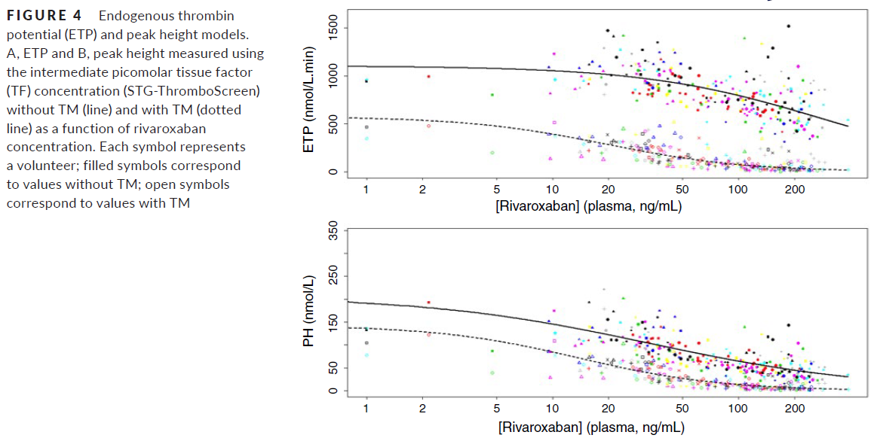 |  |  |  |  |  |  |  |  |  |  |  |  |  |  |  |  |  |  |  |  |  |  |  |  |  |  |  |  |  |  |  |  |  |  |  |  |  |  |  |  |  |  |  |  |  |  |  |  |  |  |  |  |  |  |  |  |  |  |  |  | Authors evaluated impact of rivaroxaban among 60 male healthy volunteers given 40 mg po rivaroxaban as a single dose. TGA drawn and run using ST-Genesia at different time points. Analyzed data using both STG-DrugScreen and STG-ThromboScreen. Ended up with wide range of concentrations at different time points (e.g. Tmax, T24). Did not report statistical significance, showed general trends on impact on LT, TTP, peak and ETP. They mainly aimed to evaluate the reproducibility of ST-Genesia parameters and create a rivaroxaban "PD profile" (see picture under "TGA curve"). "When TG was studied with no TM added, progressive prolongations of temporal parameters, that is, lag time and time to peak, were observed during the first 2 h following rivaroxaban intake, as expected. Then, lag time and time to peak slowly decreased up to T24 with both high and intermediate picomolar TF concentration, without returning to baseline values (Figures 1 and 2). The greatest parameter variability was observed between T0.5 and T4, reflecting the interindividual variations of both Tmax and Cmax. In contrast, the variability of temporal parameters was lower at baseline and at T24. The ETP and peak height rapidly decreased, that is, within 90 min after drug intake, and then progressively increased without return to baseline, with both high (Figure 1) and intermediate (Figure 2) picomolar TF concentration. As expected, temporal parameters were shorter. In contrast, ETP and peak height values were greater, when using high TF concentration versus intermediate TF concentration." "The model estimates a mean (μ) rivaroxaban concentration halving the baseline value of peak height (C50) in absence of TM of 33.2 ng/mL (95% CI: 26.2; 40.1), with an interindividual variability standard deviation (σ) of 4.0 ng/mL; estimated mean C50 declined to 13.8 ng/mL (95% CI: 10.7; 16.9) with a standard deviation σ of 4.3 ng/mL in the presence of TM. The C50 population CVs (σ/μ) estimated with the peak height model wer |  | No |  |  |  |  |  |  |  |  |  |  |  |  |  |  |  |  |  |  |  |  |  |  |  |  |  |  |  |  |  |  |  |  |  |  |  |  |  |  |  |  |  |  |  |  |  |  |  |  |  |  |  |  |  |  |  |  |  |  |  |  |  |  |  |  |  |  |  |  |  |  | No
#1333 | PMID: 3049 8375 Frost C, Shenker A, Jhee S et al. Evaluation of the single-dose pharmacokinetics and pharmacodynamics of apixaban in healthy Japanese and Caucasian subjects. Clin Pharmacol 2018; 10: 153-163. DOI: 10.2147/CPAA.S169505 |  | Frost | Clin Pharmacol | 2018 | USA | In Vivo Healthy Volunteer Single Dose PK/PD Study | Bristol-Myers Squibb | Healthy Volunteers |  | CAT/Thrombinoscope | NOT REPORTED | PPP | No | No |  |  | Yes | Yes | Yes | Yes | Yes | No |  | In Vivo | Apixaban | 32 | 2.5 mg po single dose 10 mg po single dose 25 mg po single dose 50 mg po single dose | Cmax = 44.8-494.3 | Yes, statistical significance not reported | Yes, statistical significance not reported | Yes, statistical significance not reported | Yes, statistical significance not reported | Not reported |  |  |  |  |  |  |  |  |  |  |  |  |  |  |  |  |  |  |  |  |  |  |  |  |  |  |  |  |  |  |  |  |  |  |  |  |  |  |  |  |  |  |  |  |  |  |  |  |  |  |  |  |  |  |  |  |  |  |  |  |  |  |  |  |  |  |  |  |  |  |  |  |  |  |  |  |  |  |  |  |  | PK/PD study focused on apixaban only. Compared 16 caucasian to 16 japanese subjects. Single dose of apixaban (2.5, 10, 25 or 50 mg). PK/PD measurements taken at several timepoints. Measured impact on TGA parameters but did not report statistical significance. Reported that LT and TTP were the most sensitive parameters. "TG parameters exhibited a curvilinear response with increases from baseline up to approximately 178% and 142% for LAG and TTP, respectively, representing the greatest changes after apixaban administration followed by decreases in PEAK and ETP (86% and 49% decreases from baseline, respectively). Unlike INR and aPTT, changes in TG parameters and mPT were evident for 12 h or more after apixaban administration" |  | No |  |  |  |  |  |  |  |  |  |  |  |  |  |  |  |  |  |  |  |  |  |  |  |  |  |  |  |  |  |  |  |  |  |  |  |  |  |  |  |  |  |  |  |  |  |  |  |  |  |  |  |  |  |  |  |  |  |  |  |  |  |  |  |  |  |  |  |  |  |  | No
#1686 | PMID: 2880 5299 Kreutz R, Persson PB, Kubitza D et al. Dissociation between the pharmacokinetics and pharmacodynamics of once-daily rivaroxaban and twice-daily apixaban: a randomized crossover study. J Thromb Haemost 2017; 15: 2017-2028. DOI: 10.1111/jth.13801 |  | Kreutz | J Thromb Haemost | 2017 | Germany | In Vivo Healthy Volunteer Multidose PK/PD Study | Bayer HealthCare | Healthy Volunteers |  | CAT/Thrombinoscope | 5 pM (Stago) | PPP | No | No |  |  | Yes | Yes | Yes | Yes | Yes | No |  | In Vivo | Apixaban | 24 | 5 mg po BID | 35.0-139 | Yes, statistical significance not reported | Yes, statistical significance not reported | Yes, statistical significance not reported | Yes, statistical significance not reported | Not reported |  |  |  |  |  |  | Rivaroxaban | 24 | 20 mg po OD | 14.4-227 | Yes, statistical significance not reported | Yes, statistical significance not reported | Yes, statistical significance not reported | Yes, statistical significance not reported | Not reported |  |  |  |  |  |  |  |  |  |  |  |  |  |  |  |  |  |  |  |  |  |  |  |  |  |  |  |  |  |  |  |  |  |  |  |  |  |  |  |  |  |  |  |  |  |  |  |  |  |  |  |  |  |  |  |  |  |  |  |  |  |  |  |  |  |  | Pk/PD study specifically comparing apixaban 5 mg po BID vs rivaroxaban 20 mg po OD x 7 days among healthy volunteers. Described general impact of DOACs on TGA parameters, did not report statistical significance of DOAC vs placebo but did compare the impact of rivaroxaban to apixaban at various timepoints (Table S1 e.g. EMax, AUC0-12h, AUC12-24h, AUC0-24h). Rivaroxaban showed greater suppression of ETP, peak, TTP and lag time at Emax (p < 0.0001). Rivaroxaban also showed greater suppression across ETP, peak, TTP, lag for AUC0-24h (p < 0.0001). Only difference that was not significance for rivaroxaban vs apixaban was AUC12-24h for ETP and peak). "The overall inhibitory effect of rivaroxaban on ETP for the 24-h dosing interval relative to baseline was significantly greater than that of apixaban (AUC0–24, 15.5 h for rivaroxaban and 17.5 h for apixaban; Fig. 3A; Table S1). During the time period 0–12 h after the last dose of rivaroxaban and the morning dose of apixaban, the inhibitory effects of rivaroxaban on ETP relative to baseline were significantly greater than those of apixaban (AUC0–12, 6.36 h for rivaroxaban and 8.69 h for apixaban; Table S1). In the time period 12–24 h after the last dose of rivaroxaban and 0–12 h after the last (evening) dose of apixaban (AUC12–24), the effects of rivaroxaban and apixaban on inhibition of ETP were similar (Table S1). Rivaroxaban also showed significantly greater suppression of the peak of thrombin generation during the 0–24-h dosing interval (AUC0–24, 6.59 h for rivaroxaban and 7.84 h for apixaban; Fig. 3B; Table S1). Furthermore, the effects of rivaroxaban on prolongation of thrombin generation lag time and prolongation of the time to the peak of thrombin generation were significantly greater than those of apixaban for all measured parameters (Emax, AUC0–12, AUC12–24, and AUC0–24; Figs 4 and 5; Table S1)." |  | No |  |  |  |  |  |  |  |  |  |  |  |  |  |  |  |  |  |  |  |  |  |  |  |  |  |  |  |  |  |  |  |  |  |  |  |  |  |  |  |  |  |  |  |  |  |  |  |  |  |  |  |  |  |  |  |  |  |  |  |  |  |  |  |  |  |  |  |  |  |  | No
#1886 | PMID: 3004 6690 Artang R, Anderson M, Riley P et al. Assessment of the effect of direct oral anticoagulants dabigatran, rivaroxaban, and apixaban in healthy male volunteers using a thrombin generation assay. Res Pract Thromb Haemost 2017; 1: 194-201. DOI: 10.1002/rth2.12044 |  | Artang | Res Pract Thromb Haemost | 2017 | Denmark | In Vivo Healthy Volunteer Single Dose PK/PD Study | NONE REPORTED | Healthy Volunteers |  | CAT/Thrombinoscope | PPP Reagent High (20 pM) | PPP | No | No |  |  | Yes | Yes | Yes | Yes | Yes | Yes |  | In Vivo | Apixaban | 10 | 10 mg po single dose | Cmax = 57-285 | Yes, statistically significant | Yes, statistically significant | Yes, statistically significant | Yes, statistically significant | Yes, statistically significant | r = 0.83; p < 0.0001 | r = 0.85; p < 0.0001 | R2 = 0.87; significant | r = -0.53; p = 0.001 | R2 = 0.86; not significant |  | Rivaroxaban | 10 | 20 mg po single dose | Cmax = 62-433 | Yes, statistically significant | Yes, statistically significant | Yes, statistically significant | Yes, statistically significant | Yes, statistically significant | r = 0.91; p < 0.0001 | r = 0.95; p < 0.0001 | R2 = 0.95, significant | r = -0.68; p < 0.0001 | R2 = 0.91, significant |  | Dabigatran | 10 | 150 mg po single dose | 14.4-120.4 | Yes, statistically significant | No | No | No | No | r = 0.81; p < 0.0001 | r = 0.69; p < 0.0001 | r = -0.39; p = 0.03 | r = -0.41; p = 0.02 | r = -0.15; p = 0.42 |  |  |  |  |  |  |  |  |  |  |  |  |  |  |  |  |  |  |  |  |  |  |  |  |  |  |  |  |  |  |  |  |  |  |  |  |  |  |  |  |  |  |  |  |  |  | ** They used baseline samples for calibration for dabigatran patients to avoid inhibition of the calibrator. PK/PD study among 10 healthy volunteers, single dose with washout period in between. Provided correlation statistics (r = Spearman's coefficient, R2 = goodness of fit). Xa inhibitors impact all TGA parameters in a statisticallly significant fashion. Lag time was the only parameter that was significantly impacted by all DOACs and most strongly correlated with all DOACs. "Among all the TGA parameters, lag time was most strongly correlated with DOAC concentrations and significantly increased at two and four hours after administration across the DOAC classes (Figure 1B) (r = .81 for dabigatran, r = .91 for rivaroxaban, r = .83 for apixaban, P < .0001 for all) (Figures 2A, 3A, and 4A). ETP was significantly reduced 2 hours after intake of the FXa inhibitors, rivaroxaban and apixaban (Figure 1C), with moderate correlation with the FXa inhibitor levels (Figures 3B and 4B). ETP levels demonstrated a decreasing trend over time after intake of dabigatran, but the change was not statistically significant (Figure 1C) (ANOVA P = .7). There was a weak but statistically significant correlation, between dabigatran concentration and ETP (r = −.41, P = .02) (Figure 2B). Thrombin peak height was significantly decreased at 2 and 4 hours after intake of FXa inhibitors (Figure 1D), and showed a strong nonlinear correlation with plasma concentrations fitting exponential decay (R² = .95 for rivaroxaban and R² = .87 for apixaban) (Figures 3C and 4C). Thrombin peak height demonstrated no statistically significant trend over time with dabigatran (Figure 1D) (ANOVA P = .96). For the FXa inhibitors, the time to peak was significantly increased and the velocity index was significantly decreased at 2 and 4 hours after intake (ANOVA P < .0001 for both FXa inhibitors using both parameters). Both parameters were strongly correlated with FXa inhibitor levels (Figures 3D, 3E, 4D, and 4E). The |  | No |  |  |  |  |  |  |  |  |  |  |  |  |  |  |  |  |  |  |  |  |  |  |  |  |  |  |  |  |  |  |  |  |  |  |  |  |  |  |  |  |  |  |  |  |  |  |  |  |  |  |  |  |  |  |  |  |  |  |  |  |  |  |  |  |  |  |  |  |  |  | No
#2977 | PMID: 2452 8331 Kubitza D, Becka M, Mück W et al. Pharmacodynamics and pharmacokinetics during the transition from warfarin to rivaroxaban: a randomized study in healthy subjects. Br J Clin Pharmacol 2014; 78: 353-363. DOI: 10.1111/bcp.12349 |  | Kubitza | Br J Clin Pharmacol | 2014 | Germany | In Vivo Healthy Volunteer Multidose PK/PD Study | Bayer HealthCare | Healthy Volunteers |  | CAT/Thrombinoscope | "Recombinant tissue factor" (1 pM) | PPP | No | No |  |  | Yes | Yes | Yes | Yes | Yes | No |  | In Vivo |  |  |  |  |  |  |  |  |  |  |  |  |  |  |  | Rivaroxaban | 28 | 20 mg po OD x 4 days | Not reported | Yes, statistical significance not reported | Yes, statistical significance not reported | Yes, statistical significance not reported | Yes, statistical significance not reported | Not reported |  |  |  |  |  |  |  |  |  |  |  |  |  |  |  |  |  |  |  |  |  |  |  |  |  |  |  |  |  |  |  |  |  |  |  |  |  |  |  |  |  |  |  |  |  |  |  |  |  |  |  |  |  |  |  |  |  |  |  |  |  |  |  |  |  |  | Main goal of the paper was to evaluate the pharmacokinetics of the transition from warfarin to rivaroxaban or vice versa. Only collected data on rivaroxaban only arm. Showed general trends of impact on LT, TTP, ETP and peak but did not report statistical significance. They did report they measured concentrations but did not report the measured concentration ranges in the Results. |  | No |  |  |  |  |  |  |  |  |  |  |  |  |  |  |  |  |  |  |  |  |  |  |  |  |  |  |  |  |  |  |  |  |  |  |  |  |  |  |  |  |  |  |  |  |  |  |  |  |  |  |  |  |  |  |  |  |  |  |  |  |  |  |  |  |  |  |  |  |  |  | No
#3497 | PMID: 2262 8060 Zahir H, Matsushima N, Halim AB et al. Edoxaban administration following enoxaparin: a pharmacodynamic, pharmacokinetic, and tolerability assessment in human subjects. Thromb Haemost 2012; 108: 166-175. DOI: 10.1160/TH11-09-0676 |  | Zahir | Thromb Haemost | 2012 | USA | In Vivo Healthy Volunteer Single Dose PK/PD Study | Daiichi Sankyo | Healthy Volunteers |  | Technothrombin | NOT REPORTED | PPP | No | No |  |  | Yes | Yes | Yes | Yes | Yes | Yes |  | In Vivo |  |  |  |  |  |  |  |  |  |  |  |  |  |  |  |  |  |  |  |  |  |  |  |  |  |  |  |  |  |  |  |  |  |  |  |  |  |  |  |  |  |  |  |  |  | Edoxaban | 38 | 60 mg po single dose | Not reported | Yes, statistical significance not reported | Yes, statistical significance not reported | Yes, statistical significance not reported | Yes, statistical significance not reported | Yes, statistical significance not reported |  |  |  |  |  |  |  |  |  |  |  |  |  |  |  |  |  |  |  |  |  |  |  |  |  |  |  |  |  |  |  |  |  |  |  |  | PK study following a single dose of edoxaban. Authors sought to evaluate the impact of a prior dose of enoxaparin (to test transition from enoxaparin to edoxaban). TGA parameters reported as %change from baseline. BW schedule not clear in study but samples drawn up to 72 hours post dose. |  | No |  |  |  |  |  |  |  |  |  |  |  |  |  |  |  |  |  |  |  |  |  |  |  |  |  |  |  |  |  |  |  |  |  |  |  |  |  |  |  |  |  |  |  |  |  |  |  |  |  |  |  |  |  |  |  |  |  |  |  |  |  |  |  |  |  |  |  |  |  |  | No
#3898 | PMID: 2080 7664 Samama MM, Kunitada S, Oursin A et al. Comparison of a direct Factor Xa inhibitor, edoxaban, with dalteparin and ximelagatran: a randomised controlled trial in healthy elderly adults. Thromb Res 2010; 126: e286-293. DOI: 10.1016/j.thromres.2010.07.015 |  | Samama | Thromb Res | 2010 | United Kingdom | In Vivo Healthy Volunteer Multidose PK/PD Study | Daiichi Sankyo | Healthy Volunteers |  | CAT (calibration not specified) | NOT REPORTED | PPP | No | No |  |  | Yes | Yes | No | Yes | Yes | Yes |  | In Vivo |  |  |  |  |  |  |  |  |  |  |  |  |  |  |  |  |  |  |  |  |  |  |  |  |  |  |  |  |  |  |  |  |  |  |  |  |  |  |  |  |  |  |  |  |  | Edoxaban | 10 | 60 mg po q12h x 7 doses | 60.5-522.6 | Yes, statistical significance not reported | Not reported | Yes, statistical significance not reported | Yes, statistical significance not reported | Yes, statistical significance not reported |  |  |  |  |  |  |  |  |  |  |  |  |  |  |  |  |  |  |  |  |  | Ximelagatran | 10 | 24 mg po q12h x 7 doses | 22-129 | No | Not reported | No | No | No |  |  |  |  |  |  | Pharmacokinetic study comparing edoxaban to dalteparin and melagatran. Dosing used for edoxaban was very high (60 mg po q12h) and was compared to prophylactic dosing for dalteparin (5000 IU SQ q24h). They did not provide many details on TGA used other than it was CAT. Did not report statistical significance vs placebo, only comparing edoxaban to dalteparin. They did not that ximelagatran had no impact at all on TGA parameters although review of Figure 5 does show it impacts the lag time to some extent. |  | No |  |  |  |  |  |  |  |  |  |  |  |  |  |  |  |  |  |  |  |  |  |  |  |  |  |  |  |  |  |  |  |  |  |  |  |  |  |  |  |  |  |  |  |  |  |  |  |  |  |  |  |  |  |  |  |  |  |  |  |  |  |  |  |  |  |  |  |  |  |  | No
#4135 | PMID: 1787 3238 Graff J, von Hentig N, Misselwitz F et al. Effects of the oral, direct factor xa inhibitor rivaroxaban on platelet-induced thrombin generation and prothrombinase activity. J Clin Pharmacol 2007; 47: 1398-1407. DOI: 10.1177/0091270007302952 |  | Graff | J Clin Pharmcol | 2007 | Germany | In Vivo Healthy Volunteer Single Dose PK/PD Study | Bayer HealthCare | Healthy Volunteers |  | CAT (calibration not specified) | 1.4 nM | PRP | No | No |  |  | Yes | No | Yes | Yes | Yes | No |  | In Vivo |  |  |  |  |  |  |  |  |  |  |  |  |  |  |  | Rivaroxaban | 12 | 5 mg po single dose 30 mg po single dose | Not reported | Not reported | Not reported | Yes, statistically significant | Yes, statistically significant | Not reported |  |  |  |  |  | 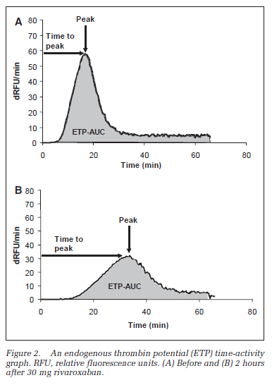 |  |  |  |  |  |  |  |  |  |  |  |  |  |  |  |  |  |  |  |  |  |  |  |  |  |  |  |  |  |  |  |  |  |  |  |  |  |  |  |  |  |  |  |  |  |  |  |  |  |  |  |  |  |  |  |  |  |  |  |  | Only measured in PRP. Preliminary PK study of rivaroxaban. Studied a single dose of either 5 mg or 30 mg of rivaroxaban. Use a manual TGA assay (did not convert to thrombin units, values are reported directly in dRFU). Used larger amount of TF as a trigger (1.4 nM) and also tested collagen. Although they did measure TTP, peak and AUC, they only explicitly reported peak and AUC in Results. They provide statistical comparisons to placebo and also compare 30 mg to 5 mg. Rivaroxaban 30 mg showed statistically significance difference for ETP and peak as compared to 5 mg. The difference between 5 mg and placebo was no statistically significance. The difference between 30 mg and placebo was statistically significant. |  | No |  |  |  |  |  |  |  |  |  |  |  |  |  |  |  |  |  |  |  |  |  |  |  |  |  |  |  |  |  |  |  |  |  |  |  |  |  |  |  |  |  |  |  |  |  |  |  |  |  |  |  |  |  |  |  |  |  |  |  |  |  |  |  |  |  |  |  |  |  |  | No
#4326 | PMID: 1285 1531 Boström SL, Hansson GF, Kjaer M et al. Effects of melagatran, the active form of the oral direct thrombin inhibitor ximelagatran, and dalteparin on the endogenous thrombin potential in venous blood from healthy male subjects. Blood Coagul Fibrinolysis 2003; 14: 457-462. DOI: 10.1097/00001721-200307000-00005 |  | Bostrom | Blood Coagul Fibrinolysis | 2003 | Sweden | In Vivo Healthy Volunteer Single Dose PK/PD Study | AstraZeneca | Healthy Volunteers |  | PureThrombin (AstraZeneca) | Thromborel S | PPP | No | No |  |  | Yes | No | Yes | No | Yes | No |  | In Vivo |  |  |  |  |  |  |  |  |  |  |  |  |  |  |  |  |  |  |  |  |  |  |  |  |  |  |  |  |  |  |  |  |  |  |  |  |  |  |  |  |  |  |  |  |  |  |  |  |  |  |  |  |  |  |  |  |  |  |  |  |  |  |  |  |  |  |  |  |  |  |  |  |  |  |  | Melagatran | 18 | 60 mg po single dose | Reported in micromolar (0-64 umol/L) | Not reported | Yes, statistically significant | Not reported | Yes, statistically significant | Not reported |  |  |  |  |  | 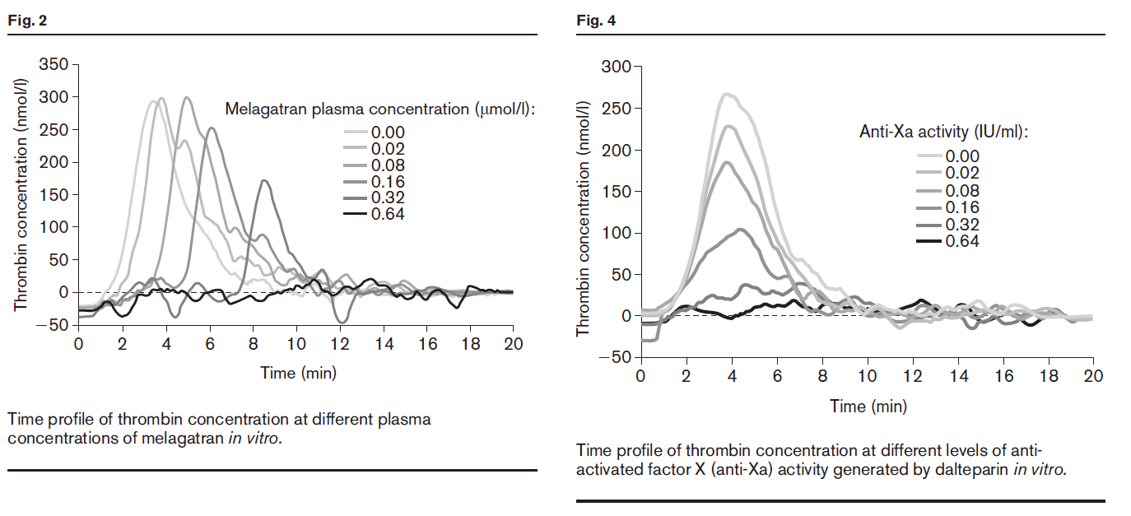 | Study evaluated the pharmacodynamics of a single dose of melagatran and compared this to dalteparin. TGA assay was performed using a microplate reader and software directly from AstraZeneca. Only reported "AUC" and "tmax" but not lag time, peak or mVRI. Reported a statistically significant impact of ximelagatran on both tmax and AUC (p < 0.001 for each). In this study, dalteparin impact ETP but not TTP at all. The authors noted a concentration dependent decrease in thrombin activity in response to melagatran. "The addition of melagatran to PPP resulted in a concentration-dependent decrease in the amount of thrombin activity generated. The concentration of melagatran that reduced the amount of generated thrombin activity by 50% (IC50) was 0.44 mol/l (Fig. 1). Melagatran also delayed tmax in a concentrationdependent manner (Fig. 2)." |  | No |  |  |  |  |  |  |  |  |  |  |  |  |  |  |  |  |  |  |  |  |  |  |  |  |  |  |  |  |  |  |  |  |  |  |  |  |  |  |  |  |  |  |  |  |  |  |  |  |  |  |  |  |  |  |  |  |  |  |  |  |  |  |  |  |  |  |  |  |  |  | No
HEALTHY VOLUNTEERS - IN VITRO ANTICOAGULATION REVERSAL
#49 | PMID: 3406 0371 Schultz NH, Fareed J, Holme PA. Investigation of the Optimal Dose aPCC in Reversing the Effect of Factor Xa Inhibitors-An In Vitro Study. Clin Appl Thromb Hemost 2021; 27: 10760296211021156. DOI: 10.1177/10760296211021156 |  | Schultz | Clin Applied Thromb Haemost | 2021 | Norway | In Vitro Spiked Plasma | NONE REPORTED | Healthy Volunteers |  | CAT/Thrombinoscope | PPP Reagent (5 pM) | PPP | No | No |  |  | Yes | Yes | No | Yes | Yes | No |  | In Vitro | Apixaban | N/A | N/A | 200 | Yes, statistically significant | Not reported | Yes, statistically significant | Yes, statistically significant | Not reported |  |  |  |  |  | 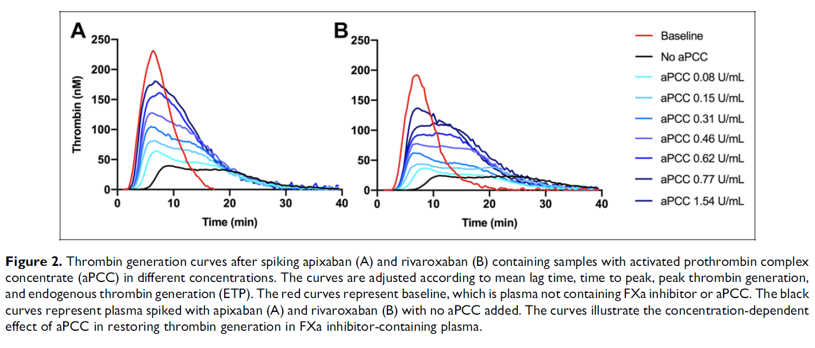 | Rivaroxaban | N/A | N/A | 250 | Yes, statistically significant | Not reported | Yes, statistically significant | Yes, statistically significant | Not reported |  |  |  |  |  |  |  |  |  |  |  |  |  |  |  |  |  |  |  |  |  |  |  |  |  |  |  |  |  |  |  |  |  |  |  |  |  |  |  |  |  |  |  |  |  |  |  |  |  |  |  |  |  |  |  |  |  |  |  |  |  |  |  |  |  |  | Main goal of study was to evaluate the lowest effective dose of aPCC that would impact TGA parameters. Although they provide TGA curves, they only reported LT, ETP and peak values, reported statistical significance. Did not compare DOACs directly. |  | Yes | In Vitro |  |  |  |  |  |  |  |  |  |  |  |  |  |  |  | aPCC | N/A | 0.08-1.60 U/mL | 5-100 IU/kg | Yes, statistically significant - Apixaban Yes, statistically significant - Rivaroxaban | Not reported | Yes, statistically significant - Apixaban Yes, statistically significant - Rivaroxaban | Yes, statistically significant - Apixaban Yes, statistically significant - Rivaroxaban | Yes - Apixaban No - Rivaroxaban | Not reported | No Apixaban No - Rivaroxaban | Yes - Apixaban Yes - Rivaroxaban | Yes - Apixaban No - Rivaroxaban |  |  |  |  |  |  |  |  |  |  |  |  |  |  |  |  |  |  |  |  |  |  |  |  |  |  |  |  |  |  |  |  |  |  |  |  |  |  |  |  |  | No
#205 | PMID: 3372 3299 Božič Mijovski M, Malmström RE, Vene N et al. The in vitro addition of idarucizumab to plasma samples from patients increases thrombin generation. Sci Rep 2021; 11: 5920. DOI: 10.1038/s41598-021-85318-y |  | Mijovski | Sci Rep | 2021 | Slovenia | In Vitro Spiked Plasma | Slovenian Research Agency | Atrial Fibrillation |  | Technothrombin | TGA RC Low (TF concentration not found - 7.2 pM in #1039) | PPP | No | No |  |  | Yes | Yes | Yes | Yes | Yes | No |  | In Vivo |  |  |  |  |  |  |  |  |  |  |  |  |  |  |  |  |  |  |  |  |  |  |  |  |  |  |  |  |  |  | Dabigatran | 44 | 150 mg po BID 110 mg po BID | 10-688 | Yes, statistically significant | Yes, statistically significant | Yes, statistically significant | Yes, statistically significant | Not reported | r = 0.619; p < 0.001 | r = 0.585; p < 0.001 | r = -0.358; p < 0.001 | r = -0.618; p < 0.001 | Not reported |  |  |  |  |  |  |  |  |  |  |  |  |  |  |  |  |  |  |  |  |  |  |  |  |  |  |  |  |  |  |  |  |  |  |  |  |  |  |  |  |  |  |  |  |  |  | Investigators assessed the impact of idarucizumab to plasma without dabigatran, and then evaluated impact of idarucizumab on plasma from afib patients on dabigatran. They used technothrombin. Reports statistically significant correlations on lag time, TTP, ETP and peak. They also reported that addition of idarucizumab to samples alone resulted in shortening of the lag time and TTP as well as increased peak and ETP. Authors seem to propose that idarucizumab may possess prothrombotic effects based on the fact that dabigatran + idarucizumab resulted in ETP that was even higher than baseline and more comparable to baseline + idarucizumab rather than baseline. They also tested with saline which resulted in mild 3% increase in ETP compared to 14% induced by idarucizumab alone. |  | Yes | In Vitro |  |  |  |  |  |  |  |  |  |  |  |  |  |  |  |  |  |  |  |  |  |  |  |  |  |  |  |  |  |  |  |  |  |  |  |  |  |  |  |  |  |  | Idarucizumab | N/A | 125 ug/mL | N/A | Yes, statistically significant | Yes, statistically significant | Yes, statistically significant | Yes, statistically significant | Yes | Yes | Yes | Yes | Yes |  |  |  |  |  |  |  |  |  |  |  |  |  |  | No
#297 | PMID: 3149 0820 Takeshita S, Tanaka KA, Sawa T et al. Whole Blood Point-of-Care Testing for Incomplete Reversal With Idarucizumab in Supratherapeutic Dabigatran. Anesth Analg 2020; 130: 535-541. DOI: 10.1213/ANE.0000000000004419 |  | Takeshita | Anesthesia Analgesia | 2020 | Japan | In Vitro Spiked Plasma | Kyoto Prefectural University of Medicine | Healthy Volunteers |  | CAT/Thrombinoscope | None - Dade Actin FS | PPP | No | No |  |  | Yes | Yes | No | Yes | No | No |  | In Vitro |  |  |  |  |  |  |  |  |  |  |  |  |  |  |  |  |  |  |  |  |  |  |  |  |  |  |  |  |  |  | Dabigatran | N/A | N/A | 0-5000 | Yes, statistically significant | Not reported | Yes, statistically significant | Not reported | Not reported |  |  |  |  |  | 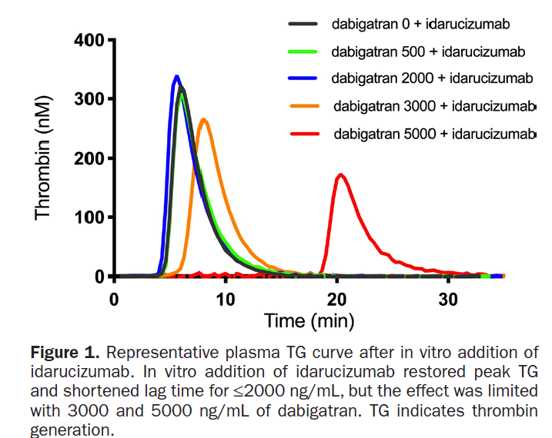 |  |  |  |  |  |  |  |  |  |  |  |  |  |  |  |  |  |  |  |  |  |  |  |  |  |  |  |  |  |  |  |  |  |  |  |  |  |  |  |  |  |  |  |  |  | Authors aimed to evaluate impact of dabigatran on various coagulation assays including TGA, as well as reversal effect of idarucizumab. Did not use tissue factor as the activator, used Dade Actin FS. Unclear how calibration was performed for TGA, ?concurrent sample wells. Unclear if they used plasma samples with dabigatran in it for calibrator. Rough concentration dependent prolongation, statistically significant impact on LT and peak (other parameters not reported) and LT and peak were completely abolished at > 1000 ng/mL. Idarucizumab was able to reversal effects up to 2000 ng/mL but not at 3000-5000 ng/mL. "In the control group, the lag time and peak TG were 3.2 minutes (2.8–3.5 minutes) and 363 nM (248–404 nM), respectively (Table). At therapeutic concentration of dabigatran (200 ng/mL), the lag time was prolonged and peak TG was decreased (6.7 minutes [5.6–7.3 minutes] and 113 nM [91–128 nM], respectively). With supratherapeutic dabigatran concentrations (500–5000 ng/mL), further prolongation in lag time and decrease in peak TG were found, and the TG curve was completely inhibited at ≥1000 ng/mL of dabigatran (P < .001 versus control, respectively). In vitro additions of idarucizumab shortened the lag time and restored peak TG in plasma samples spiked with up to 2000 ng/mL of dabigatran. Residual anticoagulant effects were observed on TG when idarucizumab was added to plasma containing 3000 and 5000 ng/mL of dabigatran (Table; Figure 1)." |  | Yes | In Vitro |  |  |  |  |  |  |  |  |  |  |  |  |  |  |  |  |  |  |  |  |  |  |  |  |  |  |  |  |  |  |  |  |  |  |  |  |  |  |  |  |  |  | Idarucizumab | N/A | 1000 ug/mL | "Approximates dose of 5-g idarucizumab in a 70 kg patient" | Yes, statistical significance not reported | Not reported | Yes, statistical significance not reported | Not reported | Yes | Not reported | Yes | Not reported | Not reported |  |  |  |  |  |  |  |  |  |  |  |  |  |  | No
#431 | PMID: 3331 3467 Lu G, Lin J, Bui K et al. Andexanet versus prothrombin complex concentrates: Differences in reversal of factor Xa inhibitors in in vitro thrombin generation. Res Pract Thromb Haemost 2020; 4: 1282-1294. DOI: 10.1002/rth2.12418 |  | Lu | Res Pract Thromb Haemost | 2020 | USA | In Vitro Spiked Plasma | Portola Pharmaceuticals | Healthy Volunteers |  | CAT/Thrombinoscope | PPP Reagent (5 pM) | PPP | No | No |  |  | Yes | Yes | Yes | Yes | Yes | Yes |  | In Vitro | Apixaban | N/A | N/A | 0-500 | Yes, statistical significance not reported | Yes, statistical significance not reported | Yes, statistical significance not reported | Yes, statistical significance not reported | Yes, statistical significance not reported |  |  |  |  |  | 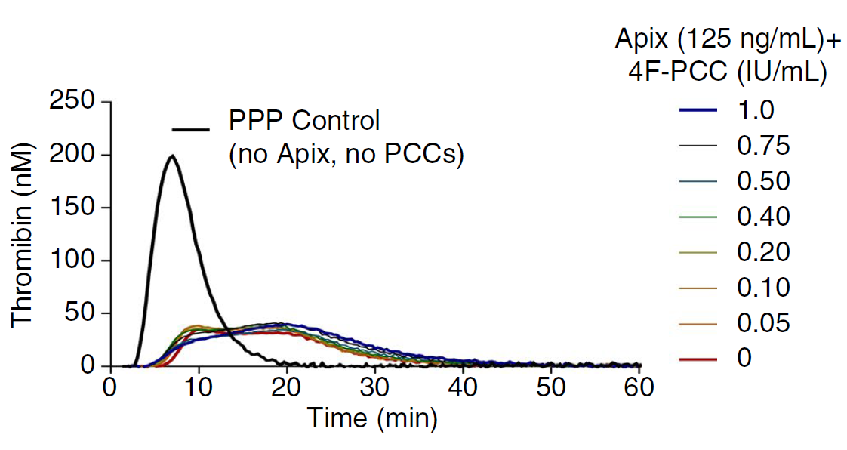 | Rivaroxaban | N/A | N/A | 0-500 | Yes, statistical significance not reported | Yes, statistical significance not reported | Yes, statistical significance not reported | Yes, statistical significance not reported | Yes, statistical significance not reported |  |  |  |  |  | 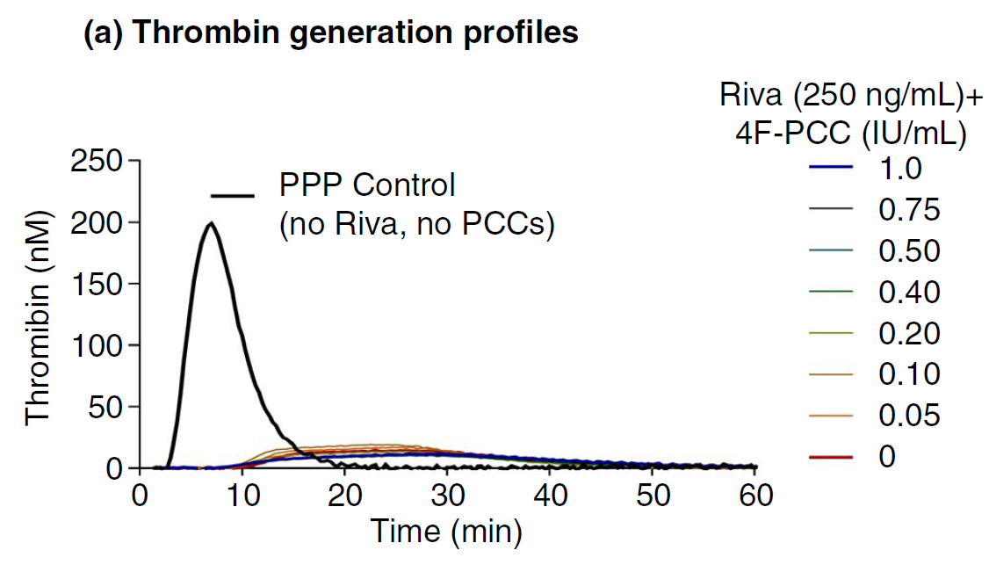 |  |  |  |  |  |  |  |  |  |  |  |  |  |  |  |  |  |  |  |  |  |  |  |  |  |  |  |  |  |  |  |  |  |  |  |  |  |  |  |  |  |  |  |  |  |  |  |  |  |  |  |  |  |  |  |  |  |  |  |  | Authors aimed to assess the impact of different components of PCC on TGA both in absence and in rivaroxaban/apixaban. They showed general concentration-dependent trends for impact of rivaroxaban/apixaban on all TGA parameters but did not report statistical significance. They interestingly showed an impact of individual coagulation factors on TGA parameters in absence of anticoagulation (i.e. PCC increases TGA parameters even when not anticoagulated) and evaluated the individual impact of factors X, IX, VII and II on TGA parameters. Only at lower DOAC concentrations (< 75 ng/mL for apixaban and < 37.5 ng/mL for rivaroxaban ) was 4F-PCC able to restore ETP to baseline levels. LT, TTP, and mVRI are reported in supplement. Statistical significance not reported and only shown in figures. Andexanet alfa normalized both ETP and peak across a wide range of concentrations. They mentions that andexanet alfa lead to ETP 1.4x over normal plasma. They did not report LT, TTP and mVRI for andexanet alfa. They also looked at impact of PCC on TGA in warfarin-anticoagulated plasma with INR = 4.8 (supp) with complete normalization of curve including kinetic parameters. |  | Yes | In Vitro | PCC (Beriplex) | 4FPCC | N/A | 0-1.0 IU/mL | 1.0 IU/mL = 50 IU/kg | Yes, statistical significance not reported | No | Yes, statistical significance not reported | Yes, statistical significance not reported | No | No | No, even at concentrations < 18.75 ng/mL | Yes, but only at concentrations < 37.5 ng/mL | Yes, only at lower rivaroxaban/apixaban concentrations and higher PCC doses |  |  |  |  |  |  |  |  |  |  |  |  |  |  |  |  |  |  |  |  |  |  |  |  |  |  |  |  |  |  |  |  |  |  |  |  |  |  |  |  |  | Andexanet alfa | N/A | 0-4.0 uM | "a range corresponding to approximately the maximum plasma concentrations (Cmax) with andexanet low dose (400-mg bolus plus 4 mg/ min × 2-hour infusion, Cmax ~2.0 μM) and high dose (800-mg bolus plus 8 mg/min × 2-hour infusion, Cmax ~4.0 μM)." | Not reported | Not reported | Yes, statistical significance not reported | Yes, statistical significance not reported | Not reported | Not reported | Yes | Yes | Yes |  | No
#717 | PMID: 3129 8056 Siddiqui F, Tafur A, Ramacciotti LS et al. Reversal of Factor Xa Inhibitors by Andexanet Alfa May Increase Thrombogenesis Compared to Pretreatment Values. Clin Appl Thromb Hemost 2019; 25: 1076029619863493. DOI: 10.1177/1076029619863493 |  | Siddiqui | Clin Appl Thromb Haemost | 2019 | USA | In Vitro Spiked Plasma | None reported | Healthy Volunteers |  | CAT/Thrombinoscope | PPP Reagent High (20 pM) | PPP | No | No |  |  | Yes | Yes | No | Yes | Yes | No |  | In Vitro | Apixaban | N/A | N/A | 62-1000 | Yes, statistical significance not reported | Not reported | Yes, statistical significance not reported | Yes, statistical significance not reported | Not reported |  |  |  |  |  | 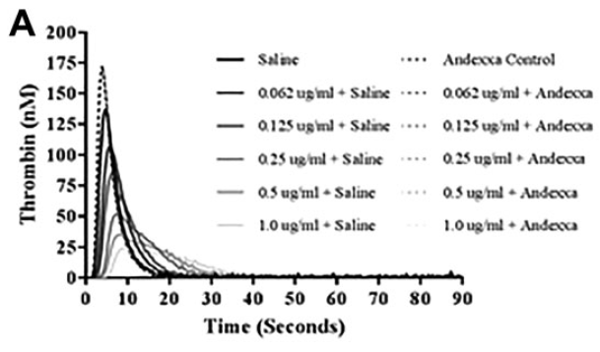 | Rivaroxaban | N/A | N/A | 62-1000 | Yes, statistical significance not reported | Not reported | Yes, statistical significance not reported | Yes, statistical significance not reported | Not reported |  |  |  |  |  | 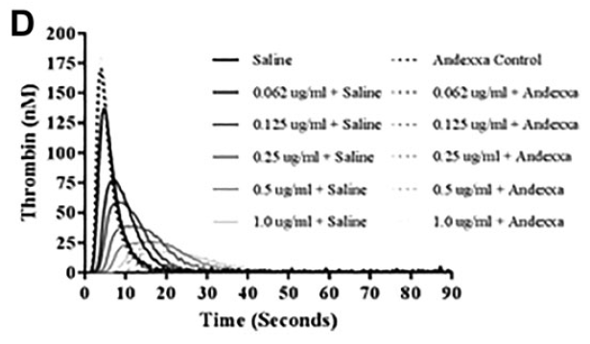 |  |  |  |  |  |  |  |  |  |  |  |  |  |  |  | Edoxaban | N/A | N/A | 62-1000 | Yes, statistical significance not reported | Not reported | Yes, statistical significance not reported | Yes, statistical significance not reported | Not reported |  |  |  |  |  | 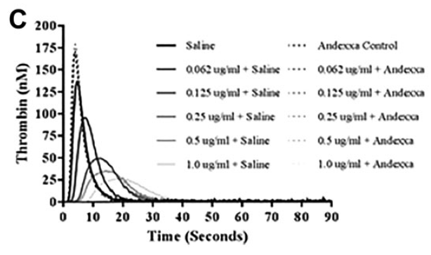 | Betrixaban | N/A | N/A | 62-1000 | Yes, statistical significance not reported | Not reported | Yes, statistical significance not reported | Yes, statistical significance not reported | Not reported |  |  |  |  |  | 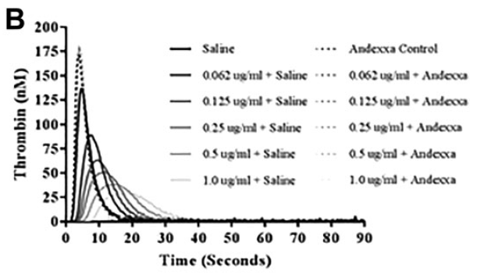 |  |  |  |  |  |  |  |  |  |  |  |  |  |  |  | Authors aimed to compare impact of direct Xa inhibitors on TGA parameters. Use CAT, PPP High. Compared apixaban, betrixaban, edoxaban and rivaroxaban. They assessed the ability of andexanet alfa in vitro to reverse impact on laboratory parameters. "All of the FXa inhibitors produced a concentration-dependent inhibition of TG. Apixaban, betrixaban, and edoxaban exhibited comparable inhibitory effects, whereas rivaroxaban produced relatively stronger effects." They note that TGA values with andexanet alfa (peak, ETP) were higher with andexanet alfa as compared to saline without addition of DOAC. Did not provide statistical significance values, just general trends/values. |  | Yes | In Vitro |  |  |  |  |  |  |  |  |  |  |  |  |  |  |  |  |  |  |  |  |  |  |  |  |  |  |  |  |  |  |  |  |  |  |  |  |  |  |  |  |  |  |  |  |  |  |  |  |  |  |  |  |  |  |  | Andexanet alfa | N/A | 100 ug/mL | Not reported | Yes, statistical significance not reported | Not reported | Yes, statistical significance not reported | Yes, statistical significance not reported | Yes | Not reported | Yes | Yes | Yes |  | No
#1039 | PMID: 3094 6491 Arellano-Rodrigo E, Fernandez-Gallego V, López-Vilchez I et al. Idarucizumab, but not procoagulant concentrates, fully restores dabigatran-altered platelet and fibrin components of hemostasis. Transfusion 2019; 59: 2436-2445. DOI: 10.1111/trf.15259 |  | Arellano-Rodrigo | Transfusion | 2019 | Spain | In Vitro Spiked Plasma | Integrated Project in Health Institutes Technology Development Projects in Health Boehringer Ingelheim | Healthy Volunteers |  | Technothrombin | RC Low (7.2 pM) | PPP | No | No |  |  | Yes | Yes | Yes | Yes | Yes | No |  | In Vitro |  |  |  |  |  |  |  |  |  |  |  |  |  |  |  |  |  |  |  |  |  |  |  |  |  |  |  |  |  |  | Dabigatran | N/A | N/A | 184 | Yes, statistically significant | Yes, statistically significant | Yes, statistically significant | Yes, statistically significant | Not reported |  |  |  |  |  | 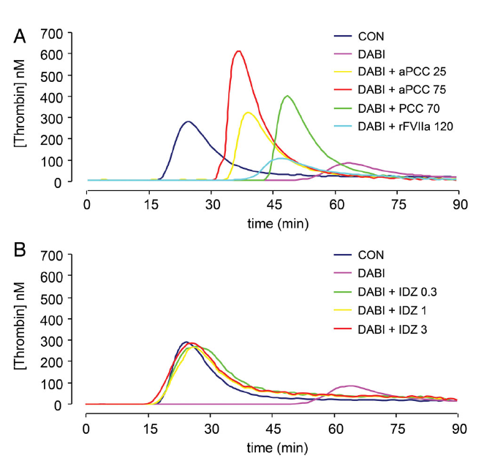 |  |  |  |  |  |  |  |  |  |  |  |  |  |  |  |  |  |  |  |  |  |  |  |  |  |  |  |  |  |  |  |  |  |  |  |  |  |  |  |  |  |  |  |  |  | Main goal of paper was to evaluate impact of dabigatran on various tests of coagulation (TGA, ROTEM, platelet coverage assay). Dabigatran was only tested at 1 concentration of 184 ng/mL. Statistically significant impact on LT, TTP, peak and AUC. They evaluated the impact of aPCC, PCC, rFVIIa and then idarucizumab on these various assays. Found that aPCC had a statistically significant impact on LT, TTP, peak and AUC. Lower dose of 25 IU/kg did not have an impact on lag time. Higher dose of 75 IU/kg still did not normalize LT or TTP but did cause overshoot of peak and ETP. PCC at 70 IU/kg did not have an impact on LT,TTP or peak (although increased was not statistically significant), and resulted in ETP overshoot. rFVIIa had statistically significant impact on LT, not TTP, no impact on peak and no impact on AUC. Idarucizumab effectively normalized all TGA parameters. "Among the non-specific strategies with concentrates, only elevated concentrations of aPCC (75 U/Kg) appeared as an efficient reversal alternative, though its effects were still far from those observed with idarucizumab. Overall, idarucizumab was more efficacious than procoagulant concentrates at reversing the anti-hemostatic action of dabigatran and was exempt of any prothrombotic action in our studies." |  | Yes | In Vitro | PCC (Beriplex) | 4FPCC | N/A | 0.98 IU/mL | 70 IU/kg | No significant effect | No significant effect | No significant effect | Yes, statistically significant | No | No | No | Yes | No |  | aPCC | N/A | 0.35 IU/mL 1.05 IU/mL | 25 IU/kg 75 IU/kg | Yes, statistically significant | Yes, statistically significant | Yes, statistically significant | Yes, statistically significant | No | No | Yes | Yes | Yes |  | rFVIIa | N/A | 1.68 ug/mL | 120 ug/kg | Yes, statistically significant | No significant effect | No significant effect | No significant effect | No | No | No | No | No | Idarucizumab | N/A | 0.3 mg/mL 1 mg/mL 3 mg/mL | 1.6 g 5 g 15 g | Yes, statistically significant | Yes, statistically significant | Yes, statistically significant | Yes, statistically significant | Yes | Yes | Yes | Yes | No |  |  |  |  |  |  |  |  |  |  |  |  |  |  | No
#1305 | PMID: 3034 3500 Helin TA, Zuurveld M, Manninen M et al. Hemostatic profile under fluid resuscitation during rivaroxaban anticoagulation: an in vitro survey. Transfusion 2018; 58: 3014-3026. DOI: 10.1111/trf.14933 |  | Helin | Transfusion | 2018 | Netherlands | In Vitro Spiked Plasma | Sanquin | Healthy Volunteers |  | CAT/Thrombinoscope | 1 pM, 5 pM | PPP | No | No |  |  | Yes | Yes | No | Yes | Yes | No |  | In Vitro |  |  |  |  |  |  |  |  |  |  |  |  |  |  |  | Rivaroxaban | N/A | N/A | 50, 300 | Yes, statistical significance not reported | Not reported | Yes, statistical significance not reported | Yes, statistical significance not reported | Not reported |  |  |  |  |  | 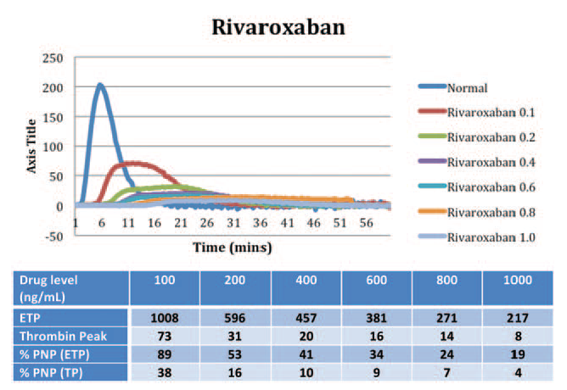 |  |  |  |  |  |  |  |  |  |  |  |  |  |  |  |  |  |  |  |  |  |  |  |  |  |  |  |  |  |  |  |  |  |  |  |  |  |  |  |  |  |  |  |  |  |  |  |  |  |  |  |  |  |  |  |  |  |  |  |  | Impact of rivaroxaban on TGA parameters. Report impact in Table 2, statistical significance not provided. Authors also evaluated impact of FFP and SD-plasma in vitro using plasma from patients on rivaroxaban. PCC experiments were using spiked plasma though. PCC had a statistically significant impact on lag time (only at lower 50 ng/mL rivaroxaban concentration), peak (at both concentrations) and ETP. PCC resulted in normalization of peak at 50 ng/mL but not at 300 ng/mL. Resulted in ETP overshoot at both rivaroxaban concentrations. Authors also concurrently evaluated TEG. FFP and TXA did actually have an impact |  | Yes | In Vitro | PCC (Cofact) | 4FPCC | N/A | 2 IU/mL | 50 IU/kg | Yes, statistically significant (only at rivaroxaban 50 ng/mL, not at 300 ng/mL) | Not reported | Yes, statistically significant | Yes, statistically significant | No | Not reported | Yes | Yes | Yes |  |  |  |  |  |  |  |  |  |  |  |  |  |  |  |  |  |  |  |  |  |  |  |  |  |  |  |  |  |  |  |  |  |  |  |  |  |  |  |  |  |  |  |  |  |  |  |  |  |  |  |  |  |  |  | No
#1412 | PMID: 3031 6961 Bloemen S, Zwaveling S, Douxfils J et al. The anticoagulant effect of dabigatran is reflected in the lag time and time-to-peak, but not in the endogenous thrombin potential or peak, of thrombin generation. Thromb Res 2018; 171: 160-166. DOI: 10.1016/j.thromres.2018.10.005 |  | Bloemen | Thromb Res | 2018 | Belgium | In Vitro Spiked Plasma | Stago | Healthy Volunteers Atrial Fibrillation |  | CAT/Thrombinoscope | 1 pM, 5 pM, 20 pM | PPP | No | No |  |  | Yes | Yes | Yes | Yes | Yes | Yes |  | In Vitro |  |  |  |  |  |  |  |  |  |  |  |  |  |  |  |  |  |  |  |  |  |  |  |  |  |  |  |  |  |  | Dabigatran | N/A | N/A | Reported in nanomolar (0-1000 nM) | Yes, statistical significance not reported | Yes, statistical significance not reported | Yes, statistical significance not reported (paradoxical increase) | Yes, statistical significance not reported (paradoxical increase) | Yes, statistical significance not reported |  |  |  |  |  | 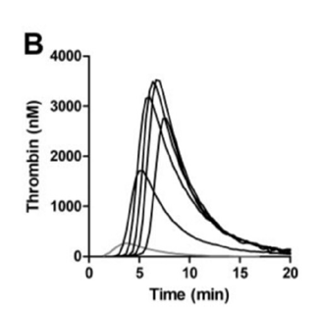 |  |  |  |  |  |  |  |  |  |  |  |  |  |  |  |  |  |  |  |  |  |  |  |  |  |  |  |  |  |  |  |  |  |  |  |  |  |  |  |  |  |  |  |  |  | Authors investigated impact of dabigatran on TGA in vitro. They reported a concentration-dependent prolongation of LT and TTP. They report on the paradoxical increase in ETP, peak and mVRI with increasing dabigatran concentrations. They also tested the addition of idarucizumab to in vitro samples of plasma from patients taking dabigatran for afib. They showed idarucizumab could impact LT, TTP and mVRI but no statistically significant impact on ETP and peak (likely due to inhibition of the calibrator). After adding idarucizumab to calibrator wells they were able to demonstrate an impact of dabigatran on peak and ETP. |  | Yes | In Vitro |  |  |  |  |  |  |  |  |  |  |  |  |  |  |  |  |  |  |  |  |  |  |  |  |  |  |  |  |  |  |  |  |  |  |  |  |  |  |  |  |  |  | Idarucizumab | N/A | 6 uM | Not reported "This concentration was chosen since it can neutralize concentrations of dabigatran up to 6 μM, i.e. 2830 ng/ml (since the idarucizumab binds dabigatran in a 1:1 ratio) and is expected to cover the range of concentrations expected in this population. Additionally, the mean idarucizumab concentration in the REVERSE-AD study after 4 h was around 5–6 μM" | Yes, statistically significant | Yes, statistically significant | No | No | Not reported | Not reported | Not reported | Not reported | No |  |  |  |  |  |  |  |  |  |  |  |  |  |  | No
#2319 | PMID: 2691 6304 Brinkman HJ, Patiwael S, Tripathi S et al. Heparin supplement counteracts the prohemostatic effect of prothrombin complex concentrate and factor IX concentrate: An in vitro evaluation. Thromb Res 2016; 139: 102-110. DOI: 10.1016/j.thromres.2016.01.017 |  | Brinkman | Thromb Res | 2016 | Netherlands | In Vitro Spiked Plasma | Sanquin | Healthy Volunteers |  | CAT/Thrombinoscope | 5 pM | PPP | No | No |  |  | Yes | No | No | No | Yes | No |  | In Vitro |  |  |  |  |  |  |  |  |  |  |  |  |  |  |  | Rivaroxaban | N/A | N/A | 500 | Not reported | Not reported | Not reported | Yes, statistical significance not reported | Not reported |  |  |  |  |  |  |  |  |  |  |  |  |  |  |  |  |  |  |  |  |  |  |  |  |  |  |  |  |  |  |  |  |  |  |  |  |  |  |  |  |  |  |  |  |  |  |  |  |  |  |  |  |  |  |  |  |  |  |  |  |  |  |  |  |  |  | Goal of the paper was to evaluate the action of different PCCs according to heparin content rather than impact of DOACs on ETP. They only show that 500 ng/mL of rivaroxaban does impact PCC. Only Cofact (free of UFH) was able to fully restore ETP, whereas Octaplex, Beriplex and Prothromplex all had inhibitory effects. "Similarly, correction of CAT-ETP was observed with Cofact® and to a lesser extent with Beriplex®, while Octaplex® and Prothromblex® where either without effect at the recommended dose of 50 IU/kg (≈1.25 IU/ml) or showed inhibition of thrombin generation. Complete correction of rivaroxaban anticoagulation was only observed with Cofact®, at a dose of on average 1.8 IU/ml (≈72 IU/kg)." Authors also provide estimates for the heparin content of different PCC formulations. |  | Yes | In Vitro | PCC (Cofact) PCC (Beriplex) PCC (Octaplex) PCC (Prothromplex) | 4FPCC | N/A | 0-2 IU/mL | 0-80 IU/kg | Not reported | Not reported | Not reported | Yes, statistical significance not reported | Not reported | Not reported | Not reported | Yes | No |  |  |  |  |  |  |  |  |  |  |  |  |  |  |  |  |  |  |  |  |  |  |  |  |  |  |  |  |  |  |  |  |  |  |  |  |  |  |  |  |  |  |  |  |  |  |  |  |  |  |  |  |  |  |  | No
#2573 | PMID: 2563 0710 Martin AC, Gouin-Thibault I, Siguret V et al. Multimodal assessment of non-specific hemostatic agents for apixaban reversal. J Thromb Haemost 2015; 13: 426-436. DOI: 10.1111/jth.12830 |  | Martin | J Thromb Haemost | 2015 | France | In Vitro Spiked Plasma | Conny Maeva Charitable Foundation | Healthy Volunteers |  | CAT/Thrombinoscope | PPP Reagent (5 pM) | PPP | No | No |  |  | Yes | Yes | No | Yes | Yes | No |  | In Vitro | Apixaban | N/A | N/A | 194.2 ng/mL 682.5 ng/mL | Yes, statistically significant | Not reported | Yes, statistically significant | Yes, statistically significant | Not reported |  |  |  |  |  |  |  |  |  |  |  |  |  |  |  |  |  |  |  |  |  |  |  |  |  |  |  |  |  |  |  |  |  |  |  |  |  |  |  |  |  |  |  |  |  |  |  |  |  |  |  |  |  |  |  |  |  |  |  |  |  |  |  |  |  |  |  |  |  |  |  |  |  |  |  |  |  |  |  |  |  | Apixaban impact on TGA. Spiked at "therapeutic" and "supratherapeutic" concentrations. Reported statistically significant impact on LT, peak and ETP. Did not report TTP and mVRI for TGA. They tested the addition of PCC, aPCC and rFVII to apixaban-spiked plasma and showed that PCC affected quantitative parameters, aPCC affected both quantitative and kinetic parameters and rFVIIa only affected kinetic parameters. Good article demonstrating differences between products using not only TGA but other assays as well. Data re: TGA correction were taken from Table 3 for therapeutic apixaban doses. |  | Yes | In Vitro | PCC (Kaskadil) | 4FPCC | N/A | 0.5 IU/mL 1.0 IU/mL | 25 IU/kg 50 IU/kg | No significant effect | Not reported | Yes, statistically significant | Yes, statistically significant | No | Not reported | No | Yes | Yes |  | aPCC | N/A | 1 IU/mL 2 IU/mL | 80 IU/kg 160 IU/kg | Yes, statistically significant | Not reported | Yes, statistically significant | Yes, statistically significant | Yes | Not reported | No | Yes | Yes |  | rFVIIa | N/A | 1.8 ug/mL 3 ug/mL | 90 ug/kg 150 ug/kg | Yes, statistically significant | Not reported | Yes, statistically significant | No significant effect | No | Not reported | No | No | No |  |  |  |  |  |  |  |  |  |  |  |  |  |  |  |  |  |  |  |  |  |  |  |  |  |  |  | No
#2655 | PMID: 2550 2064 Hoffman M, Volovyk Z, Monroe DM. Reversal of dabigatran effects in models of thrombin generation and hemostasis by factor VIIa and prothrombin complex concentrate. Anesthesiology 2015; 122: 353-362. DOI: 10.1097/ALN.0000000000000540 |  | Hoffman | Anesthesiology | 2015 | USA | In Vitro Spiked Plasma | US Department of Veterans Affairs CSL-Behring Boehringer Ingelheim | Healthy Volunteers |  | CAT/Thrombinoscope | Cellular source (monocytes) | PRP | No | No |  |  | Yes | Yes | No | Yes | Yes | Yes |  | In Vitro |  |  |  |  |  |  |  |  |  |  |  |  |  |  |  |  |  |  |  |  |  |  |  |  |  |  |  |  |  |  | Dabigatran | N/A | N/A | 189 472 944 | Yes, statistically significant | Not reported | Yes, statistically significant | Yes, statistically significant | Yes, statistically significant |  |  |  |  |  | 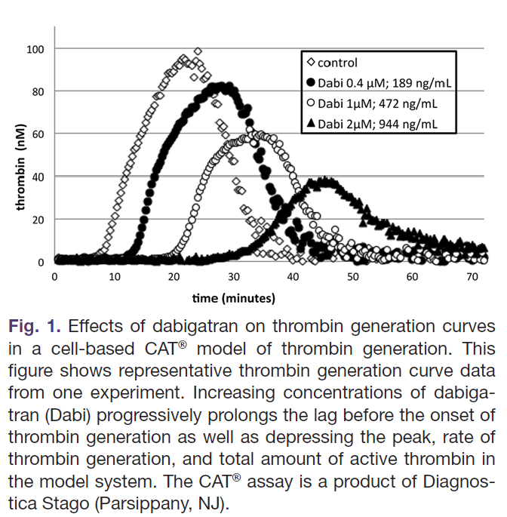 |  |  |  |  |  |  |  |  |  |  |  |  |  |  |  |  |  |  |  |  |  |  |  |  |  |  |  |  |  |  |  |  |  |  |  |  |  |  |  |  |  |  |  |  |  | Used a cell-based model of TGA using monocytes as the source of TF. At therapeutic concentrations, dabigatran would prolong LT and suppress ETP but not statistically significant impact on peak. They reported that at supratherapeutic concentrations dabigatran prolonged lag time, reduced peak, AUC and "rate of thrombin generation". They did not specify in the paper who they defined "rate", ?mVRI. PCC able to exert a statistically significant impact on rate, peak and ETP, and normalize peak and ETP. At low dabigatran or zero dabigatran concentrations, PCC was able to produce supranormal peak and ETP levels. rFVIIa exerted a statistically significant impact on lag but only at certain concentrations, statistically significant impact on rate, peak but not AUC. They were able to demonstrate a dose response relationship for PCC for ETP but not lag time. rFVII was able to impact lag time in a dose dependent manner but not ETP. They also demonstrated that the impact of these agents depends on the level of dabigatran. They evaluated the individual components of PCC to determine what components were responsible for its effect: "Thus, although the prothrombin level makes a significant contribution to the amount of thrombin generated (AUC), all components of the PCC are apparently required for its full hemostatic effect.". This study also involved a mouse saphenous tail vein bleeding model. Dabigatran prolonged time to hemostasis to about twice that measured in control mice (level at end of experiment was only 65 ng/mL). 50 IU/kg of PCC was able to normalize time to hemostasis. For rFVIIa 540 ug/kg was needed to restore hemostasis to control levels. |  | Yes | In Vitro | PCC (Beriplex) | 4FPCC | N/A | 0-2 IU/mL | 1 IU/mL = 50 IU/kg | No significant effect | Not reported | Yes, statistically significant | Yes, statistically significant | No | Not reported | Yes | Yes | Yes |  |  |  |  |  |  |  |  |  |  |  |  |  |  |  | rFVIIa | N/A | 100 nM | Not reported | Yes, statistically significant | Not reported | Yes, statistically significant | No significant effect | No | Not reported | No | No | No |  |  |  |  |  |  |  |  |  |  |  |  |  |  |  |  |  |  |  |  |  |  |  |  |  |  |  | No
#2707 | PMID: 2548 2382 Escolar G, Arellano-Rodrigo E, Lopez-Vilchez I et al. Reversal of rivaroxaban-induced alterations on hemostasis by different coagulation factor concentrates – in vitro studies with steady and circulating human blood. Circ J 2015; 79: 331-338. DOI: 10.1253/circj.CJ-14-0909 |  | Escolar | Circ J | 2015 | Spain | In Vitro Spiked Plasma | Instituto de Salud Carlos Cardiovascular Research Net European Regional Development Funds Ministerio de Economia y Competitividad | Healthy Volunteers |  | Technothrombin | RC Low (7.2 pM) | PPP | No | No |  |  | Yes | Yes | Yes | Yes | No | No |  | In Vitro |  |  |  |  |  |  |  |  |  |  |  |  |  |  |  | Rivaroxaban | N/A | N/A | 230 | Yes, statistically significant | Yes, statistically significant | Yes, statistically significant | Not reported | Not reported |  |  |  |  |  |  |  |  |  |  |  |  |  |  |  |  |  |  |  |  |  |  |  |  |  |  |  |  |  |  |  |  |  |  |  |  |  |  |  |  |  |  |  |  |  |  |  |  |  |  |  |  |  |  |  |  |  |  |  |  |  |  |  |  |  |  | Rivaroxaban only. Only reported LT, TTP and peak. Rivaroxaban at 230 ng/mL altered all 3. They investigated rFVIIa, PCC and aPCC. rFVIIa had a significant impact on all 3 parameters, but only normalized LT. aPCC had a significant impact on all 3. Normalized the lag time. PCC had an impact on lag time but it was not statistically significant. Had a smaller impact on peak that was not statistically significant. No significant impact on TTP. Data collected are for TF assess, not just phospholipid micelles. Also used perfusion studies to evaluate platelet and fibrin deposition and used ROTEM. Good example to show that these agents don't normalize parameters and that aPCC seems to have a greater impact than PCC. |  | Yes | In Vitro | PCC (Beriplex) | 4FPCC | N/A | Not reported | 50 IU/kg | No significant effect | No significant effect | No significant effect | Not reported | No | No | No | Not reported | Not reported |  | aPCC | N/A | Not reported | 75 IU/kg | Yes, statistically significant | Yes, statistically significant | Yes, statistically significant | Not reported | Yes | Yes | Yes | Not reported | Not reported | 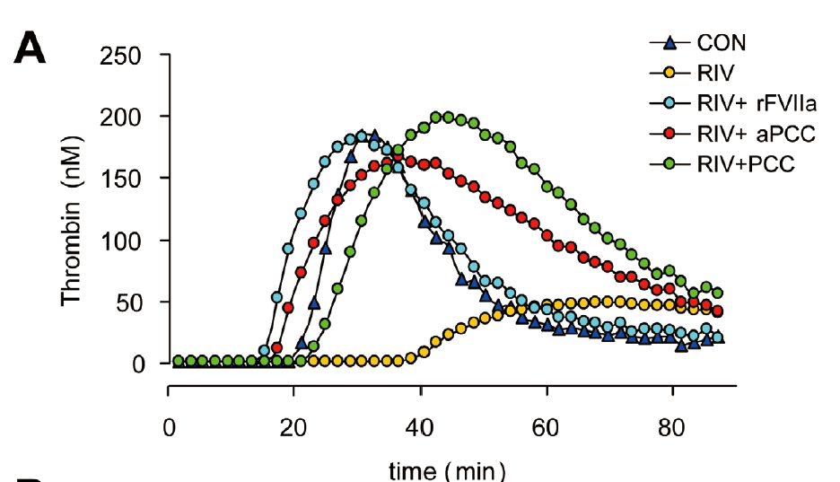 | rFVIIa | N/A | Not reported | 270 ug/kg | Yes, statistically significant | Yes, statistically significant | Yes, statistically significant | Not reported | Yes | Yes | Yes | Not reported | Not reported |  |  |  |  |  |  |  |  |  |  |  |  |  |  |  |  |  |  |  |  |  |  |  |  |  |  |  | No
#2804 | PMID: 2636 4029 Arellano-Rodrigo E, Lopez-Vilchez I, Galan AM et al. Coagulation Factor Concentrates Fail to Restore Alterations in Fibrin Formation Caused by Rivaroxaban or Dabigatran in Studies With Flowing Blood From Treated Healthy Volunteers. Transfus Med Rev 2015; 29: 242-249. DOI: 10.1016/j.tmrv.2015.08.001 |  | Arellano-Rodrigo | Transfusion Medicine Reviews | 2015 | Spain | In Vitro Spiked Plasma | Instituto de Salud Carlos Cardiovascular Research Net European Regional Development Funds | Healthy Volunteers |  | Technothrombin | RC Low (7.2 pM) | PPP | No | No |  |  | Yes | Yes | Yes | Yes | Yes | No |  | In Vivo |  |  |  |  |  |  |  |  |  |  |  |  |  |  |  | Rivaroxaban | 10 | 20 mg po OD | Not reported | Yes, statistically significant | Yes, statistically significant | Yes, statistically significant | Yes, statistically significant | Not reported |  |  |  |  |  | 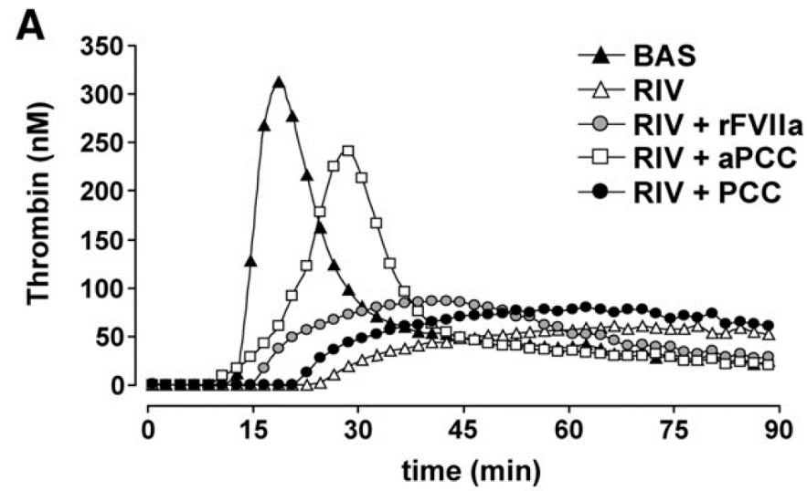 | Dabigatran | 10 | 150 mg po BID | Not reported | Yes, statistically significant | Yes, statistically significant | No | Yes, statistically significant | Not reported |  |  |  |  |  | 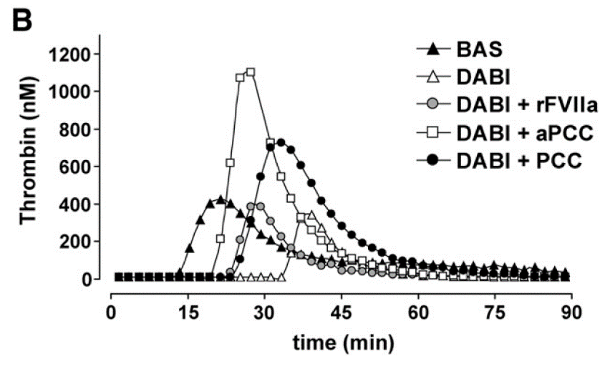 |  |  |  |  |  |  |  |  |  |  |  |  |  |  |  |  |  |  |  |  |  |  |  |  |  |  |  |  |  |  |  |  |  |  |  |  |  |  |  |  |  |  |  |  |  | Evaluated impact of rivaroxaban and dabigatran on TGA. Healthy volunteers took rivaroxaban/dabigatran x 5 days and then their plasma was spiked with hemostatic agents. They did not seem to measure/report DOAC concentrations from drawn samples. Plasma samples were drawn at peak (CMax; 2-3 hours post dose). Provided impact with statistical significant for PCC, aPCC and rFVIIa for both rivaroxaban and dabigatran |  | Yes | In Vitro | PCC (Beriplex) | 4FPCC | N/A | Not reported | 50 IU/kg | Rivaroxaban - Yes, statistically significant Dabigatran - Yes, statistically significant | Rivaroxaban - No significant effect Dabigatran - Yes, statistically significant prolongation | Rivaroxaban - No significant effect Dabigatran - Yes, statistically significant | Rivaroxaban - Yes, statistically significant Yes, statistically significant | Rivaroxaban - No Dabigatran - No | Rivaroxaban - No Dabigatran - No | Rivaroxaban - No Dabigatran - Yes | Rivaroxaban - No Dabigatran - Yes | Rivaroxaban - No Dabigatran - Yes |  | aPCC | N/A | Not reported | 75 U/kg | Rivaroxaban - Yes, statistically significant Dabigatran - Yes, statistically significant | Rivaroxaban - Yes, statistically significant Dabigatran - Yes, statistically significant | Rivaroxaban - Yes, statistically significant Dabigatran - Yes, statistically significant | Rivaroxaban - Yes, statistically significant Dabigatran - Yes, statistically significant | Rivaroxaban - Yes Dabigatran - No | Rivaroxaban - Yes Dabigatran - No | Rivaroxaban - Yes Dabigatran - Yes | Rivaroxaban - Yes Dabigatran - Yes | Rivaroxaban - Yes Dabigatran - Yes | 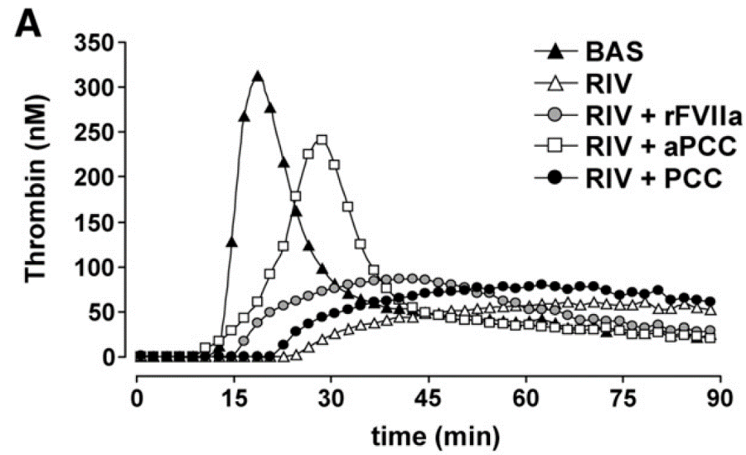  | rFVIIa | N/A | Not reported | 270 ug/kg | Rivaroxaban - Yes, statistically significant Dabigatran - Yes, statistically significant | Rivaroxaban - Yes, statistically significant Dabigatran - Yes, statistically significant | Rivaroxaban - No Dabigatran - No | Rivaroxaban - No Dabigatran - No | Rivaroxaban - No Dabigatran - No | Rivaroxaban - No Dabigatran - No | Rivaroxaban - No Dabigatran - No | Rivaroxaban - No Dabigatran - No | Rivaroxaban - No Dabigatran - No |  |  |  |  |  |  |  |  |  |  |  |  |  |  |  |  |  |  |  |  |  |  |  |  |  |  |  | No
#2912 | PMID: 2452 9498 Perzborn E, Heitmeier S, Laux V et al. Reversal of rivaroxaban-induced anticoagulation with prothrombin complex concentrate, activated prothrombin complex concentrate and recombinant activated factor VII in vitro. Thromb Res 2014; 133: 671-681. DOI: 10.1016/j.thromres.2014.01.017 |  | Perzborn | Thromb Res | 2014 | Germany | In Vitro Spiked Plasma | Bayer HealthCare | Healthy Volunteers |  | CAT/Thrombinoscope | PPP Reagent (5 pM) | PPP | No | No |  |  | Yes | Yes | No | Yes | Yes | No |  | In Vitro |  |  |  |  |  |  |  |  |  |  |  |  |  |  |  | Rivaroxaban | N/A | N/A | 0-1000 | Yes, statistically significant | Not reported | Yes, statistically significant | Yes, statistically significant | Not reported |  |  |  |  |  |  |  |  |  |  |  |  |  |  |  |  |  |  |  |  |  |  |  |  |  |  |  |  |  |  |  |  |  |  |  |  |  |  |  |  |  |  |  |  |  |  |  |  |  |  |  |  |  |  |  |  |  |  |  |  |  |  |  |  |  |  | Only rivaroxaban, 0-1000. Only reported LT, peak and ETP. Evaluated rFVIIa, PCC and aPCC. "In summary, lag time of TG was partially reversed by all three agents; rFVIIa had the greatest reversal effect followed by aPCC, and PCC had the least effect. Whether ETP inhibition was completely reversed or even overcompensated by aPCC or PCC was dependent on the rivaroxaban concentration used to induce inhibition; aPCC was more effective than PCC. rFVIIa showed a strong but only partial reversal. rFVIIa and aPCC partially reversed rivaroxaban-induced inhibition of Cmax; PCC had no effect" "Rivaroxaban-induced inhibition of Cmax of TG was affected by the three agents, with aPCC and PCC alone significantly increasing Cmax over baseline. However, the reversal effect was much less pronounced compared with ETP. Rivaroxaban alone potently reduced Cmax, and to a lesser extent ETP, with IC50 values of 20 ng/mL and 458 ng/mL (mean of the three studies measuring the effects of PCC, aPCC and rFVIIa), respectively. These results suggest that the main effect of rivaroxaban-induced factor Xa inhibition is the delay of thrombin formation in the TG assay. Thus, in rivaroxaban-spiked plasma even in the presence of aPCC, PCC or rFVIIa, the generation of thrombin and, therefore, factor Xa is delayed, and the amount of factor Xa generated is still insufficient to neutralise rivaroxaban at the time point of Cmax. Similarly, in the ex vivo study by Marlu et al. [44], the effect on Cmax reversal was less pronounced compared with the effect on ETP." |  | Yes | In Vitro | PCC (Beriplex) | 4FPCC | N/A | 0.4 IU/mL 0.7 IU/mL | 25 IU/kg 50 IU/kg | Yes, statistically significant (only at higher PCC doses of ≥ 50 IU/kg and only at higher rivaroxaban concentration of > 200 ng/mL) | Not reported | No significant effect | Yes, statistically significant | No | Not reported | No | Yes (only at rivaroxaban concentrations of ≤ 200 ng/mL) | Yes |  | aPCC | N/A | 0.2 IU/mL 0.4 IU/mL 0.7 IU/mL 1.0 IU/mL | 0.7 IU/mL = 50 IU/kg 1.0 IU/mL = 50-100 IU/kg | Yes, statistically significant | Not reported | Yes, statistically significant (only at rivaroxaban concentration ≤ 200 ng/mL) | Yes, statistically significant | No | Not reported | No | Yes (even at higher rivaroxaban levels of 1000 ng/mL) | Yes (at lower rivaroxaban concentration) |  | rFVIIa | N/A | 5 ug/mL 15 ug/mL 50 ug/mL | 5 ug/mL = 270 ug/kg | Yes, statistically significant | Not reported | Yes, statistically significant | Yes, statistically significant | No | Not reported | No | No | No |  |  |  |  |  |  |  |  |  |  |  |  |  |  |  |  |  |  |  |  |  |  |  |  |  |  |  | No
#3038 | PMID: 2490 2009 Dinkelaar J, Patiwael S, Harenberg J et al. Global coagulation tests: their applicability for measuring direct factor Xa- and thrombin inhibition and reversal of anticoagulation by prothrombin complex concentrate. Clin Chem Lab Med 2014; 52: 1615-1623. DOI: 10.1515/cclm-2014-0307 |  | Dinkelaar | Clin Chem Lab Med | 2014 | Netherlands | In Vitro Spiked Plasma | Sanquin Dietmar Hopp Foundation | Healthy Volunteers |  | CAT/Thrombinoscope | 5 pM | PPP | No | No |  |  | Yes | Yes | No | Yes | Yes | No |  | In Vitro | Apixaban | N/A | N/A | 200 500 800 | Yes, statistical significance not reported | Not reported | Yes, statistical significance not reported | Yes, statistical significance not reported | Not reported |  |  |  |  |  | 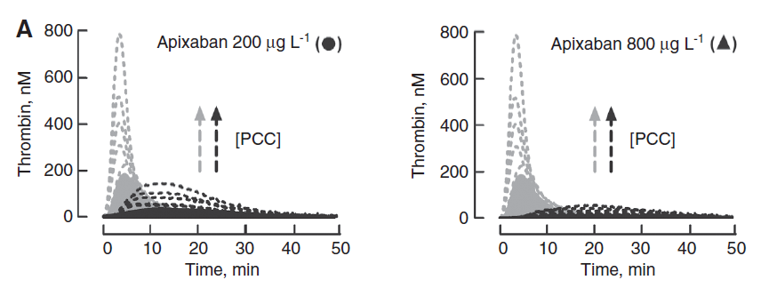 |  |  |  |  |  |  |  |  |  |  |  |  |  |  |  | Dabigatran | N/A | N/A | 200 500 800 | Yes, statistical significance not reported | Not reported | Yes, statistical significance not reported | Yes, statistical significance not reported | Not reported |  |  |  |  |  | 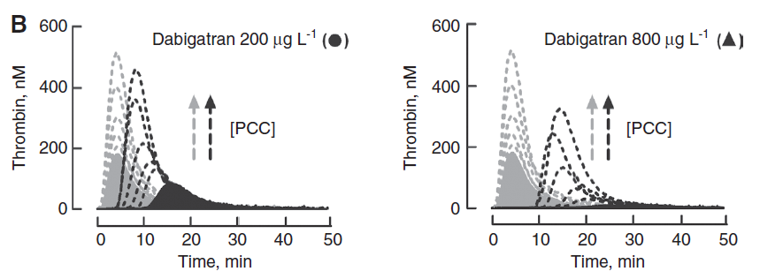 |  |  |  |  |  |  |  |  |  |  |  |  |  |  |  |  |  |  |  |  |  |  |  |  |  |  |  |  |  |  |  |  |  |  |  |  |  |  |  |  |  |  |  |  |  | Impact of apixaban and dabigatran on various coagulation assays/TGA/TEG. Assessed impact of PCC on different assays (0-4 IU/mL). Did not provide corresponding value in terms of IU/kg. They do not provide statistical significance but describe results naratively and using graphs. They provide doses of PCC required to "normalize" TGA parameters. Only report LT, peak and ETP (Table 1). Lag time was not normalized, peak was only normalized for dabigatran. ETP normalized for both. ETP overshoot seen even at both DOAC concentrations and even at higher DOAC concentrations with very high PCC doses.. They don't mention any differences in technique to account for dabigatran interference with calibrator. Useful Figure 5 re: amount of thrombin generation in conventional clotting assays: "(B) Initiation and propagation phase in thrombin generation. Fibrin clot is formed when approximately 2% of prothrombin is converted into thrombin. Thrombin generation during the initiation phase is dependent on the concentration of TFfactor VIIa complex. Since factor V is almost completely converted into factor Va, thrombin generation in the propagation phase is predominantly dependent on the concentration of factor Xa." "During the initiation phase of coagulation thrombin generation is primarily dependent on the concentration of the TF/FVIIa complex [26] and thus on feedback activation of factor VII by coagulation proteases including factor Xa and thrombin [27]. This current view is schematically depicted in Figure 5. This may explain why in the presence of direct factor Xa or thrombin inhibitors, the initiation phase is lengthened as noticed in all our TF-dependent assays. By increasing the concentration of the essential clotting factors prothrombin, factor VII and factor X, slightly more factor Xa and thrombin will be generated that escapes from inhibition by either direct Xa or thrombin inhibitor resulting in increased feedback activation. This is observed as the partly corrected lag time i |  | Yes | In Vitro | PCC (Cofact) | 4FPCC | N/A | 0-4 IU/mL | Not reported | Apixaban - Yes, statistical significance not reported Dabigatran - Yes, statistical significance not reported | Not reported | Apixaban - Yes, statistical significance not reported Dabigatran - Yes, statistical significance not reported | Apixaban - Yes, statistical significance not reported Dabigatran - Yes, statistical significance not reported | Apixaban - No Dabigatran - No | Not reported | Apixaban - No Dabigatran - Yes | Apixaban - Yes Dabigatran - Yes | Apixaban - Yes Dabigatran - Yes |  |  |  |  |  |  |  |  |  |  |  |  |  |  |  |  |  |  |  |  |  |  |  |  |  |  |  |  |  |  |  |  |  |  |  |  |  |  |  |  |  |  |  |  |  |  |  |  |  |  |  |  |  |  |  | No
#3169 | PMID: 2346 6964 Wong PC, White A, Luettgen J. Inhibitory effect of apixaban compared with rivaroxaban and dabigatran on thrombin generation assay. Hosp Pract (1995) 2013; 41: 19-25. DOI: 10.3810/hp.2013.02.1009 |  | Wong | Hosp Pract | 2013 | USA | In Vitro Spiked Plasma | Bristol-Myers Squibb | Healthy Volunteers |  | CAT/Thrombinoscope | PPP Reagent (5 pM) | PPP | No | No |  |  | Yes | Yes | Yes | Yes | Yes | Yes |  | In Vitro | Apixaban | N/A | N/A | Reported in micromolar (0-1 uM) | Yes, statistical significance not reported | Yes, statistical significance not reported | Yes, statistical significance not reported | Yes, statistical significance not reported | Yes, statistical significance not reported |  |  |  |  |  | 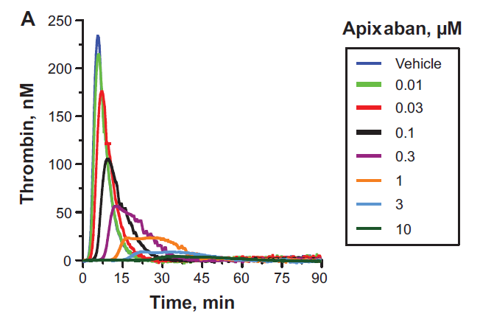 | Rivaroxaban | N/A | N/A | Reported in micromolar (0-1 uM) | Yes, statistical significance not reported | Yes, statistical significance not reported | Yes, statistical significance not reported | Yes, statistical significance not reported | Yes, statistical significance not reported |  |  |  |  |  | 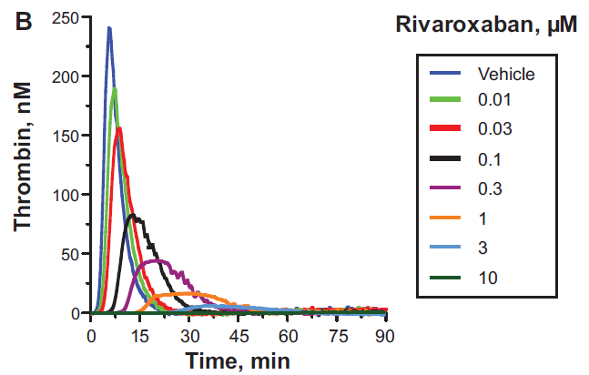 | Dabigatran | N/A | N/A | Reported in micromolar (0-1 uM) | Yes, statistical significance not reported | Yes, statistical significance not reported | Yes, statistical significance not reported | Yes, statistical significance not reported | Yes, statistical significance not reported |  |  |  |  |  |  |  |  |  |  |  |  |  |  |  |  |  |  |  |  |  |  |  |  |  |  |  |  |  |  |  |  |  |  |  |  |  |  |  |  |  |  |  |  |  |  |  |  |  |  |  | Authors tested apixaban, rivaroxaban and dabigatran in terms of impact on TGA. Described more so naratively and using figures. Also provided doubling and IC50 values. In terms of rFVIIa, they only tested for apixaban. They showed it could have a statistically significant impact on lag time and TTP. At usual therapeutic dosing (5 ug/mL, ~ 270 ug/kg) and at peak therapeutic apixaban concentration (0.2 uM), it did normalize LT and lower TTP but this result was not statistically significant. Did not really impact quantitative parameters, but results were dependent on the apixaban concentration and rFVIIa dosing. At very high doses rFVIIa did correct quantitative parameters to some extent. "In the presence of either apixaban or rivaroxaban, the tissue factor–induced TG curve was modified in a concentration- dependent manner (Figure 1A and B, respectively). With apixaban, the thrombin peak, Vmax, and ETP decreased, whereas the LT and TTP increased in a concentrationdependent manner where the effect on ETP was less than that for LT, TTP, thrombin peak, and Vmax (Figure 2A–E). No significant levels of active thrombin were detected with apixaban 10 μM or rivaroxaban 3 to 10 μM (Figure 1A, B and 2A–E). A different profile on the TG curve was observed with dabigatran (Figure 1C and 2A–E). The ETP, thrombin peak, and Vmax were less affected than the LT and TTP. At dabigatran concentrations of 3 to 10 μM, no significant levels of active thrombin were detected (Figure 1C and 2A–E)." |  | Yes | In Vitro |  |  |  |  |  |  |  |  |  |  |  |  |  |  |  |  |  |  |  |  |  |  |  |  |  |  |  |  |  | rFVIIa | N/A | 5 ug/mL 50 ug/mL | Not reported | Apixaban - Yes, statistically significant | Apixaban - Yes, statistically significant | Apixaban - No | Apixaban - No | Apixaban - Yes | Apixaban - No | Apixaban - No | Apixaban - No | Apixaban - No |  |  |  |  |  |  |  |  |  |  |  |  |  |  |  |  |  |  |  |  |  |  |  |  |  |  |  | No
#3415 | PMID: 2424 4342 Escolar G, Fernandez-Gallego V, Arellano-Rodrigo E et al. Reversal of apixaban induced alterations in hemostasis by different coagulation factor concentrates: significance of studies in vitro with circulating human blood. PLoS One 2013; 8: e78696. DOI: 10.1371/journal.pone.0078696 |  | Escolar | PloS One | 2013 | Spain | In Vitro Spiked Plasma | Bristol-Myers Squibb Instituto de Salud Carlos III | Healthy Volunteers |  | Technothrombin | RC Low (7.2 pM) | PPP | No | No |  |  | Yes | Yes | Yes | Yes | No | No |  | In Vitro | Apixaban | N/A | N/A | 200 | Yes, statistically significant | No | Yes, statistically significant | Not reported | Not reported |  |  |  |  |  |  |  |  |  |  |  |  |  |  |  |  |  |  |  |  |  |  |  |  |  |  |  |  |  |  |  |  |  |  |  |  |  |  |  |  |  |  |  |  |  |  |  |  |  |  |  |  |  |  |  |  |  |  |  |  |  |  |  |  |  |  |  |  |  |  |  |  |  |  |  |  |  |  |  |  |  | Impact of apixaban on TGA. Reported statistical significance for lag time and peak but not TTP even though it was doubled by apixaban. Did not report ETP. They tested PCC, aPCC and rFVIIa. "Alterations induced by apixaban were characterized by a statistically significant delay in the lag phase (34.365.5 min vs. 15.562.3 min in control experiments; p,0.01), and a dramatic reduction in the maximum thrombin peak achieved during TG (75,8623 nM vs. 349.7630 nM in control experiments; p,0.01). Recombinant FVIIa and aPCCs partially restored the alterations in the kinetics of TG caused by apixaban, reducing the prolongations in the lag phase (p,0.01 vs. apixaban alone) and enhancing the maximum thrombin peak observed during TG (p,0.05 vs. apixaban alone). PCCs shortened the lag phase and enhanced TG initially altered by apixaban, though differences did not achieve the levels of statistical significance." |  | Yes | In Vitro | PCC (Beriplex) | 4FPCC | N/A | Not reported | 50 IU/kg | No significant effect | No significant effect | No significant effect | Not reported | No | No | No | Not reported | No |  | aPCC | N/A | Not reported | 75 IU/kg | Yes, statistically significant | No significant effect | Yes, statistically significant | Not reported | Yes | No | No | Not reported | Not reported |  | rFVIIa | N/A | Not reported | 270 ug/kg | Yes, statistically significant | No significant effect | Yes, statistically significant | Not reported | No | No | No | Not reported | Not reported |  |  |  |  |  |  |  |  |  |  |  |  |  |  |  |  |  |  |  |  |  |  |  |  |  |  |  | No
#3589 | PMID: 2262 7883 Marlu R, Hodaj E, Paris A et al. Effect of non-specific reversal agents on anticoagulant activity of dabigatran and rivaroxaban: a randomised crossover ex vivo study in healthy volunteers. Thromb Haemost 2012; 108: 217-224. DOI: 10.1160/TH12-03-0179 |  | Marlu | Thromb Res | 2012 | France | In Vitro Spiked Plasma | Stago Clinical Research and Innovation Department Grenoble University | Healthy Volunteers |  | CAT/Thrombinoscope | 5 pM | PPP | No | No |  |  | Yes | Yes | Yes | Yes | Yes | Yes |  | In Vivo |  |  |  |  |  |  |  |  |  |  |  |  |  |  |  | Rivaroxaban | 10 | 20 mg po single dose | Not reported | Yes, statistically significant | Yes, statistically significant | Yes, statistically significant | Yes, statistically significant | Not reported |  |  |  |  |  |  | Dabigatran | 10 | 150 mg po single dose | Not reported | Yes, statistically significant | Yes, statistically significant | No | Yes, statistically significant | Not reported |  |  |  |  |  |  |  |  |  |  |  |  |  |  |  |  |  |  |  |  |  |  |  |  |  |  |  |  |  |  |  |  |  |  |  |  |  |  |  |  |  |  |  |  |  |  |  |  |  |  |  | Healthy participants took rivaroxaban 20 mg po OD single dose of dabigatran 150 mg po single dose (washout period in between). Blood sample drawn at peak ~ 2 hours then spiked with hemostatic agents. They did not draw DOAC levels as were not available at the time. A lot of details on impact of hemostatic therapies, some in Figures and some in the main text. |  | Yes | In Vitro | PCC (Kanokad) | 4FPCC | N/A | 0.25 U/mL 0.5 U/mL 1 U/mL | 0.5 U/mL = 25 U/kg | Rivaroxaban - No significant effect Dabigatran - No significant effect | Rivaroxaban - No significant effect Dabigatran - No significant effect | Rivaroxaban - Yes, statistically significant Dabigatran - Yes, statistically significant | Rivaroxaban - Yes, statistically significant Dabigatran - Yes, statistically significant | Rivaroxaban - No Dabigatran - No | Rivaroxaban - No Dabigatran - No | Rivaroxaban - No Dabigatran - Yes | Rivaroxaban - Yes Dabigatran - Yes | Rivaroxaban - Yes Dabigatran - Yes |  | aPCC | N/A | 0.25 U/mL 0.5 U/mL 1 U/mL 2 U/mL | 1 U/mL = 80 U/kg | Rivaroxaban - Yes, statistically significant Dabigatran - Yes, statistically significant | Rivaroxaban - Yes, statistically significant Dabigatran - Yes, statistically significant | Rivaroxaban - Yes, statistically significant Dabigatran - Yes, statistically significant | Rivaroxaban - Yes, statistically significant Dabigatran - Yes, statistically significant | Rivaroxaban - No Dabigatran - Yes | Rivaroxaban - No Dabigatran - No | Rivaroxaban - Yes Dabigatran - Yes | Rivaroxaban - Yes Dabigatran - Yes | Rivaroxaban - Yes Dabigatran - Yes |  Q | rFVIIa | N/A | 0.5 ug/mL 1.5 ug/mL 3 ug/mL | 3 ug/mL = 120 ug/kg | Rivaroxaban - Yes, statistically significant Dabigatran - Yes, statistically significant | Rivaroxaban - Yes, statistically significant Dabigatran - No significant effect | Rivaroxaban - Yes, statistically significant Dabigatran - Not reported | Rivaroxaban - No significant effect Dabigatran - No significant effect | Rivaroxaban - Yes Dabigatran - Yes | Rivaroxaban - No Dabigatran - No | Rivaroxaban - No Dabigatran - No | Rivaroxaban - No Dabigatran - No | Rivaroxaban - No Dabigatran - No |  |  |  |  |  |  |  |  |  |  |  |  |  |  |  |  |  |  |  |  |  |  |  |  |  |  |  | No
HEALTHY VOLUNTEERS - IN VIVO ANTICOAGULATION REVERSAL
#432 | PMID: 3209 2140 Lu G, Conley PB, Leeds JM et al. A phase 2 PK/PD study of andexanet alfa for reversal of rivaroxaban and edoxaban anticoagulation in healthy volunteers. Blood Adv 2020; 4: 728-739. DOI: 10.1182/bloodadvances.2019000885 | #NCT03578146 #NCT03551743 | Lu | Blood Advances | 2020 | USA | In Vivo Phase 2 Randomized Double Blinded Dose-Finding Placebo-Controlled Trial | Portola Pharmaceuticals | Healthy Volunteers |  | Non-calibrated method | 100 pM | PPP | No | No |  |  | No | No | No | No | No | No |  | In Vivo |  |  |  |  |  |  |  |  |  |  |  |  |  |  |  | Rivaroxaban | 48 | 20 mg po daily x 6 days | Not reported | Not reported | Not reported | Not reported | Not reported | Not reported |  |  |  |  |  |  |  |  |  |  |  |  |  |  |  |  |  |  |  |  |  | Edoxaban | 28 | 60 mg po daily x 6 days | Not reported | Not reported | Not reported | Not reported | Not reported | Not reported |  |  |  |  |  |  |  |  |  |  |  |  |  |  |  |  |  |  |  |  |  |  |  |  |  |  |  |  |  |  |  |  |  |  |  |  | Article focused on PK/PD of andexanet alfa. Healthy volunteers took 6 days of rivaroxaban or edoxaban then received various bolus/infusion doses of andexanet alfa. Thrombin generation was not performed using a standardized method. The methods were reported in supplemental material which then made referrence to the EXPERT trial publication from 2009 (and even there there were minimal details). Total thrombin generation was reported at the end of 10 minutes using RFU (not calibrated). Did not reported LT, TTP, ETP, peak or mVRI. Did not specifically report measured DOAC levels prior to andexanet alfa administration. Reported unbound and total Xa levels (very high levels seen, purported to be secondary to redistribution into the plasma compartment from andexanet alfa). They recorded adverse events including major bleeding and thrombotic events. No thrombotic/major bleeding events were recorded. |  | Yes | In Vivo |  |  |  |  |  |  |  |  |  |  |  |  |  |  |  |  |  |  |  |  |  |  |  |  |  |  |  |  |  |  |  |  |  |  |  |  |  |  |  |  |  |  |  |  |  |  |  |  |  |  |  |  |  |  |  | Andexanet Alfa | 210-800 mg bolus 4-8 mg/hour infusions | 50,400-429,000 ng/mL | N/A | Not reported | Not reported | Not reported | Not reported | Not reported | Not reported | Not reported | Not reported | Not reported |  | Yes | Yes | "Thrombotic Events" | No patients experienced thrombotic complications | N/A | No | No | N/A | N/A | 48 days
#1229 | PMID: 2910 6076 Levy JH, Moore KT, Neal MD et al. Rivaroxaban reversal with prothrombin complex concentrate or tranexamic acid in healthy volunteers. J Thromb Haemost 2018; 16: 54-64. DOI: 10.1111/jth.13894 | NCT02561923 | Levy | J Thromb Haemost | 2018 | Canada | In Vivo Phase 1 PK/PD Study | Janssen Pharmaceuticals | Healthy Volunteers |  | Technothrombin | Not reported | PPP | No | No |  |  | Yes | Yes | Yes | No | Yes | No |  | In Vivo |  |  |  |  |  |  |  |  |  |  |  |  |  |  |  | Rivaroxaban | 159 | 20 mg po q12h x 3.5 days | Cmax = 344-375 Ctrough = 130-131 | Yes, statistical significance not reported | Yes, statistical significance not reported | Not reported | Yes, statistical significance not reported | Not reported |  |  |  |  |  |  |  |  |  |  |  |  |  |  |  |  |  |  |  |  |  |  |  |  |  |  |  |  |  |  |  |  |  |  |  |  |  |  |  |  |  |  |  |  |  |  |  |  |  |  |  |  |  |  |  |  |  |  |  |  |  |  |  |  |  |  | PK/PD study among healthy volunteers evaluating impact of rivaroxaban on BD/BV following punch biopsy and then impact of 4FPCC vs TXA vs saline control on BD/BV and PK/PD parameters. Only reported rivaroxaban concentration following Part 1 study (max 2-3 hours post dose). They reported the general impact of a single dose of rivaroxaban on TGA parameters but did not provide statistical significance. They evaluated the impact of 50 IU/kg 4FPCC on BD/BV. They did not find a statistically significant change in BD/BV. They also did not perform any correlation with change in ETP. They mention the wide variability in BD/BV as a potential source of Type 2 error and a reason why they did not find significant results. They did not mention what brand of PCC they used. "Effect on PD parameters of a single 20-mg dose of rivaroxaban The lag time and time to peak were prolonged at 3 h after rivaroxaban administration and gradually returned to pretreatment values at 24 h postdose. The mean ETP value decreased at 3 h postdose and began to return to baseline values within 10–12 h postdose." |  | Yes | In Vivo | PCC (Brand/formulation not specified) | Not reported | 50 IU/kg | N/A | N/A | Not reported | Not reported | Not reported | Yes, statistical significance not reported | Not reported | Not reported | Not reported | Yes | Yes |  |  |  |  |  |  |  |  |  |  |  |  |  |  |  |  |  |  |  |  |  |  |  |  |  |  |  |  |  |  |  |  |  |  |  |  |  |  |  |  |  |  |  |  |  |  |  |  |  |  |  |  |  |  |  | Yes | No | No | N/A | N/A | Yes | Bleed Duration (BD) Bleed Volume (BV) | Bleed Duration (BD) = No significant effect Bleed Volume (BV) = No significant effect | Not reported | 11 days
#1526 | PMID: 2884 6831 Song Y, Wang Z, Perlstein I et al. Reversal of apixaban anticoagulation by four-factor prothrombin complex concentrates in healthy subjects: a randomized three-period crossover study. J Thromb Haemost 2017; 15: 2125-2137. DOI: 10.1111/jth.13815 | EUDRACT 2013-000646-18 | Song | J Thromb Haemost | 2017 | USA | In Vivo Randomized Placebo-Controlled Crossover Trial | Bristol-Myers Squibb | Healthy Volunteers |  | CAT/Thrombinoscope | PPP Reagent (5 pM) | PPP | No | No |  |  | Yes | Yes | Yes | Yes | Yes | Yes |  | In Vivo | Apixaban | 15 | 10 mg po q12h x 4 days | Cmax = 290-310 ng/mL | Yes, statistical significance not reported | Yes, statistical significance not reported | Yes, statistical significance not reported | Yes, statistical significance not reported | Yes, statistical significance not reported |  |  |  |  |  |  |  |  |  |  |  |  |  |  |  |  |  |  |  |  |  |  |  |  |  |  |  |  |  |  |  |  |  |  |  |  |  |  |  |  |  |  |  |  |  |  |  |  |  |  |  |  |  |  |  |  |  |  |  |  |  |  |  |  |  |  |  |  |  |  |  |  |  |  |  |  |  |  |  |  |  | Apixaban only, in vivo healthy volunteers. Received apixaban 10 mg po BID x 3 days. Reported all TGA parameters Table 2 (look at pre-PCC baseline). They measured many time points post infusion. Provide mean values and SD but not statistical significance, other than for ETP immediately after PCC infusion which was statistically significant for Cofact but not Beriplex. ETP did eventually normalize ~ 4 hours post-infusion for both and ETP overshoot occurred later on and ETP elevation persisted for up to 48 hours post-infusion. Good paper to illustrate the impact on ETP is not necessarily immediate. There was a delayed impact on peak as well. Interestingly they demonstrated there was a prolongation of the aPTT with both Cofact (no UFH) and Beriplex (UFH). They also evaluated apixaban concentrations uses HPLC-MS, no difference at all between placebo, Cofact and Beriplex. |  | Yes | In Vivo | PCC (Beriplex) PCC (Cofact) | 4FPCC | 50 IU/kg | N/A | N/A | Cofact - No significant effect Beriplex - No significant effect | Cofact - No significant effect Beriplex - statistically significant prolongation vs placebo | Cofact - Yes, statistically significant Beriplex - No significant effect | Cofact - Yes, statistically significant Beriplex - No significant effect at end of infusion but similar correction at 30 minutes post-infusion | Cofact - No Beriplex - No | Cofact - No Beriplex - No | Cofact - No Beriplex - No | Cofact - No Beriplex - No | Cofact - Yes Beriplex - Yes |   |  |  |  |  |  |  |  |  |  |  |  |  |  |  |  |  |  |  |  |  |  |  |  |  |  |  |  |  |  |  |  |  |  |  |  |  |  |  |  |  |  |  |  |  |  |  |  |  |  |  |  |  |  |  | Yes | Yes | "Thrombotic Events" | No patients experienced thrombotic complications | N/A | No | No | N/A | N/A | 30 days
#1532 | PMID: 2929 6829 Siegal D, Lu G, Leeds JM et al. Safety, pharmacokinetics, and reversal of apixaban anticoagulation with andexanet alfa. Blood Adv 2017; 1: 1827-1838. DOI: 10.1182/bloodadvances.2017007112 | NCT01758432 | Siegal | Blood Advances | 2017 | Canada | In Vivo Phase 1/2 Randomized Double Blinded Dose-Finding Placebo-Controlled Trial | Portola Pharmaceuticals | Healthy Volunteers |  | Non-calibrated method | 100 pM | PPP | No | No |  |  | No | No | No | No | No | No |  | In Vivo | Apixaban | 54 | 5 mg po q12h x 5 days | Not reported | Not reported | Not reported | Not reported | Not reported | Not reported |  |  |  |  |  |  |  |  |  |  |  |  |  |  |  |  |  |  |  |  |  |  |  |  |  |  |  |  |  |  |  |  |  |  |  |  |  |  |  |  |  |  |  |  |  |  |  |  |  |  |  |  |  |  |  |  |  |  |  |  |  |  |  |  |  |  |  |  |  |  |  |  |  |  |  |  |  |  |  |  |  | Phase 1/2 PK/PD Study analgous to Abstract #432 Lu et al for rivaroxaban/edoxaban. Showed apixaban concentrations graphically but did not report summary values prior to andexanet administration. Used non-calibrated method for TGA measurement, values in RFU. Authors also measured serial d-dimer measurements post-andexanet infusion. |  | Yes | In Vivo |  |  |  |  |  |  |  |  |  |  |  |  |  |  |  |  |  |  |  |  |  |  |  |  |  |  |  |  |  |  |  |  |  |  |  |  |  |  |  |  |  |  |  |  |  |  |  |  |  |  |  |  |  |  |  | Andexanet alfa | 90-420 mg bolus Various infusion regimens | Cmax = 3,080-93,300 | N/A | Not reported | Not reported | Not reported | Not reported | Not reported | Not reported | Not reported | Not reported | Not reported |  | Yes | Yes | "Thrombotic Events" | No patients experienced thrombotic complications | N/A | No | No | N/A | N/A | 48 days
#1551 | PMID: 2790 4905 Schmohl M, Glund S, Harada A et al. Idarucizumab does not have procoagulant effects: Assessment of thrombosis biomarkers in healthy volunteers. Thromb Haemost 2017; 117: 269-276. | NCT01688830 NCT0208780 | Schmohl | Thromb Haemost | 2017 | Germany | In Vivo Phase 1 Ascending Single Dose Study (NCT01688830) In Vivo Phase Double-Blind, Placebo-Controlled Phase I Trial (NCT0208780) | Boehringer Ingelheim | Healthy Volunteers |  | CAT/Thrombinoscope | Not reported | PPP | No | No |  |  | Yes | Yes | Yes | Yes | Yes | Yes |  | No DOAC |  |  |  |  |  |  |  |  |  |  |  |  |  |  |  |  |  |  |  |  |  |  |  |  |  |  |  |  |  |  |  |  |  |  |  |  |  |  |  |  |  |  |  |  |  |  |  |  |  |  |  |  |  |  |  |  |  |  |  |  |  |  |  |  |  |  |  |  |  |  |  |  |  |  |  |  |  |  |  |  |  |  |  |  |  |  |  |  |  |  | Authors evaluated impact of idarucizumab infusion in healthy subjects (were not on a DOAC, had not been administered any DOAC). Measured TGA parameters (no mention of assay characteristics) and d-dimer/PF1+2. No significant impact on any TGA parameters. There was a transient rise in PF1+2 among Caucasian subjects for both idarucizumab and placebo arms, but none in Japanese subjects. This was deemed to be due to length of time to sample analysis and problems with storage. |  | Yes | In Vivo |  |  |  |  |  |  |  |  |  |  |  |  |  |  |  |  |  |  |  |  |  |  |  |  |  |  |  |  |  |  |  |  |  |  |  |  |  |  |  |  |  |  | Idarucizumab | 4-8 g infusion | N/A | N/A | No significant effect | No significant effect | No significant effect | No significant effect | N/A | N/A | N/A | N/A | No |  |  |  |  |  |  |  |  |  |  |  |  |  |  | No
#2076 | PMID: 2717 0068 Nagalla S, Thomson L, Oppong Y et al. Reversibility of Apixaban Anticoagulation with a Four-Factor Prothrombin Complex Concentrate in Healthy Volunteers. Clin Transl Sci 2016; 9: 176-180. DOI: 10.1111/cts.12398 | NCT02270918 | Nagalla | Clin Trans Sci | 2016 | USA | In Vivo Phase 1, Open-Label, Placebo-Controlled, Assessor-Blinded Crossover Trial | Bristol-Myers Squibb | Healthy Volunteers |  | CAT/Thrombinoscope | PPP Reagent (5 pM), PPP Reagent Low (1 pM) | PPP | No | No |  |  | Yes | Yes | Yes | Yes | Yes | Yes |  | In Vivo | Apixaban | 12 | 5 mg po q12h | Not reported | Not reported | Not reported | Not reported | Not reported | Not reported |  |  |  |  |  |  |  |  |  |  |  |  |  |  |  |  |  |  |  |  |  |  |  |  |  |  |  |  |  |  |  |  |  |  |  |  |  |  |  |  |  |  |  |  |  |  |  |  |  |  |  |  |  |  |  |  |  |  |  |  |  |  |  |  |  |  |  |  |  |  |  |  |  |  |  |  |  |  |  |  |  | Authors evaluated impact of PCC (Kcentra) vs placebo on TGA parameters 30 minutes post-infusion. This was a crossover study, assessors were blinded as to whether participants received PCC vs placebo. Did not report impact of apixaban on TGA parameters prior to PCC infusion. Used ratio of KCentra/Placebo at 30 minutes infusion and also recorded values at 24, 48 and 72 hours post-infusion. Good study to show duration of effects of PCC. |  | Yes | In Vivo | PCC (Kcentra) | 4FPCC | 25 IU/kg | N/A | N/A | Yes, statistically significant (1 pM) Yes, statistically significant (5 pM) | Yes, statistically significant (1 pM) No significant effect (5 pM) | Yes, statistically significant (1 pM) Yes, statistically significant (5 pM) | No significant effect (1 pM) Yes, statistically significant (5 pM) | Not reported | Not reported | Not reported | Not reported | Not reported |  |  |  |  |  |  |  |  |  |  |  |  |  |  |  |  |  |  |  |  |  |  |  |  |  |  |  |  |  |  |  |  |  |  |  |  |  |  |  |  |  |  |  |  |  |  |  |  |  |  |  |  |  |  |  | No
#2349 | PMID: 2648 8126 In vivo reversal of the anticoagulant effect of rivaroxaban with four-factor prothrombin complex concentrate | NTR3559 (Dutch Trial Registry) | Barco | Br J Haem | 2016 | Netherlands | In Vivo, Double-Blinded, Placebo-Controlled Crossover Trial | Sanquin | Healthy Volunteers |  | CAT/Thrombinoscope | 5 pM | PPP | No | No |  |  | Yes | No | No | No | Yes | No |  | In Vivo |  |  |  |  |  |  |  |  |  |  |  |  |  |  |  | Rivaroxaban | 6 | 15 mg po q12h x 2.5 days | Mean = 189 ± 72 | Not reported | Not reported | Not reported | Yes, statistically significant | Not reported |  |  |  |  |  |  |  |  |  |  |  |  |  |  |  |  |  |  |  |  |  |  |  |  |  |  |  |  |  |  |  |  |  |  |  |  |  |  |  |  |  |  |  |  |  |  |  |  |  |  |  |  |  |  |  |  |  |  |  |  |  |  |  |  |  |  | Healthy volunteer study with intake of rivaroxaban 15 mg po BID x 2.5 days then infusion of different doses of PCC and measurement of ETP. Justified only measuring ETP and PT by citing the Eerenberg study. Measured pre-PCC and 15 minutes post-PCC and also over 24 hours. Aimed to assess lower doses of PCC (25 IU/kg vs 37.5 IU/kg vs placebo). Significant effect on ETP at 15 minutes post-infusion for 37.5 IU/kg dose only. Differences over time between PCC 37.5 IU/kg over 24 hours were significant but not PCC 25 IU/kg: "ETP levels significantly differed over time between PCC 375 iu/kg and placebo during 24 h after infusion (P = 0001), but not between PCC 25 iu/kg and placebo (P = 031; Fig 2; Table I). Mean ETP values reached pre-rivaroxaban levels after about 6 h from the PCC 375 iu/kg dosage infusion and after 12–24 h from the PCC 25 iu/kg dosage infusion." "The administration of PCC 375 iu/ kg is likely to be insufficient for immediate and full reversal of peak levels of therapeutic-dose rivaroxaban. This lower dose could theoretically still be effective with a longer duration since the last rivaroxaban dose (i.e. > 12 h)." |  | Yes | In Vivo | PCC (Cofact) | 4FPCC | 25 IU/kg 37.5 IU/kg | N/A | N/A | Not reported | Not reported | Not reported | 25 IU/kg = Yes, statistically significant 37.5 IU/kg = No significant effect | Not reported | Not reported | Not reported | 25 IU/kg = Yes, 12-24 hours after PCC infusion 37.5 IU/kg = Yes, 6 hours after PCC infusion | 25 IU/kg = Yes 37.5 IU/kg = Yes |  |  |  |  |  |  |  |  |  |  |  |  |  |  |  |  |  |  |  |  |  |  |  |  |  |  |  |  |  |  |  |  |  |  |  |  |  |  |  |  |  |  |  |  |  |  |  |  |  |  |  |  |  |  |  | No
#2403 | PMID: 2540 3645 H Z. Edoxaban Effects on Bleeding Following Punch Biopsy and Reversal by a 4-Factor Prothrombin Complex Concentrate. Circulation 2015; 131: 82-90. | NCT02047565 | Zahir | Circulation | 2015 | USA | In Vivo, Double-Blinded, Randomized, Placebo-Controlled Crossover Trial | Daiichi Sankyo | Healthy Volunteers |  | Technothrombin | Not reported | PPP | No | No |  |  | Yes | No | Yes | Yes | Yes | No |  | In Vivo |  |  |  |  |  |  |  |  |  |  |  |  |  |  |  |  |  |  |  |  |  |  |  |  |  |  |  |  |  |  |  |  |  |  |  |  |  |  |  |  |  |  |  |  |  | Edoxaban | 93 | 60 mg po x 1 | Not reported | Not reported | Not reported | Not reported | Yes, statistically significant | Not reported |  |  |  |  |  |  |  |  |  |  |  |  |  |  |  |  |  |  |  |  |  |  |  |  |  |  |  |  |  |  |  |  |  |  |  |  | Healthy volunteer study, single dose of edoxaban 60 mg po x 1 with assessment of 4FPCC on BD/BV following punch biopsy and thrombin generation using Technothrombin. Did not report TF concentration. Did not report statistical significance, only showed that ETP was suppressed to ~ 50% of baseline values. Although they did report measuring other TGA parameters in Methods they did not report the results. |  | Yes | In Vivo | PCC (Beriplex) | 4FPCC | 10 IU/kg 25 IU/kg 50 IU/kg | N/A | N/A | Not reported | Not reported | Not reported | 10 IU/kg = No signficant effect 25 IU/kg = Yes, statistically significant 50 IU/kg = Yes, statistically significant | Not reported | Not reported | Not reported | 10 IU/kg = No 25 IU/kg = No 50 IU/kg = Yes | 10 IU/kg = No 25 IU/kg = Yes 50 IU/kg = Yes |  |  |  |  |  |  |  |  |  |  |  |  |  |  |  |  |  |  |  |  |  |  |  |  |  |  |  |  |  |  |  |  |  |  |  |  |  |  |  |  |  |  |  |  |  |  |  |  |  |  |  |  |  |  |  | Yes | Yes | "Thromboembolic Events" | No patients experienced thrombotic complications | N/A | Yes | Bleed Duration (BD) Bleed Volume (BV) | Bleed Duration (BD) = Statistically significant normalization for 50 IU/kg dose only Bleed Volume (BV) = Statistically significant normalization for 50 IU/kg only | Rough correlation (normalization of ETP with 50 IU/kg dose associated with normalization of BD/BV) | Undefined, duration of study
#2476 | PMID: 2655 9317 Siegal DM, Curnutte JT, Connolly SJ et al. Andexanet Alfa for the Reversal of Factor Xa Inhibitor Activity. N Engl J Med 2015; 373: 2413-2424. DOI: 10.1056/NEJMoa1510991 | NCT02207725 NCT02220725 | Siegal | N Engl J Med | 2015 | Canada | In Vivo, Double-Blinded, Randomized, Placebo-Controlled Trial | Portola Pharmaceuticals | Healthy Volunteers |  | CAT/Thrombinoscope | PPP Reagent (5 pM) | PPP | No | No |  |  | Yes | No | No | No | Yes | No |  | In Vivo | Apixaban | 65 | 5 mg po q12h x 3.5 days | Not reported | Not reported | Not reported | Not reported | Yes, statistical significance not reported | Not reported |  |  |  |  |  |  | Rivaroxaban | 80 | 20 mg po OD x 3.5 days | Not reported | Not reported | Not reported | Not reported | Yes, statistical significance not reported | Not reported |  |  |  |  |  |  |  |  |  |  |  |  |  |  |  |  |  |  |  |  |  |  |  |  |  |  |  |  |  |  |  |  |  |  |  |  |  |  |  |  |  |  |  |  |  |  |  |  |  |  |  |  |  |  |  |  |  |  |  |  |  |  |  |  |  |  | Healthy volunteer study with in vivo apixaban/rivaroxaban intake and administration of andexanet alfa. Used CAT/Thrombinoscope. Methodology reported in Supplementary Methods. Although they do state they measured LT, TTP, peak and MVRI, they only report data on ETP. Do not explicitly report the impact of apixaban/rivaroxaban on ETP but can see from Figure 2 there was an effect. Andexanet alfa induced a statistically significant increase in ETP vs placebo in both rivaroxaban and apixaban studies. |  | Yes | In Vivo |  |  |  |  |  |  |  |  |  |  |  |  |  |  |  |  |  |  |  |  |  |  |  |  |  |  |  |  |  |  |  |  |  |  |  |  |  |  |  |  |  |  |  |  |  |  |  |  |  |  |  |  |  |  |  | Andexanet Alfa | 400-800 IV bolus 4-8 mg/min infusion | N/A | N/A | Not reported | Not reported | Not reported | Apixaban = Statistically significant Rivaroxaban = Statistically significant | Not reported | Not reported | Not reported | Apixaban = Yes Rivaroxaban = Yes | Yes |  | Yes | Yes | "Thrombotic Events" | No patients experienced thrombotic complications | N/A | No | N/A | N/A | N/A | 43 days
#2682 | PMID: 2578 9661 Glund S, Moschetti V, Norris S et al. A randomised study in healthy volunteers to investigate the safety, tolerability and pharmacokinetics of idarucizumab, a specific antidote to dabigatran. Thromb Haemost 2015; 113: 943-951. DOI: 10.1160/TH14-12-1080 | NCT0168830 | Glund | Thromb Haemost | 2015 | USA | In Vivo, Phase 1, Double-Blinded, Randomized, Placebo-Controlled Trial | Boehringer Ingelheim | Healthy Volunteers |  | CAT/Thrombinoscope | Not reported | PPP | No | No |  |  | Yes | No | No | No | Yes | No |  | No DOAC |  |  |  |  |  |  |  |  |  |  |  |  |  |  |  |  |  |  |  |  |  |  |  |  |  |  |  |  |  |  |  |  |  |  |  |  |  |  |  |  |  |  |  |  |  |  |  |  |  |  |  |  |  |  |  |  |  |  |  |  |  |  |  |  |  |  |  |  |  |  |  |  |  |  |  |  |  |  |  |  |  |  |  |  |  |  |  |  |  |  | PK Phase 1 study evaluating the pharmacokinetics of idarucizumab among non-anticoagulated healthy volunteers. Idarucizumab had no impact on ETP 15 minutes post-infusion at either the 8g x 1 hour infusion dose or the 4 g x 5 min infusion dose. |  | Yes | In Vivo |  |  |  |  |  |  |  |  |  |  |  |  |  |  |  |  |  |  |  |  |  |  |  |  |  |  |  |  |  |  |  |  |  |  |  |  |  |  |  |  |  |  | Idarucizumab | 4 g x 1 hour infusion 8 g x 1 hour infusion | Cmax = 79.9-33,900 nmol/L | N/A | Not reported | Not reported | Not reported | No significant effect | N/A | N/A | N/A | N/A | No |  |  |  |  |  |  |  |  |  |  |  |  |  |  | No
#2764 | PMID: 2627 0625 Cheung YW, Barco S, Hutten BA et al. In vivo increase in thrombin generation by four-factor prothrombin complex concentrate in apixaban-treated healthy volunteers. J Thromb Haemost 2015; 13: 1799-1805. DOI: 10.1111/jth.13115 | NTR3559 (Dutch Trial Registry) | Cheung | J Thromb Haemost | 2015 | Netherlands | In Vivo, Double-Blinded, Randomized, Placebo-Controlled Crossover Trial | Sanquin Bristol-Myers Squibb Pfizer | Healthy Volunteers |  | CAT/Thrombinoscope | 5 pM | PPP | No | No |  |  | Yes | No | No | No | Yes | No |  | In Vivo | Apixaban | 6 | 10 mg po q12h x 3.5 days | Mean Pre-PCC 330 ± 113 ng/mL | Not reported | Not reported | Not reported | Yes, statistically significant | Not reported |  |  |  |  |  |  |  |  |  |  |  |  |  |  |  |  |  |  |  |  |  |  |  |  |  |  |  |  |  |  |  |  |  |  |  |  |  |  |  |  |  |  |  |  |  |  |  |  |  |  |  |  |  |  |  |  |  |  |  |  |  |  |  |  |  |  |  |  |  |  |  |  |  |  |  |  |  |  |  |  |  | Study to evaluate the impact of PCC on ETP and PT (similar to Eerenberg study). Healthy volunteers took apixaban 10 mg po BID x 3.5 days. Apixaban level measured pre-PCC. Main outcome was ETP and PT 15 minutes post-PCC infusion. They did not report any of the other TGA parameters. Apixaban induced a statistically significant suppression of ETP. At 15 minutes post-PCC, the 37.5 IU/kg dose led to an increase with borderline statistical significance (p = 0.06) whereas 25 IU/kg was statistically significant (p = 0.03). They also evaluated sustained effects using linear mixed models and found T0-24 the 37.5 IU/kg dose was statistically significant (p < 0.01) but not the 25 IU/kg dose (p = 0.10). |  | Yes | In Vivo | PCC (Cofact) | 4FPCC | 25 IU/kg 37.5 IU/kg | N/A | N/A | Not reported | Not reported | Not reported | 25 IU/kg = Yes, statistically significant (immediate effect, not statistically significant from T0-24) 37.5 IU/kg = Yes, statistically significant (sustained effect, p = 0.06 at 15 minutes post-infusion) | Not reported | Not reported | Not reported | 25 IU/kg = Yes; at ~ 12 hours 37.5 IU/kg = Yes; at ~ 6 hours | 25 IU/kg = Yes 37.5 IU/kg = Yes |  |  |  |  |  |  |  |  |  |  |  |  |  |  |  |  |  |  |  |  |  |  |  |  |  |  |  |  |  |  |  |  |  |  |  |  |  |  |  |  |  |  |  |  |  |  |  |  |  |  |  |  |  |  |  | Yes | No mention of systematically assessing for thrombotic events but did report adverse events in results | Unclear | None | N/A | No | N/A | N/A | N/A | 20 days
#2775 | PMID: 2629 8619 Brown KS, Wickremasingha P, Parasrampuria DA et al. The impact of a three-factor prothrombin complex concentrate on the anticoagulatory effects of the factor Xa inhibitor edoxaban. Thromb Res 2015; 136: 825-831. DOI: 10.1016/j.thromres.2015.07.01 |  | Brown | Thromb Res | 2015 | USA | In Vivo, Phase 1, Placebo-Controlled Crossover Trial | Daiichi Sankyo | Healthy Volunteers |  | Technoclone | Not reported | PPP | No | No |  |  | Yes | No | No | No | Yes | No |  | In Vivo |  |  |  |  |  |  |  |  |  |  |  |  |  |  |  |  |  |  |  |  |  |  |  |  |  |  |  |  |  |  |  |  |  |  |  |  |  |  |  |  |  |  |  |  |  | Edoxaban | 12 = 60 mg dose 12 = 180 mg dose Total = 24 | 60 mg po single dose 180 mg po single dose | 60 mg dose - Cmax = 274 ± 132 ng/mL 180 mg dose - Cmax = 574 ± 125 ng/mL | Not reported | Not reported | Not reported | Yes, statistical significance not reported | Not reported |  |  |  |  |  |  |  |  |  |  |  |  |  |  |  |  |  |  |  |  |  |  |  |  |  |  |  |  |  |  |  |  |  |  |  |  | Study valuating impact of 3FPCC on PK/PD parameters including ETP following intake of a single dose of either edoxaban 60 mg or 180 mg po. Did not report any other TGA parameters. Reporting confusing (Table 1). They did report "Amax", "Amin", "Tmax", but they are referring to the maximal ETP values and time to reach these values, not "time to peak" or peak thrombin generation. Do not report statistical significance. They did observe a general dose-dependent increase in AMax (i.e. ETP), including overshoot of baseline values at both 3FPCC dose levels, but they did not report statistical significance. They evaluated the impact of 3FPCC on edoxaban levels (HPLC-MS). Although they did note that those with 180 mg dose had lower levels in the 25 IU/kg 3FPCC cohort, they attributed this to a priori lower edoxaban exposure, not an effect from 3FPCC. No effect was seen at 50 IU/kg dosing in either cohort and no effect for 25 IU/kg in 60 mg edoxaban cohort. |  | Yes | In Vivo | PCC (Bebulin) | 3FPCC | 25 IU/kg 50 IU/kg | N/A | N/A | Not reported | Not reported | Not reported | Yes, dose dependent effect reported but staistical significance not reported | Not reported | Not reported | Not reported | 25IU/kg = Yes 50 IU/kg = Yes | 25IU/kg = Yes 50 IU/kg = Yes |  |  |  |  |  |  |  |  |  |  |  |  |  |  |  |  |  |  |  |  |  |  |  |  |  |  |  |  |  |  |  |  |  |  |  |  |  |  |  |  |  |  |  |  |  |  |  |  |  |  |  |  |  |  |  | Yes | No mention of systematically assessing for thrombotic events but did report adverse events in results | Unclear | None | N/A | No | N/A | N/A | N/A | 32 days
#2969 | PMID: 2481 1969 Levi M, Moore KT, Castillejos CF et al. Comparison of three-factor and four-factor prothrombin complex concentrates regarding reversal of the anticoagulant effects of rivaroxaban in healthy volunteers. J Thromb Haemost 2014; 12: 1428-1436. DOI: 10.1111/jth.12599 | NCT01656330 | Levi | J Thromb Haemost | 2014 | USA | In Vivo, Randomized, Parallel Group Trial | Bayer HealthCare Janssen Pharmaceuticals | Healthy Volunteers |  | CAT/Thrombinoscope | 1 pM | PPP | No | No |  |  | Yes | Yes | Yes | Yes | Yes | No |  | In Vivo |  |  |  |  |  |  |  |  |  |  |  |  |  |  |  | Rivaroxaban | 35 | 20 mg po q12h x 4.5 days | Cmax = 288-390 ng/mL (SD = 56.5-168) | Yes, statistical significant not reported | Yes, statistical significant not reported | Yes, statistical significant not reported | Yes, statistical significant not reported | Not reported |  |  |  |  |  |  |  |  |  |  |  |  |  |  |  |  |  |  |  |  |  |  |  |  |  |  |  |  |  |  |  |  |  |  |  |  |  |  |  |  |  |  |  |  |  |  |  |  |  |  |  |  |  |  |  |  |  |  |  |  |  |  |  |  |  |  | Authors report on the in vivo impact of rivaroxaban on TGA parameters. They do report all TGA parameters (LT, TTP, peak, ETP) other than mVRI. They do not report statistical significance of impact from rivaroxaban on TGA parameters but describe it narratively and through graphs. Authors ultimately conclude that either 4FPCC or 3FPCC could be used to "reverse" rivaroxaban. No substantial differences between the two. "Thrombin generation assay Endogenous thrombin potential (ETP) ETP, as measured from the AUC, decreased over the 4 h after administration of the last rivaroxaban dose on the morning of day 5. Administration of fourfactor PCC at this time point produced a steady increase in the ETP AUC. Mean AUC values surpassed prestudy baseline levels between 6 h and 8 h post-PCC administration, and continued to increase for the remainder of the assessment period. By comparison, mean AUC values in the saline group approached baseline levels by 28 h postdose (Fig. 4A). Similarly, administration of three-factor PCC rapidly increased AUC values as compared with the saline group. Mean AUC values surpassed prestudy levels between 2 h and 4 h after PCC administration, and continued to increase for the remainder of the measurement period. Again, mean AUC values in the saline group approached baseline levels by 28 h postdose (Fig. 4B). Maximum thrombin levels and time-to-peak After steady-state rivaroxaban had been achieved, maximum thrombin levels decreased from approximately 54 nM to 31 nM. Four-factor PCC did not increase maximum thrombin levels. By 28 h, both four-factor PCC and saline treatments resulted in maximum thrombin levels that were still lower than the mean prestudy value (~ 240 nM). After PCC administration, the maximum thrombin level returned towards prestudy baseline values, slowly at first; however, a larger (and faster) increase in thrombin generation was observed from ~ 4 h after PCC administration, in particular after three-factor PCC. By 28 h post-PCC admi |  | Yes | In Vivo | PCC (Beriplex) PCC (Profilnine) | 4FPCC 3FPCC | PCC (Beriplex) = 50 IU/kg PCC (Profilnine) = 50 IU/kg | N/A | N/A | Beriplex = No effect Profilnine = No effect | Beriplex = Effect noted, statistical significance not reported Profilnine = Effect noted, statistical significance not reported | Beriplex = No effect Profilnine = Effect noted, statistical significance not reported | Beriplex = Effect noted, statistical significance not reported Profilnine = Effect noted, statistical significance not reported | No | No | No | Beriplex = Yes, 6-8 hours post-PCC administration Profilnine = Yes, 2-4 hours post-PCC administration | Beriplex = Yes Profilnine = Yes |  |  |  |  |  |  |  |  |  |  |  |  |  |  |  |  |  |  |  |  |  |  |  |  |  |  |  |  |  |  |  |  |  |  |  |  |  |  |  |  |  |  |  |  |  |  |  |  |  |  |  |  |  |  |  | Yes | No mention of systematically assessing for thrombotic events but did report adverse events in results | "Thromboembolic Events" | None | N/A | No | N/A | N/A | N/A | 28 days
#3833 | PMID: 2190 0088 Eerenberg ES, Kamphuisen PW, Sijpkens MK et al. Reversal of rivaroxaban and dabigatran by prothrombin complex concentrate: a randomized, placebo-controlled, crossover study in healthy subjects. Circulation 2011; 124: 1573-1579. DOI: 10.1161/CIRCULATIONAHA.111.029017 | NTR2272 (Dutch Trial Register) | Eerenberg | Circulation | 2011 | Netherlands | In Vivo, Double-Blinded, Randomized, Placebo-Controlled Crossover Trial | Sanquin | Healthy Volunteers |  | CAT/Thrombinoscope | Innovin (5 pM) | PPP | No | No |  |  | Yes | Yes (dabigatran only) | No | No | Yes (rivaroxaban only) | No |  | In Vivo |  |  |  |  |  |  |  |  |  |  |  |  |  |  |  | Rivaroxaban | 12 | 20 mg po q12h x 2.5 days | Not reported | Not reported | Not reported | Not reported | Yes, statistically significant | Not reported |  |  |  |  |  |  | Dabigatran | 12 | 150 mg po q12h x 2.5 days | Not reported | Yes, statistically significant | Not reported | Not reported | Not reported | Not reported |  |  |  |  |  |  |  |  |  |  |  |  |  |  |  |  |  |  |  |  |  |  |  |  |  |  |  |  |  |  |  |  |  |  |  |  |  |  |  |  |  |  |  |  |  |  |  |  |  |  |  | Healthy volunteers took either rivaroxaban 20 mg po q12h x 2.5 days or dabigatran 150 mg po q12h x 2.5 days with washout period. Authors only reported ETP for rivaroxaban and lag time for dabigatran as these were the "most influenced" by each DOAC. PCC induced a statistically significant improvement in ETP for rivaroxaban but had no statistically significant effect on lag time for dabigatran. Unclear what time point was used for statistical comparison (timepoint immediately following PCC infusion?). |  | Yes | In Vivo | PCC (Cofact) | 4FPCC | 50 IU/kg | N/A | N/A | Rivaroxaban = Not reported Dabigatran = No significant effect | Rivaroxaban = Not reported Dabigatran = Not reported | Rivaroxaban = Not reported Dabigatran = Not reported | Rivaroxaban = Yes, statistically significant Dabigatran = Not reported | Rivaroxaban = Not reported Dabigatran = No | Rivaroxaban = Not reported Dabigatran = Not reported | Rivaroxaban = Not reported Dabigatran = Not reported | Rivaroxaban = Yes Dabigatran = Not reported | Rivaroxaban = Yes Dabigatran = Not reported |  |  |  |  |  |  |  |  |  |  |  |  |  |  |  |  |  |  |  |  |  |  |  |  |  |  |  |  |  |  |  |  |  |  |  |  |  |  |  |  |  |  |  |  |  |  |  |  |  |  |  |  |  |  |  | No

