Sheet1
Abstract # | PMID/Reference | Study Acronym/Trial ID | Lead Author | Journal | Year | Country (PI) | Study Design | Study Funding | Patient Population | TGA Data | TGA (1) | TF Concentration (1) | PPP vs PRP | Thrombomodulin | Corn Trypsin Inhibitor (CTI) | TGA (2) | TF Concentration (2) | TGA Parameters Reported | Lag Time (LT)? | Time to Peak (TTP)? | Peak Thrombin Generation (Peak)? | Endogenous Thrombin Potential (ETP)? | Mean Volecity Rate Index (mVRI)? | DOAC Data | DOAC In Vitro/In Vivo | DOAC (1) | DOAC (1) Number of Participants | DOAC Dosing (1) | DOAC (1) Concentration Range (ng/mL) | LT Impact (1)? | TTP Impact (1)? | Peak Impact (1)? | ETP Impact (1)? | mVRI Impact (1)? | LT Correlation (1) | TTP Correlation (1) | Peak Correlation (1) | ETP Correlation (1) | mVRI Correlation (1) | TGA Curve (1) | DOAC (2) | DOAC (2) Number of Participants | DOAC Dosing (2) | DOAC (2) Concentration Range (ng/mL) | LT Impact (2)? | TTP Impact (2)? | Peak Impact (2)? | ETP Impact (2)? | mVRI Impact (2)? | LT Correlation (2) | TTP Correlation (2) | Peak Correlation (2) | ETP Correlation (2) | mVRI Correlation (2) | TGA Curve (2) | DOAC (3) | DOAC (3) Number of Participants | DOAC Dosing (3) | DOAC (3) Concentration Range | LT Impact (3)? | TTP Impact (3)? | Peak Impact (3)? | ETP Impact (3)? | mVRI Impact (3)? | LT Correlation (3) | TTP Correlation (3) | Peak Correlation (3) | ETP Correlation (3) | mVRI Correlation (3) | TGA Curve (3) | DOAC (4) | DOAC (4) Number of Participants | DOAC Dosing (4) | DOAC (4) Concentration Range (ng/mL) | LT Impact (4)? | TTP Impact (4)? | Peak Impact (4)? | ETP Impact (4)? | mVRI Impact (4)? | LT Correlation (4) | TTP Correlation (4) | Peak Correlation (4) | ETP Correlation (4) | mVRI Correlation (4) | TGA Curve (4) | DOAC (5) | DOAC (5) Number of Participants | DOAC Dosing (5) | DOAC (5) Concentration Range (ng/mL) | LT Impact (5)? | TTP Impact (5)? | Peak Impact (5)? | ETP Impact (5)? | mVRI Impact (5)? | LT Correlation (5) | TTP Correlation (5) | Peak Correlation (5) | ETP Correlation (5) | mVRI Correlation (5) | TGA Cruve (5) | DOAC (6) | DOAC (6) Number of Participants | DOAC Dosing (6) | DOAC (6) Concentration Range (ng/mL) | LT Impact (6)? | TTP Impact (6)? | Peak Impact (6)? | ETP Impact (6)? | mVRI Impact (6)? | LT Correlation (6) | TTP Correlation (6) | Peak Correlation (6) | ETP Correlation (6) | mVRI Correlation (6) | TGA Curve (6) | Comparisons across DOACs | Hemostatic Therapy | Hemostatic Therapy Tested? | Hemostatic Agent In Vitro/In Vivo | Hemostatic Agent (1) | 3FPCC/4FPCC | Hemostatic Agent Dosing (1) | Hemostatic Agent Concentration Range (1) | Corresponding Concentration for In Vitro Spiking (1) | LT Impact (1) | TTP Impact (1) | Peak Impact (1) | ETP Impact (1) | LT Normalization (1) | TTP Normalization (1) | Peak Normalization (1) | ETP Normalization (1) | ETP Overshoot (1) | Hemostatic Agent Response Graph (1) | Hemostatic Agent (2) | Hemostatic Agent Dosing (2) | Hemostatic Agent Concentration Range (2) | Corresponding Concentration for In Vitro Spiking (2) | LT Impact (2) | TTP Impact (2) | Peak Impact (2) | ETP Impact (2) | LT Normalization (2) | TTP Normalization (2) | Peak Normalization (2) | ETP Normalization (2) | ETP Overshoot (2) | Hemostatic Agent Response Graph (2) | Hemostatic Agent (3) | Hemostatic Agent Dosing (3) | Hemostatic Agent Concentration Range (3) | Corresponding Concentration for In Vitro Spiking (3) | LT Impact (3) | TTP Impact (3) | Peak Impact (3) | ETP Impact (3) | LT Normalization (3) | TTP Normalization (3) | Peak Normalization (3) | ETP Normalization (3) | ETP Overshoot (3) | Hemostatic Agent (4) | Hemostatic Agent Dosing (4) | Hemostatic Agent Concentration Range (4) | Corresponding Concentration for In Vitro Spiking (4) | LT Impact (4) | TTP Impact (4) | Peak Impact (4) | ETP Impact (4) | LT Normalization (4) | TTP Normalization (4) | Peak Normalization (4) | ETP Normalization (4) | ETP Overshoot (4) | Hemostatic Agent (5) | Hemostatic Agent Dosing (5) | Hemostatic Agent Concentration Range (5) | Corresponding Concentration for In Vitro Spiking (5) | LT Impact (5) | TTP Impact (5) | Peak Impact (5) | ETP Impact (5) | LT Normalization (5) | TTP Normalization (5) | Peak Normalization (5) | ETP Normalization (5) | ETP Overshoot (5) | Clinical Outcomes | Clinical Outcomes Recorded? | VTE/ATE? | Thrombotic Outcomes Measured | Thrombotic Outcome Result | Correlation with TGA Parameters? | Hemostasis? | Hemostatic Outcomes Measured | Hemostatic Outcome Resullt | Correlation with TGA Parameters? | Outcome Follow-Up
MIXED INDICATION - NO ANTICOAGULATION REVERSAL (IN VIVO)
#82 | PMID: 3409 7808 Metze M, Kloter T, Stobe S et al. Plasma levels do not predict thrombin generation in patients taking direct oral anticoagulants. Int J Lab Hematol 2021; 43: 1539-1548. |  | Metze | Int J Lab Hematol | 2021 | Germany | In Vivo PK/PD Study | University of Leipzig | Atrial Fibrillation VTE Ventricular Thrombus |  | ST-Genesia | STG-DrugScreen (20 pM) | PPP | No | No |  |  | Yes | Yes | Yes | Yes | Yes | No |  | In Vivo | Apixaban | 20 | 5 mg po BID | Median peak = 109 ng/mL (range 18-251) | Yes, statistically significant | Yes, statistically significant | Yes, statistically significant | No significant effect | Not reported | 0.89 [0.73-0.96]; p < 0.001 | 0.89 [0.74-0.96]; p < 0.001 | -0.66 [-0.86--0.30]; p < 0.001 | -0.079 [-0.51-0.39]; p = ns | Not reported |  | Rivaroxaban | 20 | 20 mg po OD | Median peak 216 ng/mL (range 130-406) | Yes, statistically significant | Yes, statistically significant | Yes, statistically significant | Yes, statistically significant | Not reported | 0.60 [0.20-0.83]; p < 0.001 | 0.55 [0.13-0.80]; p = ns | -0.53 [-0.79- - 0.095]; p = ns | -0.27 [-0.65-0.21]; p = ns |  |  | Dabigatran | 20 | 150 mg po BID | Median peak = 93 ng/mL (20-277) | Yes, statistically significant | Yes, statistically significant | Not significant | Not significant | Not reported | 0.86 [0.67-0.95]; p < 0.001 | 0.85 [0.64-0.94]; p < 0.001 | -0.61 [-0.83- -0.22]; p < 0.001 | -0.88 [-0.95- -0.72]; p < 0.001 |  |  | Edoxaban | 20 | 60 mg po OD | Median peak = 289 ng/mL (99-482) | Yes, statistically significant | Yes, statistically significant | Yes, statistically significant | Yes, statistically significant | Not reported | 0.53 [0.10-0.79]; p = ns | 0.51 [0.067-0.78]; p = ns | -0.35 [-0.69-0.13]; p = ns | -0.51 [-0.78- - 0.069]; p = ns |  |  |  |  |  |  |  |  |  |  |  |  |  |  |  |  |  |  |  |  |  |  |  |  |  |  |  |  |  |  |  |  | Very important paper re: correlation and dose response. Evaluated impact of apixaban, rivaroxaban, edoxaban and dabigatran on TGA parameters using 20 patients each (mix of afib, Vte and ventricular thrombi). Compared TGA at baseline (not on a DOAC) and at peak level. Apixaban did not impact ETP interestingly. Dabigatran no impact on quantitative parameters. They used ST-Genesia so dabigatran should have impacted ETP/peak if it was having a true impact on quantitative. Provided the "slope" (ratio of TGA parameter at tpeak/t0) and Spearman's rank correlation. "All factor Xa inhibitors prolonged LT and TTP as well as reduced TP significantly (Table 2). The inhibitory effect of apixaban was significantly less pronounced in comparison to that for edoxaban and rivaroxaban (P < .05): LT prolongation 176% v. 291%-316% (factor 1.7), TP reduction 61% v. 35%-40% (factor 1.6) and TTP 200% v. 333%-366% (factor 1.7). The ETP at peak level did not change significantly compared to the baseline level measured without DOAC." "abigatran prolonged LT and TTP at its plasma peak significantly, while TP and ETP were not altered significantly. The prolongation of LT and TTP was only moderate compared to that induced by the factor Xa inhibitors (Table 2)." "Plasma levels do not predict thrombin generation in patients taking direct oral anticoagulants" |  | No |  |  |  |  |  |  |  |  |  |  |  |  |  |  |  |  |  |  |  |  |  |  |  |  |  |  |  |  |  |  |  |  |  |  |  |  |  |  |  |  |  |  |  |  |  |  |  |  |  |  |  |  |  |  |  |  |  |  |  |  |  |  |  |  |  |  |  |  |  |  | No
#140 | PMID: 3387 0029 Helin TA, Lemponen M, Lassila R et al. Anticoagulated patients exhibit intact endogenous thrombin potential using ST Genesia unlike the Calibrated Automated Thrombogram. Res Pract Thromb Haemost 2021; 5: 439-446. DOI: 10.1002/rth2.12497 |  | Helin | Res Pract Thromb Haemost | 2021 | Finland | In Vivo PK/PD Study | None reported | Not reported |  | ST-Genesia | STG-DrugScreen (20 pM) | PPP | No | No | CAT (Thrombinoscope) | 5 pM | Yes | Yes | Yes | Yes | Yes | No |  | In Vivo | Apixaban | 10 | Not reported | Not reported | Yes, statistical significance not reported | Yes, statistical significance not reported | Yes, statistical significance not reported | No effect | Not reported |  |  |  |  |  |  | Rivaroxaban | 17 | Not reported | Not reported | Yes, statistical significance not reported | Yes, statistical significance not reported | Yes, statistical significance not reported | No effect | Not reported |  |  |  |  |  |  | Dabigatran | 4 | Not reported | Not reported | Yes, statistical significance not reported | Yes, statistical significance not reported | Yes, statistical significance not reported | No effect | Not reported |  |  |  |  |  |  |  |  |  |  |  |  |  |  |  |  |  |  |  |  |  |  |  |  |  |  |  |  |  |  |  |  |  |  |  |  |  |  |  |  |  |  |  |  |  |  |  |  |  |  |  | Good paper for comparing across different anticoagulant classes. Authors used DOAC samples taken from patients on various DOACs and analyzed on ST-Genesia, then compared to CAT. They describe results descriptively and graphically. Only provided correlation (R2) values for "on-treatment range" but unclear what proportion of their samples were included in this range. Authors also used warfarin and LMWH plasma to compare impact of DOACs/VKAs/LMWH on TGA. Warfarin generally had impact on all TGA parameters but generally lag time was more affected when INR > 4.0. Comparing ST-Genesia to CAT, there was overall poor correlation between the two assays (better when correlation was assessed according to individual anticoagulants). "The sensitivity of lag time, time to peak, peak height, and ETP raw values differed among the assays, with ST Genesia showing higher ETP and peak and shorter lag time than CAT (Figure 3). In ST Genesia, only 6 of 21 samples (29%) had diminished ETP: two rivaroxaban samples, a heparin pooled sample, and three warfarin pooled samples (Figure 3D). In contrast, ETP was normal in only 2 of 21 samples analyzed using CAT (10%), both of which were rivaroxaban samples. These samples also showed normal ETP in ST Genesia (Figure 3D). Lag time was the most sensitive variable, regardless of the TG method used; it was prolonged in all samples analyzed using CAT and in 20 of 21 samples (95%) analyzed using ST Genesia (Table 2, Figure 3A). All samples showed prolonged time to peak when analyzed using ST Genesia; 19 of 21 (90%) did so when analyzed using CAT (Figure 3B). The peak value was normal in 1 of 21 samples (5%) analyzed using ST Genesia, while 3 of 21 (14%) were normal with CAT (Figure 3C). The overall correlations between ST Genesia and CAT methods were poor, as follows: lag time, R2 = 0.19; time to peak, R2 = 0.20; peak height, R2 = 0.20; E TP, R 2 = 0.20. S uch p oor c orrelation r eflects the mode of action of individual anticoagulants, which were cor |  | No |  |  |  |  |  |  |  |  |  |  |  |  |  |  |  |  |  |  |  |  |  |  |  |  |  |  |  |  |  |  |  |  |  |  |  |  |  |  |  |  |  |  |  |  |  |  |  |  |  |  |  |  |  |  |  |  |  |  |  |  |  |  |  |  |  |  |  |  |  |  | No
#378 | PMID: 3254 8561 Pfrepper C, Metze M, Siegemund A et al. Direct oral anticoagulant plasma levels and thrombin generation on ST Genesia system. Res Pract Thromb Haemost 2020; 4: 619-627. DOI: 10.1002/rth2.12340 |  | Pfrepper | Int J Lab Hematol | 2020 | Germany | In Vivo PK/PD Study | Stago | Atrial Fibrillation VTE |  | ST-Genesia | STG-DrugScreen (20 pM) | PPP | No | No |  |  | Yes | Yes | Yes | Yes | Yes | Yes |  | In Vivo | Apixaban | 40 | 5 mg po BID | Not reported | Yes, statistical significance not reported | Yes, statistical significance not reported | Yes, statistical significance not reported | No effect | Yes, statistical significance not reported | r2 = 0.49; p < 0.001 | r2 = 0.61; p < 0.001 | r2 = 0.53; p < 0.001 | r2 = 0.003; p = 0.116 | r2 = 0.64; p < 0.001 |  | Rivaroxaban | 32 | 20 mg po OD | Not reported | Yes, statistical significance not reported | Yes, statistical significance not reported | Yes, statistical significance not reported | Yes, statistical significance not reported | Yes, statistical significance not reported | r2 = 0.70; p < 0.001 | r2 = 0.74; p < 0.001 | r2 = 0.65; p < 0.001 | r2 = 0.09; p = 0.001 | r2 = 0.69; p < 0.001 |  | Dabigatran | 20 | 150 mg po BID | Not reported | Yes, statistical significance not reported | Yes, statistical significance not reported | No effect | No effect | No effect | r2 = 0.60; p < 0.001 | r2 = 0.43; p < 0.001 | r2 = 0.04; p = 0.09 | r2 = 0.04; p = 0.12 | r2 = 0.001; p = 0.76 |  | Edoxaban | 20 | 60 mg po OD | Not reported | Yes, statistical significance not reported | Yes, statistical significance not reported | Yes, statistical significance not reported | No effect | Yes, statistical significance not reported | r2 = 0.62; p < 0.001 | r2 = 0.78; p < 0.001 | r2 = 0.61; p < 0.001 | r2 = 0.02; p = 0.17 | r2 = 0.71; p < 0.001 |  |  |  |  |  |  |  |  |  |  |  |  |  |  |  |  |  |  |  |  |  |  |  |  |  |  |  |  |  |  |  | Authors characterized the utility of ST-Genesia to characterize DOAC effect. Provided graphs of TGA dose response for each parameter, as well as sensitivity, specificity, PPV and NPV for detecting DOAC level < 30 ng/mL. "There was a significant linear correlation between lag time and all DOACs, with a correlation coefficient of >.78 for all DOACs (Figure 1)." "Correlation between drug levels and TTP was higher for anti-Xa- DOACs than for dabigatran (Figure 2)." "There was a significant negative nonlinear correlation between the drug levels and peak thrombin in all anti-Xa DOACs. In contrast, this correlation was not significant for dabigatran (r = −.195, P = .086) (Figure 3)." "Spearman correlation for rivaroxaban drug levels with ETP was −0.326 (P = .001). Apart from this, there was no correlation between the drug levels of any DOAC and ETP (Figure 4)." "Drug levels of anti-Xa-DOACs showed a significant negative correlation with velocity index, while this correlation was not significant for dabigatran (Figure 5)." "While using CAT, sample plasma in the calibrator well runs together with the same sample plasma in the measurement well. When dabigatran is present in the sample plasma, the calibrator is inhibited and the calculated thrombin is too high.17 In contrast, buffered human thrombin instead of α2-macroglobulinthrombin complex is used in ST Genesia for daily calibration, and the calibrator does not come in contact with patient plasma. Therefore, dabigatran-induced calibration errors are avoided in ST Genesia." "In conclusion, TG parameters’ lag time, peak thrombin, TTP, and velocity index assessed with ST Genesia correlate with drug levels of anti-Xa DOACs. For dabigatran-treated patients, only lag time has a correlation with the dabigatran plasma levels." |  | No |  |  |  |  |  |  |  |  |  |  |  |  |  |  |  |  |  |  |  |  |  |  |  |  |  |  |  |  |  |  |  |  |  |  |  |  |  |  |  |  |  |  |  |  |  |  |  |  |  |  |  |  |  |  |  |  |  |  |  |  |  |  |  |  |  |  |  |  |  |  | No
#417 | PMID: 3254 8560 Metze M, Pfrepper C, Klöter T et al. Inhibition of thrombin generation 12 hours after intake of direct oral anticoagulants. Res Pract Thromb Haemost 2020; 4: 610-618. DOI: 10.1002/rth2.12332 |  | Metze | Res Pract Thromb Haemost | 2020 | Germany | In Vivo PK/PD Study | University of Leipzig | Atrial Fibrillation VTE Ventricular Thrombus |  | ST-Genesia | STG-DrugScreen (20 pM) | PPP | No | No |  |  | Yes | Yes | Yes | Yes | Yes | Yes |  | In Vivo | Apixaban | 20 | 5 mg po BID | Mean t12h = 42 ± 13 ng/mL | Yes, statistically significant | Yes, statistically significant | Yes, statistically significant | No effect | Yes, statistically significant |  |  |  |  |  |  | Rivaroxaban | 20 | 20 mg po OD | Mean t12h = 118 ± 48 ng/mL | Yes, statistically significant | Yes, statistically significant | Yes, statistically significant | No effect | Yes, statistically significant |  |  |  |  |  |  | Dabigatran | 20 | 150 mg po BID | Mean t12h = 35 ± 26 ng/mL | Yes, statistically significant | Yes, statistically significant | No effect | No effect | No effect |  |  |  |  |  |  | Edoxaban | 20 | 60 mg po OD | Mean t12 = 83 ± 49 ng/mL | Yes, statistically significant | Yes, statistically significant | Yes, statistically significant | No effect | Yes, statistically significant |  |  |  |  |  |  |  |  |  |  |  |  |  |  |  |  |  |  |  |  |  |  |  |  |  |  |  |  |  |  |  |  |  |  |  |  | Very similar to abstract #82, same patients. This article focuses on t12h rather than "peak levels". Each paper essentially gives similar information but at a different timepoint. For direct Xa inhibitors:"Apart from ETP, all TG parameters were significantly influenced by the DOAC (Figure 2A-C). The prolongation of the lag time and reduction of thrombin peak were more pronounced in rivaroxaban and edoxaban (drugs based on once-daily intake) compared to apixaban (twice daily). The recovery of lag time and thrombin peak to baseline was not complete 12 hours after intake but higher in patients taking apixaban (137% from baseline) compared to rivaroxaban or edoxaban (200%-219% from baseline, Table 3). All patients had significant residual reduction of TG at 12 hours, suggesting a sustained antithrombotic effect." For dabigatran:"The TG for the dabigatran patients showed a significant prolongation of the lag time and a shift of the time to peak to the right, while preserving the thrombin peak and ETP at the plasma peak and after 12 hours. Lag time and the time to peak did not recover after 12 hours (Figure 2D)." "The effects on TG in warfarin-treated patients are different. Rigano et al22 reported a stronger lag time prolongation (up to 10 minutes) and reduction of thrombin peak and ETP than in plasma with factor Xa inhibitors or dabigatran. Vitamin K antagonists combine the effects of thrombin and factor Xa inhibition, but no single TG parameter showed good correlation with the International Normalized Ratio. Thus, the influence of warfarin and DOAC on TG parameters cannot be compared in terms of a specific range. While warfarin patients exhibit a continuous anticoagulation throughout 24 hours, DOACs have introduced the concept “pulsed anticoagulation.”" "The changes in coagulation status assessed by TG are mainly defined by lag time, thrombin peak, time to peak, and ETP. To date, there are no published clinical outcome data regarding these parameters in patients on DO |  | No |  |  |  |  |  |  |  |  |  |  |  |  |  |  |  |  |  |  |  |  |  |  |  |  |  |  |  |  |  |  |  |  |  |  |  |  |  |  |  |  |  |  |  |  |  |  |  |  |  |  |  |  |  |  |  |  |  |  |  |  |  |  |  |  |  |  |  |  |  |  | No
#1021 | PMID: 3167 7449 Bloemen S, Zwaveling S, Mullier F et al. Concomitant assessment of rivaroxaban concentration and its impact on thrombin generation. Thromb Res 2019; 184: 8-15. DOI: 10.1016/j.thromres.2019.09.037 |  | Bloemen | Thromb Res | 2019 | Belgium | In Vivo PK/PD Study | None reported | Atrial Fibrillation VTE |  | CAT/Thrombinoscope | PPP Reagent (5 pM) | PPP | No | No |  |  | Yes | Yes | Yes | Yes | Yes | Not reported |  | In Vivo |  |  |  |  |  |  |  |  |  |  |  |  |  |  |  | Rivaroxaban | 50 | Not reported | Not reported | Not reported | Not reported | Not reported | Not reported | Not reported | r = 0.646; p < 0.0001 | r = 0.601; p < 0.0001 | r = -0.559; p < 0.0001 | r = -0.548; p = 0.0001 | Not reported | 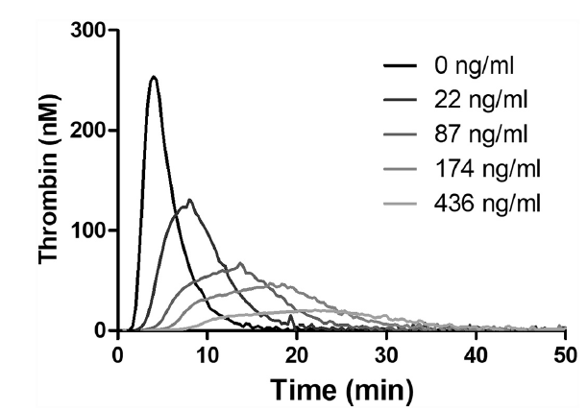 |  |  |  |  |  |  |  |  |  |  |  |  |  |  |  |  |  |  |  |  |  |  |  |  |  |  |  |  |  |  |  |  |  |  |  |  |  |  |  |  |  |  |  |  |  |  |  |  |  |  |  |  |  |  |  |  |  |  |  |  | Authors aimed to assess a new technique for direct Xa inhibitor quantification (Xross-CAT) using TGA approach. They did correlate TGA measurements using CAT to rivaroxaban concentrations using Xross-CAT. Samples were drawn from inpatients on rivaroxaban. Correlation values are for Spearman correlation values. |  | No |  |  |  |  |  |  |  |  |  |  |  |  |  |  |  |  |  |  |  |  |  |  |  |  |  |  |  |  |  |  |  |  |  |  |  |  |  |  |  |  |  |  |  |  |  |  |  |  |  |  |  |  |  |  |  |  |  |  |  |  |  |  |  |  |  |  |  |  |  |  | No
#2218 | PMID: 2737 7013 Gribkova IV, Lipets EN, Rekhtina IG et al. The modification of the thrombin generation test for the clinical assessment of dabigatran etexilate efficiency. Sci Rep 2016; 6: 29242. DOI: 10.1038/srep29242 |  | Gribkova | Sci Rep | 2016 | Russia | In Vitro Assay Validation Study In Vivo PK/PD Study | Russian Science Foundation | VTE prophylaxis |  | CAT/Thrombinoscope | 5 pM | PPP | No | No | Modified TGA using AMC calibration | 5 pM | Yes | Yes | Yes | Yes | Yes | Not reported |  | In Vivo/In Vitro |  |  |  |  |  |  |  |  |  |  |  |  |  |  |  |  |  |  |  |  |  |  |  |  |  |  |  |  |  |  | Dabigatran | 9 | 110 mg po OD | Not reported | Yes, statistical significance not reported | Yes, statistical significance not reported | Yes, statistical significance not reported (peak increased with conventional CAT, decreased with AMC calibration) | Yes, statistical significance not reported (ETP increased with conventional CAT, decreased with AMC calibration) |  |  |  |  |  |  |  |  |  |  |  |  |  |  |  |  |  |  |  |  |  |  |  |  |  |  |  |  |  |  |  |  |  |  |  |  |  |  |  |  |  |  |  |  |  |  |  |  |  |  |  |  | Authors aim to assess new methodology to circumvent interference of dabigatran with calibrator in CAT. They compare their new methodology to CAT using both donor samples spiked with dabigatran and patient samples on dabigatran (VTEp for MM and post-orthopedic surgery). Do not provide statistical significance. Results are consistent with prior studies showing dabigatran increases ETP and peak at lower concentrations, whereas decreases ETP/peak at higher concentrations. Prolonged lag time and TTP concentration-dependently. |  | No |  |  |  |  |  |  |  |  |  |  |  |  |  |  |  |  |  |  |  |  |  |  |  |  |  |  |  |  |  |  |  |  |  |  |  |  |  |  |  |  |  |  |  |  |  |  |  |  |  |  |  |  |  |  |  |  |  |  |  |  |  |  |  |  |  |  |  |  |  |  | No
#2499 | PMID: 2547 6589 Rathbun S, Tafur A, Grant R et al. Comparison of methods to determine rivaroxaban anti-factor Xa activity. Thromb Res 2015; 135: 394-397. DOI: 10.1016/j.thromres.2014.11.017 |  | Rathbun | Thromb Res | 2015 | USA | In Vivo PK/PD Study | Stago | Atrial Fibrillation VTE PAD |  | CAT/Thrombinoscope | PPP Reagent (5 pM) | PPP | No | No |  |  | Yes | Yes | Yes | Yes | Yes | Yes |  | In Vivo |  |  |  |  |  |  |  |  |  |  |  |  |  |  |  | Rivaroxaban | 22 | 10 mg po OD 15 mg po OD 20 mg po OD | 25-460 ng/mL | Yes, statistically significant | No significant effect | Yes, statistically significant | No significant effect | Not reported | r = 0.5749; p < 0.0001 | r = 0.0475; p = 0.72 | r = -0.5040; p < 0.0001 | r = 0.2180; p = 0.15 | Not reported |  |  |  |  |  |  |  |  |  |  |  |  |  |  |  |  |  |  |  |  |  |  |  |  |  |  |  |  |  |  |  |  |  |  |  |  |  |  |  |  |  |  |  |  |  |  |  |  |  |  |  |  |  |  |  |  |  |  |  |  |  | Goal to characterize rivaroxaban impact on various lab assays using in vivo samples among patients on rivaroxaban. Provided Pearson's correlation. Statistically significant correlation between lag time and peak, but not TTP or ETP |  | No |  |  |  |  |  |  |  |  |  |  |  |  |  |  |  |  |  |  |  |  |  |  |  |  |  |  |  |  |  |  |  |  |  |  |  |  |  |  |  |  |  |  |  |  |  |  |  |  |  |  |  |  |  |  |  |  |  |  |  |  |  |  |  |  |  |  |  |  |  |  | No
#2664 | PMID: 2598 1140 Helin TA, Lemponen M, Hjemdahl P et al. From laboratory to clinical practice: Dabigatran effects on thrombin generation and coagulation in patient samples. Thromb Res 2015; 136: 154-160. DOI: 10.1016/j.thromres.2015.04.032 |  | Helin | Thromb Res | 2015 | Finland | In Vivo PK/PD Study | Helsinki University Central Hospital | Atrial Fibrillation VTE prophylaxis |  | CAT/Thrombinoscope | PPP Reagent (5 pM) | PPP | No | No |  |  | Yes | Yes | Yes | Yes | Yes | Not reported |  | In Vivo |  |  |  |  |  |  |  |  |  |  |  |  |  |  |  |  |  |  |  |  |  |  |  |  |  |  |  |  |  |  | Dabigatran | 85 | Not reported | Mean = 73 ng/mL (range 2-150) | Yes, statistically significant | Yes, statistically significant | Yes, statistically significant | Yes, statistically significant | Not reported | R2 = 0.54 | Not reported | Not reported | Not reported | Not reported |  |  |  |  |  |  |  |  |  |  |  |  |  |  |  |  |  |  |  |  |  |  |  |  |  |  |  |  |  |  |  |  |  |  |  |  |  |  |  |  |  |  |  |  |  |  | Characterized impact of dabigatran on various assays using in vivo samples. Did not define indications but at the time approved indications were AF and VTEp. Doses not recorded. They observed a significant prolongation of lag time and TTP. However for ETP and peak there was a paradoxical increase. They only reported R2 value for LT, likely due to paradoxical increase in ETP and peak. |  | No |  |  |  |  |  |  |  |  |  |  |  |  |  |  |  |  |  |  |  |  |  |  |  |  |  |  |  |  |  |  |  |  |  |  |  |  |  |  |  |  |  |  |  |  |  |  |  |  |  |  |  |  |  |  |  |  |  |  |  |  |  |  |  |  |  |  |  |  |  |  | No
MIXED INDICATION - ANTICOAGULATION REVERSAL (IN VITRO) |  |  |  |  |  |  |  |  |  |  |  |  |  |  |  |  |  |  |  |  |  |  |  |  |  |  |  |  |  |  |  |  |  |  |  |  |  |  |  |  |  |  |  |  |  |  |  |  |  |  |  |  |  |  |  |  |  |  |  |  |  |  |  |  |  |  |  |  |  | 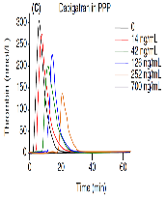
#1543 | PMID: 2823 9301 Schultz NH, Tran HTT, Bjørnsen S et al. The reversal effect of prothrombin complex concentrate (PCC), activated PCC and recombinant activated factor VII in apixaban-treated patients in vitro. Res Pract Thromb Haemost 2017; 1: 49-56. DOI: 10.1002/rth2.12015 |  | Schultz | Thromb J | 2017 | Norway | In Vivo PK/PD Study In Vitro Spiked Plasma | Bayer HealthCare | Atrial Fibrillation VTE |  | CAT/Thrombinoscope | 5 pM | PPP | No | Yes |  |  | Yes | Yes | No | Yes | Yes | Yes |  | In Vivo |  |  |  |  |  |  |  |  |  |  |  |  |  |  |  | Rivaroxaban | 50 | 20 mg po OD | Mean 216 ng/mL (95% CI 188.2-245.3) | Yes, statistically significant | Not reported | Yes, statistically significant | Yes, statistically significant | Yes, statistically significant | Not reported | Not reported | Not reported | r = -0.72; p < 0.005 | Not reported | 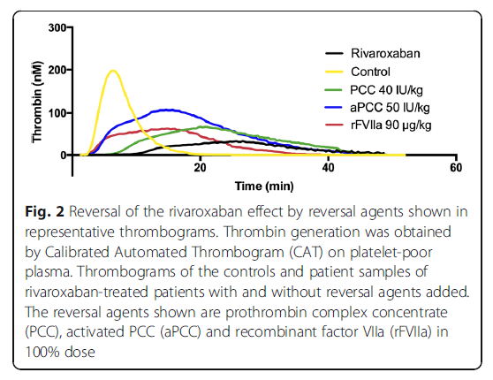 |  |  |  |  |  |  |  |  |  |  |  |  |  |  |  |  |  |  |  |  |  |  |  |  |  |  |  |  |  |  |  |  |  |  |  |  |  |  |  |  |  |  |  |  |  |  |  |  |  |  |  |  |  |  |  |  |  |  |  |  | Authors used plasma from patients treated with rivaroxaban and then spiked with hemostatic agents (PCC, aPCC, rFVIIa). Provided correlation between rivaroxaban levels and ETP only. Hemostatic agent results difficult to interpret. Dosing tested was 80%, 100% and 120% of the "recommended dosing", which was 40 IU/kg for PCC, 50 IU/kg for aPCC and 90 ug/kg for rFVIIa. Results mention no "significant effect" of PCC on lag time but they provide a 95% confidence interval so listed as statistically significant. All 3 agents normalized or came close to normalizing ETP but none normalized peak. In graph, they only provided statistical significance in terms of the difference between agents, not the difference from baseline values. |  | Yes | In Vitro | PCC (Cofact) | 4FPCC | N/A | "Concentrations included in this study were chosen to imitate 80%, 100% and 125% of the doses suggested for clinical use in case of a major bleeding in a patient treated with a DOAC" | 40 IU/kg | Yes, statistically significant | Not reported | Yes, statistically significant | Yes, statistically significant | No | Not reported | No | Yes | Yes | 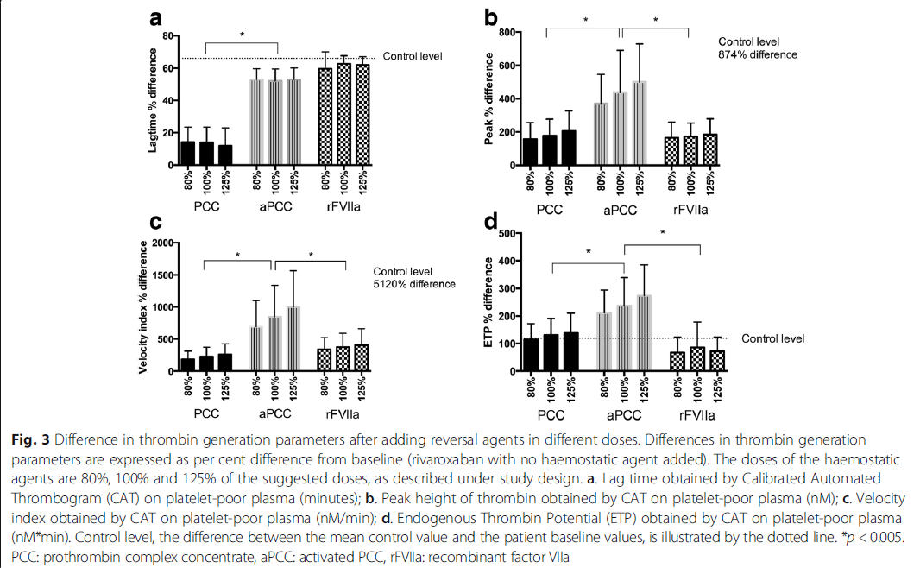 | aPCC | N/A | "Concentrations included in this study were chosen to imitate 80%, 100% and 125% of the doses suggested for clinical use in case of a major bleeding in a patient treated with a DOAC" | 50 IU/kg | Yes, statistically significant | Not reported | Yes, statistically significant | Yes, statistically significant | No | Not reported | No | Yes | Yes |  | rFVIIa | N/A | "Concentrations included in this study were chosen to imitate 80%, 100% and 125% of the doses suggested for clinical use in case of a major bleeding in a patient treated with a DOAC" | 90 ug/kg | Yes, statistically significant | Not reported | Yes, statistically significant | Yes, statistically significant | Yes | Not reported | No | Yes | No |  |  |  |  |  |  |  |  |  |  |  |  |  |  |  |  |  |  |  |  |  |  |  |  |  |  |  | No
#2011 | PMID: 2762 3677 Schenk B, Würtinger P, Streif W et al. Ex vivo reversal of effects of rivaroxaban evaluated using thromboelastometry and thrombin generation assay. Br J Anaesth 2016; 117: 583-591. DOI: 10.1093/bja/aew259 | Eudrac CT no. 213-00474-30 | Schenk | Br J Anaest | 2016 | Austria | In Vivo PK/PD Study In Vitro Spiked Plasma | Austrian National Bank | Healthy Volunteers Atrial Fibrillation VTE |  | Innovance ETP (Siemens) | Not reported | PPP | No | No |  |  | Yes | Yes | Yes | Yes | Yes | No |  | In Vitro/In Vivo |  |  |  |  |  |  |  |  |  |  |  |  |  |  |  | Rivaroxaban | 20 | 15 mg po BID (14) 20 mg po OD (6) | 0-700 ng/mL | Yes, statistically significant | Yes, statistical significance not reported | Yes, statistically significant | Yes, statistical significance not reported | Not reported | r = 0.88 | r = 0.82 | r = -0.45 | r = -0.81 | Not reported |  |  |  |  |  |  |  |  |  |  |  |  |  |  |  |  |  |  |  |  |  |  |  |  |  |  |  |  |  |  |  |  |  |  |  |  |  |  |  |  |  |  |  |  |  |  |  |  |  |  |  |  |  |  |  |  |  |  |  |  |  | Two parts to the study. Investigators spiked plasma from healthy volunteers with increasing doses of rivaroxaban and reported impact on coagulation assays and TGA. Correlation values in Figure 1 are for spiked plasma from healthy volunteers. They then took patient samples and spiked with differing concentrations of PCC, aPCC and rFVIIa. They reported correlation values (only statistically significant results) for tlag and Cmax for patient samples, other values were not statistically significant. Hemostatic agents spiked ex vivo. Results were difficult to interpret. "Baseline" were samples with rivaroxaban. Reference range provided at the top of Table 4. PCC at 1 u/mL seems to have prolonged the lag time but did lead to a stiatistically significant increase in ETP and peak. There was overcorrection of ETP with higher PCC dose. None of the hemostatic agents led to a shortening of the lag time. aPCC seemed to prolong the time to peak, statistically significant. rFVIIa did not result in a statistically significant change in any of the TGA parameters. |  | Yes | In Vitro | PCC (Beriplex) | 4FPCC | N/A | 0.3 U/mL 1 U/mL | 1000 IU 5000 IU | 0.3 U/mL = No significant effect 1 U/mL = Yes, statistically significant prolongation | 0.3 U/mL = No significant effect 1 U/mL = No significant effect | 0.3 U/mL = No significant effect 1 U/mL = Yes, statistically significant | 0.3 U/mL = No significant effect 1 U/mL = Yes, statistically significant | 0.3 U/mL = No 1 U/mL = No | 0.3 U/mL = No 1 U/mL = No | 0.3 U/mL = No 1 U/mL = Yes | 0.3 U/mL = Yes 1 U/mL = Yes | 0.3 U/mL = No 1 U/mL = Yes |  | aPCC | N/A | 1.5 U/mL 2.25 U/mL | 100 IU/kg 150 IU/kg | 1.5 U/mL = No significant effect 2.25 U/mL = No significant effect | 1.5 U/mL = Yes, statistically significant prolongation 2.25 U/mL = Yes, statistically significant prolongation | 1.5 U/mL = No significant effect 2.25 U/mL = Yes, statistically significant | 1.5 U/mL = Yes, statistically significant 2.25 U/mL = Yes, statistically significant | 1.5 U/mL = No 2.25 U/mL = No | 1.5 U/mL = No 2.25 U/mL = No | 1.5 U/mL = Yes 2.25 U/mL = Yes | 1.5 U/mL = Yes 2.25 U/mL = Yes | 1.5 U/mL = Yes 2.25 U/mL = Yes |  | rFVIIa | N/A | 1.5 ug/mL 4.05 ug/mL | 100 ug/kg 270 ug/kg | 1.5 ug/mL = No significant effect 4.05 ug/mL = No significant effect | 1.5 ug/mL = No significant effect 4.05 ug/mL = No significant effect | 1.5 ug/mL = No significant effect 4.05 ug/mL = No significant effect | 1.5 ug/mL = No significant effect 4.05 ug/mL = No significant effect | 1.5 ug/mL = No 4.05 ug/mL = No | 1.5 ug/mL = No 4.05 ug/mL = No | 1.5 ug/mL = No 4.05 ug/mL = No | 1.5 ug/mL = No 4.05 ug/mL = No | 1.5 ug/mL = No 4.05 ug/mL = No |  |  |  |  |  |  |  |  |  |  |  |  |  |  |  |  |  |  |  |  |  |  |  |  |  |  |  | No
#3027 | PMID: 2435 2511 Herrmann R, Thom J, Wood A et al. Thrombin generation using the calibrated automated thrombinoscope to assess reversibility of dabigatran and rivaroxaban. Thromb Haemost 2014; 111: 989-995. DOI: 10.1160/TH13-07-0607 | NCT 01795781 | Herrmann | Thromb Haemost | 2014 | Australia | In Vivo PK/PD Study In Vitro Spiked Plasma | None reported | Atrial Fibrillation VTE |  | CAT/Thrombinoscope | 5 pM | PPP | No | No |  |  | Yes | Yes | No | Yes | Yes | No |  | In Vivo |  |  |  |  |  |  |  |  |  |  |  |  |  |  |  | Rivaroxaban | 15 | 10 mg po OD | Geometric mean 133 ng/mL [95% CI 104.6-169] | Yes, statistically significant | Not reported | Yes, statistically significant | Yes, statistically significant | Not reported | r = 0.268; p = 0.039 | Not reported | r = -0.651; p < 0.00001 | r = -0.685; p < 0.00001 | Not reported | 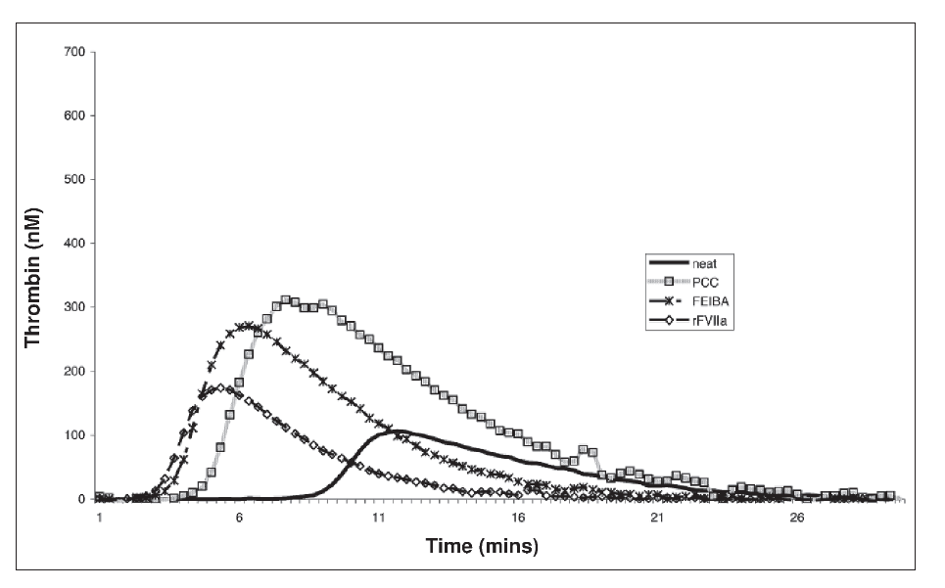 | Dabigatran | 17 | 150 mg po BID | Geometric mean = 81.1 ng/mL [95% CI 128.6-204.0] | Yes, statistically significant | Not reported | Yes, not statistically significant | Yes, statistically significant | Not reported | r = 0.858; p = 0.0001 | Not reported | r = -0.466; p = 0.059 | r = -0.545; p = 0.024 | Not reported | 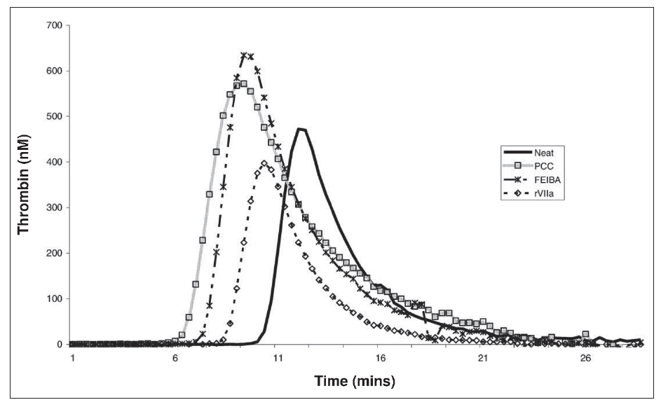 |  |  |  |  |  |  |  |  |  |  |  |  |  |  |  |  |  |  |  |  |  |  |  |  |  |  |  |  |  |  |  |  |  |  |  |  |  |  |  |  |  |  |  |  |  | Evaluated plasma from patients on either dabigatran or rivaroxaban. Provided impact of each on TGA lag time, peak and ETP only. Provided statistical significance values but seems p-value is for correlation statistic. |  | Yes | In Vitro | PCC (Prothrombinex) | 3FPCC | N/A | 0.5 U/mL | Not reported | Rivaroxaban - Yes, statistically significant Dabigatran - Yes, statistically significant | Not reported | Rivaroxaban - Yes, statistically significant Dabigatran - Yes, statistically significant | Rivaroxaban - Yes, statistically significant Dabigatran - Yes, statistically significant | Rivaroxaban - No Dabigatran - No | Not reported | Rivaroxaban - No Dabigatran - Yes | Rivaroxaban - Yes Dabigatran - Yes | Rivaroxaban - No Dabigatran - Yes |  | aPCC | N/A | 0.5 U/mL | Not reported | Rivaroxaban - Yes, statistically significant Dabigatran - Yes, statistically significant | Not reported | Rivaroxaban - Yes, statistically significant Dabigatran - Yes, statistically significant | Rivaroxaban - Yes, statistically significant Dabigatran - Yes, statistically significant | Rivaroxaban - No Dabigatran - No | Not reported | Rivaroxaban - No Dabigatran - Yes | Rivaroxaban - Yes Dabigatran - Yes | Rivaroxaban - No Dabigatran - No |  | rFVIIa | N/A | 1 ug/mL | Not reported | Rivaroxaban - Yes, statistically significant Dabigatran - Yes, statistically significant | Not reported | Rivaroxaban - Yes, statistically significant Dabigatran - No significant effect | Rivaroxaban - Yes, statistically significant Dabigatran - No significant effect | Rivaroxaban - Yes Dabigatran - No | Not reported | Rivaroxaban - No Dabigatran - No | Rivaroxaban - No Dabigatran - No | Rivaroxaban - No Dabigatran - No |  |  |  |  |  |  |  |  |  |  |  |  |  |  |  |  |  |  |  |  |  |  |  |  |  |  |  | No
#3332 | PMID: 2302 0832 Khoo TL, Weatherburn C, Kershaw G et al. The use of FEIBA® in the correction of coagulation abnormalities induced by dabigatran. Int J Lab Hematol 2013; 35: 222-224. DOI: 10.1111/ijlh.12005 |  | Khoo | Int J Lab Hematol | 2013 | Australia | In Vitro Spiked Plasma | None reported | Not reported |  | CAT/Thrombinoscope | 5 pM | PPP | No | No |  |  | Yes | Yes | No | Yes | Yes | No |  | In Vivo |  |  |  |  |  |  |  |  |  |  |  |  |  |  |  |  |  |  |  |  |  |  |  |  |  |  |  |  |  |  | Dabigatran | 8 | Not reported | 96-286 ng/mL | Not reported | Not reported | Not reported | Yes, statistical significance not reported | Not reported |  |  |  |  |  |  |  |  |  |  |  |  |  |  |  |  |  |  |  |  |  |  |  |  |  |  |  |  |  |  |  |  |  |  |  |  |  |  |  |  |  |  |  |  |  |  |  |  |  |  |  |  |  | Yes | In Vitro |  |  |  |  |  |  |  |  |  |  |  |  |  |  |  | aPCC | N/A | 1 U/mL 1.5 U/mL 2 U/mL | 50 IU/kg 75 IU/kg 100 IU/kg | Yes, statistically significant | Not reported | Yes, statistically significant | Yes, statistical significance not reported | Not reported | Not reported | Not reported | Yes | Yes |  |  |  |  |  |  |  |  |  |  |  |  |  |  |  |  |  |  |  |  |  |  |  |  |  |  |  |  |  |  |  |  |  |  |  |  |  |  |  |  |  | No
MIXED INDICATION - ANTICOAGULATION REVERSAL (IN VIVO)
#599 | PMID: 3254 8555 Bavalia R, Abdoellakhan R, Brinkman HJM et al. Emergencies on direct oral anticoagulants: Management, outcomes, and laboratory effects of prothrombin complex concentrate. Res Pract Thromb Haemost 2020; 4: 569-581. DOI: 10.1002/rth2.12336 |  | Bavalia | Res Pract Thromb Haemost | 2020 | Netherlands | Multicenter Prospective Observational Cohort Study | ZonMw Sanquin Daiichi Sankyo | Atrial Fibrillation VTE Other |  | CAT/Thrombinoscope | PPP Reagent (5 pM) | PPP | No | No |  |  | Yes | Yes | No | Yes | Yes | No |  | In Vivo | Apixaban | 16 Major Bleeding (not all received PCC) 5 Urgent Intervention (not all received PCC) | Not reported | Major Bleeding Median = 163 ng/mL (IQR = 63-193) Urgent Intervention Median = 219 ng/mL (IQR = 151-219) | Yes, statistically significant | Not reported | Yes, statistically significant | Not statistically significant (p = 0.06) | Not reported |  |  |  |  |  |  | Rivaroxaban | 54 Major Bleeding (not all received PCC) 59 Urgent Intervention (not all received PCC) | Not reported | Major Bleeding Median = 121 ng/mL (IQR = 63-279) Urgent Intervention Median = 138 ng/mL (IQR = 84-435) | Yes, statistically significant | Not reported | Yes, statistically significant | Not statistically significant (p = 0.06) | Not reported |  |  |  |  |  |  | Dabigatran | 25 Major Bleeding (not all received idarucizumab) 5 Urgent Intervention (not all received idarucizumab) | Not reported | Major Bleeding Median = 118 ng/mL (IQR = 9-133) Urgent Intervention Median = 42 ng/mL (IQR = 8-42) | Yes, statistically significant | Not reported | Not statistically significant (p = 0.75) | Not statistically significant (p = 0.09) | Not reported |  |  |  |  |  |  | Edoxaban | 6 Major Bleeding (not all received PCC) 2 Urgent Intervention (not all received PCC) | Not reported | Major Bleeding Median = 163 ng/mL (IQR = 128-163) Urgent Intervention Median = 62 ng/mL (IQR = 17-62) | Yes, statistically significant | Not reported | Yes, statistically significant | Not statistically significant (p = 0.06) | Not reported |  |  |  |  |  |  |  |  |  |  |  |  |  |  |  |  |  |  |  |  |  |  |  |  |  |  |  |  |  |  |  |  |  |  |  |  | Prospective observational study across 5 Dutch hospitals evaluating patients presenting with either major bleeding or prior to urgent interventions. Not all patients with major bleeding received PCC/idarucizumab. Not all patients had TGA data available. TGA results were only a fraction of those patients receiving PCC with major bleeding, not those undergoing urgent intervention. Only reported lag time, peak and ETP. Did report that direct Xa inhibitors caused a statistically significant reduction in ETP and peak. They do not mention lag time in results section but in figure can see there is a slight reduction. No TGA results available for dabigatran/idarucizumab patients. Do report hemostatic efficacy and TE event rates. No correlation with either ETP or peak (results not provided for lag time). |  | Yes | In Vivo | PCC (brand/type not reported) | Not reported | Median dose 3500 IU (46 IU/kg; IQR 46-50 IU/kg) | N/A | N/A | Yes, statistical significance not reported | Not reported | Yes, statistically significant | Yes, statistically significant | No | Not reported | Yes | Yes | Yes | 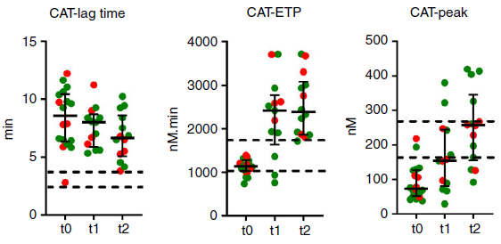 |  |  |  |  |  |  |  |  |  |  |  |  |  |  |  |  |  |  |  |  |  |  |  |  |  |  |  | Idarucizumab | Median 5 g (IQR 5-5) | N/A | N/A | Not reported | Not reported | Not reported | Not reported | Not reported | Not reported | Not reported | Not reported | Not reported |  |  |  |  |  |  |  |  |  |  |  |  |  |  | Yes | Yes | 30-day thromboembolic event rate | Major Bleeding - Direct Xa inhibitors = 1 event (2.0%; 0.3-10%); patient received PCC Dabigatran = 0 events Urgent Interventions - Direct Xa Inhibitors = 1 event (7.0%; 1-32%]; patient received PCC Dabigatran = 0 events | Patient with major bleeding who received PCC experienced non-fatal PE ~ 10 days post-PCC. Was on rivaroxaban for AF, anticoagulation had not been resumed at the time of the event. ETP and peak TGA values were within reference ranges | Yes | ISTH (ICH) and Sarode (non-ICH) after 24 hours for major bleeding "Surgical Hemostasis" - No major bleeding within 7 days after the urgent intervention | -Major Bleeding- Direct Xa Inhibitors receiving PCC = 32 (70%; 95% CI 55-81) Dabigatran receiving idarucizumab = 12 (75%; 51-90) - Urgent Interventions - Direct Xa Inhibitors receiving PCC = 14 (100%; 95% CI 79-100) Dabigatran receiving idarucizumab = 5 (100%; 57-100) | No. Provided p-values for comparison of CAT ETP and CAT peak at different time points based on whether or not achieved effective hemostasis, none of the p-values were statistically significant | 30 days
#994 | PMID: 3073 0782 Connolly SJ, Crowther M, Eikelboom JW et al. Full Study Report of Andexanet Alfa for Bleeding Associated with Factor Xa Inhibitors. N Engl J Med 2019; 380: 1326-1335. DOI: 10.1056/NEJMoa1814051 | NCT02329327 | Connolly | N Engl J Med | 2019 | USA | Multicenter Prospective Open-Label Single-Arm Cohort Study | Portal Pharmaceuticals | Atrial Fibrillation VTE Other |  | CAT/Thrombinoscope | PPP Reagent (5 pM) | PPP | No | No |  |  | Yes | No | No | No | Yes | No |  | In Vivo | Apixaban | 194 | Median daily dose 10 mg | Median 149.7 ng/mL (efficacy population) | Not reported | Not reported | Not reported | Yes, statistical significance not reported | Not reported |  |  |  |  |  |  | Rivaroxaban | 128 | Median daily dose 20 mg | Median 211.8 ng/mL (efficacy population) | Not reported | Not reported | Not reported | Yes, statistical significance not reported | Not reported |  |  |  |  |  |  |  |  |  |  |  |  |  |  |  |  |  |  |  |  |  |  |  |  |  |  |  |  |  |  |  |  |  |  |  |  |  |  |  |  |  |  |  |  |  |  |  |  |  |  |  |  |  |  |  |  |  |  |  |  |  |  |  |  |  |  | Prospective single arm study evaluating andexanet alfa. Patients on apixaban/rivaroxaban/edoxaban with major bleeding. Methodology outlined in supplemental appendix from Siegal et al. NEJM 2015. Although they report measuring all TGA parameters they only report ETP. Did not report statistical significance of impact of DOACs. Just report reference range for healthy volunteers and provided values pre/post-andexanet infusion with +/-SD values. |  | Yes | In Vivo |  |  |  |  |  |  |  |  |  |  |  |  |  |  |  |  |  |  |  |  |  |  |  |  |  |  |  |  |  |  |  |  |  |  |  |  |  |  |  |  |  |  |  |  |  |  |  |  |  |  |  |  |  |  |  | Andexanet Alfa | 400 mg bolus + 480 mg infusion 800 mg bolus + 960 mg infusion | N/A | N/A | Not reported | Not reported | Not reported | Yes, statistical significance not reported | Not reported | Not reported | Not reported | Yes | No |  | Yes | Yes | 30-day thromboembolic event rate | 34 (10%) | No | Yes | Sarode (modified) | 204/282 (82%; 95% CI 77-87) | No. Correlated hemostatic efficacy with change in Xa values but not ETP. | 30 days
#1149 | PMID: 2934 4007 Schenk B, Goerke S, Beer R et al. Four-factor prothrombin complex concentrate improves thrombin generation and prothrombin time in patients with bleeding complications related to rivaroxaban: a single-center pilot trial. Thromb J 2018; 16: 1. DOI: 10.1186/s12959-017-0158-9 | EudraCT trial No. 2013-004484-31 | Schenk | Thromb J | 2018 | Austria | Single Center Prospective Open-Label Single-Arm Observational Cohort Study | CSL Behring | Not reported |  | Innovance ETP (Siemens) | 600-850 pM | PPP | No | No |  |  | Yes | Yes | Yes | Yes | Yes | No |  | In Vivo |  |  |  |  |  |  |  |  |  |  |  |  |  |  |  | Rivaroxaban | 14 | Not reported | Median 103 ng/mL (range 20-425) | Yes, statistical significance not reported | Yes, statistical significance not reported | Yes, statistical significance not reported | No effect | Not reported | r = 0.222; p = 0.027 | r = 0.465; p < 0.001 | r = -0.242; p = 0.019 | r = 0.025; p = 0.809 | Not reported |  |  |  |  |  |  |  |  |  |  |  |  |  |  |  |  |  |  |  |  |  |  |  |  |  |  |  |  |  |  |  |  |  |  |  |  |  |  |  |  |  |  |  |  |  |  |  |  |  |  |  |  |  |  |  |  |  |  |  |  |  | Prospective observational study evaluating lab parameters among patients on rivaroxaban receiving PCC. Did not report indications for rivaroxaban or dosing. Reported TGA parameters at baseline, did not report statistical significance. ETP values were no different than reference range. |  | Yes | In Vivo | PCC (Beriplex) | 4FPCC | Median dose 2000 IU (range 1500-2400 IU) Recommended dose was 25 IU/kg | N/A | N/A | No significant effect | No significant effect | Yes, statistically significant | Yes, statistically significant | No | No | Yes | Yes | Yes | 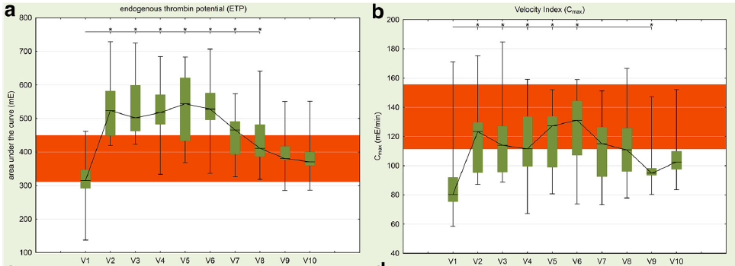 |  |  |  |  |  |  |  |  |  |  |  |  |  |  |  |  |  |  |  |  |  |  |  |  |  |  |  |  |  |  |  |  |  |  |  |  |  |  |  |  |  |  |  |  |  |  |  |  |  |  |  |  |  |  | Yes | Yes | Thromboembolic events | 1/13 patients with "thromboembolic closure of the femoral artery bifurcation 1/13 patients with "embolic arteria cerebri anterior infarct" | No | Yes | No formal criteria | 3/13 patients ("progressive ICH") | No | 30 days
ATRIAL FIBRILLATION
#179 | PMID: 3237 7955 Duarte RCF, Rios DRA, Figueiredo EL et al. Thrombin Generation and other hemostatic parameters in patients with atrial fibrillation in use of warfarin or rivaroxaban. J Thromb Thrombolysis 2021; 51: 47-57. DOI: 10.1007/s11239-020-02126-3 |  | Duarte | J Thromb Thrombolysis | 2021 | Brazil | In Vivo PK/PD Study | FAPEMIG CNPq | Atrial Fibrillation Healthy Volunteers |  | CAT/Thrombinoscope | PPP Reagent High (20 pM) | PPP | No | No |  |  | Yes | Yes | No | Yes | Yes | No |  | In Vivo |  |  |  |  |  |  |  |  |  |  |  |  |  |  |  | Rivaroxaban | 39 | 20 mg po OD | Not reported | Yes, statistically significant | Not reported | Yes, statistically significant | Yes, statistically significant | Not reported |  |  |  |  |  |  |  |  |  |  |  |  |  |  |  |  |  |  |  |  |  |  |  |  |  |  |  |  |  |  |  |  |  |  |  |  |  |  |  |  |  |  |  |  |  |  |  |  |  |  |  |  |  |  |  |  |  |  |  |  |  |  |  |  |  |  | Authors evaluated both healthy volunteers and patients with atrial fibrillation on rivaroxaban 20 mg po OD or warfarin. Evaluated impact of "anticoagulation" on TGA as well as other parameters. Did not report timing of blood draw relative to DOAC intake and also did not measure rivaroxaban levels. Only reported LT, ETP and peak. Rivaroxaban did lead to a statistically significant impact on LT, ETP and peak. Warfarin also lead to greater reduction in ETP (p = 0.000) and peak (p = 0.002) as compared to rivaroxaban. They also provided TGA results for warfarin patients according to INR, and for rivaroxaban according to PT. Hard to interpret results without knowing either timing of rivaroxaban intake or INR for comparisons between warfarin and rivaroxaban. |  | No |  |  |  |  |  |  |  |  |  |  |  |  |  |  |  |  |  |  |  |  |  |  |  |  |  |  |  |  |  |  |  |  |  |  |  |  |  |  |  |  |  |  |  |  |  |  |  |  |  |  |  |  |  |  |  |  |  |  |  |  |  |  |  |  |  |  |  |  |  |  | No
#381 | PMID: 3214 1885 Petkovic A, Al-Khalili F, Antovic A et al. Effects of rivaroxaban and dabigatran on global hemostasis in patients with atrial fibrillation. Blood Coagul Fibrinolysis 2020; 31: 243-252. DOI: 10.1097/MBC.0000000000000907 |  | Petkovic | Blood Coagul Fibrinolysis | 2020 | Sweden | In Vivo PK/PD Study | None reported | Atrial Fibrillation Healthy Volunteers |  | CAT/Thrombinoscope | PPP Reagent (5 pM) | PPP | No | No | Innovance ETP (Siemens) | Not reported | Yes | Yes | Yes | Yes | Yes | No |  | In Vivo |  |  |  |  |  |  |  |  |  |  |  |  |  |  |  | Rivaroxaban | 52 | 15 mg po OD (12) 20 mg po OD (40) | 2-464 ng/mL | Yes, statistically significant | Yes, statistically significant | Yes, statistically significant | Yes, statistically significant | Not reported | r = 0.83; p < 0.001 | r = 0.66; p < 0.001 | r = -0.85; p < 0.001 | r = -0.51; p = 0.001 | Not reported |  | Dabigatran | 50 | 110 mg po BID (14) 150 mg po BID (36) | 4-461 ng/mL | Yes, statistically significant | Yes, statistically significant | Yes, statistically significant (paradoxical increase for CAT assay only) | Yes, statistically significant (paradoxical increase for CAT assay only) | Not reported | r = 0.73; p < 0.001 | r = 0.52; p = 0.001 | r = -0.74; p < 0.001 | r = -0.75; p < 0.001 | Not reported |  |  |  |  |  |  |  |  |  |  |  |  |  |  |  |  |  |  |  |  |  |  |  |  |  |  |  |  |  |  |  |  |  |  |  |  |  |  |  |  |  |  |  |  |  |  | Authors evaluated among both healthy volunteers and patients with atrial fibrillation the impact of rivaroxaban/dabigatran on TGA parameters. Blood samples drawn mean of 3 +/- 2.07 hours following DOAC intake. Authors measured using both CAT and Innovance ETP. A statistically significant impact of both rivaroxaban and dabigatran on all TGA parameters in both assays was found. Correlation values only provided for Innovance. Paradoxical increase in peak and ETP were seen for dabigatran but only in the CAT assay (Innovance does not use a thrombin-based calibrator). |  | No |  |  |  |  |  |  |  |  |  |  |  |  |  |  |  |  |  |  |  |  |  |  |  |  |  |  |  |  |  |  |  |  |  |  |  |  |  |  |  |  |  |  |  |  |  |  |  |  |  |  |  |  |  |  |  |  |  |  |  |  |  |  |  |  |  |  |  |  |  |  | No
#1069 | PMID: 2955 8660 Zhang C, Zhang P, Li H et al. The effect of dabigatran on thrombin generation and coagulation assays in rabbit and human plasma. Thromb Res 2018; 165: 38-43. DOI: 10.1016/j.thromres.2018.03.012 |  | Zhang | Thromb Res | 2018 | China | In Vivo PK/PD Study | None reported | Atrial Fibrillation |  | CAT/Thrombinoscope | PPP Reagent (5 pM) | PPP | No | No |  |  | Yes | Yes | No | Yes | Yes | No |  | In Vivo |  |  |  |  |  |  |  |  |  |  |  |  |  |  |  |  |  |  |  |  |  |  |  |  |  |  |  |  |  |  | Dabigatran | 46 | 110 mg po BID | Trough 12.42-224.18 ng/mL | Yes, statistical significance not reported | Not reported | Yes, statistical significance not reported (paradoxical increase) | Yes, statistical significance not reported (paradoxical increase) | Not reported | R2 = 0.5496 | Not reported | Not reported | Not reported | Not reported |  |  |  |  |  |  |  |  |  |  |  |  |  |  |  |  |  |  |  |  |  |  |  |  |  |  |  |  |  |  |  |  |  |  |  |  |  |  |  |  |  |  |  |  |  |  | Measured dabigatran levels in rabbit plasma but also among patients with atrial fibrillation receiving dabigatran 110 mg po BID. Level was drawn just prior to the next dose of dabigatran (trough level). Did not report statistical significance, just general trends for human results. They had few levels > 150 ng/mL given it was a trough measurement. Only provided R2 value for lag time. They did observe that low dabigatran concentrations paradoxically increased ETP and peak measurements. |  | No |  |  |  |  |  |  |  |  |  |  |  |  |  |  |  |  |  |  |  |  |  |  |  |  |  |  |  |  |  |  |  |  |  |  |  |  |  |  |  |  |  |  |  |  |  |  |  |  |  |  |  |  |  |  |  |  |  |  |  |  |  |  |  |  |  |  |  |  |  |  | No
#1239 | PMID: 3027 0642 Kyriakou E, Katogiannis K, Ikonomidis I et al. Laboratory Assessment of the Anticoagulant Activity of Apixaban in Patients With Nonvalvular Atrial Fibrillation. Clin Appl Thromb Hemost 2018; 24: 194S-201S. DOI: 10.1177/1076029618802364 |  | Kyriakou | Clin Applied Thromb Haemost | 2018 | Greece | In Vivo PK/PD Study | None reported | Atrial Fibrillation |  | Innovance ETP (Siemens) | Not reported | PPP | No | No |  |  | Yes | Yes | Yes | Yes | Yes | No |  | In Vivo | Apixaban | 20 | 5 mg po BID | Median 223.5 (IQR = 147.0-329.0) | Yes, statistically significant | Not statistically significant (p = 0.543) | Yes, statistically significant | Yes, statistically significant | Not reported | rho = 0.60; p = 0.005 | rho = 0.40; p = 0.081 | rho = -0.74; p < 0.001 | rho = -0.74; p < 0.001 | Not reported |  | Rivaroxaban | 20 | 20 mg po OD | Median 200.0 (IQR 85.0-345.0) | Yes, statistically significant | Not statistically significant (p = 0.079) | Yes, statistically significant | Yes, statistically significant | Not reported | Not reported | Not reported | Not reported | No correlation | Not reported |  |  |  |  |  |  |  |  |  |  |  |  |  |  |  |  |  |  |  |  |  |  |  |  |  |  |  |  |  |  |  |  |  |  |  |  |  |  |  |  |  |  |  |  |  |  |  |  |  |  |  |  |  |  |  |  |  |  |  |  |  | Authors measured TGA ~ 3 hours post-dose among patients with atrial fibrillation on either rivaroxaban or apixaban. Measured TGA using Innovance ETP. Rivaroxaban showed statistically significant greater impact on peak and ETP than apixaban despite rivaroxaban levels were lower than apixaban. Both rivaroxaban and apixaban had a statistically significant impact on all TGA parameters other than TTP. Provided spearman's rho correlation values for apixaban. Did not provide correlation values for rivaroxaban other than stating no correlation with ETP in full text. |  | No |  |  |  |  |  |  |  |  |  |  |  |  |  |  |  |  |  |  |  |  |  |  |  |  |  |  |  |  |  |  |  |  |  |  |  |  |  |  |  |  |  |  |  |  |  |  |  |  |  |  |  |  |  |  |  |  |  |  |  |  |  |  |  |  |  |  |  |  |  |  | No
#1959 | PMID: 2705 7830 Tsantes AE, Kyriakou E, Ikonomidis I et al. Comparative Assessment of the Anticoagulant Activity of Rivaroxaban and Dabigatran in Patients With Nonvalvular Atrial Fibrillation: A Noninterventional Study. Medicine (Baltimore) 2016; 95: e3037. DOI: 10.1097/MD.0000000000003037 |  | Tsantes | Medicine | 2016 | Greece | In Vivo PK/PD Study | National and Kapodistrian University of Athens | Atrial Fibrillation |  | Innovance ETP (Siemens) | Not reported | PPP | No | No |  |  | Yes | Yes | Yes | Yes | Yes | No |  | In Vivo |  |  |  |  |  |  |  |  |  |  |  |  |  |  |  | Rivaroxaban | 20 | 20 mg po OD | Median 200 ng/mL (IQR 85-345) | Yes, statistically significant | Not statistically significant (p = 0.08) | Yes, statistically significant | Yes, statistically significant | Not reported | rho = 0.45; p = 0.045 | rho = 0.53; p = 0.016 | rho = -0.62; p = 0.003 | rho = -0.23; p = 0.33 | Not reported |  | Dabigatran | 20 | 110 mg po BID | Median 70 ng/mL (IQR 35-140) | Yes, statistically significant | Yes, statistically significant | Yes, statistically significant | Yes, statistically significant | Not reported | Reported in separate publication (#2601) | Reported in separate publication (#2601) | Reported in separate publication (#2601) | Reported in separate publication (#2601) | Not reported |  |  |  |  |  |  |  |  |  |  |  |  |  |  |  |  |  |  |  |  |  |  |  |  |  |  |  |  |  |  |  |  |  |  |  |  |  |  |  |  |  |  |  |  |  |  | Authors measured blood sample ~ 3 hours post-rivaroxaban or dabigatran dose in patients with atrial fibrillation. Statistically significant impact for both DOACs on all TGA parameters other than not significant (p = 0.08) for rivaroxaban on TTP. They used Innovance ETP, no paradoxical increase for peak/ETP with dabigatran. Correlation only reported for rivaroxaban, dabigatran values reported in earlier publication. |  | No |  |  |  |  |  |  |  |  |  |  |  |  |  |  |  |  |  |  |  |  |  |  |  |  |  |  |  |  |  |  |  |  |  |  |  |  |  |  |  |  |  |  |  |  |  |  |  |  |  |  |  |  |  |  |  |  |  |  |  |  |  |  |  |  |  |  |  |  |  |  | No
#2003 | PMID: 2682 6504 Semeraro F, Incampo F, Ammollo CT et al. Dabigatran but not rivaroxaban or apixaban treatment decreases fibrinolytic resistance in patients with atrial fibrillation. Thromb Res 2016; 138: 22-29. DOI: 10.1016/j.thromres.2015.12.023 |  | Semeraro | Thromb Res | 2016 | Italy | In Vivo PK/PD Study | University of Bari | Atrial Fibrillation |  | CAT/Thrombinoscope | Not reported | PPP | Yes | No |  |  | Yes | Yes | No | Yes | Yes | No |  | In Vivo | Apixaban | 22 | 5 mg po BID (18) 2.5 mg po BID (4) | Median peak 234 ng/mL [IQR 168-292] | Yes, statistically significant | Not reported | Yes, statistically significant | Yes, statistically significant | Not reported | rho = 0.686; p < 0.001 | Not reported | rho = -0.654; p < 0.001 | rho = -0.386; p < 0.01 | Not reported |  | Rivaroxaban | 24 | 15 mg po OD (3) 20 mg po OD (21) | Median peak 212 ng/mL [IQR 148-303] | Yes, statistically significant | Not reported | Yes, statistically significant | Yes, statistically significant | Not reported | rho = 0.815; p < 0.0001 | Not reported | rho = -0.88; p < 0.0001 | rho = -0.613; p < 0.0001 | Not reported |  | Dabigatran | 22 | 110 mg po BID (12) 150 mg po BID (10) | Median peak 152 ng/mL [IQR 92-308] | Not statistically significant | Not reported | Yes, statistically significant | Yes, statistically significant | Not reported | rho = 0.334; p = 0.029 | Not reported | rho = -0.542; p = 0.0001 | rho = -0.700; p < 0.0001 | Not reported |  |  |  |  |  |  |  |  |  |  |  |  |  |  |  |  |  |  |  |  |  |  |  |  |  |  |  |  |  |  |  |  |  |  |  |  |  |  |  |  |  |  |  |  |  |  | Authors measured blood samples at trough and at peak for patients on apixaban/rivaroxaban/dabigatran for atrial fibrillation. They provide both statistical significance for difference between trough and peak as well as Spearman's rho and statistical significance for that. They used CAT but did not have calibrated measurements for dabigatran (dabigatran did not have a significant impact on lag time but unclear if the results are reliable due to lack of calibration, dabigatran results were reported as "absolute units AU". No paradoxical increase in peak/ETP due to lack of calibration with dabigatran. |  | No |  |  |  |  |  |  |  |  |  |  |  |  |  |  |  |  |  |  |  |  |  |  |  |  |  |  |  |  |  |  |  |  |  |  |  |  |  |  |  |  |  |  |  |  |  |  |  |  |  |  |  |  |  |  |  |  |  |  |  |  |  |  |  |  |  |  |  |  |  |  | No
#2434 | PMID: 2621 9486 Tsantes AE, Kyriakou E, Bonovas S et al. Impact of dabigatran on platelet function and fibrinolysis. J Neurol Sci 2015; 357: 204-208. DOI: 10.1016/j.jns.2015.07.031 |  | Tsantes | J Neurol Sci | 2015 | Greece | In Vivo PK/PD Study | None reported | Atrial Fibrillation |  | Innovance ETP (Siemens) | Not reported | PPP | No | No |  |  | Yes | No | No | Yes | Yes | No |  | In Vivo |  |  |  |  |  |  |  |  |  |  |  |  |  |  |  |  |  |  |  |  |  |  |  |  |  |  |  |  |  |  | Dabigatran | 19 | 110 mg po BID | Median 120 ng/mL (IQR 60-170) | Not reported | Not reported | Yes, statistically significant | Yes, statistically significant | Not reported | Not reported | Not reported | rho = -0.77; p < 0.001 | rho = -0.85; p < 0.001 | Not reported |  |  |  |  |  |  |  |  |  |  |  |  |  |  |  |  |  |  |  |  |  |  |  |  |  |  |  |  |  |  |  |  |  |  |  |  |  |  |  |  |  |  |  |  |  |  | Authors measured coagulation parameters and TGA parameters in patients with atrial fibrillation on dabigatran 110 mg po BID. Measured samples ~ 2 hours post-intake. Although they mention measuring LT, TTP, ETP and peak in Methods, they only report correlations between ETP/peak and dabigatran levels. Levels reported as ug/mL (see Figure 1), quantified using HTI. Did not report any results other than Spearman's rho for both ETP and peak. |  | No |  |  |  |  |  |  |  |  |  |  |  |  |  |  |  |  |  |  |  |  |  |  |  |  |  |  |  |  |  |  |  |  |  |  |  |  |  |  |  |  |  |  |  |  |  |  |  |  |  |  |  |  |  |  |  |  |  |  |  |  |  |  |  |  |  |  |  |  |  |  | No
#2601 | PMID: 2552 5048 Kyriakou E, Ikonomidis I, Stylos D et al. Laboratory assessment of the anticoagulant activity of dabigatran. Clin Appl Thromb Hemost 2015; 21: 434-445. DOI: 10.1177/1076029614564209 |  | Kyriakou | Clin Appl Thromb Haemost | 2015 | Greece | In Vivo PK/PD Study | None reported | Atrial Fibrillation |  | Innovance ETP (Siemens) | Not reported | PPP | No | No |  |  | Yes | Yes | Yes | Yes | Yes | No |  | In Vivo |  |  |  |  |  |  |  |  |  |  |  |  |  |  |  |  |  |  |  |  |  |  |  |  |  |  |  |  |  |  | Dabigatran | 20 | 110 mg po BID | Median 70 ng/mL (IQR 35-140) | Yes, statistically significant | Yes, statistically significant | Yes, statistically significant | Yes, statistically significant | Not reported | rho = 0.67; p = 0.001 | rho = 0.52; p = 0.018 | rho = -0.76; p < 0.001 | rho = -0.78; p< 0.001 | Not reported |  |  |  |  |  |  |  |  |  |  |  |  |  |  |  |  |  |  |  |  |  |  |  |  |  |  |  |  |  |  |  |  |  |  |  |  |  |  |  |  |  |  |  |  |  |  | Companion paper to #1959, used Innovance ETP, they compared impact of dabigatran 110 mg po BID vs acenocoumarol among patients with atrial fibrillation on coagulation assays and TGA. LT, TTP, ETP and Cmax were all more imacted by acenocoumarol (mean INR was 2.46 +/- 0.29). Blood samples were drawn ~ 3 hours post-antithrombotic intake. They also reported Spearman's rho correlation values for TGA parameters to dabigatran levels measured using HTI. No paradoxical increase in ETP/peak given using Innovance ETP. |  | No |  |  |  |  |  |  |  |  |  |  |  |  |  |  |  |  |  |  |  |  |  |  |  |  |  |  |  |  |  |  |  |  |  |  |  |  |  |  |  |  |  |  |  |  |  |  |  |  |  |  |  |  |  |  |  |  |  |  |  |  |  |  |  |  |  |  |  |  |  |  | No
#3440 | PMID: 2324 2974 Dale B, Eikelboom JW, Weitz JI et al. Dabigatran attenuates thrombin generation to a lesser extent than warfarin: could this explain their differential effects on intracranial hemorrhage and myocardial infarction? J Thromb Thrombolysis 2013; 35: 295-301. DOI: 10.1007/s11239-012-0857-9 |  | Dale | J Thromb Thrombolysis | 2013 | Canada | In Vivo PK/PD Study | Boehringer-Ingelheim | Atrial Fibrillation |  | Technothrombin | 0.15, 0.6, 3, 15 and 30 pM | PPP | No | Yes |  |  | Yes | Yes | Not reported | Yes | Yes | Not reported |  | In Vivo/In Vitro |  |  |  |  |  |  |  |  |  |  |  |  |  |  |  |  |  |  |  |  |  |  |  |  |  |  |  |  |  |  | Dabigatran | 36 | 110 mg po BID 150 mg po BID | 250 ng/mL (in vitro) | Yes, statistically significant | Not reported | Yes, statistical significance not reported | Yes, statistical significance not reported | Not reported |  |  |  |  |  |  |  |  |  |  |  |  |  |  |  |  |  |  |  |  |  |  |  |  |  |  |  |  |  |  |  |  |  |  |  |  |  |  |  |  |  |  |  |  |  |  |  |  |  |  |  | Good paper comparing the impact of dabigatran vs warfarin. Compared using samples from healthy volunteers spiked with dabigatran and then using patient samples from RELY. They did add CTI to samples. Used varying TF concentrations. P-values provided for comparison of warfarin to dabigatran. No significant difference for lag time but dabigatran had significantly greater peak (p = 0.007) and ETP (p = 0.0007) values as compared to warfarin (INR = 2.6). In vivo results were mainly comparing warfarin to dabigatran results. Dabigatran showed higher peak values as compared to warfarin. |  | No |  |  |  |  |  |  |  |  |  |  |  |  |  |  |  |  |  |  |  |  |  |  |  |  |  |  |  |  |  |  |  |  |  |  |  |  |  |  |  |  |  |  |  |  |  |  |  |  |  |  |  |  |  |  |  |  |  |  |  |  |  |  |  |  |  |  |  |  |  |  | No
VTE - NO ANTICOAGULATION REVERSAL |  |  |  |  |  |  |  |  |  |  |  |  |  |  |  |  |  |  |  |  |  |  |  |  |  |  |  |  |  |  |  |  |  |  |  |  |  |  |  |  |  |  |  |  |  |  |  |  |  |  |  |  |  |  |  |  |  |  |  |  |  |  |  |  |  |  |  |  |  | 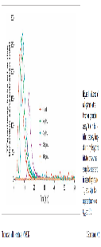
#240 | PMID: 3260 5001 Zalewski J, Stepien K, Nowak K et al. Delayed Thrombin Generation Is Associated with Minor Bleedings in Venous Thromboembolism Patients on Rivaroxaban: Usefulness of Calibrated Automated Thrombography. J Clin Med 2020; 9. DOI: 10.3390/jcm9072018 |  | Zalewski | J Clin Med | 2020 | Poland | Single Center Prospective Observational Cohort Study | Jagiellonian University Medical College National Institutes of Health | VTE |  | CAT/Manual calibration | 5 pM | PPP | No | Yes |  |  | Yes | Yes | Yes | Yes | Yes | Yes |  | In Vivo |  |  |  |  |  |  |  |  |  |  |  |  |  |  |  | Rivaroxaban | 132 | Not reported | Median trough major bleeding = 35 ng/mL (6-66) Median trough without major bleeding = 25 ng/mL (13-44) | Not reported | Not reported | Not reported | Not reported | Not reported |  |  |  |  |  | 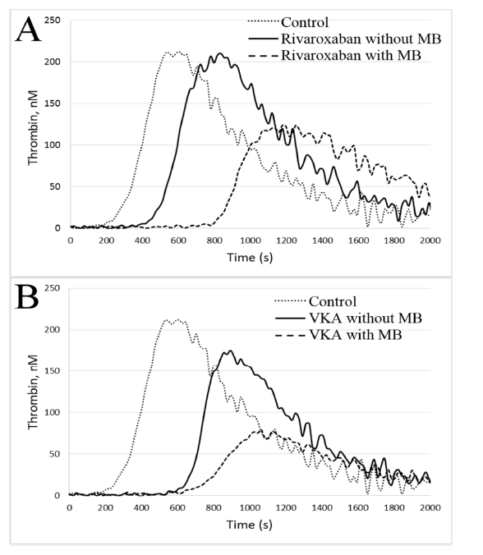 |  |  |  |  |  |  |  |  |  |  |  |  |  |  |  |  |  |  |  |  |  |  |  |  |  |  |  |  |  |  |  |  |  |  |  |  |  |  |  |  |  |  |  |  |  |  |  |  |  |  |  |  |  |  |  |  |  |  |  |  | Authors assessed patients on rivaroxaban vs VKA (warfarin or acenocoumarol) for VTE and measured laboratory parameters between 8-10AM (excluded patients with last dose of antithrombotic within 20 hours of blood draw). So blood samples were drawn at ~ trough levels for rivaroxaban but would have been at steady state for warfarin. They attempted to compare TGA parameters between those patients who experience MB (MINOR bleeding) vs those who did not. TGA analyses were performed using "CAT" but they used manual calibration, used a different fluoremeter, and reported results in terms of seconds rather than minutes (e.g. nM/s, lag time in seconds, etc.). They powered their study to detect a difference in the lag time, although did not provide a rationale as to why they were focused on the lag time. They had to adjust differences between patients with/without MB using linear regression according to rivaroxaban level or INR. All TGA parameters remained significant predictors of minor bleeding even after regression for rivaroxaban level, whereas only AUC remained a significant predictor after adjustment for VKAs. For VKA both peak and mVRI were significant predictors before adjustment. No significant association between VTE or MB and TGA parameters although there were relatively few events. Challenging study tu interpret since patients being compared at a trough level of rivaroxaban as compared to effectively being on therapeutic anticoagulation with warfarin. Unclear whether linear regression would work to account for differences in rivaroxaban/levels and INR, and also effectively adjusting for mediator of differences in TGA parameters (i.e. along causal chain). They also performed ROC analyses for LT, TTP, peak and ETP. AUC for lag time for rivaroxaban was 0.85, p < 0.0001 AUC for TTP was 0.85; p < 0.0001 AUC for peak was 0.77; p < 0.0001 AUC for ETP was 0.76; p < 0.0001 |  | No |  |  |  |  |  |  |  |  |  |  |  |  |  |  |  |  |  |  |  |  |  |  |  |  |  |  |  |  |  |  |  |  |  |  |  |  |  |  |  |  |  |  |  |  |  |  |  |  |  |  |  |  |  |  |  |  |  |  |  |  |  |  |  |  |  |  |  |  |  |  | No | Yes | "Recurrent symptomatic VTE" i.e. recurrent symptomatic DVT/PE | Rivaroxaban = 5 patients (3.8%) VKA = 3 patients (2.1%) | "Irresctive of the anticoagulant treatment, there were no differences in CAT parameters between patients with and without recurrent VTE" | Yes | MB = "minor bleeding" = "defined as bleeding, not requiring outpatient visits, medical interventions or hospitalizations including easy bruising, skin ecchymosis, conjunctiva bleeds, gingival bleeds, epistaxis, haematuria, or vaginal bleeds." Major bleeding (ISTH) | Rivaroxaban with MB = 27 Rivaroxaban without MB = 105 VKA with MB = 25 VKA without MB = 120 | Yes, as outlined in details section. Patient with minor bleeding on rivaroxaban had longer LT, TTP and lower ETP and peak values. | Median follow-up of 10 months (IQR 7-19 months)
#453 | PMID: 3290 6769 Lagrange J, Wagner B, Nagler M et al. Characterization of Thrombin Generation Curve Shape in Presence of Platelets from Acute Venous Thromboembolism Patients. J Clin Med 2020; 9. DOI: 10.3390/jcm9092892 | GMP-VTE project | Lagrange | J Clin Med | 2020 | Germany | Multicenter Prospective Observational Cohort Study | German Federal Ministry of Education and Research Bayer Healthcare | Acute VTE |  | CAT/Thrombinoscope | 1 pM | PRP | No | No |  |  | Yes | Yes | No | Yes | Yes | Yes |  | In Vivo |  |  |  |  |  |  |  |  |  |  |  |  |  |  |  |  |  |  |  |  |  |  |  |  |  |  |  |  |  |  |  |  |  |  |  |  |  |  |  |  |  |  |  |  |  |  |  |  |  |  |  |  |  |  |  |  |  |  |  |  |  |  |  |  |  |  |  |  |  |  |  |  |  |  |  |  |  |  |  |  |  |  |  |  |  |  |  |  |  |  | Authors evaluated a random subset of the GMP-VTE project (biobanking project). Blood samples were drawn in the setting of acute VTE. Time of blood draw relative to timing of last anticoagulant (or whether patients were even on anticoagulant at the time) unclear. Authors did not report type of DOAC, just grouped all patients under "Factor Xa inhibitors". Evaluated whether various clinical factors (e.g. direct Xa inhibitor use) was associated with a "biphasic" TG curve or no TG curve. Unclear how "biphasic" curves were defined. Also evaluated whether there was a significant difference in terms of mean TGA parameters comparing patients with a normal TG vs biphasic curve. Biphasic curves were associated with a lower velocity but not LT, peak or ETP. Multiple logistic regression was used to identify predictors for "biphasic" TG curves, with significant predictors including female sex, cancer and use of a factor Xa inhibitor. |  | No |  |  |  |  |  |  |  |  |  |  |  |  |  |  |  |  |  |  |  |  |  |  |  |  |  |  |  |  |  |  |  |  |  |  |  |  |  |  |  |  |  |  |  |  |  |  |  |  |  |  |  |  |  |  |  |  |  |  |  |  |  |  |  |  |  |  |  |  |  |  | No
#2807 | PMID: 2555 5316 Arachchillage DR, Efthymiou M, Mackie IJ et al. Rivaroxaban and warfarin achieve effective anticoagulation, as assessed by inhibition of TG and in-vivo markers of coagulation activation, in patients with venous thromboembolism. Thromb Res 2015; 135: 388-393. DOI: 10.1016/j.thromres.2014.11.037 |  | Arachillage | Thromb Res | 2015 | United Kingdom | In Vivo PK/PD Study | LUPUS UK Bayer HealthCare | VTE |  | CAT/Thrombinoscope | 5 pM | PPP | No | No |  |  | Yes | Yes | Yes | Yes | Yes | No |  | In Vivo |  |  |  |  |  |  |  |  |  |  |  |  |  |  |  | Rivaroxaban | 40 | 20 mg po OD | Median 284 ng/mL (range 56-457) | Yes, statistically significant | Yes, statistically significant | Yes, statistically significant | Yes, statistically significant | Not reported | rho = 0.61; p < 0.0001 | rho = 0.5; p = 0.001 | rho = -0.33; p = 0.03 | rho = -0.5; p = 0.001 | Not reported | 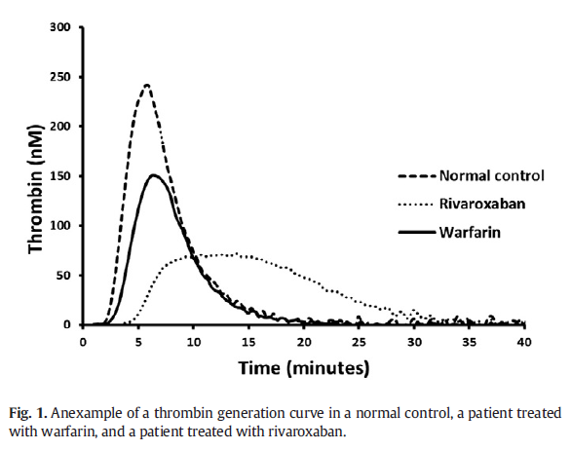 |  |  |  |  |  |  |  |  |  |  |  |  |  |  |  |  |  |  |  |  |  |  |  |  |  |  |  |  |  |  |  |  |  |  |  |  |  |  |  |  |  |  |  |  |  |  |  |  |  |  |  |  |  |  |  |  |  |  |  |  | Authors measured TGA ~ 2-4 hours after LD of rivaroxaban and compared results to patients taking warfarin. Patients were patients with prior VTE. Median INR for warfarin patients was 2.29 (range 1.70-3.24), 32/45 warfarin patients had an INR within the therapeutic range. All TGA parameters were impact by both warfarin and rivaroxaban, they provided p-values. Patients on rivaroxaban had significantly prolonged lag time and TTP and significant lower peak values, but ETP was lower for warfarin patients. They performed a sensitivity analysis whereby the excluded warfarin patients with subtherapeutic INRs. Provided correlation values for rivaroxaban, Spearman's rank correlation. "However the correlation between INR and TG was poor, even after removing results of samples from warfarin-treated patients with subtherapeutic INR values." "The significantly reduced peak thrombin and relatively less inhibited ETP with rivaroxaban are probably explained by protraction of the thrombin generation process with rivaroxaban compared to warfarin. The ETP is considered to depend on the propagation and termination phases of the TG process and has been reported to showdecreased sensitivity to direct Xa inhibitors during in-vitro studies [24,25]. This is assumed to be due to inhibition of the positive feedback action of FXa on factor VII, which results in prolongation of the lag time and a slow start of prothrombinase complex formation and hence, a longer time to peak TG [26,27]." |  | No |  |  |  |  |  |  |  |  |  |  |  |  |  |  |  |  |  |  |  |  |  |  |  |  |  |  |  |  |  |  |  |  |  |  |  |  |  |  |  |  |  |  |  |  |  |  |  |  |  |  |  |  |  |  |  |  |  |  |  |  |  |  |  |  |  |  |  |  |  |  | Yes | Yes | "Thrombotic Episodes" | "Arterial thrombosis in the left lower limb" | Highest ETP in the study, albeit well below the NC reference range. | Yes | "clinically significant bleeding" | No patients | No | Cross-sectional, no clear longitudinal follow-up
VTE - ANTICOAGULATION REVERSAL
#511 | PMID: 3285 5623 Giffard-Quillon L, Desmurs-Clavel H, Grange C et al. Reversal of rivaroxaban anticoagulant effect by prothrombin complex concentrates: which dose is sufficient to restore normal thrombin generation? Thromb J 2020; 18: 15. DOI: 10.1186/s12959-020-00228-9 |  | Giffard-Quillon | Thromb J | 2020 | France | In Vivo PK/PD Study In Vitro Spiked Plasma | CSL Behring | VTE Healthy Volunteers |  | CAT/Thrombinoscope | PPP Reagent (5 pM) | PPP | No | No |  |  | Yes | Yes | No | Yes | Yes | No |  | In Vivo |  |  |  |  |  |  |  |  |  |  |  |  |  |  |  | Rivaroxaban | 40 | 20 mg po OD | Did not report mean/median values "Rivaroxaban levels were high in four patients (200–300 ng.mL− 1), within the usual therapeutic range (31–200 ng.mL− 1) in twenty patients, and low in eleven patients (25–30 ng.mL− 1). Five plasma samples were excluded from the study because of undetectable rivaroxaban levels. PCC" | Not reported | Not reported | Yes, statistically significant | Not reported | Not reported | Not reported | Not reported | r = -0.6241; p = 0.0019 | Not reported | Not reported | 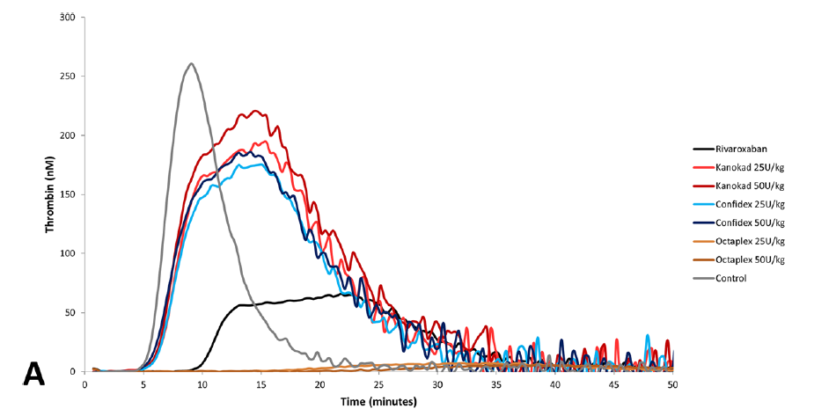 |  |  |  |  |  |  |  |  |  |  |  |  |  |  |  |  |  |  |  |  |  |  |  |  |  |  |  |  |  |  |  |  |  |  |  |  |  |  |  |  |  |  |  |  |  |  |  |  |  |  |  |  |  |  |  |  |  |  |  |  | Authors collected plasma samples from patients with VTE treated with rivaroxaban 20 mg po OD. Samples drawn at random time points following last dose of rivaroxaban. Did not report all TGA parameters in terms of the impact of rivaroxaban, but did report that Peak was most affected and so provbided correlation statistic for rivaroxaban. They then spiked samples with 3 different PCCs (Kanokad, Confidex and Octaplex). Authors mainly focused on peak and ETP in terms of impact of PCC. They reported dose-dependent effects for both Kanokad and Confidex, but Octaplex inhibited thrombin generation and the results for Octaplex were not interpretable. Results challenging to interpret but seem to indicate 25-50 IU/kg Kanokad and Confidex were able to normalize peak and ETP, as well as lag time, but lower doses were significantly different from reference range values. Did not report time to peak. |  | Yes | In Vitro | PCC (Kanokad) PCC (Confidex, i.e. Beriplex)) PCC (Octaplex) | Kanokad - 4FPCC Confidex - 4FPCC Octaplex - 4FPCC | N/A | 0 0.375 IU/mL 0.625 IU/mL 0.875 IU/mL 1.25 IU/mL | 0 IU/kg 15 IU/kg 25 IU/kg 35 IU/kg 50 IU/kg | Kanokad - Yes, statistical significance not reported Confidex - Yes, statistical significance not reported Octaplex - No effect, inhibition of thrombin generation | Not reported | Kanokad - Yes, statistical significance not reported Confidex - Yes, statistical significance not reported Octaplex - No effect, inhibition of thrombin generation | Kanokad - Yes, statistical significance not reported Confidex - Yes, statistical significance not reported Octaplex - No effect, inhibition of thrombin generation | Kanokad - Yes Confidex - Yes Octaplex - No | Not reported | Kanokad - Yes Confidex - Yes Octaplex - No | Kanokad - Yes Confidex - Yes Octaplex - No | Kanokad - Yes, at 50 IU/kg at lower DOAC concentrations Confidex - Yes, at 50 IU/kg at lower DOAC concentrations Octaplex - No | 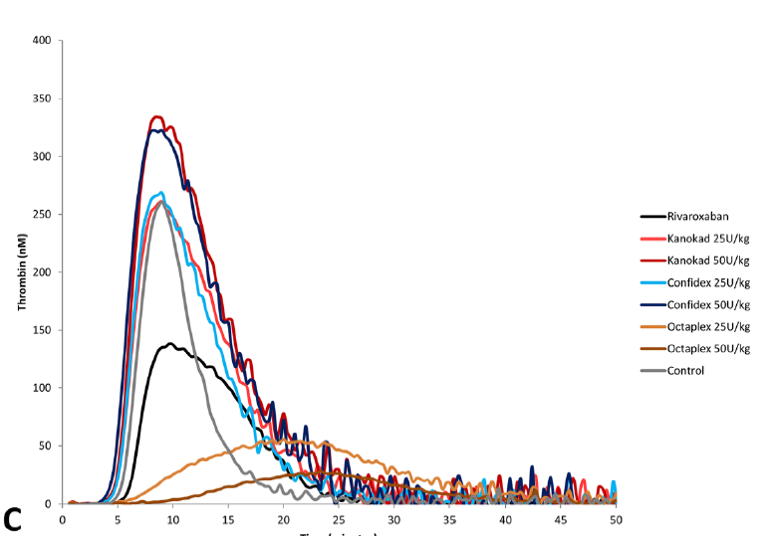 |  |  |  |  |  |  |  |  |  |  |  |  |  |  |  |  |  |  |  |  |  |  |  |  |  |  |  |  |  |  |  |  |  |  |  |  |  |  |  |  |  |  |  |  |  |  |  |  |  |  |  |  |  |  | No
#1544 | PMID: 3004 6673 Schultz NH, Tran HTT, Bjørnsen S et al. The reversal effect of prothrombin complex concentrate (PCC), activated PCC and recombinant activated factor VII in apixaban-treated patients in vitro. Res Pract Thromb Haemost 2017; 1: 49-56. DOI: 10.1002/rth2.12015 |  | Schultz | Res Pract Thromb Haemost | 2017 | Norway | In Vivo PK/PD Study In Vitro Spiked Plasma | Bayer HealthCare | VTE Healthy Volunteers |  | CAT/Thrombinoscope | 5 pM | PPP | No | Yes |  |  | Yes | Yes | No | Yes | Yes | Yes |  | In Vivo | Apixaban | 30 | 5 mg po BID | Mean 174 ng/mL (95% CI 147.3-201.8) | Yes, statistically significant | Not reported | Yes, statistically significant | Yes, statistically significant | Yes, statistically significant | Not reported | Not reported | B = -0.58; p = 0.001 | B = -0.47; p = 0.01 | B = -0.43; p = 0.02 | 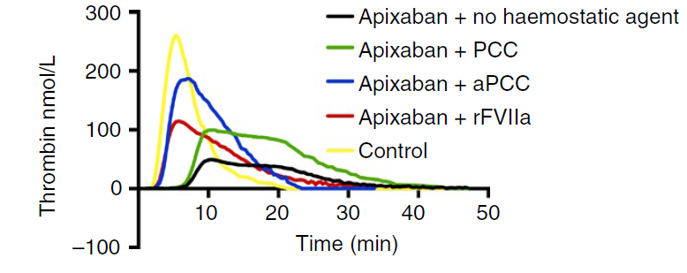 |  |  |  |  |  |  |  |  |  |  |  |  |  |  |  |  |  |  |  |  |  |  |  |  |  |  |  |  |  |  |  |  |  |  |  |  |  |  |  |  |  |  |  |  |  |  |  |  |  |  |  |  |  |  |  |  |  |  |  |  |  |  |  |  |  |  |  |  |  |  |  |  |  |  |  | Samples drawn from apixaban-treated patients for VTE. Samples drawn ~ 2 hours after drug intake. They reported correlation to LT, peak, ETP and MVRI. Used linear regression for correlation and reported correlation statistic as "Beta". Unclear if they are referring to R2. No significant details in statistical analysis section. PCC was able to impact peak and ETP, with dose-dependent effects seen (see Figure 2). PCC did not normalize peak, did normalize ETP with ETP overshoot seen. aPCC was able to impact LT, peak, mVRI and ETP with dose-dependent effects seen (although differences between doses did not achieve statistical significance). aPCC was able to normalize LT (95% CI overlapped with control range), peak, mVRI and ETP; ETP overshoot seeen. rFVIIa able to normalize LT, did have an impact on peak but did not normalize, did have an impact on mVRI but did not normalize and was able to normalize ETP albeit with much less effect compared to PCC and aPCC. No significant differences between the different rFVIIa doses seen. They also evaluated clotting time using ROTEM and showed that both aPCC and rFVIIa were able to normalize clotting time whereas PCC was not. "By using the recommended doses for aPCC, PCC, and rFVIIa, this study demonstrated that aPCC is a more effective reversal agent of apixaban than PCC and rFVIIa for many of the measured parameters. These results are consistent with previous studies.16,19 Interestingly, in the present study we found that even the reduced dose of aPCC 50% (25 IU/ kg) showed a greater efficacy than PCC both in reducing CT and lag time and in increasing the peak concentration and velocity index." |  | Yes | In Vitro | PCC (Cofact) | 4FPCC | N/A | "80%, 100% and 125% of suggested doses for clinical use" | 32 IU/kg 40 IU/kg 50 IU/kg | No significant effect | Not reported | Yes, statistically significant (100% dose) | Yes, statistically significant (100% dose) | No | Not reported | No | Yes, at all doses | Yes, at all doses | 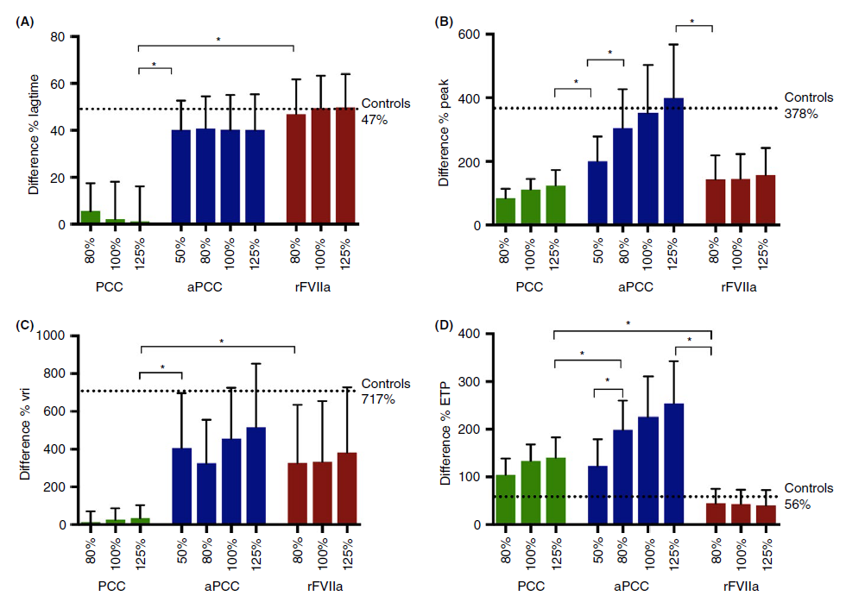 | aPCC | N/A | "80%, 100% and 125% of suggested doses for clinical use" | 25 IU/kg 40 IU/kg 50 IU/kg | Yes, statistically significant | Not reported | Yes, statistically significant | Yes, statistically significant | Yes (all all doses) | Not reported | Yes (80-125% doses) | Yes, at all doses | Yes, at all doses |  | rFVIIa | N/A | "80%, 100% and 125% of suggested doses for clinical use" | 72 ugkg 90 ug/kg 112.5 ug/kg | Yes, statistically significant | Not reported | Yes, statistically significant | Yes, statistically significant | Yes, at all doses | Not reported | No | Yes | No |  |  |  |  |  |  |  |  |  |  |  |  |  |  |  |  |  |  |  |  |  |  |  |  |  |  |  | No
ACS/ANTIPLATELET THERAPY |  |  |  |  |  |  |  |  |  |  |  |  |  |  |  |  |  |  |  |  |  |  |  |  |  |  |  |  |  |  |  |  |  |  |  |  |  |  |  |  |  |  |  |  |  |  |  |  |  |  |  |  |  |  | 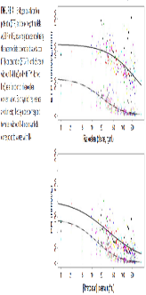
#1407 | PMID: 2958 8304 Borst O, Münzer P, Alnaggar N et al. Inhibitory mechanisms of very low-dose rivaroxaban in non-ST-elevation myocardial infarction. Blood Adv 2018; 2: 715-730. DOI: 10.1182/bloodadvances.2017013573 | REVEAL NCT#01417884 | Borst | Blood Advances | 2018 | Germany | Single Center Prospective Cohort Study | Bayer HealthCare | ACS |  | CAT/Thrombinoscope | Not reported | PPP/PRP | No | No |  |  | Yes | Yes | Yes | Yes | No | Yes |  | In Vitro/In Vivo |  |  |  |  |  |  |  |  |  |  |  |  |  |  |  | Rivaroxaban | 40 | 2.5 mg po BID (in vivo) | 40 ng/mL (spiked) | Yes, statistically significant | Yes, statistically significant | Yes, statistically significant | Not reported | Yes, statistically significant |  |  |  |  |  |  |  |  |  |  |  |  |  |  |  |  |  |  |  |  |  |  |  |  |  |  |  |  |  |  |  |  |  |  |  |  |  |  |  |  |  |  |  |  |  |  |  |  |  |  |  |  |  |  |  |  |  |  |  |  |  |  |  |  |  |  | Prospective observational study that recruited patients with ACS/NSTEMI, who were on DAPT (n = 20 ASA + clopidogrel; n = 20 ASA + ticagrelor). Plasma was drawn and spiked with rivaroxaban 40 ng/mL in vitro, and then patients started rivaroxaban 2.5 mg po BID on day 2 and TGA values were also drawn after in vivo intake of low-dose rivaroxaban for the clopidogrel arm (see Figure 1). Low levels of rivaroxaban had a significant impact on LT, TTP, peak and MVRI (did not reported ETP) both after spiking and following in vivo intake of rivaroxaban 2.5 mg po BID. Also evaluated TGA in PRP. Results were similar, with statistical significance found across all parameters for both in vitro spiked and in vivo intake. |  | No |  |  |  |  |  |  |  |  |  |  |  |  |  |  |  |  |  |  |  |  |  |  |  |  |  |  |  |  |  |  |  |  |  |  |  |  |  |  |  |  |  |  |  |  |  |  |  |  |  |  |  |  |  |  |  |  |  |  |  |  |  |  |  |  |  |  |  |  |  |  | No
#2519 | PMID: 2584 8131 Perzborn E, Heitmeier S, Laux V. Effects of Rivaroxaban on Platelet Activation and Platelet-Coagulation Pathway Interaction: In Vitro and In Vivo Studies. J Cardiovasc Pharmacol Ther 2015; 20: 554-562. DOI: 10.1177/1074248415578172 |  | Perzborn | J Cardiovasc Pharmacol | 2015 | Germany | In Vitro Spiked Plasma | Bayer HealthCare | Healthy Volunteers |  | CAT/Thrombinoscope | PRP Reagent (0.5 pM) | PRP | No | No |  |  | Yes | Yes | Yes | Yes | Yes | Yes |  | In Vitro |  |  |  |  |  |  |  |  |  |  |  |  |  |  |  | Rivaroxaban | 11 | N/A | 15, 30, 60 ng/mL | Yes, statistically significant | Yes, statistically significant | Yes, statistically significant | No significant effect | Yes, statistically significant |  |  |  |  |  |  |  |  |  |  |  |  |  |  |  |  |  |  |  |  |  |  |  |  |  |  |  |  |  |  |  |  |  |  |  |  |  |  |  |  |  |  |  |  |  |  |  |  |  |  |  |  |  |  |  |  |  |  |  |  |  |  |  |  |  |  | Authors evaluated in vitro using plasma from healthy volunteers, spiked with low levels of rivaroxaban (15-60 ng/mL) and then adding either ASA or ticagrelor or both. Authors reported a significant impact on all TGA parameters other than ETP (no significant effect at low concentrations used). They also noted synergistic effects when antiplatelet therapy was added, although did not report statistical significance for differences between rivaroxaban monotherapy vs rivaroxaban + ASA/ticagrelor. "Rivaroxaban alone affected thrombin generation in a concentration-dependent manner, with decreases in Cmax and mean velocity and an increase in lag time and Tmax (Figure 2). The ETP was not significantly reduced by rivaroxaban at the low concentrations used (data not shown). By contrast, ASA alone had no influence on any parameter measured (Figure 2). Ticagrelor alone (1.0 mg/mL) had no effect on ETP (data not shown) and lag time, but reduced Cmax and mean velocity, and prolonged Tmax, although these effects did not reach statistical significance (Figure 2). There was no consistent effect on lag time. Combining low rivaroxaban concentrations (15, 30, and 60 ng/mL) with ticagrelor had an additive effect on reducing thrombin Cmax and further decreased the mean velocity and prolonged Tmax. These effects were slightly, but consistently, enhancedwhen the triple combinationwas used (rivaroxaban plus ticagrelor andASA; Figure 2). For instance, Cmax was reduced by rivaroxaban alone (60 ng/mL) by 50% and by ticagrelor alone by 16%, versus control; this reduction reached 62% with the combination of rivaroxaban and ticagrelor and 69%with the triple combination. Mean velocity was reduced by 70% with rivaroxaban alone, by 37%with ticagrelor alone, by 83%with the combination of rivaroxaban and ticagrelor, and by 87% with the triple combination. The Tmax was delayed by the administration of rivaroxaban by 1.9-fold versus control but was more effectively delayed in the presence of ticagrelor |  | No |  |  |  |  |  |  |  |  |  |  |  |  |  |  |  |  |  |  |  |  |  |  |  |  |  |  |  |  |  |  |  |  |  |  |  |  |  |  |  |  |  |  |  |  |  |  |  |  |  |  |  |  |  |  |  |  |  |  |  |  |  |  |  |  |  |  |  |  |  |  | No
#2653 | PMID: 2579 1908 Honda Y, Morishima Y. Thrombin generation induced by tissue factor plus ADP in human platelet rich plasma: A potential new measurement to assess the effect of the concomitant use of an oral factor Xa inhibitor edoxaban and P2Y12 receptor antagonists. Thromb Res 2015; 135: 958-962. DOI: 10.1016/j.thromres.2015.03.001 |  | Honda | Thromb Res | 2015 | Japan | In Vitro Spiked Plasma | Daiichi Sankyo | Healthy Volunteers |  | CAT/Thrombinoscope | 0.25 pM | PPP/PRP | No | No |  |  | Yes | Yes | Yes | Yes | Yes | Yes |  | In Vitro |  |  |  |  |  |  |  |  |  |  |  |  |  |  |  |  |  |  |  |  |  |  |  |  |  |  |  |  |  |  |  |  |  |  |  |  |  |  |  |  |  |  |  |  |  | Edoxaban | 28 | N/A | 40 ng/mL 80 ng/mL | Yes, statistically significant | Yes, statistically significant | Yes, statistically significant | Yes, statistically significant | Yes, statistically significant |  |  |  |  |  | 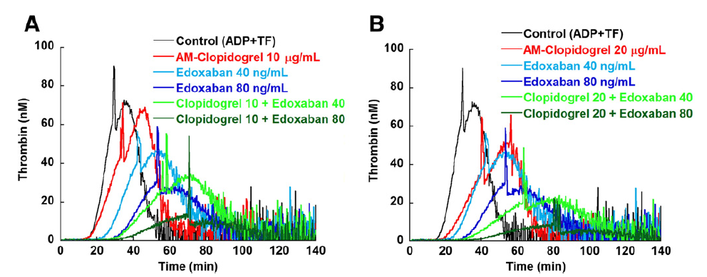 |  |  |  |  |  |  |  |  |  |  |  |  |  |  |  |  |  |  |  |  |  |  |  |  |  |  |  |  |  |  | Authors spiked plasma from healthy volunteers with either 40 or 80 ng/mL of edoxaban and then evaluated whether there was synergy by adding clopidogrel (active metabolite) or ticagrelor. They were able to demonstrate edoxaban had a significant impact on all TGA parameters (statistically significant, concentration dependent) but also that adding clopidogrel and edoxaban reduced TGA parameters more than clopidogrel alone. Similar results were seen with ticagrelor. |  | No |  |  |  |  |  |  |  |  |  |  |  |  |  |  |  |  |  |  |  |  |  |  |  |  |  |  |  |  |  |  |  |  |  |  |  |  |  |  |  |  |  |  |  |  |  |  |  |  |  |  |  |  |  |  |  |  |  |  |  |  |  |  |  |  |  |  |  |  |  |  | No
ACUTE STROKE
#3536 | PMID: 2206 5286 Serebruany V, Sani Y, Lynch D et al. Effects of dabigatran in vitro on thrombin biomarkers by Calibrated Automated Thrombography in patients after ischemic stroke. J Thromb Thrombolysis 2012; 33: 22-27. DOI: 10.1007/s11239-011-0654-x |  | Serebruany | J Thromb Thrombolysis | 2012 | USA | In Vitro Spiked Plasma | Boehringer Ingelheim Stago HeartDrug Research | Acute Stroke |  | CAT/Thrombinoscope | 5 pM | PPP | No | No |  |  | Yes | Yes | Yes | Yes | No | No |  | In Vitro |  |  |  |  |  |  |  |  |  |  |  |  |  |  |  |  |  |  |  |  |  |  |  |  |  |  |  |  |  |  | Dabigatran | 20 | N/A | 0.1 mM 0.23 mM 0.46 mM 0.69 mM | Yes, statistically significant | Yes, statistically significant | Yes, statistically significant | Not reported | Not reported |  |  |  |  |  | 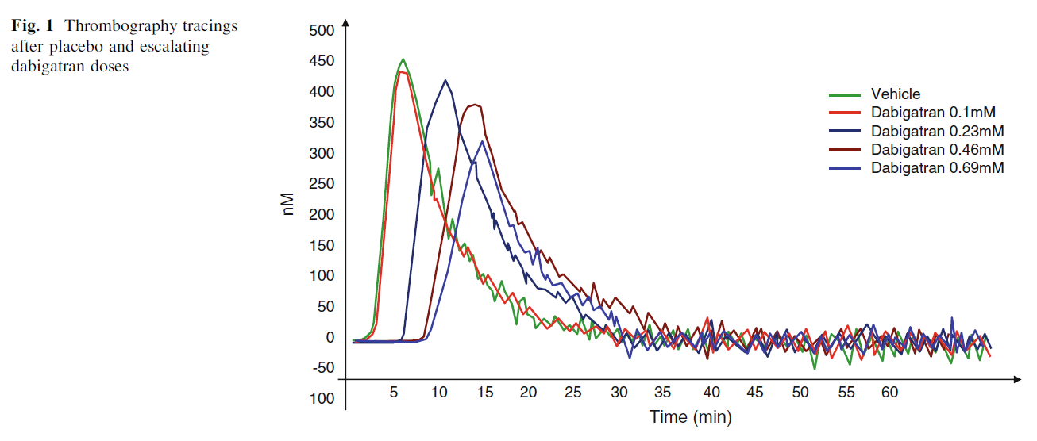 |  |  |  |  |  |  |  |  |  |  |  |  |  |  |  |  |  |  |  |  |  |  |  |  |  |  |  |  |  |  |  |  |  |  |  |  |  |  |  |  |  |  |  |  |  | Authors drew plasma from 20 patients with acute stroke within the past 1-3 months. All patients had been treated with ASA for at elast 1 month. They spiked the samples with increasing concentrations of dabigatran ("D") and evaluated the impact on TGA. Although they used CAT/Thrombinoscope, the parameters reported are different. Tmax = TTP, Tstart = lag time, TGmax = peak, but unclear what Tmean is. Report statistically significant and dose-dependent effects of dabigatran on Tstart, Tmax and TGmax. |  | No |  |  |  |  |  |  |  |  |  |  |  |  |  |  |  |  |  |  |  |  |  |  |  |  |  |  |  |  |  |  |  |  |  |  |  |  |  |  |  |  |  |  |  |  |  |  |  |  |  |  |  |  |  |  |  |  |  |  |  |  |  |  |  |  |  |  |  |  |  |  | No
APS
#2293 | PMID: 2757 0089 Cohen H, Hunt BJ, Efthymiou M et al. Rivaroxaban versus warfarin to treat patients with thrombotic antiphospholipid syndrome, with or without systemic lupus erythematosus (RAPS): a randomised, controlled, open-label, phase 2/3, non-inferiority trial. Lancet Haematol 2016; 3: e426-436. DOI: 10.1016/S2352-3026(16)30079-5 | ISRCTN68222801 (RAPS) | Cohen | Lancet Hematology | 2016 | UK | Multicenter Open-Label Randomized Controlled Trial | Arthritis Reseaarch UK University College London LUPUS UK Bater HealthCare National Institute for Health Research Biomedical Research Centre | Antiphospholipid Antibody Syndrome (VTE) |  | CAT/Thrombinoscope | PPP Reagent (5 pM) | PPP | No | No |  |  | Yes | Yes | Yes | Yes | Yes | No |  | In Vivo |  |  |  |  |  |  |  |  |  |  |  |  |  |  |  | Rivaroxaban | 57 | 20 mg po OD = 55 15 mg po OD = 2 | Median 162 ng/mL (IQR = 101-245) | Yes, statistically significant vs warfarin | Yes, statistically significant vs warfarin | Yes, statistically significant vs warfarin | Yes, statistically significant vs warfarin, warfarin lower ETP | Not reported | Not reported | Not reported | Not reported | rs = -0.5 (95% CI -0.7 to -0.2) | Not reported | 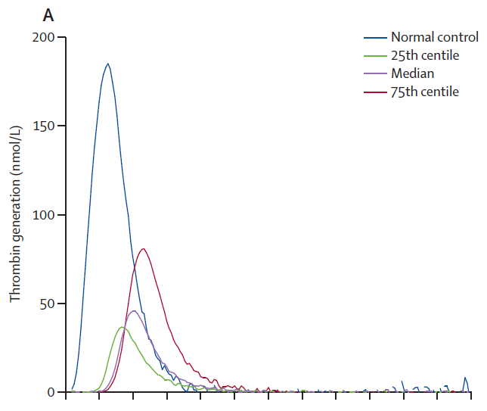 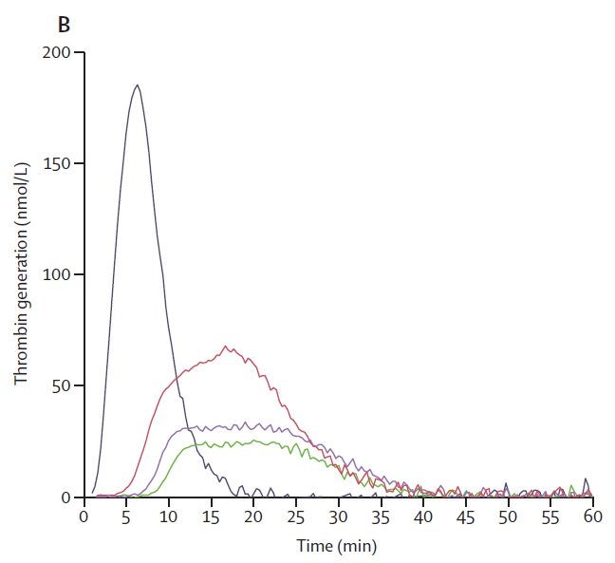 |  |  |  |  |  |  |  |  |  |  |  |  |  |  |  |  |  |  |  |  |  |  |  |  |  |  |  |  |  |  |  |  |  |  |  |  |  |  |  |  |  |  |  |  |  |  |  |  |  |  |  |  |  |  |  |  |  |  |  |  | RCT randomizing patients with thrombotic APS to either rivaroxaban or warfarin. Primary endpoint was ETP at day 42, non-inferioty outcome to exclude a 20% difference in standarized ETP. At day 42, patients on rivaroxaban had statistically significant higher ETP (p < 0.0001), longer lag time (p = 0.0052), longer time to peak (p < 0.0001), and a lower peak (p = 0.00061). TGA was drawn 2-4 hours after rivaroxaban dose, rivaroxaban levels were peak levels. Median rivaroxaban level was 16 (IQR 101-245). They did not record any thromboembolci events during the study, and only CRNMB or minor bleeding. They did not attempt to correlate bleeding events with TGA parameters. Patients on rivaroxaban also had statsitically significantly higher PF1+2. |  | No |  |  |  |  |  |  |  |  |  |  |  |  |  |  |  |  |  |  |  |  |  |  |  |  |  |  |  |  |  |  |  |  |  |  |  |  |  |  |  |  |  |  |  |  |  |  |  |  |  |  |  |  |  |  |  |  |  |  |  |  |  |  |  |  |  |  |  |  |  |  | Yes | VTE | "venous thromboembolic events" | 0 events | No events | Yes | "Bleeding events" | 0 major bleeding events in both arms Clinically relevant bleeding = 3/57 events (5%) in rivaroxaban and 2/55 events (4%) in warfarin Minor bleeding = 10/57 events (18%) in rivaroxaban and 8/55 (15%) in warfarin | Not reported | 210 days
ELDERLY
#121 | PMID: 3313 1001 Kampouraki E, Abohelaika S, Avery P et al. Elderly people are inherently sensitive to the pharmacological activity of rivaroxaban: implications for DOAC prescribing. J Thromb Thrombolysis 2021; 52: 170-178. DOI: 10.1007/s11239-020-02326-x |  | Kampouraki | J Thromb Thrombolysis | 2021 | UK | In Vitro Spiked Plasma | UK National Institute for Health Research (NIHR) Newcastle Biomedical Research Centre | Elderly Healthy Volunteers |  | CAT/Thrombinoscope | PPP Reagent High (20 pM) | PPP | No | No |  |  | Yes | Yes | Yes | Yes | Yes | Yes |  | In Vitro |  |  |  |  |  |  |  |  |  |  |  |  |  |  |  | Rivaroxaban | 36 elderly 30 young | N/A | 187.5 ng/mL | Yes, statistically significant | Yes, statistically significant | Yes, statistically significant | Yes, statistically significant | Yes, statistically significant |  |  |  |  |  |  |  |  |  |  |  |  |  |  |  |  |  |  |  |  |  |  |  |  |  |  |  |  |  |  |  |  |  |  |  |  |  |  |  |  |  |  |  |  |  |  |  |  |  |  |  |  |  |  |  |  |  |  |  |  |  |  |  |  |  |  | Drew plasma from both young and elderly healthy volunteers and then spiked with 187.5 ng/mL of rivaroxaban and measured impact on coagulation parameters and TGA. Elderly patients had longer lag time, longer TTP, lower peak, lower ETP and lower mVRI than younger patients (all statistically significant). Rivaroxaban led to longer LT, TTP and lower peak, ETP and mVRI in elderly patients as compared to young patients. |  | No |  |  |  |  |  |  |  |  |  |  |  |  |  |  |  |  |  |  |  |  |  |  |  |  |  |  |  |  |  |  |  |  |  |  |  |  |  |  |  |  |  |  |  |  |  |  |  |  |  |  |  |  |  |  |  |  |  |  |  |  |  |  |  |  |  |  |  |  |  |  | No
EMICIZUMAB
#286 | PMID: 3172 8842 Tripodi A, Chantarangkul V, Padovan L et al. Effect of emicizumab on global coagulation assays for plasma supplemented with apixaban or argatroban. J Thromb Thrombolysis 2020; 49: 413-419. DOI: 10.1007/s11239-019-01993-9 |  | Tripodi | J Thromb Thrombolysis | 2020 | Italy | In Vitro Spiked Plasma | None reported | Healthy Volunteers |  | CAT/Thrombinoscope | 1 pM (Thromboplastin 2G) | PPP | No | No |  |  | Yes | Yes | Yes | Yes | Yes | No |  | In Vitro | Apixaban | N/A | N/A | 500 ng/mL | Yes, statistical significance not reported | Yes, statistical significance not reported | Yes, statistical significance not reported | Yes, statistical significance not reported |  |  |  |  |  |  |  |  |  |  |  |  |  |  |  |  |  |  |  |  |  |  |  |  |  |  |  |  |  |  |  |  |  |  |  |  |  |  |  |  |  |  |  |  |  |  |  |  |  |  |  |  |  |  |  |  |  |  |  |  |  |  |  |  |  |  |  |  |  |  |  |  |  |  |  |  |  |  |  |  |  |  | Authors took NPP and spiked with apixaban 500 ng/mL. The goal of the study was to evaluate the impact of emicizumab on coagulation parameters in the presence of direct anticoagulants (apixaban and argatroban). They were able to demonstrate that apixaban prolonged LT and TTP and reduced peak and ETP. |  | No |  |  |  |  |  |  |  |  |  |  |  |  |  |  |  |  |  |  |  |  |  |  |  |  |  |  |  |  |  |  |  |  |  |  |  |  |  |  |  |  |  |  |  |  |  |  |  |  |  |  |  |  |  |  |  |  |  |  |  |  |  |  |  |  |  |  |  |  |  |  | No
LIVER DISEASE/HEPATOBILIARY SURGERY
#256 | PMID: 3262 9499 Werner MJM, Adelmeijer J, de Meijer VE et al. In Vitro Evaluation of Pro- and Anticoagulant Drugs in Children with End-Stage Liver Disease Undergoing Liver Transplantation. Thromb Haemost 2020; 120: 1240-1247. DOI: 10.1055/s-0040-1713752 |  | Werner | Thromb Haemost | 2020 | Netherlands | In Vitro Spiked Plasma | University Medical Center Groningen Transplantation Research Foundation | Pediatric population with ESLD undergoing liver transplantation Healthy Volunteers (children) |  | CAT/Thrombinoscope | Not reported | PPP | Yes | No |  |  | Yes | No | No | No | Yes | No |  | In Vitro |  |  |  |  |  |  |  |  |  |  |  |  |  |  |  | Rivaroxaban | 20 children 30 control children | N/A | 25 ng/mL | Not reported | Not reported | Not reported | No significant effect | Not reported |  |  |  |  |  |  | Dabigatran | 20 children 30 control children | N/A | 300 ng/mL | Not reported | Not reported | Not reported | Yes, statistically significant | Not reported |  |  |  |  |  |  |  |  |  |  |  |  |  |  |  |  |  |  |  |  |  |  |  |  |  |  |  |  |  |  |  |  |  |  |  |  |  |  |  |  |  |  |  |  |  |  |  |  |  |  |  | Authors drew plasma samples from children with ESLD undergoing liver transplantation (LT). They then spiked samples with rivaroxaban 25 ng/mL or dabigatran 300 ng/mL. Only reported ETP (CAT, TF not reported, added TM). Dabigatran had a statistically significant impact on ETP. Greater impact was seen among samples drawn prior to liver transplantation (I.e. patients who still had ESLD), whereas following LT, the impact was similar to controls. However impact from rivaroxaban was similar between controls and in the pre-LT samples. The impact on ETP was not statistically significant, probably because of the much lower concentration of rivaroxaban used. Although they did assess PCC, it was just added to plasma without adding any DOACs (i.e. assessing impact of PCC on plasma from patients with ESLD). |  | No |  |  |  |  |  |  |  |  |  |  |  |  |  |  |  |  |  |  |  |  |  |  |  |  |  |  |  |  |  |  |  |  |  |  |  |  |  |  |  |  |  |  |  |  |  |  |  |  |  |  |  |  |  |  |  |  |  |  |  |  |  |  |  |  |  |  |  |  |  |  | No
#589 | PMID: 3312 4784 Bos S, van den Boom B, Ow TW et al. Efficacy of pro- and anticoagulant strategies in plasma of patients undergoing hepatobiliary surgery. J Thromb Haemost 2020; 18: 2840-2851. DOI: 10.1111/jth.15060 |  | Bos | J Thromb Haemost | 2020 | Netherlands | In Vitro Spiked Plasma | None reported | Liver Transplantation |  | CAT/Thrombinoscope | 5 pM | PPP | Yes | No |  |  | Yes | No | No | No | Yes | No |  | In Vitro |  |  |  |  |  |  |  |  |  |  |  |  |  |  |  | Rivaroxaban | Hepatobiliary Surgery = 60 Healthy Controls = 42 | N/A | 25 ng/mL | Not reported | Not reported | Not reported | Yes, statistical significance not reported | Not reported |  |  |  |  |  |  | Dabigatran | Hepatobiliary Surgery = 60 Healthy Controls = 42 | N/A | 300 ng/mL | Not reported | Not reported | Not reported | Yes, statistical significance not reported | Not reported |  |  |  |  |  |  |  |  |  |  |  |  |  |  |  |  |  |  |  |  |  |  |  |  |  |  |  |  |  |  |  |  |  |  |  |  |  |  |  |  |  |  |  |  |  |  |  |  |  |  |  | Authors used thrombomodulin-modified thrombin generation to evaluate the impact of rivaroxaban (25 ng/mL) vs dabigatran (300 ng/mL) on thrombin generation. They wanted to evaluate the impact of anticoagulants among patients undergoing liver surgery (20 OLT, 20 partial hepatectomy and 20 PPPD). Demonstrated that dabigatran had more pronounced impact, whereas rivaroxaban had less pronounced impact. Only reported statistical significance for the relative change of dabi/riva against the impact in control plasma, not the impact of rivaroxaban itself vs no rivaroxaban. They were comparing two different concentrations of DOACs (similar to abstract # 256, justification was that: "Those drugs concentrations that gave appreciable (but not maximal) inhibition of thrombin generation in pooled normal plasma were selected so it would be possible to detect both increased and decreased drug effects in patients compared with controls" |  | No |  |  |  |  |  |  |  |  |  |  |  |  |  |  |  |  |  |  |  |  |  |  |  |  |  |  |  |  |  |  |  |  |  |  |  |  |  |  |  |  |  |  |  |  |  |  |  |  |  |  |  |  |  |  |  |  |  |  |  |  |  |  |  |  |  |  |  |  |  |  | No
#1225 | PMID: 2976 8734 Lisman T, Kleiss S, Patel VC et al. In vitro efficacy of pro- and anticoagulant strategies in compensated and acutely ill patients with cirrhosis. Liver Int 2018; 38: 1988-1996. DOI: 10.1111/liv.13882 |  | Lisman | Liver | 2018 | UK | In Vitro Spiked Plasma | Tekke Huizinga Foundation | Compensated Liver Disease Decompensated Liver Disease Healthy Volunteers |  | CAT/Thrombinoscope | 5 pM | PPP | Yes | No |  |  | Yes | Yes | No | Yes | Yes | Yes |  | In Vitro |  |  |  |  |  |  |  |  |  |  |  |  |  |  |  | Rivaroxaban | Decompensated liver disease = 28 Compensated liver disease = 18 30 healthy volunteers | N/A | 25 ng/mL | Yes, statistical significance not reported | Not reported | Yes, statistical significance not reported | Yes, statistical significance not reported | Yes, statistical significance not reported |  |  |  |  |  | 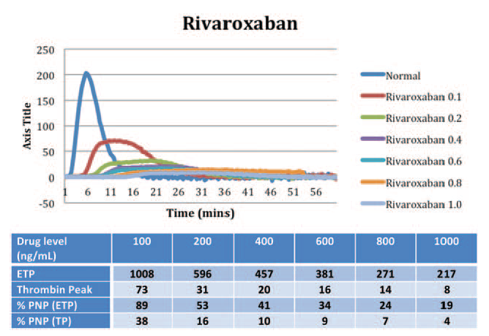 | Dabigatran | Decompensated liver disease = 28 Compensated liver disease = 18 30 healthy volunteers | N/A | 300 ng/mL | Yes, statistical significance not reported | Not reported | Yes, statistical significance not reported | Yes, statistical significance not reported | Yes, statistical significance not reported |  |  |  |  |  |  |  |  |  |  |  |  |  |  |  |  |  |  |  |  |  |  |  |  |  |  |  |  |  |  |  |  |  |  |  |  |  |  |  |  |  |  |  |  |  |  |  |  |  |  |  | Authors took plasma samples from various liver disease populations and measured the impact of spiked rivaroxaban (25 ng/mL) and dabigatran (300 ng/mL) to plasma, and compared to healthy controls. They used a thrombomodulin-modified TGA assay (CAT) similar to their other studies. They did not specify the TM concentration. Rivaroxaban had less impact on ETP relative to controls among various liver disease populations, whereas it had a greater impact on lagtime. Dabigatran on the other hand showed greater impact on ETP and a similar impact on lag time, although concentration for dabigatran was much higher. |  | No |  |  |  |  |  |  |  |  |  |  |  |  |  |  |  |  |  |  |  |  |  |  |  |  |  |  |  |  |  |  |  |  |  |  |  |  |  |  |  |  |  |  |  |  |  |  |  |  |  |  |  |  |  |  |  |  |  |  |  |  |  |  |  |  |  |  |  |  |  |  | No
#2907 | PMID: 2450 5487 Potze W, Arshad F, Adelmeijer J et al. Differential in vitro inhibition of thrombin generation by anticoagulant drugs in plasma from patients with cirrhosis. PLoS One 2014; 9: e88390. DOI: 10.1371/journal.pone.0088390 |  | Potze | PloS One | 2014 | Netherlands | In Vitro Spiked Plasma | Tekke Huizinga Foundation | Cirrhosis Healthy Controls |  | CAT/Thrombinoscope | 5 pM | PPP | Yes | No |  |  | Yes | Yes | No | Yes | Yes | Yes |  | In Vitro |  |  |  |  |  |  |  |  |  |  |  |  |  |  |  | Rivaroxaban | Cirrhosis = 30 Healthy Controls = 30 | N/A | 25 ng/mL | Yes, statistical significance not reported | Not reported | Yes, statistical significance not reported | No effect | Yes, statistical significance not reported |  |  |  |  |  |  | Dabigatran | Cirrhosis = 30 Healthy Controls = 30 | N/A | 300 ng/mL | No significant effect | Not reported | Yes, statistically significant (paradoxical increase) | Yes, statistically significant (paradoxical increase) | Yes, statistically significant |  |  |  |  |  |  |  |  |  |  |  |  |  |  |  |  |  |  |  |  |  |  |  |  |  |  |  |  |  |  |  |  |  |  |  |  |  |  |  |  |  |  |  |  |  |  |  |  |  |  |  | Authors took plasma samples from patients with cirrhosis and measured the impact of spiked rivaroxaban (25 ng/mL) and dabigatran (300 ng/mL) to plasma, and compared to healthy controls. They assessed TGA with CAT using both with and without thrombomodulin. Did not report statistical significance for difference vs controls without anticoagulant, but the comparison was impact of rivaroxaban/dabigatran vs impact in control plasma. In patients with cirrhosis, dabigatran had a greater impact on peak (with or without TM), ETP and mVRIA, as compared to control plasma. For rivaroxaban, in plasma from cirrhotic patients, had less of an impact on peak, whereas similar impact on other TGA parameters (using much lower rivaroxaban concentration as compared to dabigatran). |  | No |  |  |  |  |  |  |  |  |  |  |  |  |  |  |  |  |  |  |  |  |  |  |  |  |  |  |  |  |  |  |  |  |  |  |  |  |  |  |  |  |  |  |  |  |  |  |  |  |  |  |  |  |  |  |  |  |  |  |  |  |  |  |  |  |  |  |  |  |  |  | No
#4805 | PMID: 3245 8002 Bos S, Schreuder T, Blokzijl H et al. Anticoagulant activity of edoxaban in patients with cirrhosis. Blood 2020; 136: 1561-1564. DOI: 10.1182/blood.2020005319 | NTR6397 | Bos | Blood | 2020 | Netherlands | Single Center Prospective Cohort Study | Daiichi Sankyo | Cirrhosis Healthy Controls |  | CAT/Thrombinoscope | 5 pM | PPP | Yes | No |  |  | Yes | No | No | No | Yes | No |  | In Vivo |  |  |  |  |  |  |  |  |  |  |  |  |  |  |  |  |  |  |  |  |  |  |  |  |  |  |  |  |  |  |  |  |  |  |  |  |  |  |  |  |  |  |  |  |  | Edoxaban | Cirrhosis = 16 Healthy Controls = 16 | 60 mg po OD | Median peak 200 ng/mL | Not reported | Not reported | Not reported | Yes, statistically significant | Not reported |  |  |  |  |  |  |  |  |  |  |  |  |  |  |  |  |  |  |  |  |  |  |  |  |  |  |  |  |  |  |  |  |  |  |  |  | Authors drew plasma from 16 patients with cirrhosis (vast majority Child Pugh A) and measured TGA using CAT (with thrombomodulin added) and compared this to 16 controls. Study administered patients/control edoxaban 60 mg po OD x 7 days. Plasma samples drawn ~ 2 hours post-dose on day 1, 3 and 7 of starting "We estimated ex vivo plasma anticoagulant capacity by thrombomodulin-modified calibrated automated thrombinography.9 At baseline, the endogenous thrombin potential (ETP) was substantially higher in patients compared with controls (707 [482-789] nM IIa 3 min vs 403 [304-506] nM IIa 3 min, P , .05). On days 1, 3, and 7, ETP decreased in both patients and controls, but remained significantly and substantially higher in patients compared with the healthy subjects (Figure 1A). The percentual decrease of the ETP on edoxaban compared with baseline was significantly lower in patients compared with controls at all time points (P , .05). D-dimer levels decreased significantly over time in controls compared with baseline (P , .05), but remained similar compared with baseline in patients (Figure 1B). We estimated edoxaban plasma levels by edoxaban-calibrated anti-Xa assays on the ACL 300 TOP (Werfen, Breda, The Netherlands) with BIOPHEN heparin purchased from Nodia (Amsterdam, The Netherlands), calibrated with the BIOPHEN Edoxaban calibrator from Nodia. In patients and controls alike, anti-Xa levels remained relatively constant during the week of administration, with median plasma levels ;200 ng/mL (Figure 1C). At day 3, 2 of the patients had particularly low edoxaban plasma levels, which may have been caused by lack of compliance. Two patients experienced a minor nosebleed. One patient decided not to participate any further after this event. Mild bruising mainly at the site of venipuncture was present in 4 patients and 5 healthy controls. No further adverse events occurred." |  | No |  |  |  |  |  |  |  |  |  |  |  |  |  |  |  |  |  |  |  |  |  |  |  |  |  |  |  |  |  |  |  |  |  |  |  |  |  |  |  |  |  |  |  |  |  |  |  |  |  |  |  |  |  |  |  |  |  |  |  |  |  |  |  |  |  |  |  |  |  |  | Yes | No | N/A | N/A | N/A | Yes | Bleeding events not defined | "Two patients experienced a minor nosebleed. One patient decided not to participate any further after this event. Mild bruising mainly at the site of venipuncture was present in 4 patients and 5 healthy controls. No further adverse events occurred." | Not reported
MECHANICAL HEART VALVES
#352 | PMID: 3183 7559 Roost E, Weber A, Alberio L et al. Rivaroxaban in patients with mechanical heart valves: A pilot study. Thromb Res 2020; 186: 1-6. DOI: 10.1016/j.thromres.2019.12.005 | NCT02128841 | Roost | Thromb Res | 2020 | Switzerland | Single Center Prospective Cohort Study | St. Jude Medical Medtronic | Mechanical aortic valve |  | Not reported | Not reported | Not reported | No | No |  |  | Yes | No | No | Yes | No | No |  | In Vivo |  |  |  |  |  |  |  |  |  |  |  |  |  |  |  | Rivaroxaban | Mechanical aortic valve = 10 | 20 mg po OD | Not reported | Not reported | Not reported | Yes, statistical significance not reported | Not reported | Not reported |  |  |  |  |  |  |  |  |  |  |  |  |  |  |  |  |  |  |  |  |  |  |  |  |  |  |  |  |  |  |  |  |  |  |  |  |  |  |  |  |  |  |  |  |  |  |  |  |  |  |  |  |  |  |  |  |  |  |  |  |  |  |  |  |  |  | Authors measured plasma samples in patients following mechanical aortic valve insertion (pilot study of 10 patients). Patients received IV UFH for the first 3 days then were switched to rivaroxaban. Authors did not really compared rivaroxaban's impact on thrombin generation parameters to anything, they mainly described narratively and described trends in peak thrombin generation over time. Only reported peak thrombin generation in Figure 2 and compared measured values over time. |  | No |  |  |  |  |  |  |  |  |  |  |  |  |  |  |  |  |  |  |  |  |  |  |  |  |  |  |  |  |  |  |  |  |  |  |  |  |  |  |  |  |  |  |  |  |  |  |  |  |  |  |  |  |  |  |  |  |  |  |  |  |  |  |  |  |  |  |  |  |  |  | Yes | Yes | "Thromboembolic events", included valve thrombosis on TTE | No thromboembolic events | No thromboembolic events | Yes | "Bleeding events" | No bleeding events | No bleeding events | 180 days
#481 | PMID: 3187 7292 Jaffer IH, Fredenburgh JC, Stafford A et al. Rivaroxaban and Dabigatran for Suppression of Mechanical Heart Valve-Induced Thrombin Generation. Ann Thorac Surg 2020; 110: 582-590. DOI: 10.1016/j.athoracsur.2019.10.091 |  | Jaffer | Annals of Thoracic Surgery | 2020 | Canada | In Vitro Spiked Plasma | Heart and Stroke Foundation of Canada Canadian Institutes of Health Research | Mechanical valves |  | Technothrombin | Not reported/Contact activation with leaflets | PPP | No | No |  |  | Yes | Yes | No | Yes | Yes | No |  | In Vitro | Apixaban | N/A | N/A | 0-1000 ng/mL | Yes, statistically significant | Not reported | Yes, statistically significant | Yes, statistically significant | Not reported |  |  |  |  |  |  | Rivaroxaban | N/A | N/A | 0-1000 ng/mL | Yes, statistically significant | Not reported | Yes, statistically significant | Yes, statistically significant | Not reported |  |  |  |  |  |  | Dabigatran | N/A | N/A | 0-200 | Not reported | Not reported | Not reported | No significant effect | Not reported |  |  |  |  |  |  |  |  |  |  |  |  |  |  |  |  |  |  |  |  |  |  |  |  |  |  |  |  |  |  |  |  |  |  |  |  |  |  |  |  |  |  |  |  |  |  |  |  |  |  |  | Authors added mechanical valve leaflets or Dacron/Teflon sewing materials to PPP and then evaluated the impact of rivaroxaban or apixaban on TGA parameters. Reported LT, peak and ETP. Used Technoclone and did not report TF concentration used. Both rivaroxaban and apixaban demonstrated statistically significant and concentration dependent changes in LT, peak and ETP in the presence of valve leaflets, Dacron SRS and Teflon SRS. However higher concentrations of rivaroxaban/apixaban were required to suppress ETP in the presence of Dacron/Teflon. Dabigatran was only assessed in combination with rivaroxaban for mechanical leaflets, whereas it was assessed both alone and in combination for Dacron/Teflon SRS. It did not exert any effect on ETP when used alone in the presence of Dacron/Teflon sewing rings. On the basis that higher concentrations were required to suppress ETP, authors conclude that thrombin generation is not suppressed with rivaroxaban or apixaban. They seem to draw this conclusion from the fact that DOAC levels sufficient to suppress ETP are not sustained over a 24 hour period and trough levels would be lower than the levels estimated to be required to suppress ETP. |  | No |  |  |  |  |  |  |  |  |  |  |  |  |  |  |  |  |  |  |  |  |  |  |  |  |  |  |  |  |  |  |  |  |  |  |  |  |  |  |  |  |  |  |  |  |  |  |  |  |  |  |  |  |  |  |  |  |  |  |  |  |  |  |  |  |  |  |  |  |  |  | No
#2638 | PMID: 2630 4938 Jaffer IH, Stafford AR, Fredenburgh JC et al. Dabigatran is Less Effective Than Warfarin at Attenuating Mechanical Heart Valve-Induced Thrombin Generation. J Am Heart Assoc 2015; 4: e002322. DOI: 10.1161/JAHA.115.002322 |  | Jaffer | J Am Heart Assoc | 2015 | Canada | In Vitro Spiked Plasma | Hamilton Health Sciences Canadian Cardiovascular Society Heart and Stroke Foundation Canadian Institutes of Health Research Boehringer Ingelheim | Mechanical valves |  | Technothrombin | Not reported/Contact activation with leaflets | PPP | No | No |  |  | Yes | Yes | No | Yes | Yes | No |  | In Vitro/In Vivo |  |  |  |  |  |  |  |  |  |  |  |  |  |  |  |  |  |  |  |  |  |  |  |  |  |  |  |  |  |  | Dabigatran | Not reported | N/A | 0-800 ng/mL | Yes, statistical significance not reported | Not reported | Yes, statistically significant | Yes, statistically significant | Not reported |  |  |  |  |  | 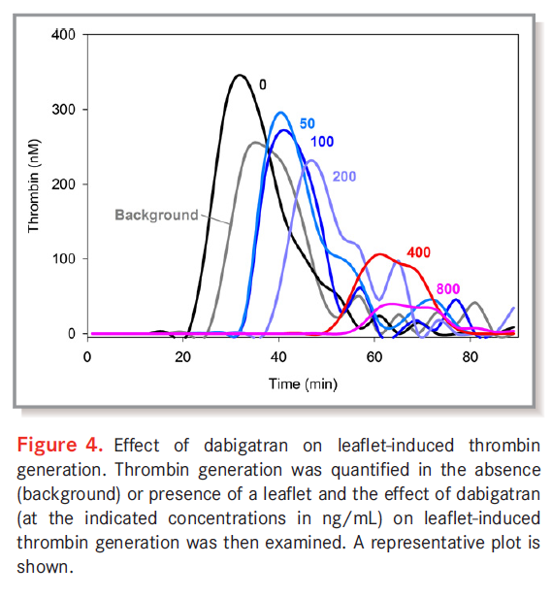 |  |  |  |  |  |  |  |  |  |  |  |  |  |  |  |  |  |  |  |  |  |  |  |  |  |  |  |  |  |  |  |  |  |  |  |  |  |  |  |  |  |  |  |  |  | Authors evaluated the impact of mechanical valve leaflets, and Dacron or Teflon SRS on TGA. Used Technoclone. Valve leaflets or SRS shortened lag time, increased peak and increased ETP. They spiked control plasma with increasing amounts of dabigatran (0-800 ng/mL) but also had some patient samples with warfarin/dabigatran. They reported concentration-dependent impact of dabigatran on lag time, peak and ETP, although only reported statistical significance for peak and ETP. They concluded that higher concentrations of dabigatran were required to achieve adequate suppression of thrombin generation, and that these concentrations were above trough dabigatran levels at standard doses. They also measured TGA in plasma from patients on warfarin and generated dose-equivalency plots to achieve similar TG suppression with dabigatran (Figure 7). "With valve leaflets, dabigatran prolonged the lag time and reduced peak thrombin and ETP in a concentration-dependent manner (Figure 4). Plots of thrombin generation parameters versus dabigatran concentration revealed a statistically significant (P<0.001), concentration-dependent reduction in peak thrombin and ETP (Figure 5). Concentrations of dabigatran ≥400 ng/mL were needed to significantly reduce leafletinduced peak thrombin, whereas concentrations >200 ng/mL were needed to reduce ETP (Figure 5A and 5B). The effect of dabigatran was similar regardless of whether dabigatran was added to plasma or the plasma was collected from patients taking dabigatran (Figure 5B). With Teflon and Dacron SRS, dabigatran concentrations >200 ng/mL reduced both peak thrombin and ETP (Figure 5C and 5D). Therefore, dabigatran suppresses leaflet- and SRS- induced thrombin generation in a concentration-dependent manner, but only at concentrations considerably higher than the target trough concentration of 50 ng/mL used in the RE-ALIGN study." "To determine the concentrations of dabigatran required to suppress thrombin generation to a similar extent as war |  | No |  |  |  |  |  |  |  |  |  |  |  |  |  |  |  |  |  |  |  |  |  |  |  |  |  |  |  |  |  |  |  |  |  |  |  |  |  |  |  |  |  |  |  |  |  |  |  |  |  |  |  |  |  |  |  |  |  |  |  |  |  |  |  |  |  |  |  |  |  |  | No
ORTHOPEDIC SURGERY
#1738 | PMID: 2831 5166 Helin TA, Virtanen L, Manninen M et al. Effects of thromboprophylactic doses of apixaban and rivaroxaban on coagulation and thrombin generation in association with total hip replacement. J Thromb Thrombolysis 2017; 43: 562-569. DOI: 10.1007/s11239-017-1492-2 |  | Helin | J Thromb Thrombolysis | 2017 | Finland | In Vivo DOAC-TGA Correlation Study | Helsingin ja Uudenmaan Sairaanhoitopiiri | Total Hip Arthroplasty |  | CAT/Thrombinoscope | 5 pM | PPP | No | No |  |  | Yes | Yes | No | Yes | Yes | No |  | In Vivo | Apixaban | 22 | 2.5 mg po BID | Peak mean 135 ng/ml (95% CI 17-301) | Yes, statistically significant | Not reported | Yes, statistical significance not reported | Yes, statistical significance not reported | Not reported |  |  |  |  |  |  | Rivaroxaban | 20 | 10 mg po OD | Mean peak 184 ng/mL (95% CI 81-355) | Yes, statistically significant | Not reported | Yes, statistical significance not reported | Yes, statistical significance not reported | Not reported |  |  |  |  |  |  |  |  |  |  |  |  |  |  |  |  |  |  |  |  |  |  |  |  |  |  |  |  |  |  |  |  |  |  |  |  |  |  |  |  |  |  |  |  |  |  |  |  |  |  |  |  |  |  |  |  |  |  |  |  |  |  |  |  |  |  | Authors measured plasma samples among patients undergoing THA who were started post-operatively on apixaban 2.5 mg po BID or rivaroxaban 10 mg po OD. Plasma samples were drawn prior to and ~ 3 hours post drug intake on various post-operative days. Authors report a statisticall significant impact for lag time for both medication, but did not report comparison of apixaban pre vs post or rivaroxaban pre- vs post. Figure 2 provides means and 95% CI but hard to tell whether ranges overlapping in some cases. Rivaroxaban had much greater impact on LT, peak and ETP as compared to rivaroxaban. They reported a concentration-dependent decreased in ETP with increasing drug concentration (p < 0.001). |  | No |  |  |  |  |  |  |  |  |  |  |  |  |  |  |  |  |  |  |  |  |  |  |  |  |  |  |  |  |  |  |  |  |  |  |  |  |  |  |  |  |  |  |  |  |  |  |  |  |  |  |  |  |  |  |  |  |  |  |  |  |  |  |  |  |  |  |  |  |  |  | No
#2531 | PMID: 2539 6759 Oswald E, Velik-Salchner C, Innerhofer P et al. Results of rotational thromboelastometry, coagulation activation markers and thrombin generation assays in orthopedic patients during thromboprophylaxis with rivaroxaban and enoxaparin: a prospective cohort study. Blood Coagul Fibrinolysis 2015; 26: 136-144. DOI: 10.1097/MBC.0000000000000203 |  | Oswald | Blood Coagul Fibrinolysis | 2015 | Austria | In Vivo Prospective Observational Study | None reported | Total Hip Arthroplasty Total Knee Arthroplasty |  | CAT/Thrombinoscope | 5 pM | PPP | No | No |  |  | Yes | Yes | Yes | Yes | Yes | Yes |  | In Vivo |  |  |  |  |  |  |  |  |  |  |  |  |  |  |  | Rivaroxaban | 61 | 10 mg po OD | Not reported | Yes, statistically significant | Yes, statistically significant | Yes, statistically significant | No statistically significant effect | Yes, statistically significant |  |  |  |  |  |  |  |  |  |  |  |  |  |  |  |  |  |  |  |  |  |  |  |  |  |  |  |  |  |  |  |  |  |  |  |  |  |  |  |  |  |  |  |  |  |  |  |  |  |  |  |  |  |  |  |  |  |  |  |  |  |  |  |  |  |  | Authors measured plasma sample prior to and on POD4 among patients undergoing THA/TKA. Sample on POD4 measured at noon. Was a peak level for enoxaparin and trough level for rivaroxaban. Rivaroxaban was started on POD1. They reported statistical significance for the comparison of baseline vs POD4, and also compared rivaroxaban (10 mg po OD) to enoxaparin (40 mg SQ OD). Rivaroxaban induced a statistically significant change for all parameters other than ETP, whereas comparing enoxaparin to rivaroxaban, enoxaparin led to greater decreased in ETP, mVRI, but similar change in LT, peak and TTP. Comparison however is not entirely valid since enoxaparin was started the evening before the procedure whereas rivaroxaban only started after the procedure. So baseline measurement for enoxaparin patients might have had some residual enoxaparin effect. Also POD4 measurement measured at different levels. Did not measure rivaroxaban levels, only anti-Xa activity for enoxaparin patients. |  | No |  |  |  |  |  |  |  |  |  |  |  |  |  |  |  |  |  |  |  |  |  |  |  |  |  |  |  |  |  |  |  |  |  |  |  |  |  |  |  |  |  |  |  |  |  |  |  |  |  |  |  |  |  |  |  |  |  |  |  |  |  |  |  |  |  |  |  |  |  |  | Yes | Yes | "thromboembolic events (deep vein thrombosis, pulmonary embolism)" | Single idDVT in enoxaparin arm (1/127) | Not reported | Yes | ISTH Major Bleeding Minor Bleeding (all other bleeding not meeting ISTH definition) | Single minor bleeding event (1/61) in rivaroxaban arm | Not reported | 90 days
#2692 | PMID: 2625 8673 Freyburger G, Macouillard G, Khennoufa K et al. Rivaroxaban and apixaban in orthopaedics: is there a difference in their plasma concentrations and anticoagulant effects? Blood Coagul Fibrinolysis 2015; 26: 925-933. DOI: 10.1097/MBC.0000000000000371 |  | Freyburger | Blood Coagul Fibrinolysis | 2015 | France | In Vivo Prospective Observational Study | None reported | Total Hip Arthroplasty Total Knee Arthroplasty |  | CAT/Thrombinoscope | Not reported | PPP | No | No |  |  | Yes | Yes | No | Yes | Yes | Yes |  | In Vivo | Apixaban | 51 | 2.5 mg po BID | T3 Peak Median 76 ng/mL [IQR 52-107] | Yes, statistically significant | Not reported | Yes, statistically significant | Yes, statistically significant | Yes, statistically significant |  |  |  |  |  |  | Rivaroxaban | 51 | 10 mg po OD | T3 Peak Median 113 ng/mL [IQR 71-162) | Yes, statistically significant | Not reported | Yes, statistically significant | Yes, statistically significant | Yes, statistically significant |  |  |  |  |  |  |  |  |  |  |  |  |  |  |  |  |  |  |  |  |  |  |  |  |  |  |  |  |  |  |  |  |  |  |  |  |  |  |  |  |  |  |  |  |  |  |  |  |  |  |  |  |  |  |  |  |  |  |  |  |  |  |  |  |  |  | Study evaluated patients receiving VTEp with rivaroxaban 10 mg po OD or apixaban 2.5 mg po BID post-orthopedic surgery. Plasma samples were drawn prior to induction of anesthesia and then at various timepoints post-op (T1, T2, T3, T4). T1-T3 are peak values, whereas T4 is a trough value. They report LT, peak, ETP and MVRI and reported statistical significance. Comparison for each value was compared to the prior time point so not all of the statistical comparisons are compared to control (no DOAC). They also compared across DOACs and demonstrated that rivaroxaban generally had a significantly greater impact on all parameters compared to apixaban with respect to peak values (T1-T3). |  | No |  |  |  |  |  |  |  |  |  |  |  |  |  |  |  |  |  |  |  |  |  |  |  |  |  |  |  |  |  |  |  |  |  |  |  |  |  |  |  |  |  |  |  |  |  |  |  |  |  |  |  |  |  |  |  |  |  |  |  |  |  |  |  |  |  |  |  |  |  |  | Yes | Yes | "Thrombotic event" | No thrombotic events | Not reported | Yes | "bleeding" | No bleeding events | Not reported | Admission (mean hospital way 8 days)
#3235 | PMID: 2333 5022 Samama MM, Guinet C, Le Flem L et al. Measurement of dabigatran and rivaroxaban in primary prevention of venous thromboembolism in 106 patients, who have undergone major orthopedic surgery: an observational study. J Thromb Thrombolysis 2013; 35: 140-146. DOI: 10.1007/s11239-012-0803-x |  | Samama | J Thromb Thrombolysis | 2013 | France | In Vivo DOAC-TGA Correlation Study | None reported | Total Hip Arthroplasty Total Knee Arthroplasty |  | CAT/Thrombinoscope | PPP Reagent (5 pM) | PPP | No | No |  |  | Yes | Yes | Yes | Yes | Yes | Yes |  | In Vivo |  |  |  |  |  |  |  |  |  |  |  |  |  |  |  | Rivaroxaban | 41 | 10 mg po OD | Mean peak 133-142 ng/mL (range 0-421 ng/mL | Yes, statistical significance not reported | Not reported | Yes, statistical significance not reported | Yes, statistical significance not reported | Not reported |  |  |  |  |  |  | Dabigatran | 54 patients = 220 mg po OD 11 patients = 150 mg po OD | 54 patients = 220 mg po OD 11 patients = 150 mg po OD | Mean peak 51-59 ng/mL (range 0-324 ng/mL) | Yes, statistical significance not reported | Yes, statistical significance not reported | Yes, statistical significance not reported (paradoxical increase) | Yes, statistical significance not reported (paradoxical increase) | Not reported |  |  |  |  |  |  |  |  |  |  |  |  |  |  |  |  |  |  |  |  |  |  |  |  |  |  |  |  |  |  |  |  |  |  |  |  |  |  |  |  |  |  |  |  |  |  |  |  |  |  |  | Authors drew a plasma sample at peak levels 3-4 days after patients were on either prophylactic dabigatran or rivaroxaban. No baseline sample drawn prior to DOAC administration. Authors report measuring LT, TTP, peak, ETP and mVRI, but results are challenging to interpret from Table 3 since there is no comparison to controls or baseline. They do report in the Results section that dabigatran affected kinetic parameters and caused a paradoxical increase in peak and ETP, whereas rivaroxaban affected LT, and reduced peak and ETP. Statistical significance values not provided. |  | No |  |  |  |  |  |  |  |  |  |  |  |  |  |  |  |  |  |  |  |  |  |  |  |  |  |  |  |  |  |  |  |  |  |  |  |  |  |  |  |  |  |  |  |  |  |  |  |  |  |  |  |  |  |  |  |  |  |  |  |  |  |  |  |  |  |  |  |  |  |  | Yes | Yes | Not defined | Single participants (1/41 rivaroxaban patients) was diagnosed with a PE | Not reported | No |  |  |  | Not defined
#3646 | PMID: 2224 5224 Green L, Lawrie AS, Patel R et al. The effect of total hip/knee replacement surgery and prophylactic dabigatran on thrombin generation and coagulation parameters. Thromb Res 2012; 130: 775-779. DOI: 10.1016/j.thromres.2011.12.023 |  | Green | Thromb Res | 2012 | UK | In Vivo Prospective Observational Study | None reported | Total Hip Arthroplasty Total Knee Arthroplasty |  | CAT/Thrombinoscope | PPP Reagent Low (1 pM) | PPP | No | Yes |  |  | Yes | Yes | Yes | Yes | Yes | Not reported |  | In Vivo |  |  |  |  |  |  |  |  |  |  |  |  |  |  |  |  |  |  |  |  |  |  |  |  |  |  |  |  |  |  | Dabigatran | 19 | 110 mg po OD on POD1 then 220 mg po OD | Not reported | Yes, statistically significant | Yes, statistically significant | Yes, statistically significant (paradoxical increase) | Yes, statistically significant (paradoxical increase) | Not reported |  |  |  |  |  | 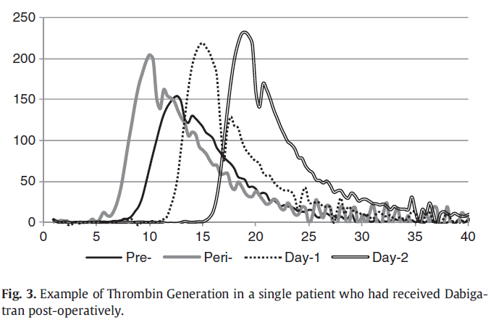 |  |  |  |  |  |  |  |  |  |  |  |  |  |  |  |  |  |  |  |  |  |  |  |  |  |  |  |  |  |  |  |  |  |  |  |  |  |  |  |  |  |  |  |  |  | Plasma samples drawn pre-op, periop- and then day 1 and 2 post-op among patients undergoing THR/TKR and receiving dabigatran . Dabigatran started 4 hours post-op. Periop BW drawn during the time of surgery prior to dabigatran dose. Observed statistically significant prolongation of lag time and TTP but paradoxical increase in peak and ETP. Used CAT, mention increase in peak and ETP likely due to interference with the calibrator. |  | No |  |  |  |  |  |  |  |  |  |  |  |  |  |  |  |  |  |  |  |  |  |  |  |  |  |  |  |  |  |  |  |  |  |  |  |  |  |  |  |  |  |  |  |  |  |  |  |  |  |  |  |  |  |  |  |  |  |  |  |  |  |  |  |  |  |  |  |  |  |  | No
#3827 | PMID: 2127 7622 Freyburger G, Macouillard G, Labrouche S et al. Coagulation parameters in patients receiving dabigatran etexilate or rivaroxaban: two observational studies in patients undergoing total hip or total knee replacement. Thromb Res 2011; 127: 457-465. DOI: 10.1016/j.thromres.2011.01.001 |  | Freyburger | Thromb Res | 2011 | France | In Vivo Prospective Observational Study | None reported | Total Hip Arthroplasty Total Knee Arthroplasty |  | CAT/Thrombinoscope | Not reported | PPP | No | No |  |  | Yes | Yes | Yes | Yes | Yes | Yes |  | In Vivo |  |  |  |  |  |  |  |  |  |  |  |  |  |  |  | Rivaroxaban | 40 | 10 mg po OD | Mean peak 117 ng/mL (± 78 ng/mL) | Yes, statistically significant | Yes, statistically significant | Yes, statistically significant | Yes, statistically significant | Yes, statistically significant |  |  |  |  |  | 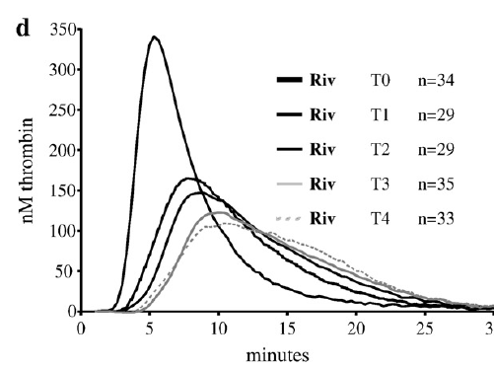 | Dabigatran | 40 | 110 mg po OD on POD1 then 220 mg po OD | Mean peak 105 ng/mL (± 85) | Yes, statistically significant | Yes, statistically significant | Yes, statistically significant (paradoxical increase) | Yes, statistically significant |  |  |  |  |  |  | 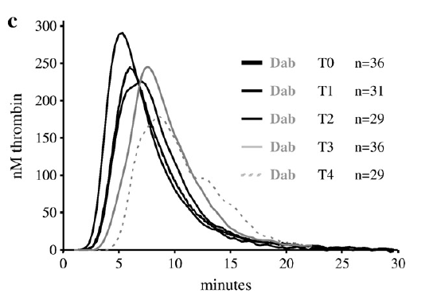 |  |  |  |  |  |  |  |  |  |  |  |  |  |  |  |  |  |  |  |  |  |  |  |  |  |  |  |  |  |  |  |  |  |  |  |  |  |  |  |  |  |  |  |  |  | Authors measured plasma samples before surgeery (T0), on the day of surgery (T1), and then twice a week afterwards (T2 to T4). Plasma samples were drawn at estimated peak (~ 2 hours after drug ingestions). Measured TGA using CAT. They observed a paradoxical increase in ETP and peak and attribute to interference with calibrator (see Results). In Results they subsequent report re-estimating TGA using T0 plasma samples (no dabigatran) as the calibrator. When comparing to pooled T0 results and using pooled T0 baseline for all patients (dabigatran and rivaroxaban), they showed dabigatran led to a statistically significant prolongation of lag time and TTP, as well as decrease in ETP. Peak and mVRI however increased (statistically significant) despite not using dabigatran samples as calibrator sample. Rivaroxaban caused significant prolongation of LT, TTP, decrease in ETP and peak and mVRI. "In the presence of dabigatran, the thrombin generation experiment was confounded by direct interaction of the drug with the calibrator. In the Thrombinoscope® method, the calibrator slope makes it possible to translate fluorescence units into nanomoles of thrombin. In the presence of dabigatran, the calibrator (thrombin trapped in a cage of alpha-2macroglobulin) is inhibited by the seeping of the small drug into the cage; the transformation of the fluorescent substrate by the calibrator is collapsed by this interference. A false increase in thrombin generation can thus be artificially inferred. Interestingly, the calibrator slope was highly correlated to the circulating dTT-determined concentration of dabigatran (R2=0.902). TGT tests in dabigatran-treated patients thus require a correction of the calibration curve. We reprocessed the TGT data from each dabigatran-treated patient by using the calibration curve obtained from his/her pretherapeutic sample taken at T0. The intra-individualCVof the calibrator slope at different times of sampling was 8% in orthopedic patients not treated wi |  | No |  |  |  |  |  |  |  |  |  |  |  |  |  |  |  |  |  |  |  |  |  |  |  |  |  |  |  |  |  |  |  |  |  |  |  |  |  |  |  |  |  |  |  |  |  |  |  |  |  |  |  |  |  |  |  |  |  |  |  |  |  |  |  |  |  |  |  |  |  |  | No
#3942 | PMID: 2095 0405 Green L, Lawrie AS, Patel S et al. The impact of elective knee/hip replacement surgery and thromboprophylaxis with rivaroxaban or dalteparin on thrombin generation. Br J Haematol 2010; 151: 469-476. DOI: 10.1111/j.1365-2141.2010.08433.x |  | Green | Br J Haematol | 2010 | UK | In Vivo Prospective Observational Study | Bayer HealthCare | Total Hip Arthroplasty Total Knee Arthroplasty |  | CAT/Thrombinoscope | PPP Reagent Low (1 pM) | PPP | No | Yes |  |  | Yes | Yes | Yes | Yes | Yes | Yes |  | In Vivo |  |  |  |  |  |  |  |  |  |  |  |  |  |  |  | Rivaroxaban | 26 | 10 mg po OD | Median level ~ 16.4 hours post dose 30 ng/mL (IQR 10-60 ng/mL) | Yes, statistically significant | Yes, statistically significant | Yes, statistically significant | Yes, statistically significant | Yes, statistically significant | r = 0.46; p = 0.01 | r = 0.53; p = 0.005 | r = -0.59; p = 0.001 | Not reported | r = --0.61; p = 0.0009 |  |  |  |  |  |  |  |  |  |  |  |  |  |  |  |  |  |  |  |  |  |  |  |  |  |  |  |  |  |  |  |  |  |  |  |  |  |  |  |  |  |  |  |  |  |  |  |  |  |  |  |  |  |  |  |  |  |  |  |  |  | Authors measured plasma samples pre-op, during OR and then post-op, roughly ~ 16 hours post rivaroxaban dose or dalteparin. Rivaroxaban exhibited a statistically significant impact on all parameters. Provided correlation (Spearman) values between rivaroxaban levels and TGA parameters except ETP (?not significant). As opposed to rivaroxaban, dalteparin had a significant effect on lag time and ETP. No significant effect on TTP or peak. Numerically dalteparin had less of an effect on lag time, time to peak, ETP and peak. Most patients received 5000 units (a few received 2500 due to low weight). Did also measure d-dimer at each time point. Study showed increase in d-dimer after surgery. |  | No |  |  |  |  |  |  |  |  |  |  |  |  |  |  |  |  |  |  |  |  |  |  |  |  |  |  |  |  |  |  |  |  |  |  |  |  |  |  |  |  |  |  |  |  |  |  |  |  |  |  |  |  |  |  |  |  |  |  |  |  |  |  |  |  |  |  |  |  |  |  | Yes | No |  |  |  | Yes | "peri-operative blood loss necessitating transfusion of red blood cells or paltelets" | 0 patients | Not reported | Not defined
#3977 | PMID: 1913 2191 Turpie AG, Bauer KA, Davidson BL et al. A randomized evaluation of betrixaban, an oral factor Xa inhibitor, for prevention of thromboembolic events after total knee replacement (EXPERT). Thromb Haemost 2009; 101: 68-76. | EXPERT | Turpie | Thromb Haemost | 2009 | USA | Open-label, Randomized Controlled Trial | Portola Pharmaceuticals | Total Knee Arthroplasty |  | Non-calibrated method | 109 pM | PPP | No | No |  |  | No | No | No | No | No | No |  | In Vivo |  |  |  |  |  |  |  |  |  |  |  |  |  |  |  |  |  |  |  |  |  |  |  |  |  |  |  |  |  |  |  |  |  |  |  |  |  |  |  |  |  |  |  |  |  |  |  |  |  |  |  |  |  |  |  |  |  |  |  |  | Betrixaban | Betrixaban 15 mg po BID = 87 patients Betrixaban 40 mg po BID = 84 patients | 15 mg po BID 40 mg po BID | Not reported (visually ~ 5-25 ng/mL from figure) | Not reported | Not reported | Not reported | Not reported | Not reported |  |  |  |  |  |  |  |  |  |  |  |  |  |  |  |  |  |  |  |  |  | Randomized open-label study comparing two doses of betrixaban (15 mg po BID vs 40 mg po BID) and enoxaparin after TKR. Measured plasma samples ~ 1-4 hours after drug administration. Measured TGA using a non-calibrated method (109 pM tissue factor, FlexStation fluorescence reader, reported in RFU). Betrixaban levels measured using HPLC-MS, levels were reported in figure but not mentioned in results in terms of means. Looks like 5-25 nbg/mL from Figure 3. Dose dependent response in TGA RFU. Did not provide statistical comparisons. "Figure 3 depicts plasma betrixaban concentrations after the second dose (Day 2), on discharge and at the time of venography. As expected given the long half-life of betrixaban, mean drug concentrations increased after the first few doses and appeared to reach steady-state by discharge (median Day 4) for both betrixaban dose groups. Betrixaban exhibited a dose-dependent and concentration- dependent effect on inhibition of thrombin generation and anti-Xa levels (Fig. 4). The effect of betrixaban 15 mg on the inhibition of thrombin generation was similar to that observed with enoxaparin whereas the effect seen with betrixaban 40 mg was more pronounced. Conversely, the effect seen on anti-Xa activity was similar for betrixaban 40 mg and enoxaparin and less with betrixaban 15 mg. Treatment with betrixaban did not appreciably affect other coagulation parameters (i.e. aPTT, PT and INR)." |  | No |  |  |  |  |  |  |  |  |  |  |  |  |  |  |  |  |  |  |  |  |  |  |  |  |  |  |  |  |  |  |  |  |  |  |  |  |  |  |  |  |  |  |  |  |  |  |  |  |  |  |  |  |  |  |  |  |  |  |  |  |  |  |  |  |  |  |  |  |  |  | Yes | Yes | "Patients were assessed daily for signs and symptoms of DVT and PE while hospitalized. The primary efficacy outcome was the occurrence of VTE up to Day 10 to 14, where VTE represented the composite of proximal and/or distal DVT identified by unilateral mandatory venography of the operated leg, symptomatic proximal DVT, or PE. In addition, any diagnosis of VTE between mandatory venography and 6 (± 2) weeks post-TKR was also reported. A follow-up contact either in person or by telephone occurred every 2 to 4 days while the patient was on study medication and 6 (± 2) weeks after TKR surgery." | 20% betrixaban 15 mg po BID 15.4% betrixaban 40 mg po BID 10% enoxaparin | Not reported | Yes | "Overt bleeding events, the primary safety outcome of the study, were categorized as major (i.e. fatal; involving vital organs; requiring additional surgery or a new therapeutic procedure; or a Bleeding Index ≥2.0) and clinically significant non-major bleeding. Bleeding Index was defined as the number of units of packed red blood cells or whole blood transfused plus the haemoglobin values before the bleeding episode minus the haemoglobin values after the bleed had stabilized (in g/dl)." | Major bleeding 1/43 (2.3%) enoxaparin 0/84 (0%) betrixaban 40 mg pO BID 0/87 (0%) betrixaban 15 mg pO BID CRNMB 2/84 (2.4%) betrixaban 40 mg pO BID 0/87 (0%) betrixaban 15 mg po BID 2/43 (4.6%) enoxaparin | Not reported | 10-14 days
PROTEIN C DEFICIENCY
#609 | PMID: 3175 6037 Aungraheeta R, FitzGibbon L, Reilly-Stitt C et al. Differential effects of direct factor IIa and factor Xa inhibitors in protein C-deficient plasma detected using thrombin generation and viscoelastometry assays. Int J Lab Hematol 2020; 42: 126-133. DOI: 10.1111/ijlh.13126 |  | Aungraheeta | Int J Lab Hematol | 2020 | UK | In Vitro Spiked Plasma | Programme Grants for Applied Research | Protein C Deficiency |  | CAT/Thrombinoscope | PPP Reagent Low (1 pM) | PPP | Yes | No |  |  | Yes | Yes | No | Yes | Yes | No |  | In Vitro | Apixaban | N/A | N/A | 100/1000 nmol/L (equivalent to 46-459 ng/mL) | Yes, statistically significant | Not reported | Yes, statistically significant | Yes, statistically significant | Not reported |  |  |  |  |  |  | Rivaroxaban | N/A | N/A | 100-1000 nmol/L (equivalent to 46-436 ng/mL) | Yes, statistically significant | Not reported | Yes, statistically significant | Yes, statistically significant | Not reported |  |  |  |  |  |  | Dabigatran | N/A | N/A | 100-1000 nmol/L (equivalent to 47-472 ng/mL) | Yes, statistically significant | Not reported | Yes, statistically significant (paradoxical increase at low dabigatran concentrations only in control plasma, not in protein C deficient plasma) | Yes, statistically significant (paradoxical increase at low dabigatran concentrations only in control plasma, not in protein C deficient plasma) | Not reported |  |  |  |  |  |  |  |  |  |  |  |  |  |  |  |  |  |  |  |  |  |  |  |  |  |  |  |  |  |  |  |  |  |  |  |  |  |  |  |  |  |  |  |  |  |  |  |  |  |  |  | Authors took protein C deficient plasma and spiked with dabigatran, apixaban, rivaroxaban and enoxaparin. Compared TGA responses to control plasma. They added thrombomodulin 3 nM) to evaluate the protein C system. Did not mention any special procedures to account for dabigatran's effects on thrombin calibrator. Saw a statistically significant increase in ETP and peak with dabigatran in control plasma. Increase in ETP not seen in protein C deficient plasma, although was seen (not statistically significant) with peak (likely due to calibrator inhibition and interference with thrombin estimation algorithm). Statistically significant impact on lag time in both protein C deficient and control plasmas. For rivaroxaban, statistically significant prolongation in lag time seen in both control/Prot C deficient plasma. Decrease in ETP and peak also seen in both, statistically significant. However, the absolute ETP values were higher at each rivaroxaban concentration in PC deficient plasma compared to controls, whereas peak was similar. Similar results were obtained for apixaban as compared to rivaroxaban. Interesting to note that only at the highest /higher rivaroxaban/apixaban concentration was a statistically significant impact on ETP seen, for lower concentrations, ETP was much higher than control plasma. "The main finding of this study was that therapeutically relevant concentrations of enoxaparin and the direct FIIa and FXa inhibitors all reduced the abnormally high ETP and PTC in PC-deficient plasma. However, the concentrations of the direct FIIa or FXa inhibitors required to completely correct abnormal thrombin generation were higher than the peak plasma drug concentrations reported during licensed anticoagulant treatment regimens for patients with VTE. There were also important differences in the kinetics of thrombin generation between the direct FIIa and FXa inhibitors, and in the extent of their additive effect with PC replacement. However, these differences did n |  | No |  |  |  |  |  |  |  |  |  |  |  |  |  |  |  |  |  |  |  |  |  |  |  |  |  |  |  |  |  |  |  |  |  |  |  |  |  |  |  |  |  |  |  |  |  |  |  |  |  |  |  |  |  |  |  |  |  |  |  |  |  |  |  |  |  |  |  |  |  |  | No
SOLID ORGAN TRANSPLANTATION
#63 | PMID: 3333 6411 Pfrepper C, Herber A, Weimann A et al. Safety and efficacy of direct oral anticoagulants under long-term immunosuppressive therapy after liver, kidney and pancreas transplantation. Transpl Int 2021; 34: 423-435. DOI: 10.1111/tri.13804 |  | Pfrepper | Transpl Int | 2021 | Germany | In Vivo Retrospective/Prospective Observational Study | None reported | Organ Transplantation |  | CAT/Thrombinoscope | 5 pM | PPP | No | No |  |  | Yes | No | Yes | Yes | Yes | Yes |  | In Vivo | Apixaban | 20 | 5 mg po BID (n = 10) 2.5 mg po BID (n = 10) | Range of mean trough/peak concentrations 41-190 ng/mL apixaban 5 mg po BID Range of mean trough/peak concentrations 34-92 ng/mL apixaban 2.5 mg po BID | Not reported | Yes, statistical significance not reported | Yes, statistical significance not reported | Yes, statistical significance not reported | Yes, statistical significance not reported |  |  |  |  |  |  | Rivaroxaban | 26 | 20 mg po OD (n = 10) 15 mg po OD (n = 16) | Range of mean trough/peak concentrations 59-318 ng/mL rivaroxaban 20 mg po OD | Not reported | Yes, statistical significance not reported | Yes, statistical significance not reported | Yes, statistical significance not reported | Yes, statistical significance not reported |  |  |  |  |  |  |  |  |  |  |  |  |  |  |  |  |  |  |  |  |  | Edoxaban | 1 | 60 mg po OD | Not reported | Not reported | Not reported | Not reported | Not reported | Not reported |  |  |  |  |  |  |  |  |  |  |  |  |  |  |  |  |  |  |  |  |  |  |  |  |  |  |  |  |  |  |  |  |  |  |  |  | Study involved a retrospective component and prospective observational component. Thrombin generation was measured as part of the prospective component. Authors mainly aimed to compare TGA impact between SOT recipients and matched controls. Statistical comparisons are not to non-anticoagulaed vs anticoagulated but rather anticoagulated SOT vs anticoagulated controls. Measured levels at both trough and peak. Can tell there is an impact on reported TGA parameters (TTP, peak, ETP and MVRI). Although they mentions measuring lag time, they do not reported results. Also did not report results for the single patient on edoxaban. "There was a significantly lower GFR in transplant patients compared to controls. Beside a higher apixaban trough level after intake of 2 9 5 mg in transplant patients there were no other differences in apixaban or rivaroxaban trough and peak levels in both cohorts. There was a shorter TTP in transplant patients receiving 2 9 5 mg apixaban at peak level (P = 0.024) and a trend toward a shorter TTP at trough levels (P = 0.073) compared to controls. ETP was higher in transplant patients receiving 2 9 2.5 mg apixaban compared to controls." They also reported that SOT patients (anticoagulation neutralized) had significantly shorter lag time, TTP and significantly higher peak, but no difference in ETP (Table 5). |  | No |  |  |  |  |  |  |  |  |  |  |  |  |  |  |  |  |  |  |  |  |  |  |  |  |  |  |  |  |  |  |  |  |  |  |  |  |  |  |  |  |  |  |  |  |  |  |  |  |  |  |  |  |  |  |  |  |  |  |  |  |  |  |  |  |  |  |  |  |  |  | Yes | Yes | "Arterial or venous thromboembolic events" | 0 events | Not reported | Yes | CRNMB | 3/30 (10% - Only patients completing bleeding questionaire) | Not reported | Not defined

