Figure S1
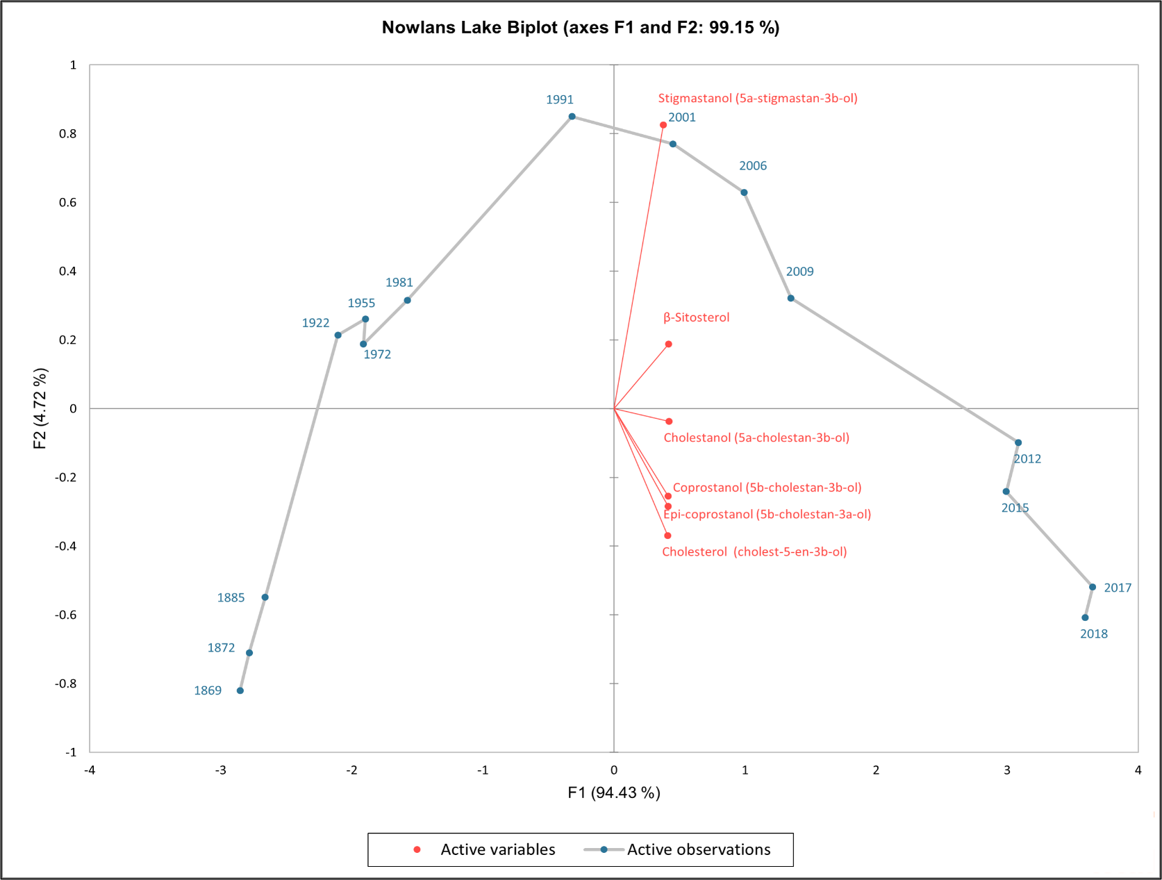
Figure S1: Principle Component Analysis (PCA) of the downcore sterol concentrations (µg/g DW) in Nowlans Lake. Select 210Pb dates are indicated adjacent to their corresponding depth. PCA axis 1 and axis 2 explain 99.15 % of the variation in the sterol and stanol composition of the pond sediments.

Figure S2
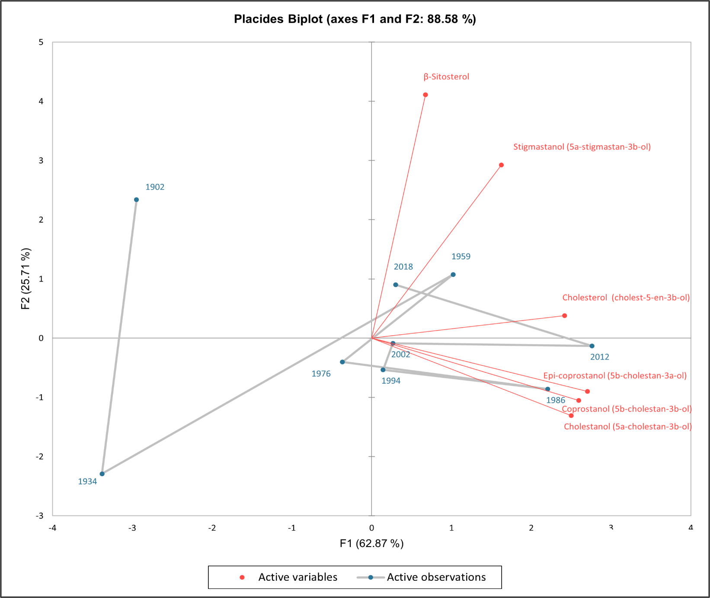
Figure S2: Principle Component Analysis (PCA) of the downcore sterol concentrations (µg/g DW) in Placides Lake. Select 210Pb dates are indicated adjacent to their corresponding depth. PCA axis 1 and axis 2 explain 88.58 % of the variation in the sterol and stanol composition of the pond sediments.

Figure S3
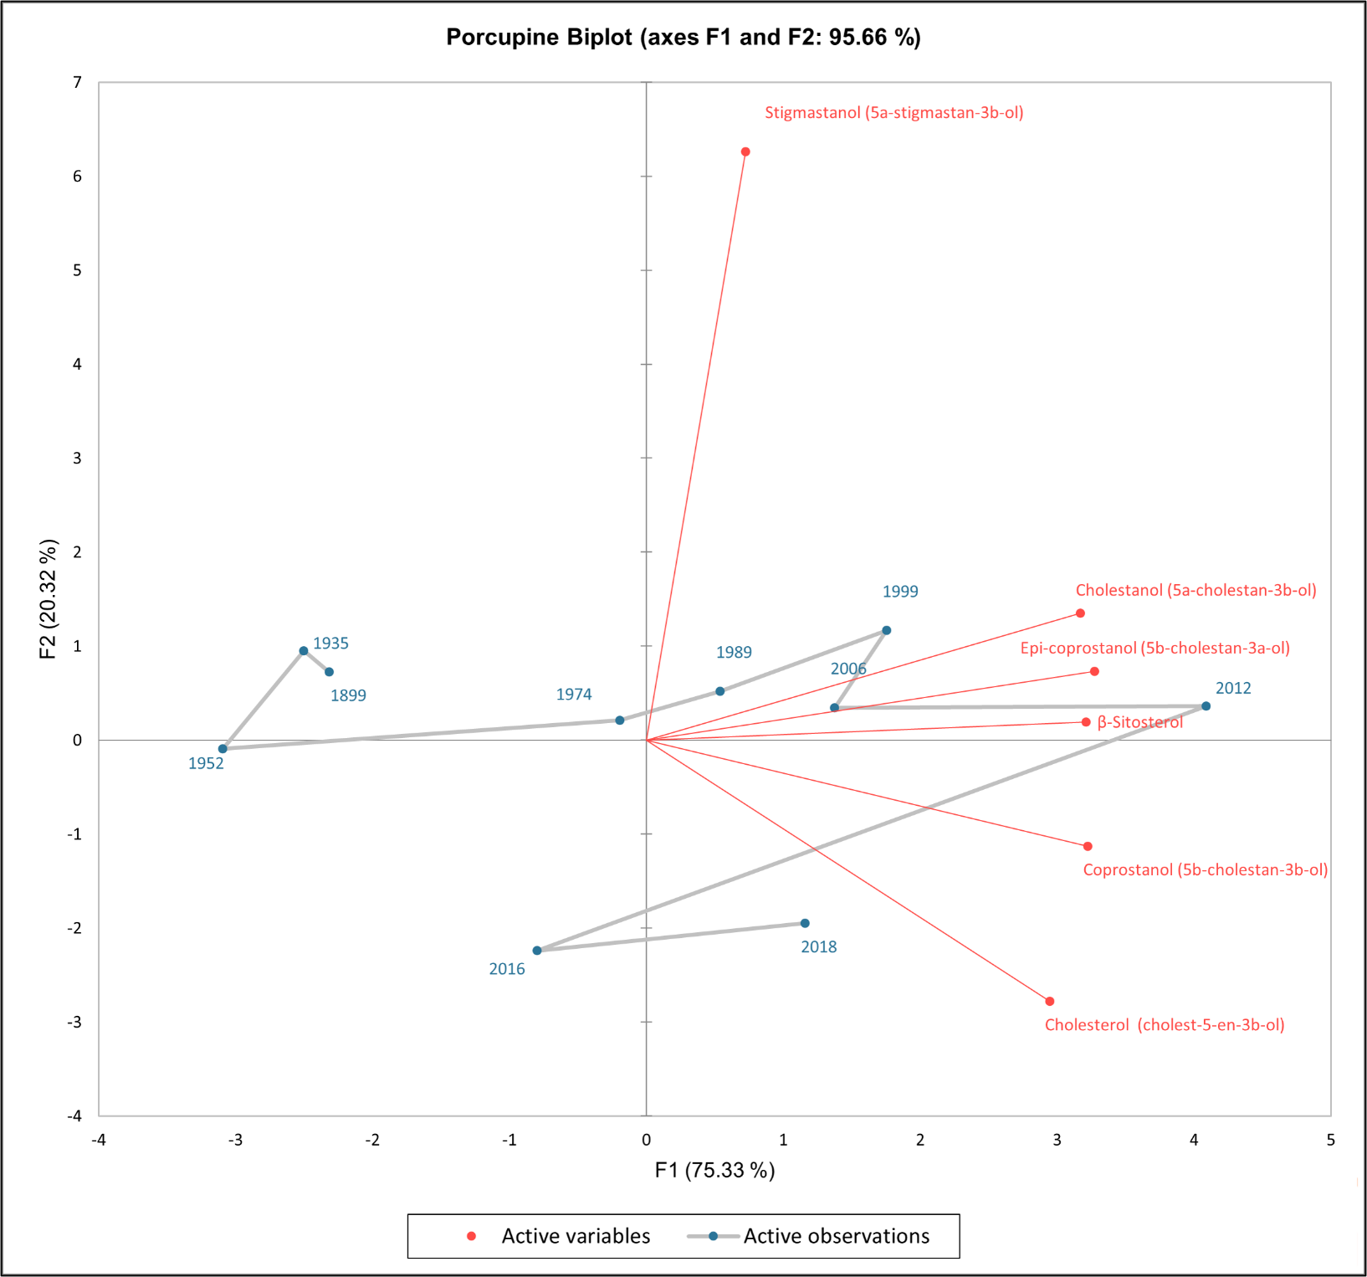
Figure S3: Principle Component Analysis (PCA) of the downcore sterol concentrations (µg/g DW) in Porcupine Lake. Select 210Pb dates are indicated adjacent to their corresponding depth. PCA axis 1 and axis 2 explain 95.66 % of the variation in the sterol and stanol composition of the pond sediments.

Figure S4
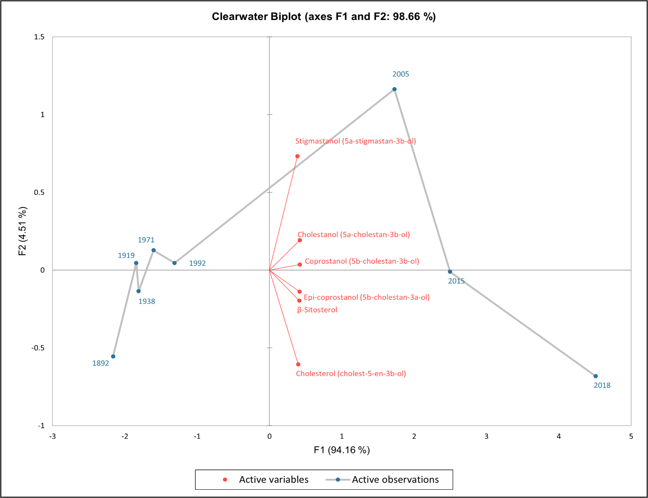
Figure S4: Principle Component Analysis (PCA) of the downcore sterol concentrations (µg/g DW) in Clearwater Lake. Select 210Pb dates are indicated adjacent to their corresponding depth. Principle component axis 1 and axis 2 explain 98.66 % of the variation in the sterol and stanol composition of the pond sediments.

Figure S5
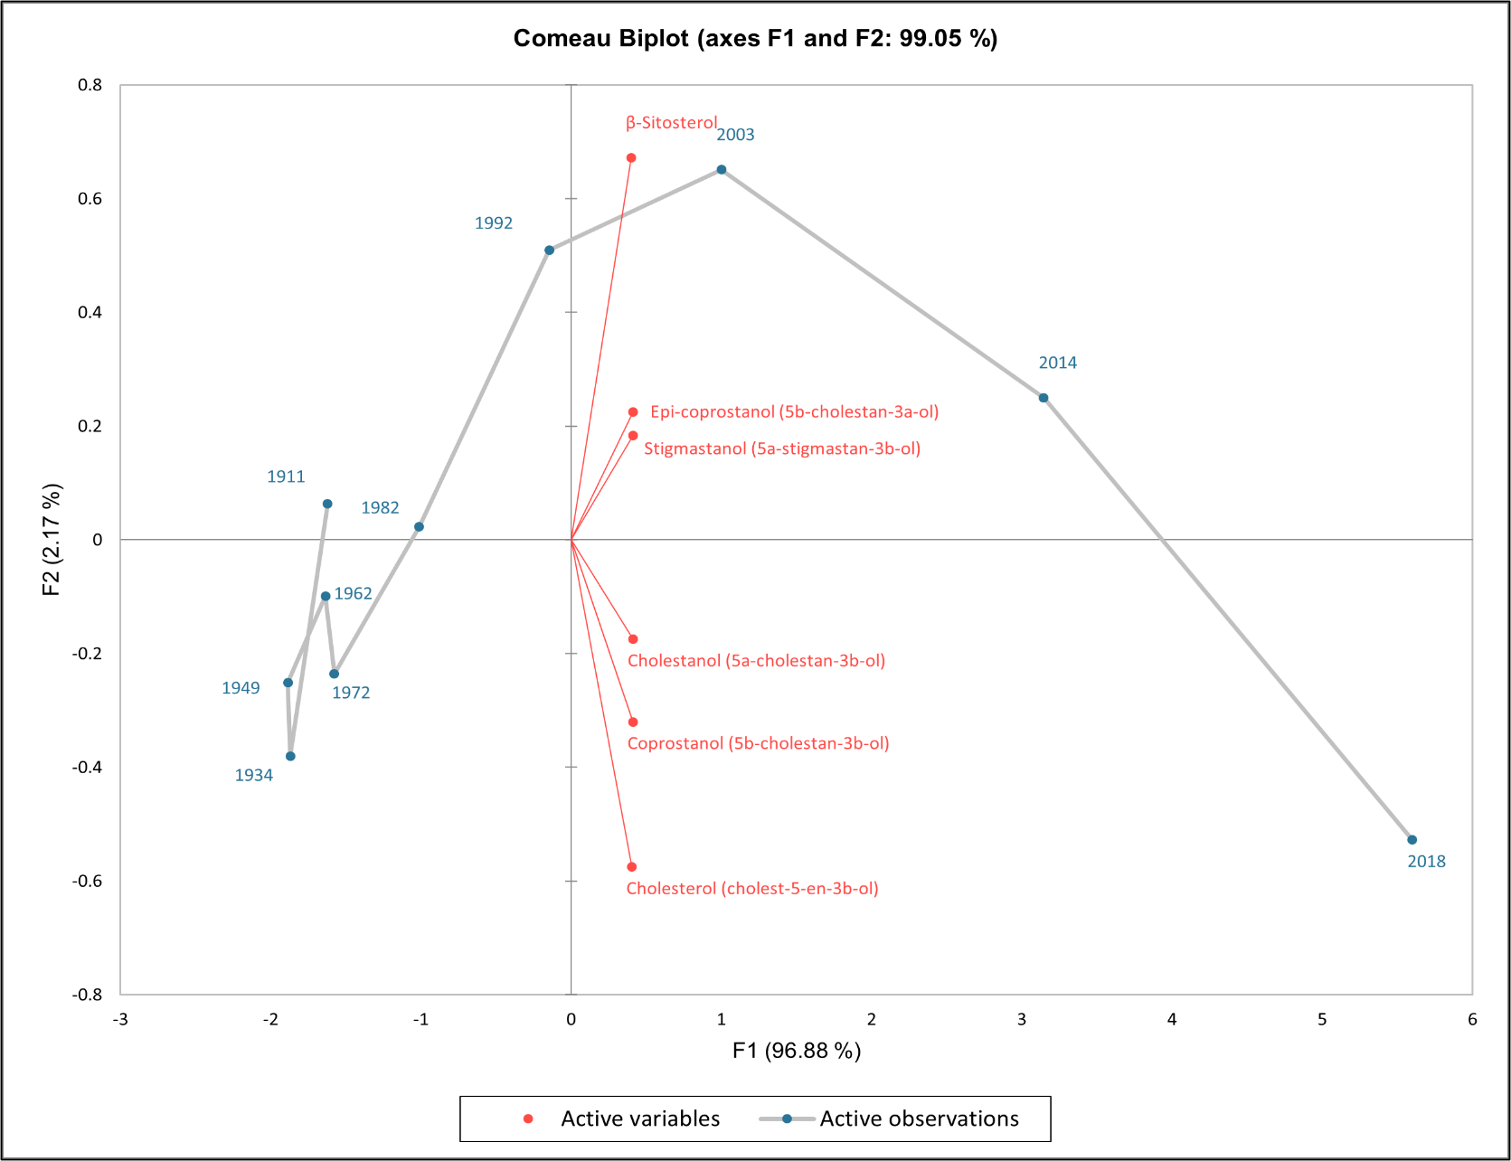
Figure S5: Principle Component Analysis (PCA) of the downcore sterol concentrations (µg/g DW) in Comeau Lake. Select 210Pb dates are indicated adjacent to their corresponding depth. Principle component axis 1 and axis 2 explain 99.05 % of the variation in the sterol and stanol composition of the pond sediments.

